Sheet1
Recovery | 25% | Change these two parameters to see the movement of the zero rate curve
K | 70%
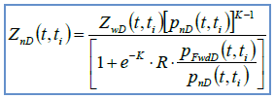
Tenor | Risky Zero Rate | Z_wD | Probability of Default | Probability of Non-Default | P_FwdD | Z_nD | Adjusted Zero Rate | Spread
0.25 | 0.88% | 0.99780 | 0.25% | 99.75% | 0.25% | 0.99824 | 0.704% | 0.176%
0.5 | 0.88% | 0.99561 | 0.50% | 99.50% | 0.25% | 0.99680 | 0.642% | 0.238%
0.75 | 0.88% | 0.99342 | 0.75% | 99.25% | 0.25% | 0.99536 | 0.621% | 0.259%
1 | 0.95% | 0.99054 | 1% | 99.00% | 0.25% | 0.99322 | 0.680% | 0.270%
1.5 | 1% | 0.98511 | 2.10% | 97.90% | 1.10% | 0.99002 | 0.668% | 0.332%
2 | 1.10% | 0.97824 | 3.30% | 96.70% | 1.20% | 0.98662 | 0.674% | 0.426% | Observable parameters are risky zero rate, default probability. Recovery rate is not directly observable, but is agreed upon between market participants. K is not observable.
3 | 1.90% | 0.94459 | 7% | 93.00% | 3.70% | 0.96064 | 1.339% | 0.561%
4 | 2.80% | 0.89404 | 12% | 88.00% | 5.00% | 0.92249 | 2.017% | 0.783%
5 | 3.40% | 0.84366 | 18.25% | 81.75% | 6.25% | 0.88781 | 2.380% | 1.020%
6 | 3.80% | 0.79612 | 25% | 75.00% | 6.75% | 0.85830 | 2.547% | 1.253%
7 | 4% | 0.75578 | 30% | 70.00% | 5.00% | 0.83375 | 2.598% | 1.402%
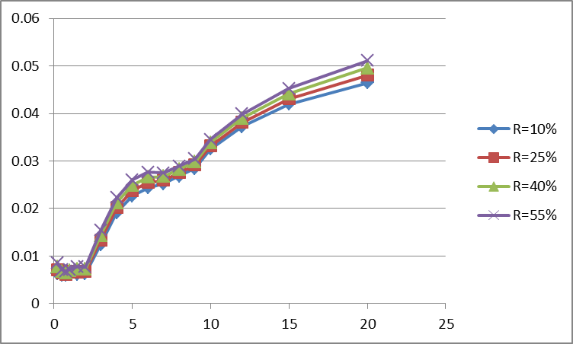
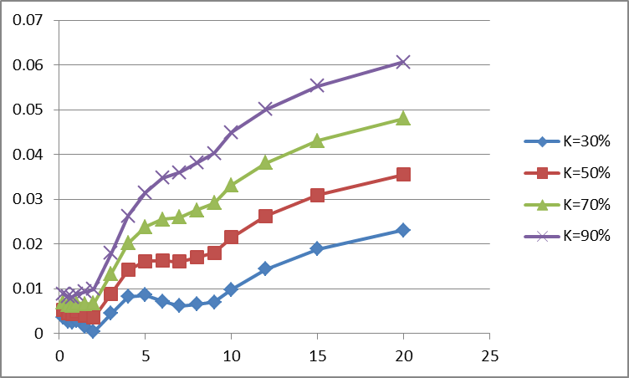
8 | 4.25% | 0.71177 | 35% | 65.00% | 5.00% | 0.80230 | 2.753% | 1.497%
9 | 4.50% | 0.66698 | 40% | 60.00% | 5.00% | 0.76948 | 2.912% | 1.588%
10 | 5% | 0.60653 | 45% | 55.00% | 5.00% | 0.71758 | 3.319% | 1.681%
12 | 5.50% | 0.51685 | 52% | 48.00% | 7.00% | 0.63270 | 3.815% | 1.685%
15 | 6% | 0.40657 | 61% | 39.00% | 9.00% | 0.52426 | 4.305% | 1.695%
20 | 6.50% | 0.27253 | 73% | 27.00% | 12.00% | 0.38255 | 4.805% | 1.695%

 |  |  |  |  |  |  |  |  | Usually R and K are to be calibrated to market data if there exists market instrument that can imply riskless zero rate; otherwise, one can assume recovery rate is agreed by participant, say 40%. On the other hand, K can be calibrated using FX jump size in historical default event with similar economy situation. To back-test, one can try to find a country which developed swap market. One can use the approach described above to calibrate riskless zero rate right before swap market was developed, and then compare it with the implied zero rate right after swap was developed to esimate the difference.

