Sheet1
Description | Fre |  |  |  | Description | Fre
Cysteine | 14 | 19296 | 0.00072553897181 |  | Proteobacteria | 5393
Asparticacid | 543 | 19296 | 0.028140547264 |  | Actinobacteria | 4463
Histidine | 435 | 19296 | 0.022543532338 |  | Firmicutes | 3286
Arginine | 727 | 19296 | 0.037676202322 |  | Crenarchaeota | 2914
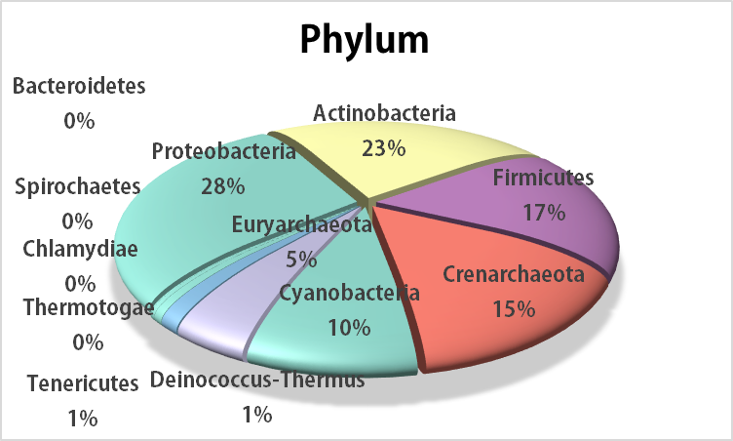
Serine | 7655 | 19296 | 0.39671434494 |  | Cyanobacteria | 1865
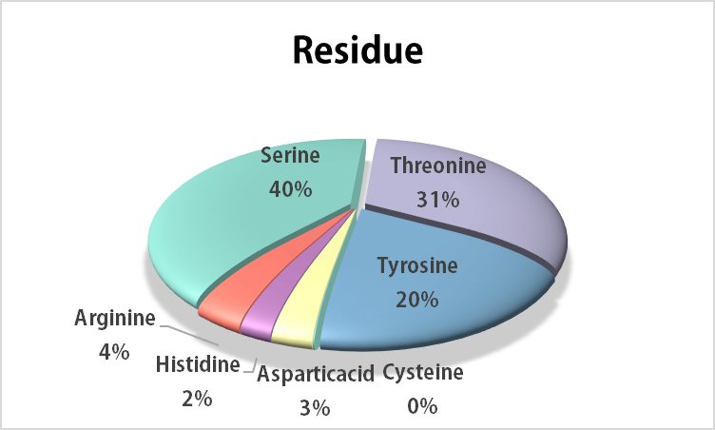
Threonine | 6087 | 19296 | 0.3154539801 |  | Euryarchaeota | 899
Tyrosine | 3835 | 19296 | 0.19874585406 |  | Deinococcus-Thermus | 263
 |  |  |  |  | Tenericutes | 133
 |  |  |  |  | Spirochaetes | 62
 |  |  |  |  | Bacteroidetes | 16
Residue
Phylum
 |  |  |  |  | Chlamydiae | 1
 |  |  |  |  | Thermotogae | 1

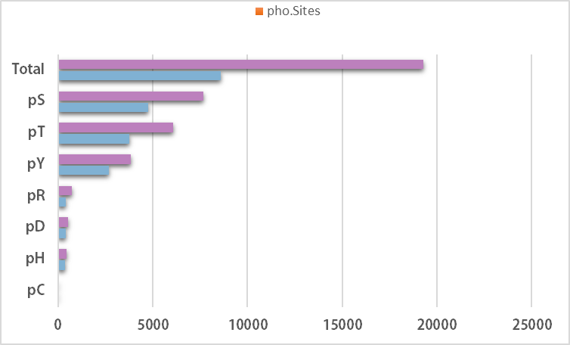
 |  | Class | pho.Proteins | pho.Sites
 |  | pC | 14 | 14
 |  | pH | 368 | 435
 |  | pD | 389 | 543
 |  | pR | 416 | 727
 |  | pY | 2678 | 3835
 |  | pT | 3771 | 6087
 |  | pS | 4754 | 7655
 |  | Total | 8586 | 19296

