Sheet1
State | Income Tax Rate (decimal) | Property Tax Rate (decimal) | State Motor Fuel Tax - on producers (decimal) | State Motor Fuel Tax - at pump (USD/gal) | State Utility Tax Rate (%) | State Utility Tax Rate (decimal) | Sales Tax Rate (decimal) | Electricity Price (USD/kWh) | Feedstock Prices | Location Capital Cost Factor (unitless) | Methane GWP-100 (kg CO2-eq/kWh) | US Regular Gasoline Prices (USD/gal) as of 1/25/2021
Alabama | 0.06500 | 0.0070 | 0.00 | 0.24 | 2 | 0.02 | 0.04000 | 0.0601 |  | 0.82 | 0.48 | https://www.eia.gov/petroleum/gasdiesel/
Alaska | 0.09400 | 0.0111 | 0.00 | 0.0895 |  | 0 | 0.00000 | 0.1710 |  | 2.56 | 0.51 | accessed 2/4/2021
Arizona | 0.04900 | 0.0190 | 0.00 | 0.19 |  | 0 | 0.05600 | 0.0655 |  | 0.96 | 0.66 | US | 2.392
Arkansas | 0.06500 | 0.0066 | 0.00 | 0.248 |  | 0 | 0.06500 | 0.0564 |  | 0.85 | 0.48 | East Coast (PADD1) | 2.373
California | 0.08840 | 0.0075 | 0.00 | 0.533 |  | 0 | 0.07250 | 0.1320 |  | 1.10 | 0.61 | New England (PADD1A) | 2.379
Colorado | 0.04630 | 0.0213 | 0.00 | 0.2325 |  | 0 | 0.02900 | 0.0747 |  | 1.00 | 0.63 | Central Atlantic (PADD1B) | 2.534
Connecticut | 0.07500 | 0.0163 | 0.00 | 0.25 |  | 0 | 0.06350 | 0.1377 |  | 1.12 | 0.47 | Lower Atlantic (PADD1B) | 2.270
Delaware | 0.08700 | 0.0037 | 0.00 | 0.23 |  | 0 | 0.00000 | 0.0795 |  | 1.05 | 0.47 | Midwest (PADD2) | 2.278
Florida | 0.04458 | 0.0139 | 0.00 | 0.34396 |  | 0 | 0.06000 | 0.0765 |  | 0.83 | 0.47 | Gulf Coast (PADD3) | 2.103
Georgia | 0.05750 | 0.0113 | 0.00 | 0.279 |  | 0 | 0.04000 | 0.0600 |  | 0.90 | 0.47 | Rocky Mountain (PADD4) | 2.263
Hawaii | 0.06400 | 0.0097 | 0.00 | 0.16 |  | 0 | 0.04000 | 0.2610 |  | 2.45 | 0.51 | West Coast (PADD5) | 2.934
Idaho | 0.06925 | 0.0132 | 0.00 | 0.33 |  | 0 | 0.06000 | 0.0647 |  | 1.07 | 0.56 | West Coast less California | 2.576
Illinois | 0.09500 | 0.0298 | 0.00 | 0.391 |  | 0 | 0.06250 | 0.0680 |  | 1.00 | 0.56 | RANGE | [2.103, 2.934]
Indiana | 0.05500 | 0.0247 | 0.00 | 0.30 |  | 0 | 0.07000 | 0.0738 |  | 0.92 | 0.57
Iowa | 0.12000 | 0.0290 | 0.00 | 0.305 |  | 0 | 0.06000 | 0.0645 |  | 1.05 | 0.57
Kansas | 0.04000 | 0.0299 | 0.00 | 0.2403 |  | 0 | 0.06500 | 0.0760 |  | 1.02 | 0.67
Kentucky | 0.05000 | 0.0073 | 0.00 | 0.26 |  | 0 | 0.06000 | 0.0568 |  | 0.87 | 0.49
Louisiana | 0.08000 | 0.0047 | 0.00 | 0.20125 |  | 0 | 0.04450 | 0.0535 |  | 0.85 | 0.47
Maine | 0.08930 | 0.0114 | 0.00 | 0.31404 |  | 0 | 0.05500 | 0.0932 |  | 1.04 | 0.47
Maryland | 0.08250 | 0.0086 | 0.00 | 0.368905 |  | 0 | 0.06000 | 0.0823 |  | 0.98 | 0.47
Massachusetts | 0.08000 | 0.0369 | 0.00 | 0.24 |  | 0 | 0.06250 | 0.1489 |  | 1.18 | 0.47
Michigan | 0.06000 | 0.0204 | 0.00 | 0.263 |  | 0 | 0.06000 | 0.0710 |  | 1.03 | 0.51
Minnesota | 0.09800 | 0.0275 | 0.00 | 0.286 |  | 0 | 0.06875 | 0.0752 |  | 1.07 | 0.53
Mississippi | 0.05000 | 0.0093 | 0.00 | 0.184 |  | 0 | 0.07000 | 0.0600 |  | 0.92 | 0.54
Missouri | 0.04000 | 0.0185 | 0.00 | 0.1742 |  | 0 | 0.04225 | 0.0722 |  | 1.01 | 0.57
Montana | 0.06750 | 0.0115 | 0.00 | 0.3275 |  | 0 | 0.00000 | 0.0519 |  | 1.13 | 0.57
Nebraska | 0.07810 | 0.0178 | 0.05 | 0.306 |  | 0 | 0.05500 | 0.0760 |  | 0.93 | 0.61
Nevada | 0.00000 | 0.0083 | 0.00 | 0.23805 |  | 0 | 0.06850 | 0.0610 |  | 1.21 | 0.54
New Hampshire | 0.07700 | 0.0186 | 0.00 | 0.23825 |  | 0 | 0.00000 | 0.1342 |  | 1.09 | 0.47
New Jersey | 0.09000 | 0.0189 | 0.00 | 0.414 |  | 0 | 0.06625 | 0.1007 |  | 1.21 | 0.47
New Mexico | 0.05900 | 0.0065 | 0.00 | 0.18875 |  | 0 | 0.05125 | 0.0584 |  | 0.98 | 0.65
New York | 0.06500 | 0.0740 | 0.00 | 0.4045 |  | 0 | 0.04000 | 0.0602 |  | 1.14 | 0.47
North Carolina | 0.02500 | 0.0078 | 0.00 | 0.3635 |  | 0 | 0.04750 | 0.0633 |  | 0.88 | 0.47
North Dakota | 0.04310 | 0.0156 | 0.00 | 0.23025 |  | 0 | 0.05000 | 0.0798 |  | 1.07 | 0.57
Ohio | 0.00000 | 0.0175 | 0.00 | 0.385 |  | 0 | 0.05750 | 0.0701 |  | 0.94 | 0.47
Oklahoma | 0.06000 | 0.0078 | 0.00 | 0.20 |  | 0 | 0.04500 | 0.0534 |  | 0.88 | 0.59
Oregon | 0.07600 | 0.0087 | 0.00 | 0.36 |  | 0 | 0.00000 | 0.0586 |  | 1.11 | 0.54
Pennsylvania | 0.09990 | 0.0211 | 0.00 | 0.586 |  | 0 | 0.06000 | 0.0684 |  | 1.08 | 0.47
Rhode Island | 0.07000 | 0.0294 | 0.00 | 0.35119 |  | 0 | 0.07000 | 0.1539 |  | 1.12 | 0.47
South Carolina | 0.05000 | 0.0151 | 0.00 | 0.2275 |  | 0 | 0.06000 | 0.0610 |  | 0.93 | 0.47
South Dakota | 0.00000 | 0.0168 | 0.00 | 0.30 |  | 0 | 0.04500 | 0.0777 |  | 1.00 | 0.55
Tennessee | 0.06500 | 0.0109 | 0.00 | 0.274 |  | 0 | 0.07000 | 0.0568 |  | 0.85 | 0.47
Texas | 0.00000 | 0.0221 | 0.00 | 0.20 |  | 0 | 0.06250 | 0.0539 |  | 0.90 | 0.53
Utah | 0.04950 | 0.0110 | 0.00 | 0.3175 |  | 0 | 0.04850 | 0.0590 |  | 1.07 | 0.51
Vermont | 0.08500 | 0.0189 | 0.00 | 0.3073 |  | 0 | 0.06000 | 0.1066 |  | 1.06 | 0.47
Virginia | 0.06000 | 0.0060 | 0.00 | 0.162 |  | 0 | 0.04300 | 0.0686 |  | 0.98 | 0.48
Washington | 0.00000 | 0.0092 | 0.00 | 0.519952 |  | 0 | 0.06500 | 0.0471 |  | 1.16 | 0.57
West Virginia | 0.06500 | 0.0109 | 0.00 | 0.357 |  | 0 | 0.06000 | 0.0640 |  | 1.00 | 0.47
Wisconsin | 0.07900 | 0.0181 | 0.00 | 0.329 |  | 0 | 0.05000 | 0.0733 |  | 1.07 | 0.57
Wyoming | 0.00000 | 0.0058 | 0.00 | 0.24 |  | 0 | 0.04000 | 0.0671 |  | 1.02 | 0.48
RANGE | [0, 0.12] | [0.0037, 0.0740] |  | [0.0895, 0.586] |  | 0 | [0, 0.0725] | [0.0471, 0.2610] |  | [0.82, 2.56] | [0.47, 0.67]
MEDIAN | 0.06500 | 0.0136 |  |  |  |  | 0.05875 | 0.0685 |  | 1.02 | 0.51

State | Electricity Price (USD/kWh)
Alabama | 0.0601
Alaska | 0.1710
Arizona | 0.0655
Arkansas | 0.0564
California | 0.1320
Colorado | 0.0747
Connecticut | 0.1377
Delaware | 0.0795
Florida | 0.0765
Georgia | 0.0600
Hawaii | 0.2610
Idaho | 0.0647
Illinois | 0.0680
Indiana | 0.0738
Iowa | 0.0645
Kansas | 0.0760
Kentucky | 0.0568
Louisiana | 0.0535
Maine | 0.0932
Maryland | 0.0823
Massachusetts | 0.1489
Michigan | 0.0710
Minnesota | 0.0752
Mississippi | 0.0600
Missouri | 0.0722
Montana | 0.0519
Nebraska | 0.0760
Nevada | 0.0610
New Hampshire | 0.1342
New Jersey | 0.1007
New Mexico | 0.0584
New York | 0.0602
North Carolina | 0.0633
North Dakota | 0.0798
Ohio | 0.0701
Oklahoma | 0.0534
Oregon | 0.0586
Pennsylvania | 0.0684
Rhode Island | 0.1539
South Carolina | 0.0610
South Dakota | 0.0777
Tennessee | 0.0568
Texas | 0.0539
Utah | 0.0590
Vermont | 0.1066
Virginia | 0.0686
Washington | 0.0471
West Virginia | 0.0640
Wisconsin | 0.0733
Wyoming | 0.0671

methane info
from Burns and Grubert (2021) supplementary data
kg CO2e/kWh | ST | ST | GT | GT | ICE | ICE | CC | CC
Methane Emissions Percent | GWP-100 | GWP-20 | GWP-100 | GWP-20 | GWP-100 | GWP-20 | GWP-100 | GWP-20 | Coal CO2 combustion emissions, kg/kWh
0% | 0.55 | 0.55 | 0.59 | 0.59 | 0.48 | 0.48 | 0.40 | 0.40 | 0.95
1% | 0.64 | 0.78 | 0.69 | 0.84 | 0.56 | 0.68 | 0.48 | 0.58 | 0.95
2% | 0.74 | 1.02 | 0.80 | 1.10 | 0.65 | 0.89 | 0.55 | 0.75 | 0.95
3% | 0.84 | 1.26 | 0.91 | 1.36 | 0.73 | 1.10 | 0.62 | 0.93 | 0.95
4% | 0.95 | 1.51 | 1.02 | 1.62 | 0.82 | 1.31 | 0.70 | 1.11 | 0.95
5% | 1.05 | 1.76 | 1.13 | 1.90 | 0.91 | 1.53 | 0.77 | 1.30 | 0.95
6% | 1.16 | 2.02 | 1.25 | 2.17 | 1.01 | 1.76 | 0.85 | 1.49 | 0.95
7% | 1.27 | 2.28 | 1.36 | 2.46 | 1.10 | 1.99 | 0.93 | 1.68 | 0.95

from Burns and Grubert (2021) figure
State | emissions intensity (%)
Alabama | 1.1
Alaska | 1.4 | not actually available so used us average
Arizona | 3.4
Arkansas | 1.1
California | 2.8
Colorado | 3.1
Connecticut | 0.9
Delaware | 0.9
Florida | 1.0
Georgia | 1.0
Hawaii | 1.4 | not actually available so used us average
Idaho | 2.1
Illinois | 2.1
Indiana | 2.3
Iowa | 2.2
Kansas | 3.6
Kentucky | 1.2
Louisiana | 1.0
Maine | 0.9
Maryland | 0.9
Massachusetts | 1.0
Michigan | 1.4
Minnesota | 1.7
Mississippi | 1.8
Missouri | 2.3
Montana | 2.2
Nebraska | 2.8
Nevada | 1.9
New Hampshire | 0.9
New Jersey | 0.9
New Mexico | 3.3
New York | 0.9
North Carolina | 1.0
North Dakota | 2.2
Ohio | 0.9
Oklahoma | 2.5
Oregon | 1.9
Pennsylvania | 0.9
Rhode Island | 0.9
South Carolina | 1.0
South Dakota | 2.0
Tennessee | 0.9
Texas | 1.7
Utah | 1.5
Vermont | 0.9
Virginia | 1.1
Washington | 2.2
West Virginia | 0.9
Wisconsin | 2.2
Wyoming | 1.1

electricity info
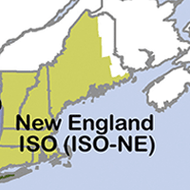
 |  |  | State | Assumed RTO/ISO | GHG-100 (kg/kWh)
GREET name | Short Greet Name | GHG-100 (kg/kWh) | Alabama | SERC | 0.46
Distributed - ASCC Mix | ASCC | 0.58 | Alaska | ASCC | 0.58
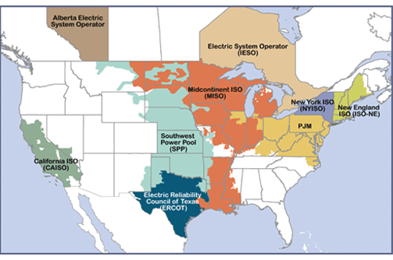
Distributed - CA Mix | CA | 0.22 | Arizona | WECC | 0.36
Distributed - FRCC Mix | FRCC | 0.50 | Arkansas | MISO | 0.66
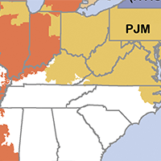
Distributed - HICC Mix | HICC | 0.90 | California | CA | 0.22
Distributed - MRO Mix | MISO | 0.66 | Colorado | WECC | 0.36
Distributed - NPCC Mix | NPCC | 0.26 | Connecticut | NPCC | 0.26
Distributed - RFC Mix | PJM | 0.47 | Delaware | PJM | 0.47
Distributed - SERC Mix | SERC | 0.46 | Florida | FRCC | 0.50
Distributed - SPP Mix | SPP | 0.55 | Georgia | SERC | 0.46
Distributed - TRE Mix | TRE | 0.47 | Hawaii | HICC | 0.90
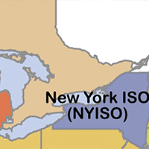
Distributed - WECC Mix | WECC | 0.36 | Idaho | WECC | 0.36
 |  |  | Illinois | MISO | 0.66
GREET name |  | D/ND ratio | Indiana | MISO | 0.66
Mix: Non Distributed - ASCC Mix | 0.55 | 1.055 | Iowa | MISO | 0.66
Mix: Non Distributed - CA Mix | 0.21 | 1.048 | Kansas | SPP | 0.55
Mix: Non Distributed - FRCC Mix | 0.48 | 1.042 | Kentucky |  | 0.46
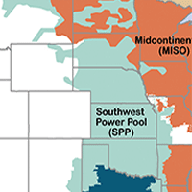
Mix: Non Distributed - HICC Mix | 0.86 | 1.047 | Louisiana |  | 0.56
Mix: Non Distributed - MISO (former MRO) Mix | 0.63 | 1.048 | Maine | NPCC | 0.26
Mix: Non Distributed - NPCC Mix | 0.25 | 1.040 | Maryland | PJM | 0.47
Mix: Non Distributed - PJM (former RFC) Mix | 0.45 | 1.044 | Massachusetts | NPCC | 0.26
Mix: Non Distributed - SERC Mix | 0.44 | 1.045 | Michigan | MISO | 0.66
Mix: Non Distributed - SPP Mix | 0.53 | 1.038 | Minnesota | MISO | 0.66
Mix: Non Distributed - TRE Mix | 0.45 | 1.044 | Mississippi | SERC | 0.46
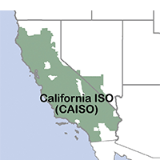
Mix: Non Distributed - WECC Mix | 0.35 | 1.029 | Missouri |  | 0.56
 |  |  | Montana | WECC | 0.36 |  | https://ferc.gov/electric/power-sales-and-markets/rtos-and-isos
 |  | 1.044 | Nebraska |  | 0.61
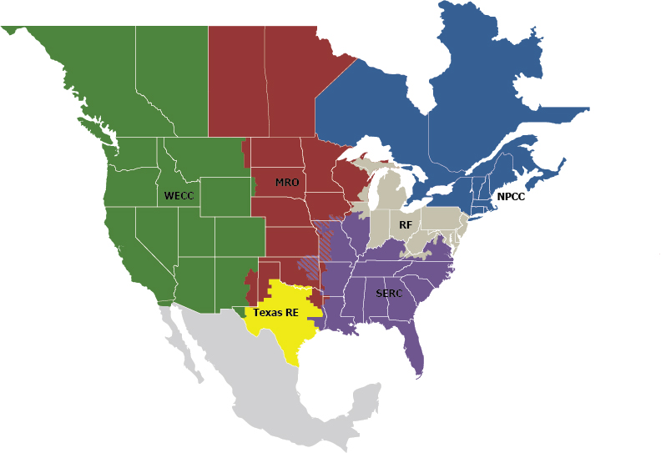
 |  |  | Nevada | WECC | 0.36
18000 | MWh/yr |  | New Hampshire | NPCC | 0.26
18000000 | kWh/yr |  | New Jersey | PJM | 0.47
 |  |  | New Mexico | WECC | 0.36
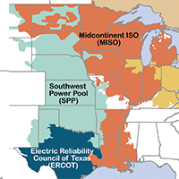
3960000 | kg/yr | CA | New York | NPCC | 0.26
16200000 | kg/yr | HI | North Carolina | SERC | 0.46
11880000 | kg/yr | IL | North Dakota |  | 0.61
 |  |  | Ohio | PJM | 0.47
350000000 | gal/yr |  | Oklahoma | SPP | 0.55
 |  |  | Oregon | WECC | 0.36
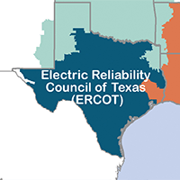
0.0113 | kg/gal | CA | Pennsylvania | PJM | 0.47
0.0463 | kg/gal | HI | Rhode Island | NPCC | 0.26
0.0339 | kg/gal | IL | South Carolina | SERC | 0.46
 |  |  | South Dakota |  | 0.61
 |  |  | Tennessee | SERC | 0.46
 |  |  | Texas | TRE | 0.47
 |  |  | Utah | WECC | 0.36
 |  |  | Vermont | NPCC | 0.26
 |  |  | Virginia | PJM | 0.47
 |  |  | Washington | WECC | 0.36 |  | https://www.nerc.com/AboutNERC/keyplayers/Pages/default.aspx
 |  |  | West Virginia | PJM | 0.47
 |  |  | Wisconsin | MISO | 0.66
 |  |  | Wyoming | WECC | 0.36
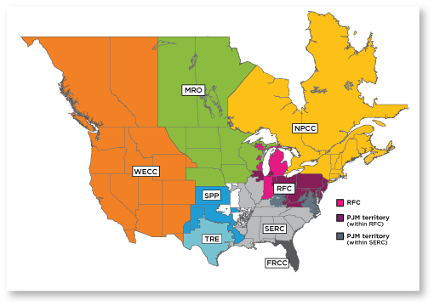

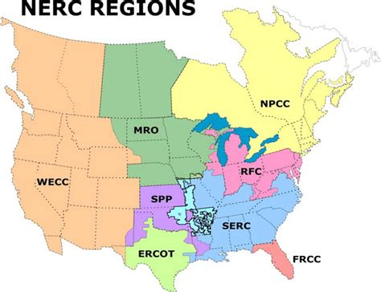

 |  |  |  |  |  |  |  | https://learn.pjm.com/pjm-structure/compliance.aspx

 |  |  |  |  |  | https://www.researchgate.net/figure/Regional-Reliability-Councils-of-the-NERC-ERCODElectric-Reliability-Council-of-Texas_fig6_230725630

