PAH_Standard
Data extracted from: Quantification of black carbon in marine systems using the benzene polycarboxylic acid method: a mechanistic and yield study
Link: | https://aslopubs.onlinelibrary.wiley.com/doi/abs/10.4319/lom.2011.9.140

 | PAH with a lower error regarding the expected value of BPCA
PAH | Structure | Carbon | % C | % C recovered | BPCA | BPCA types
 |  |  |  |  |  | B2CA-1,2 | B3CA-1 | B3CA-2 | B4CA-3 | B6CA
Anthracene |  | 14 | 94.4 | 24.2 | Experimental | 100
 |  |  |  |  | Expected | 66.7
Penanthrene |  | 14 | 94.4 | 23.7 | Experimental | 72.1 |  |  | 27.9
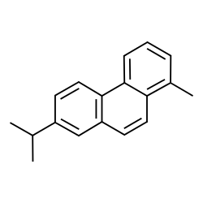
 |  |  |  |  | Expected | 66.7 |  |  | 33.3
Retene |  | 18 | 92.3 | 29.3 | Experimental |  | 31.2 | 31.2 | 35.4
 |  |  |  |  | Expected |  | 33.3 | 33.3 | 33.3
Chrysene |  | 18 | 94.7 | 21.5 | Experimental | 64.4 |  |  | 35.6
 |  |  |  |  | Expected | 50 |  |  | 50
Pyrene |  | 16 | 95 | 37 | Experimental |  |  | 18.8 | 79.3
 |  |  |  |  | Expected |  |  | 50 | 50
1-Nitropyrene |  | 16 | 77.4 | 36.1 | Experimental | 4 |  | 17.9 | 78.1
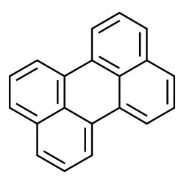
 |  |  |  |  | Expected |  |  | 50 | 50
Perylene |  | 20 | 95.2 | 22.5 | Experimental |  |  | 80.3 |  | 19.7
 |  |  |  |  | Expected |  |  | 80 |  | 20
Benzo[ghi]perylene | 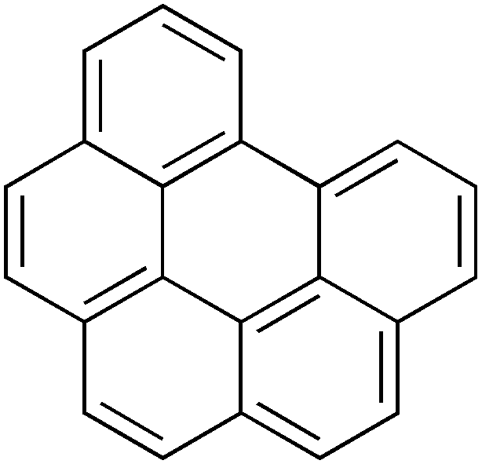 | 22 | 95.5 | 22.5 | Experimental |  |  | 6.9 | 53.1 | 40
 |  |  |  |  | Expected |  |  | 33.3 | 50 | 16.7
Coronene | 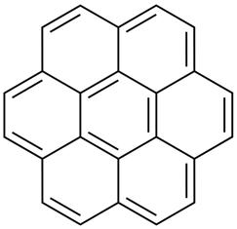 | 24 | 96 | 19.5 | Experimental |  |  |  | 67.4 | 32.6
 |  |  |  |  | Expected |  |  |  | 85.71 | 14.29
 |  |  | Average | 25.7

Method used by Ziolkowski et al., 2011
PAHs were digested (2 to 10 mg) with 2 ml concentrated nitric acid (grade ACS). The tubes were heated at 180°C in a high-pressure digestion apparatus. The diggestion was done for 8 h. Internal standard, biphenyl-2,2’-dicarboxylic acid (1 mg mL–1 in methanol) was added after freeze drying the samples.

Important conclusions from experimental results obtained by Ziolkowski et al., 2011
–No significant correlations were found between the carbon yield and the number of aromatic rings or the percentage of carbon in the PAH; thus they were not able to draw any conclusions as to how the type or size of PAH oxidized is related to the carbon yield.

–Aliphatic side chains of BC could be oxidized to carboxylic acids
–Smaller PAHs favor the formation of less substituted BPCAs, whereas larger PAHs, such as coronene, favor the formation of more fully substituted BPCAs.
– There seems to be no systematic pattern of oxidation, they could not accurately model the oxidation products.
–A linear regression of the difference between the expected and observed smaller BPCA percentage against the number of carbons in the PAH for all the non-pyrene PAHs had a positive slope with an r2 = 0.69. These results demonstrate that larger PAHs generally formed larger BPCAs than predicted from their stoichiometry.

BPCA
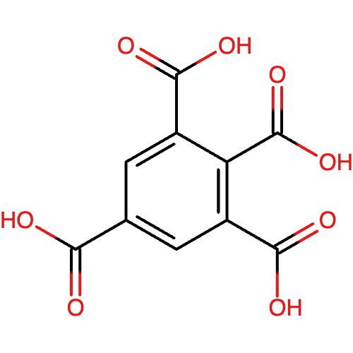
Acid Name | Phthalic Acid | Trimellitic Acid |  | Trimesic Acid | Hemimellitic Acid | Mellophanic Acid |  | Pyromellitic Acid | Prehnitic Acid | Benzenepentacarcoxylic acid | Mellitic acid
COOH position | B2CA-1,2 | B3CA-1,2,4 |  | B3CA-1,3,5 | B3CA-1,2,3 | B4CA-1,2,3,5 |  | B4CA-1,2,4,5 | B4CA-1,2,3,4 | B5CA | B6CA
Structure | 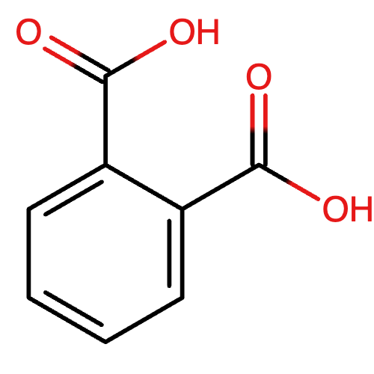 | 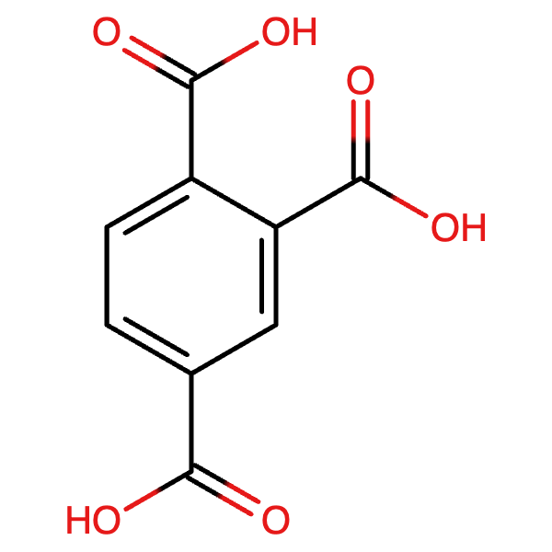 |  | 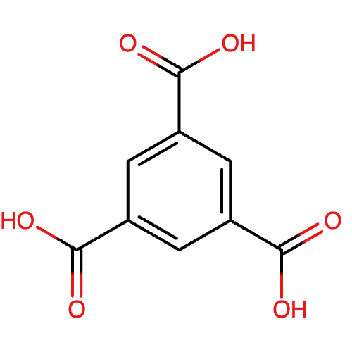 | 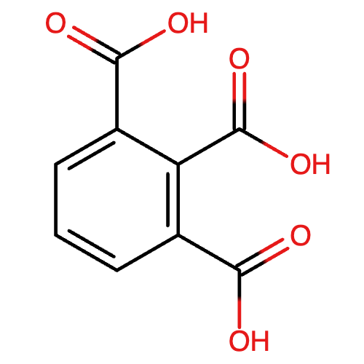 |  |  | 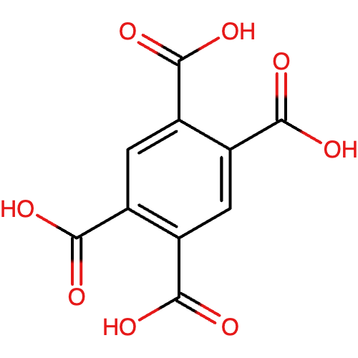 | 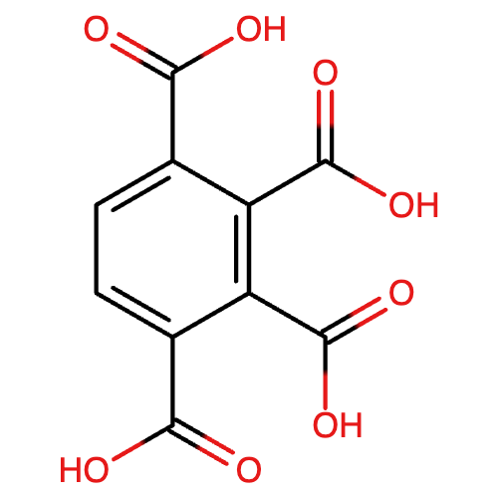 | 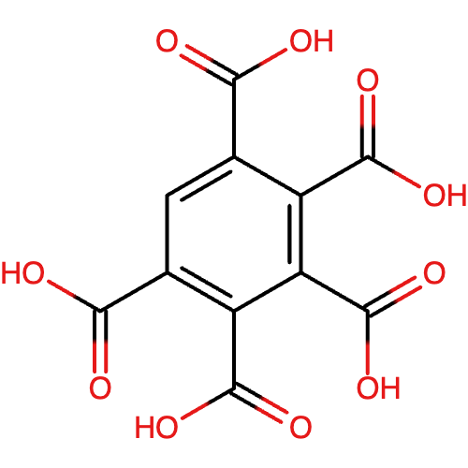 | 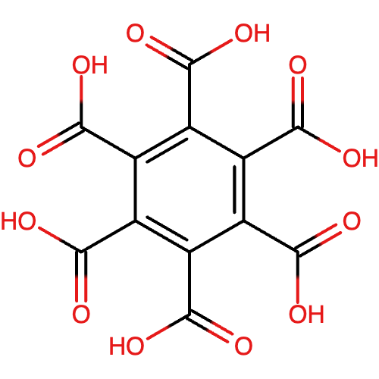
Reference Name | B2CA-1 | B3CA-1 | B2CA-1 | Not assigned | B3CA-2 | B3CA-3 | B4CA-1 | B4CA-2 | B4CA-3 | B5CA | B6CA
Explanation | Internal standard used | It can be this type when the 4 position was an aliphatic chain before the digestion | It can be this type when the 4 position was a COOH group that was before the digestion in the biochar | The probability of finding this type of structure is very low. | Most likely, it originates from a circular concatenation of PAH | It can be this type when the 5 position was a COOH group that was before the digestion in the biochar | It can be this type when the 5 position was an aliphatic chain that was before the digestion in the biochar | If they are found, most likely, they come from linear PAH bigger than anthracene. | Most likely, it originates from a circular concatenation of PAH. | Most likely, it originates from a circular concatenation of PAH. | Most likely, it originates from a circular concatenation of PAH.
Used in the molecular model? | No | Yes | Yes | No | Yes | Yes | Yes | Yes | Yes | Yes | Yes
Why? | B2CA structures are likely irrelevant due to the low amounts of these structures expected in biochar. However, they are included because BPCA results suggest their presence is mainly in low-temperature biochar. Trimellitic acid would be included as B2CA-1 because the 4- position would be an additional H to be removed to fit a functional group, either COOH or an aliphatic chain. |  |  | Exclude this structure from the B3CA pool because it does not reflect condensed aromatic sheets | This is a true B3CA | This is included in the model as B3CA-2 because the 5- position would be an additional H to be removed to fit a functional group, either COOH or an aliphatic chain. |  | This is a true B4CA | This is a true B4CA | This is a true B5CA | This is a true B6CA

Example for Mellophanic Acid

BPCA_Model_400
 | Note: Structures from 1 to 11 , such as pure PAH, are challenging to find in biochar. Still, as in subsequent processes in the methodology, they are modified with functional groups and cross-linked with other molecules, so their probability of being present is more feasible.

Aromatic structures
PAH | Molecule | Structure | Aromatic Carbon | Hydrogen | Ring Assign | B2CA-1 | B3CA-2 | B4CA-2 | B4CA-3 | B5CA | B6CA | F(X) Obtained from BPCA.py | Molecule (%) | Rings | Total C | Total H | Carbon (%) | Hydrogen (%) | Molecular Weight (Da)
0 | Benzene |  | 6 | 6 | 1
1 | Dibenzofuran |  | 13 | 10 | 2 | 1.000 | 0.000 | 0.000 | 0.000 | 0.000 | 0.000 | 0 | 0.00 | 0.00 | 0 | 0 | 0 | 0 | 166.2
2 | Phenalene |  | 13 | 10 | 3 | 0.000 | 1.000 | 0.000 | 0.000 | 0.000 | 0.000 | 4 | 5.13 | 3.00 | 52 | 40 | 1 | 2 | 166.2
3 | Phenanthrene |  | 14 | 10 | 3 | 0.667 | 0.000 | 0.000 | 0.333 | 0.000 | 0.000 | 0 | 0.00 | 0.00 | 0 | 0 | 0 | 0 | 178.2
4 | Anthracene |  | 14 | 10 | 3 | 1.000 | 0.000 | 0.000 | 0.000 | 0.000 | 0.000 | 0 | 0.00 | 0.00 | 0 | 0 | 0 | 0 | 178.2
5 | Tetracene |  | 18 | 12 | 4 | 0.500 | 0.000 | 0.500 | 0.000 | 0.000 | 0.000 | 0 | 0.00 | 0.00 | 0 | 0 | 0 | 0 | 228.3
6 | Pentacene |  | 22 | 14 | 5 | 0.400 | 0.000 | 0.600 | 0.000 | 0.000 | 0.000 | 10 | 12.82 | 5.00 | 220 | 140 | 5 | 8 | 278.4
7 | Pyrene |  | 16 | 10 | 4 | 0.000 | 0.500 | 0.000 | 0.500 | 0.000 | 0.000 | 0 | 0.00 | 0.00 | 0 | 0 | 0 | 0 | 202.3
8 | Chrysene |  | 18 | 12 | 4 | 0.500 | 0.000 | 0.000 | 0.500 | 0.000 | 0.000 | 0 | 0.00 | 0.00 | 0 | 0 | 0 | 0 | 228.3
9 | benzo(a)fluorene |  | 17 | 12 | 3 | 0.667 | 0.000 | 0.000 | 0.333 | 0.000 | 0.000 | 0 | 0.00 | 0.00 | 0 | 0 | 0 | 0 | 216.3
10 | Benzo(b)fluoranthene |  | 20 | 12 | 4 | 0.500 | 0.250 | 0.000 | 0.000 | 0.250 | 0.000 | 0 | 0.00 | 0.00 | 0 | 0 | 0 | 0 | 252.3
11 | benzo(b)fluorene |  | 17 | 12 | 3 | 0.667 | 0.000 | 0.000 | 0.333 | 0.000 | 0.000 | 0 | 0.00 | 0.00 | 0 | 0 | 0 | 0 | 216.3
12 | Coronene |  | 24 | 12 | 7 | 0.000 | 0.000 | 0.000 | 0.857 | 0.000 | 0.143 | 0 | 0.00 | 0.00 | 0 | 0 | 0 | 0 | 300.4
13 | Perylene |  | 20 | 12 | 5 | 0.000 | 0.800 | 0.000 | 0.000 | 0.000 | 0.200 | 0 | 0.00 | 0.00 | 0 | 0 | 0 | 0 | 252.3
14 | Benzo(a)pyrene |  | 20 | 12 | 5 | 0.200 | 0.200 | 0.000 | 0.400 | 0.200 | 0.000 | 0 | 0.00 | 0.00 | 0 | 0 | 0 | 0 | 252.3
15 | Benzo[g,h,i]perylene |  | 22 | 12 | 6 | 0.000 | 0.333 | 0.000 | 0.500 | 0.000 | 0.167 | 0 | 0.00 | 0.00 | 0 | 0 | 0 | 0 | 276.3
16 | Circumpyrene |  | 42 | 16 | 14 | 0.000 | 0.000 | 0.000 | 0.429 | 0.286 | 0.286 | 11 | 14.10 | 14.00 | 462 | 176 | 10 | 11 | 520.6
17 | Circumcoronene |  | 54 | 18 | 19 | 0.000 | 0.000 | 0.000 | 0.316 | 0.316 | 0.368 | 0 | 0.00 | 0.00 | 0 | 0 | 0 | 0 | 666.7
18 | Circumovalene |  | 66 | 20 | 24 | 0.000 | 0.000 | 0.000 | 0.250 | 0.333 | 0.417 | 0 | 0.00 | 0.00 | 0 | 0 | 0 | 0 | 812.9
19 | Pentatriacontaene |  | 70 | 22 | 25 | 0.000 | 0.080 | 0.000 | 0.080 | 0.480 | 0.360 | 53 | 67.95 | 25.00 | 3710 | 1166 | 79 | 70 | 862.9
20 | Circumcircumpyrene |  | 80 | 22 | 30 | 0.000 | 0.000 | 0.000 | 0.200 | 0.333 | 0.467 | 0 | 0.00 | 0.00 | 0 | 0 | 0 | 0 | 983.1
21 | C84 |  | 84 | 24 | 31 | 0.000 | 0.000 | 0.000 | 0.419 | 0.000 | 0.581 | 0 | 0.00 | 0.00 | 0 | 0 | 0 | 0 | 1033.1
22 | N5 |  | 19 | 11 | 5 | 0.000 | 0.400 | 0.000 | 0.400 | 0.200 | 0.000 | 12 | 15.38 | 5.00 | 228 | 132 | 5 | 8 | 239.3
23 | N8 |  | 27 | 14 | 8 | 0.000 | 0.125 | 0.000 | 0.500 | 0.250 | 0.125 | 0 | 0.00 | 0.00 | 0 | 0 | 0 | 0 | 338.4
24 | N9 |  | 30 | 15 | 9 | 0.000 | 0.222 | 0.000 | 0.333 | 0.222 | 0.222 | 0 | 0.00 | 0.00 | 0 | 0 | 0 | 0 | 375.5
25 | N10 |  | 33 | 17 | 10 | 0.000 | 0.300 | 0.000 | 0.200 | 0.200 | 0.300 | 0 | 0.00 | 0.00 | 0 | 0 | 0 | 0 | 413.5
26 | N11 |  | 36 | 19 | 11 | 0.000 | 0.364 | 0.000 | 0.091 | 0.182 | 0.364 | 0 | 0.00 | 0.00 | 0 | 0 | 0 | 0 | 451.5
27 | N12 |  | 39 | 21 | 12 | 0.000 | 0.417 | 0.000 | 0.000 | 0.167 | 0.417 | 0 | 0.00 | 0.00 | 0 | 0 | 0 | 0 | 489.6
28 | N13 |  | 42 | 23 | 13 | 0.000 | 0.462 | 0.000 | 0.000 | 0.000 | 0.538 | 0 | 0.00 | 0.00 | 0 | 0 | 0 | 0 | 527.6
29 | N14 |  | 44 | 22 | 14 | 0.000 | 0.286 | 0.000 | 0.214 | 0.000 | 0.500 | 0 | 0.00 | 0.00 | 0 | 0 | 0 | 0 | 550.7
30 | N15 |  | 46 | 21 | 15 | 0.000 | 0.200 | 0.000 | 0.267 | 0.067 | 0.467 | 0 | 0.00 | 0.00 | 0 | 0 | 0 | 0 | 573.7
31 | N16 |  | 48 | 21 | 16 | 0.000 | 0.125 | 0.000 | 0.313 | 0.125 | 0.438 | 0 | 0.00 | 0.00 | 0 | 0 | 0 | 0 | 597.7
32 | N17 |  | 50 | 19 | 17 | 0.000 | 0.059 | 0.000 | 0.353 | 0.176 | 0.412 | 0 | 0.00 | 0.00 | 0 | 0 | 0 | 0 | 619.7
33 | N18 |  | 52 | 18 | 18 | 0.000 | 0.000 | 0.000 | 0.389 | 0.222 | 0.389 | 0 | 0.00 | 0.00 | 0 | 0 | 0 | 0 | 642.7
 |  |  |  |  |  | 4.000 | 13.040 | 6.000 | 13.754 | 30.983 | 22.223 | 90 | 100.00 | 10.00 | 4672 | 1654
 |  |  |  |  | Sum BPCA | 90
 |  |  |  |  |  | B2CA-1 | B3CA-2 | B4CA-2 | B4CA-3 | B5CA | B6CA
 |  |  |  |  | Modelo | 0.0444 | 0.1449 | 0.0667 | 0.1528 | 0.3443 | 0.2469
 |  |  |  |  | Experimental | 0.0432 | 0.1493 | 0.0677 | 0.1533 | 0.3603 | 0.2262
 |  |  |  |  | Std error experimental | 0.0015 | 0.0380 | 0.0006 | 0.0422 | 0.0276 | 0.0446
 |  |  |  |  | Diference | 0.029 | 0.030 | 0.015 | 0.003 | 0.045 | 0.092

 |  |  |  |  | Average rings | 10
 |  |  |  |  | H/C (Exp) | 0.627 | BPCA contributes to pure aromatic H and C; the H/C ratio at this stage should be lower than the experimental ratio. The H/C will be adjusted later by incorporating more functional groups and ring defects
 |  |  |  |  | H/C expected model | 0.320
 |  |  |  |  | H/C (model) | 0.354
 |  |  |  |  | Diference | -0.034

 |  |  |  |  | Aproximate desired system | 10000
 |  |  |  |  | Aromatic C (Exp) | 0.5100 | You want an excess of aromatic C for the modification process
 |  |  |  |  | Aromatic C model | 0.5598

 | Model | Experiments
B2CA-1 | 0.0444 | 0.0432
B3CA-2 | 0.1449 | 0.1493
B4CA-2 | 0.0667 | 0.0677
B4CA-3 | 0.1528 | 0.1533
B5CA | 0.3443 | 0.3603
B6CA | 0.2469 | 0.2262

BPCA_Model_500
 | Note: Structures from 1 to 11 , such as pure PAH, are challenging to find in biochar. Still, as in subsequent processes in the methodology, they are modified with functional groups and cross-linked with other molecules, so their probability of being present is more feasible.

Aromatic structures
PAH | Molecule | Structure | Aromatic Carbon | Hydrogen | Ring Assign | B2CA-1 | B3CA-2 | B4CA-2 | B4CA-3 | B5CA | B6CA | F(X) Obtained from BPCA.py | Molecule (%) | Rings | Total C | Total H | Carbon (%) | Hydrogen (%) | Molecular Weight (Da)
0 | Benzene |  | 6 | 6 | 1
1 | Dibenzofuran |  | 13 | 10 | 2 | 1.000 | 0.000 | 0.000 | 0.000 | 0.000 | 0.000 | 0 | 0.00 | 0.00 | 0 | 0 | 0 | 0 | 166.2
2 | Phenalene |  | 13 | 10 | 3 | 0.000 | 1.000 | 0.000 | 0.000 | 0.000 | 0.000 | 3 | 3.19 | 3.00 | 39 | 30 | 1 | 1 | 166.2
3 | Phenanthrene |  | 14 | 10 | 3 | 0.667 | 0.000 | 0.000 | 0.333 | 0.000 | 0.000 | 0 | 0.00 | 0.00 | 0 | 0 | 0 | 0 | 178.2
4 | Anthracene |  | 14 | 10 | 3 | 1.000 | 0.000 | 0.000 | 0.000 | 0.000 | 0.000 | 0 | 0.00 | 0.00 | 0 | 0 | 0 | 0 | 178.2
5 | Tetracene |  | 18 | 12 | 4 | 0.500 | 0.000 | 0.500 | 0.000 | 0.000 | 0.000 | 0 | 0.00 | 0.00 | 0 | 0 | 0 | 0 | 228.3
6 | Pentacene |  | 22 | 14 | 5 | 0.400 | 0.000 | 0.600 | 0.000 | 0.000 | 0.000 | 10 | 10.64 | 5.00 | 220 | 140 | 4 | 7 | 278.4
7 | Pyrene |  | 16 | 10 | 4 | 0.000 | 0.500 | 0.000 | 0.500 | 0.000 | 0.000 | 0 | 0.00 | 0.00 | 0 | 0 | 0 | 0 | 202.3
8 | Chrysene |  | 18 | 12 | 4 | 0.500 | 0.000 | 0.000 | 0.500 | 0.000 | 0.000 | 0 | 0.00 | 0.00 | 0 | 0 | 0 | 0 | 228.3
9 | benzo(a)fluorene |  | 17 | 12 | 3 | 0.667 | 0.000 | 0.000 | 0.333 | 0.000 | 0.000 | 0 | 0.00 | 0.00 | 0 | 0 | 0 | 0 | 216.3
10 | Benzo(b)fluoranthene |  | 20 | 12 | 4 | 0.500 | 0.250 | 0.000 | 0.000 | 0.250 | 0.000 | 0 | 0.00 | 0.00 | 0 | 0 | 0 | 0 | 252.3
11 | benzo(b)fluorene |  | 17 | 12 | 3 | 0.667 | 0.000 | 0.000 | 0.333 | 0.000 | 0.000 | 0 | 0.00 | 0.00 | 0 | 0 | 0 | 0 | 216.3
12 | Coronene |  | 24 | 12 | 7 | 0.000 | 0.000 | 0.000 | 0.857 | 0.000 | 0.143 | 0 | 0.00 | 0.00 | 0 | 0 | 0 | 0 | 300.4
13 | Perylene |  | 20 | 12 | 5 | 0.000 | 0.800 | 0.000 | 0.000 | 0.000 | 0.200 | 2 | 2.13 | 5.00 | 40 | 24 | 1 | 1 | 252.3
14 | Benzo(a)pyrene |  | 20 | 12 | 5 | 0.200 | 0.200 | 0.000 | 0.400 | 0.200 | 0.000 | 0 | 0.00 | 0.00 | 0 | 0 | 0 | 0 | 252.3
15 | Benzo[g,h,i]perylene |  | 22 | 12 | 6 | 0.000 | 0.333 | 0.000 | 0.500 | 0.000 | 0.167 | 0 | 0.00 | 0.00 | 0 | 0 | 0 | 0 | 276.3
16 | Circumpyrene |  | 42 | 16 | 14 | 0.000 | 0.000 | 0.000 | 0.429 | 0.286 | 0.286 | 0 | 0.00 | 0.00 | 0 | 0 | 0 | 0 | 520.6
17 | Circumcoronene |  | 54 | 18 | 19 | 0.000 | 0.000 | 0.000 | 0.316 | 0.316 | 0.368 | 11 | 11.70 | 19.00 | 594 | 198 | 10 | 9 | 666.7
18 | Circumovalene |  | 66 | 20 | 24 | 0.000 | 0.000 | 0.000 | 0.250 | 0.333 | 0.417 | 3 | 3.19 | 24.00 | 198 | 60 | 3 | 3 | 812.9
19 | Pentatriacontaene |  | 70 | 22 | 25 | 0.000 | 0.080 | 0.000 | 0.080 | 0.480 | 0.360 | 62 | 65.96 | 25.00 | 4340 | 1364 | 71 | 64 | 862.9
20 | Circumcircumpyrene |  | 80 | 22 | 30 | 0.000 | 0.000 | 0.000 | 0.200 | 0.333 | 0.467 | 3 | 3.19 | 30.00 | 240 | 66 | 4 | 3 | 983.1
21 | C84 |  | 84 | 24 | 31 | 0.000 | 0.000 | 0.000 | 0.419 | 0.000 | 0.581 | 0 | 0.00 | 0.00 | 0 | 0 | 0 | 0 | 1033.1
22 | N5 |  | 19 | 11 | 5 | 0.000 | 0.400 | 0.000 | 0.400 | 0.200 | 0.000 | 0 | 0.00 | 0.00 | 0 | 0 | 0 | 0 | 239.3
23 | N8 |  | 27 | 14 | 8 | 0.000 | 0.125 | 0.000 | 0.500 | 0.250 | 0.125 | 7 | 7.45 | 8.00 | 189 | 98 | 3 | 5 | 338.4
24 | N9 |  | 30 | 15 | 9 | 0.000 | 0.222 | 0.000 | 0.333 | 0.222 | 0.222 | 3 | 3.19 | 9.00 | 90 | 45 | 1 | 2 | 375.5
25 | N10 |  | 33 | 17 | 10 | 0.000 | 0.300 | 0.000 | 0.200 | 0.200 | 0.300 | 1 | 1.06 | 10.00 | 33 | 17 | 1 | 1 | 413.5
26 | N11 |  | 36 | 19 | 11 | 0.000 | 0.364 | 0.000 | 0.091 | 0.182 | 0.364 | 2 | 2.13 | 11.00 | 72 | 38 | 1 | 2 | 451.5
27 | N12 |  | 39 | 21 | 12 | 0.000 | 0.417 | 0.000 | 0.000 | 0.167 | 0.417 | 0 | 0.00 | 0.00 | 0 | 0 | 0 | 0 | 489.6
28 | N13 |  | 42 | 23 | 13 | 0.000 | 0.462 | 0.000 | 0.000 | 0.000 | 0.538 | 0 | 0.00 | 0.00 | 0 | 0 | 0 | 0 | 527.6
29 | N14 |  | 44 | 22 | 14 | 0.000 | 0.286 | 0.000 | 0.214 | 0.000 | 0.500 | 0 | 0.00 | 0.00 | 0 | 0 | 0 | 0 | 550.7
30 | N15 |  | 46 | 21 | 15 | 0.000 | 0.200 | 0.000 | 0.267 | 0.067 | 0.467 | 0 | 0.00 | 0.00 | 0 | 0 | 0 | 0 | 573.7
31 | N16 |  | 48 | 21 | 16 | 0.000 | 0.125 | 0.000 | 0.313 | 0.125 | 0.438 | 0 | 0.00 | 0.00 | 0 | 0 | 0 | 0 | 597.7
32 | N17 |  | 50 | 19 | 17 | 0.000 | 0.059 | 0.000 | 0.353 | 0.176 | 0.412 | 2 | 2.13 | 17.00 | 100 | 38 | 2 | 2 | 619.7
33 | N18 |  | 52 | 18 | 18 | 0.000 | 0.000 | 0.000 | 0.389 | 0.222 | 0.389 | 0 | 0.00 | 0.00 | 0 | 0 | 0 | 0 | 642.7
 |  |  |  |  |  | 4.000 | 12.247 | 6.000 | 15.371 | 38.567 | 32.815 | 109 | 100.00 | 14.00 | 6155 | 2118
 |  |  |  |  | Sum BPCA | 109
 |  |  |  |  |  | B2CA-1 | B3CA-2 | B4CA-2 | B4CA-3 | B5CA | B6CA
 |  |  |  |  | Modelo | 0.0367 | 0.1124 | 0.0550 | 0.1410 | 0.3538 | 0.3011
 |  |  |  |  | Experimental | 0.0364 | 0.1105 | 0.0576 | 0.1421 | 0.3526 | 0.3008
 |  |  |  |  | Std error experimental | 0.0007 | 0.0060 | 0.0004 | 0.0044 | 0.0052 | 0.0055
 |  |  |  |  | Diference | 0.009 | 0.017 | 0.044 | 0.008 | 0.004 | 0.001

 |  |  |  |  | Average rings | 14
 |  |  |  |  | H/C (Exp) | 0.512 | BPCA contributes to pure aromatic H and C; the H/C ratio at this stage should be lower than the experimental ratio. The H/C will be adjusted later by incorporating more functional groups and ring defects
 |  |  |  |  | H/C expected model | 0.345
 |  |  |  |  | H/C (model) | 0.344
 |  |  |  |  | Diference | 0.000

 |  |  |  |  | Aproximate desired system | 10000
 |  |  |  |  | Aromatic C (Exp) | 0.6733 | You want an excess of aromatic C for the modification process
 |  |  |  |  | Aromatic C model | 0.7809

 | Model | Experimental BPCA
B2CA-1 | 0.0367 | 0.0364
B3CA-2 | 0.1124 | 0.1105
B4CA-2 | 0.0550 | 0.0576
B4CA-3 | 0.1410 | 0.1421
B5CA | 0.3538 | 0.3526
B6CA | 0.3011 | 0.3008

BPCA_Model_600
 | Note: Structures from 1 to 11 , such as pure PAH, are challenging to find in biochar. Still, as in subsequent processes in the methodology, they are modified with functional groups and cross-linked with other molecules, so their probability of being present is more feasible.

Aromatic structures
PAH | Molecule | Structure | Aromatic Carbon | Hydrogen | Ring Assign | B2CA-1 | B3CA-2 | B4CA-2 | B4CA-3 | B5CA | B6CA | F(X) Obtained from BPCA.py | Molecule (%) | Rings | Total C | Total H | Carbon (%) | Hydrogen (%) | Molecular Weight (Da)
0 | Benzene |  | 6 | 6 | 1
1 | Dibenzofuran |  | 13 | 10 | 2 | 1.000 | 0.000 | 0.000 | 0.000 | 0.000 | 0.000 | 0 | 0.00 | 0.00 | 0 | 0 | 0 | 0 | 166.2
2 | Phenalene |  | 13 | 10 | 3 | 0.000 | 1.000 | 0.000 | 0.000 | 0.000 | 0.000 | 0 | 0.00 | 0.00 | 0 | 0 | 0 | 0 | 166.2
3 | Phenanthrene |  | 14 | 10 | 3 | 0.667 | 0.000 | 0.000 | 0.333 | 0.000 | 0.000 | 0 | 0.00 | 0.00 | 0 | 0 | 0 | 0 | 178.2
4 | Anthracene |  | 14 | 10 | 3 | 1.000 | 0.000 | 0.000 | 0.000 | 0.000 | 0.000 | 0 | 0.00 | 0.00 | 0 | 0 | 0 | 0 | 178.2
5 | Tetracene |  | 18 | 12 | 4 | 0.500 | 0.000 | 0.500 | 0.000 | 0.000 | 0.000 | 0 | 0.00 | 0.00 | 0 | 0 | 0 | 0 | 228.3
6 | Pentacene |  | 22 | 14 | 5 | 0.400 | 0.000 | 0.600 | 0.000 | 0.000 | 0.000 | 5 | 5.56 | 5.00 | 110 | 70 | 2 | 3 | 278.4
7 | Pyrene |  | 16 | 10 | 4 | 0.000 | 0.500 | 0.000 | 0.500 | 0.000 | 0.000 | 0 | 0.00 | 0.00 | 0 | 0 | 0 | 0 | 202.3
8 | Chrysene |  | 18 | 12 | 4 | 0.500 | 0.000 | 0.000 | 0.500 | 0.000 | 0.000 | 0 | 0.00 | 0.00 | 0 | 0 | 0 | 0 | 228.3
9 | benzo(a)fluorene |  | 17 | 12 | 3 | 0.667 | 0.000 | 0.000 | 0.333 | 0.000 | 0.000 | 0 | 0.00 | 0.00 | 0 | 0 | 0 | 0 | 216.3
10 | Benzo(b)fluoranthene |  | 20 | 12 | 4 | 0.500 | 0.250 | 0.000 | 0.000 | 0.250 | 0.000 | 0 | 0.00 | 0.00 | 0 | 0 | 0 | 0 | 252.3
11 | benzo(b)fluorene |  | 17 | 12 | 3 | 0.667 | 0.000 | 0.000 | 0.333 | 0.000 | 0.000 | 0 | 0.00 | 0.00 | 0 | 0 | 0 | 0 | 216.3
12 | Coronene |  | 24 | 12 | 7 | 0.000 | 0.000 | 0.000 | 0.857 | 0.000 | 0.143 | 0 | 0.00 | 0.00 | 0 | 0 | 0 | 0 | 300.4
13 | Perylene |  | 20 | 12 | 5 | 0.000 | 0.800 | 0.000 | 0.000 | 0.000 | 0.200 | 0 | 0.00 | 0.00 | 0 | 0 | 0 | 0 | 252.3
14 | Benzo(a)pyrene |  | 20 | 12 | 5 | 0.200 | 0.200 | 0.000 | 0.400 | 0.200 | 0.000 | 0 | 0.00 | 0.00 | 0 | 0 | 0 | 0 | 252.3
15 | Benzo[g,h,i]perylene |  | 22 | 12 | 6 | 0.000 | 0.333 | 0.000 | 0.500 | 0.000 | 0.167 | 0 | 0.00 | 0.00 | 0 | 0 | 0 | 0 | 276.3
16 | Circumpyrene |  | 42 | 16 | 14 | 0.000 | 0.000 | 0.000 | 0.429 | 0.286 | 0.286 | 0 | 0.00 | 0.00 | 0 | 0 | 0 | 0 | 520.6
17 | Circumcoronene |  | 54 | 18 | 19 | 0.000 | 0.000 | 0.000 | 0.316 | 0.316 | 0.368 | 0 | 0.00 | 0.00 | 0 | 0 | 0 | 0 | 666.7
18 | Circumovalene |  | 66 | 20 | 24 | 0.000 | 0.000 | 0.000 | 0.250 | 0.333 | 0.417 | 10 | 11.11 | 24.00 | 660 | 200 | 10 | 9 | 812.9
19 | Pentatriacontaene |  | 70 | 22 | 25 | 0.000 | 0.080 | 0.000 | 0.080 | 0.480 | 0.360 | 28 | 31.11 | 25.00 | 1960 | 616 | 28 | 29 | 862.9
20 | Circumcircumpyrene |  | 80 | 22 | 30 | 0.000 | 0.000 | 0.000 | 0.200 | 0.333 | 0.467 | 47 | 52.22 | 30.00 | 3760 | 1034 | 54 | 48 | 983.1
21 | C84 |  | 84 | 24 | 31 | 0.000 | 0.000 | 0.000 | 0.419 | 0.000 | 0.581 | 0 | 0.00 | 0.00 | 0 | 0 | 0 | 0 | 1033.1
22 | N5 |  | 19 | 11 | 5 | 0.000 | 0.400 | 0.000 | 0.400 | 0.200 | 0.000 | 0 | 0.00 | 0.00 | 0 | 0 | 0 | 0 | 239.3
23 | N8 |  | 27 | 14 | 8 | 0.000 | 0.125 | 0.000 | 0.500 | 0.250 | 0.125 | 0 | 0.00 | 0.00 | 0 | 0 | 0 | 0 | 338.4
24 | N9 |  | 30 | 15 | 9 | 0.000 | 0.222 | 0.000 | 0.333 | 0.222 | 0.222 | 0 | 0.00 | 0.00 | 0 | 0 | 0 | 0 | 375.5
25 | N10 |  | 33 | 17 | 10 | 0.000 | 0.300 | 0.000 | 0.200 | 0.200 | 0.300 | 0 | 0.00 | 0.00 | 0 | 0 | 0 | 0 | 413.5
26 | N11 |  | 36 | 19 | 11 | 0.000 | 0.364 | 0.000 | 0.091 | 0.182 | 0.364 | 0 | 0.00 | 0.00 | 0 | 0 | 0 | 0 | 451.5
27 | N12 |  | 39 | 21 | 12 | 0.000 | 0.417 | 0.000 | 0.000 | 0.167 | 0.417 | 0 | 0.00 | 0.00 | 0 | 0 | 0 | 0 | 489.6
28 | N13 |  | 42 | 23 | 13 | 0.000 | 0.462 | 0.000 | 0.000 | 0.000 | 0.538 | 10 | 11.11 | 13.00 | 420 | 230 | 6 | 11 | 527.6
29 | N14 |  | 44 | 22 | 14 | 0.000 | 0.286 | 0.000 | 0.214 | 0.000 | 0.500 | 0 | 0.00 | 0.00 | 0 | 0 | 0 | 0 | 550.7
30 | N15 |  | 46 | 21 | 15 | 0.000 | 0.200 | 0.000 | 0.267 | 0.067 | 0.467 | 0 | 0.00 | 0.00 | 0 | 0 | 0 | 0 | 573.7
31 | N16 |  | 48 | 21 | 16 | 0.000 | 0.125 | 0.000 | 0.313 | 0.125 | 0.438 | 0 | 0.00 | 0.00 | 0 | 0 | 0 | 0 | 597.7
32 | N17 |  | 50 | 19 | 17 | 0.000 | 0.059 | 0.000 | 0.353 | 0.176 | 0.412 | 0 | 0.00 | 0.00 | 0 | 0 | 0 | 0 | 619.7
33 | N18 |  | 52 | 18 | 18 | 0.000 | 0.000 | 0.000 | 0.389 | 0.222 | 0.389 | 0 | 0.00 | 0.00 | 0 | 0 | 0 | 0 | 642.7
 |  |  |  |  |  | 2.000 | 6.855 | 3.000 | 14.140 | 32.440 | 41.565 | 100 | 100.00 | 19.00 | 6910 | 2150
 |  |  |  |  | Sum BPCA | 100
 |  |  |  |  |  | B2CA-1 | B3CA-2 | B4CA-2 | B4CA-3 | B5CA | B6CA
 |  |  |  |  | Modelo | 0.0200 | 0.0686 | 0.0300 | 0.1414 | 0.3244 | 0.4156
 |  |  |  |  | Experimental | 0.0201 | 0.0672 | 0.0345 | 0.1300 | 0.3249 | 0.4233
 |  |  |  |  | Std error experimental | 0.0008 | 0.0067 | 0.0015 | 0.0049 | 0.0074 | 0.0058
 |  |  |  |  | Diference | 0.004 | 0.021 | 0.132 | 0.087 | 0.002 | 0.018

 |  |  |  |  | Average rings | 19
 |  |  |  |  | H/C (Exp) | 0.366 | BPCA contributes to pure aromatic H and C; the H/C ratio at this stage should be lower than the experimental ratio. The H/C will be adjusted later by incorporating more functional groups and ring defects
 |  |  |  |  | H/C expected model | 0.301
 |  |  |  |  | H/C (model) | 0.311
 |  |  |  |  | Diference | -0.011

 |  |  |  |  | Aproximate desired system | 10000
 |  |  |  |  | Aromatic C (Exp) | 0.8200 | You want an excess of aromatic C for the modification process
 |  |  |  |  | Aromatic C model | 0.8803

 | Model | Experiments
B2CA-1 | 0.0200 | 0.0201
B3CA-2 | 0.0686 | 0.0672
B4CA-2 | 0.0300 | 0.0345
B4CA-3 | 0.1414 | 0.1300
B5CA | 0.3244 | 0.3249
B6CA | 0.4156 | 0.4233

BPCA_Model_700
 | Note: Structures from 1 to 11 , such as pure PAH, are challenging to find in biochar. Still, as in subsequent processes in the methodology, they are modified with functional groups and cross-linked with other molecules, so their probability of being present is more feasible.

Aromatic structures
PAH | Molecule | Structure | Aromatic Carbon | Hydrogen | Ring Assign | B2CA-1 | B3CA-2 | B4CA-2 | B4CA-3 | B5CA | B6CA | F(X) Obtained from BPCA.py | Molecule (%) | Rings | Total C | Total H | Carbon (%) | Hydrogen (%) | Molecular Weight (Da)
0 | Benzene |  | 6 | 6 | 1
1 | Dibenzofuran |  | 13 | 10 | 2 | 1.000 | 0.000 | 0.000 | 0.000 | 0.000 | 0.000 | 1 | 1.18 | 2.00 | 13 | 10 | 0 | 1 | 166.2
2 | Phenalene |  | 13 | 10 | 3 | 0.000 | 1.000 | 0.000 | 0.000 | 0.000 | 0.000 | 0 | 0.00 | 0.00 | 0 | 0 | 0 | 0 | 166.2
3 | Phenanthrene |  | 14 | 10 | 3 | 0.667 | 0.000 | 0.000 | 0.333 | 0.000 | 0.000 | 0 | 0.00 | 0.00 | 0 | 0 | 0 | 0 | 178.2
4 | Anthracene |  | 14 | 10 | 3 | 1.000 | 0.000 | 0.000 | 0.000 | 0.000 | 0.000 | 0 | 0.00 | 0.00 | 0 | 0 | 0 | 0 | 178.2
5 | Tetracene |  | 18 | 12 | 4 | 0.500 | 0.000 | 0.500 | 0.000 | 0.000 | 0.000 | 1 | 1.18 | 4.00 | 18 | 12 | 0 | 1 | 228.3
6 | Pentacene |  | 22 | 14 | 5 | 0.400 | 0.000 | 0.600 | 0.000 | 0.000 | 0.000 | 0 | 0.00 | 0.00 | 0 | 0 | 0 | 0 | 278.4
7 | Pyrene |  | 16 | 10 | 4 | 0.000 | 0.500 | 0.000 | 0.500 | 0.000 | 0.000 | 0 | 0.00 | 0.00 | 0 | 0 | 0 | 0 | 202.3
8 | Chrysene |  | 18 | 12 | 4 | 0.500 | 0.000 | 0.000 | 0.500 | 0.000 | 0.000 | 0 | 0.00 | 0.00 | 0 | 0 | 0 | 0 | 228.3
9 | benzo(a)fluorene |  | 17 | 12 | 3 | 0.667 | 0.000 | 0.000 | 0.333 | 0.000 | 0.000 | 0 | 0.00 | 0.00 | 0 | 0 | 0 | 0 | 216.3
10 | Benzo(b)fluoranthene |  | 20 | 12 | 4 | 0.500 | 0.250 | 0.000 | 0.000 | 0.250 | 0.000 | 0 | 0.00 | 0.00 | 0 | 0 | 0 | 0 | 252.3
11 | benzo(b)fluorene |  | 17 | 12 | 3 | 0.667 | 0.000 | 0.000 | 0.333 | 0.000 | 0.000 | 0 | 0.00 | 0.00 | 0 | 0 | 0 | 0 | 216.3
12 | Coronene |  | 24 | 12 | 7 | 0.000 | 0.000 | 0.000 | 0.857 | 0.000 | 0.143 | 0 | 0.00 | 0.00 | 0 | 0 | 0 | 0 | 300.4
13 | Perylene |  | 20 | 12 | 5 | 0.000 | 0.800 | 0.000 | 0.000 | 0.000 | 0.200 | 0 | 0.00 | 0.00 | 0 | 0 | 0 | 0 | 252.3
14 | Benzo(a)pyrene |  | 20 | 12 | 5 | 0.200 | 0.200 | 0.000 | 0.400 | 0.200 | 0.000 | 0 | 0.00 | 0.00 | 0 | 0 | 0 | 0 | 252.3
15 | Benzo[g,h,i]perylene |  | 22 | 12 | 6 | 0.000 | 0.333 | 0.000 | 0.500 | 0.000 | 0.167 | 0 | 0.00 | 0.00 | 0 | 0 | 0 | 0 | 276.3
16 | Circumpyrene |  | 42 | 16 | 14 | 0.000 | 0.000 | 0.000 | 0.429 | 0.286 | 0.286 | 0 | 0.00 | 0.00 | 0 | 0 | 0 | 0 | 520.6
17 | Circumcoronene |  | 54 | 18 | 19 | 0.000 | 0.000 | 0.000 | 0.316 | 0.316 | 0.368 | 0 | 0.00 | 0.00 | 0 | 0 | 0 | 0 | 666.7
18 | Circumovalene |  | 66 | 20 | 24 | 0.000 | 0.000 | 0.000 | 0.250 | 0.333 | 0.417 | 0 | 0.00 | 0.00 | 0 | 0 | 0 | 0 | 812.9
19 | Pentatriacontaene |  | 70 | 22 | 25 | 0.000 | 0.080 | 0.000 | 0.080 | 0.480 | 0.360 | 10 | 11.76 | 25.00 | 700 | 220 | 10 | 11 | 862.9
20 | Circumcircumpyrene |  | 80 | 22 | 30 | 0.000 | 0.000 | 0.000 | 0.200 | 0.333 | 0.467 | 68 | 80.00 | 30.00 | 5440 | 1496 | 81 | 78 | 983.1
21 | C84 |  | 84 | 24 | 31 | 0.000 | 0.000 | 0.000 | 0.419 | 0.000 | 0.581 | 5 | 5.88 | 31.00 | 420 | 120 | 6 | 6 | 1033.1
22 | N5 |  | 19 | 11 | 5 | 0.000 | 0.400 | 0.000 | 0.400 | 0.200 | 0.000 | 0 | 0.00 | 0.00 | 0 | 0 | 0 | 0 | 239.3
23 | N8 |  | 27 | 14 | 8 | 0.000 | 0.125 | 0.000 | 0.500 | 0.250 | 0.125 | 0 | 0.00 | 0.00 | 0 | 0 | 0 | 0 | 338.4
24 | N9 |  | 30 | 15 | 9 | 0.000 | 0.222 | 0.000 | 0.333 | 0.222 | 0.222 | 0 | 0.00 | 0.00 | 0 | 0 | 0 | 0 | 375.5
25 | N10 |  | 33 | 17 | 10 | 0.000 | 0.300 | 0.000 | 0.200 | 0.200 | 0.300 | 0 | 0.00 | 0.00 | 0 | 0 | 0 | 0 | 413.5
26 | N11 |  | 36 | 19 | 11 | 0.000 | 0.364 | 0.000 | 0.091 | 0.182 | 0.364 | 0 | 0.00 | 0.00 | 0 | 0 | 0 | 0 | 451.5
27 | N12 |  | 39 | 21 | 12 | 0.000 | 0.417 | 0.000 | 0.000 | 0.167 | 0.417 | 0 | 0.00 | 0.00 | 0 | 0 | 0 | 0 | 489.6
28 | N13 |  | 42 | 23 | 13 | 0.000 | 0.462 | 0.000 | 0.000 | 0.000 | 0.538 | 3 | 3.53 | 13.00 | 126 | 69 | 2 | 4 | 527.6
29 | N14 |  | 44 | 22 | 14 | 0.000 | 0.286 | 0.000 | 0.214 | 0.000 | 0.500 | 0 | 0.00 | 0.00 | 0 | 0 | 0 | 0 | 550.7
30 | N15 |  | 46 | 21 | 15 | 0.000 | 0.200 | 0.000 | 0.267 | 0.067 | 0.467 | 0 | 0.00 | 0.00 | 0 | 0 | 0 | 0 | 573.7
31 | N16 |  | 48 | 21 | 16 | 0.000 | 0.125 | 0.000 | 0.313 | 0.125 | 0.438 | 0 | 0.00 | 0.00 | 0 | 0 | 0 | 0 | 597.7
32 | N17 |  | 50 | 19 | 17 | 0.000 | 0.059 | 0.000 | 0.353 | 0.176 | 0.412 | 0 | 0.00 | 0.00 | 0 | 0 | 0 | 0 | 619.7
33 | N18 |  | 52 | 18 | 18 | 0.000 | 0.000 | 0.000 | 0.389 | 0.222 | 0.389 | 0 | 0.00 | 0.00 | 0 | 0 | 0 | 0 | 642.7
 |  |  |  |  |  | 1.500 | 2.185 | 0.500 | 16.497 | 27.467 | 39.852 | 88 | 100.00 | 18.00 | 6717 | 1927
 |  |  |  |  | Sum BPCA | 88
 |  |  |  |  |  | B2CA-1 | B3CA-2 | B4CA-2 | B4CA-3 | B5CA | B6CA
 |  |  |  |  | Modelo | 0.0170 | 0.0248 | 0.0057 | 0.1875 | 0.3121 | 0.4529
 |  |  |  |  | Experimental | 0.0178 | 0.0269 | 0.0074 | 0.0998 | 0.3099 | 0.5382
 |  |  |  |  | Std error experimental | 0.0034 | 0.0025 | 0.0020 | 0.0157 | 0.0544 | 0.0774
 |  |  |  |  | Diference | 0.042 | 0.076 | 0.235 | 0.878 | 0.007 | 0.159

 |  |  |  |  | Average rings | 18
 |  |  |  |  | H/C (Exp) | 0.264 | BPCA contributes to pure aromatic H and C; the H/C ratio at this stage should be lower than the experimental ratio. The H/C will be adjusted later by incorporating more functional groups and ring defects
 |  |  |  |  | H/C expected model | 0.206
 |  |  |  |  | H/C (model) | 0.287
 |  |  |  |  | Diference | -0.081

 |  |  |  |  | Aproximate desired system | 10000
 |  |  |  |  | Aromatic C (Exp) | 0.7800 | You want an excess of aromatic C for the modification process
 |  |  |  |  | Aromatic C model | 0.8320

 | Model | Experiments
B2CA-1 | 0.0170 | 0.0178
B3CA-2 | 0.0248 | 0.0269
B4CA-2 | 0.0057 | 0.0074
B4CA-3 | 0.1875 | 0.0998
B5CA | 0.3121 | 0.3099
B6CA | 0.4529 | 0.5382

