Sheet1
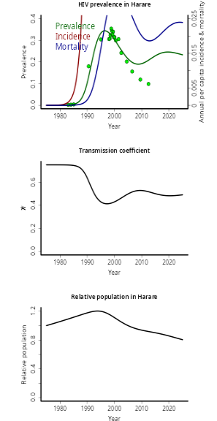
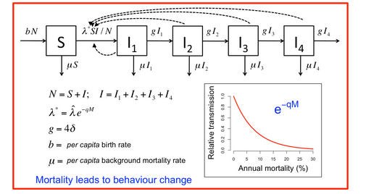
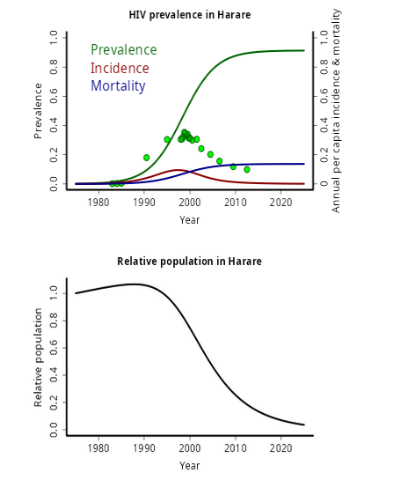
Model | lambda | loge(initial prev) | b | disease mort | all cause mort | rate of decline (a) | Inferences
cp | 0.45 | -6.5 | 0.026 | 0.15 | 0.019 |  | lambda influences slope of curve for prevalence. Initial prevalence relates to when the slope rises. b- incidence and prev lesser extent. Dis mort. Influences all curves

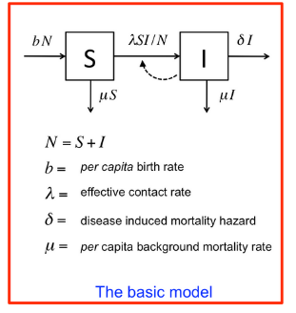

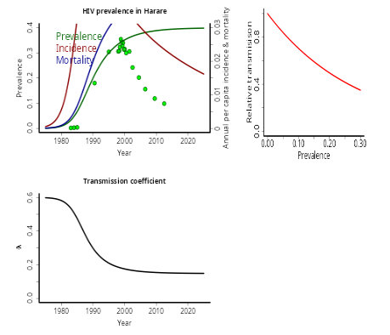
lambdaHat=lambda*exp(-a*I/N) | 0.6 |  | 0.029 |  |  | 3.5 | rate of decline (a) flattens curve but prevalence remains steady - does not account for reduction in prevalence
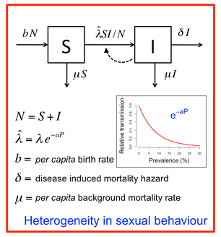

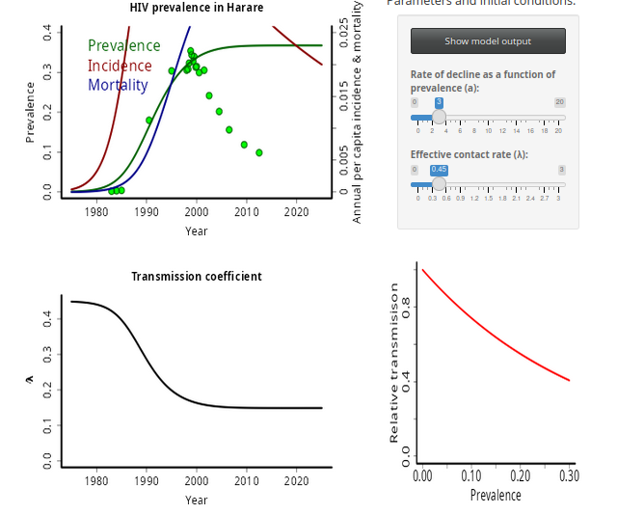
Boxcar
 | 0.45 |  |  |  |  | 3 | same as model 2
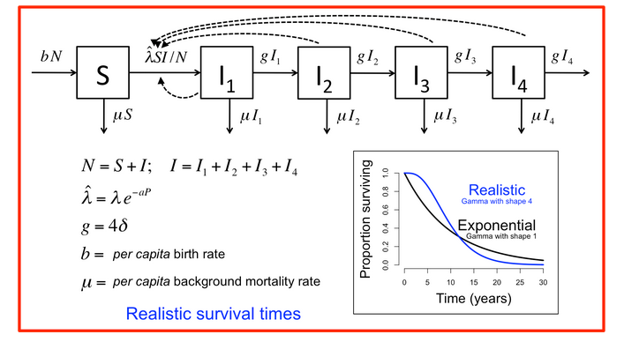

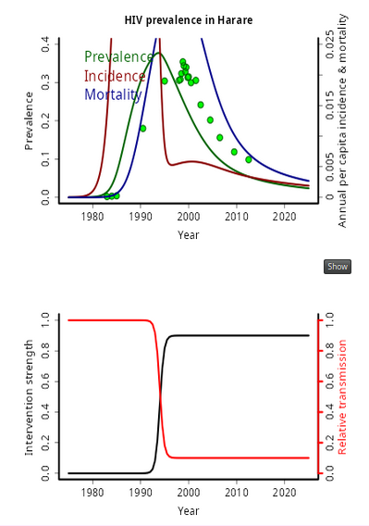
lambdaHat = lambda*exp(-a*I/N)
InvControl = min(1,1 – cMax/(1+exp(-cRate*(t-cHalf))))
FOI = invControl*lambdaHat*I/N | 0.95 | -11.5 |  |  |  | 4.5 | The best fit is if we set the effectiveness of intervention near 0.9, implementation rate at 2.3 with t-half at 1994.
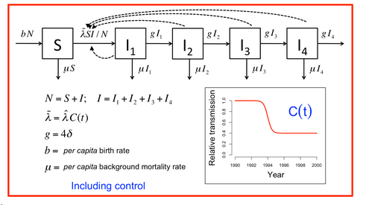

Fig 2A

MortResponse = exp(-q*g*I4/N)
FOI = mortResponse*lambdaHat*I/N | 0.75 | -12.5 |  |  |  | 1.54 | Effect of behaviour change in response to mort = 61. (So more realistic?). Was not able to decline prev. completely

