Sheet1
Options | Value
Frame_Shift_Del | red | Mutation Colors |  | Color guide
Frame_Shift_Ins | orange |  | Group type | Categorical |  | Continuous
Frame_Shift_Indel | #A6CEE3 |  | Group name | Group | Response | Age | BMI
Splice_Site | blue |  | color1 | cadetblue1 | coral | lemonchiffon | lavenderblush
Nonsense_Mutation | brown |  | color2 | dodgerblue | lightpink | lightgoldenrod | lightpink
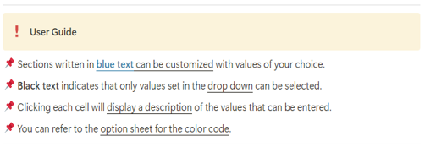
In_Frame_Del | darkblue |  | color3 |  | mediumpurple1
In_Frame_Ins | #E31A1C |  | color4 |  | peachpuff
In_Frame_Indel | #B2DF8A |  | color5 |  | indianred1
Missense_Mutation | forestgreen |  | color6
Multi_Hit | black |  | color7
Translation_Start_Site | yellow |  | color8
Nonstop_Mutation | slategray1 |  | color9
Start_Codon_Del | deeppink |  | color10
Stop_Codon_Del | snow4
Duplication | slateblue1 |  | #Before you run
Intron_variant | slategrey |  | !! Do not change the Excel format !!
5'_UTR_variant | goldenrod |  | !! The annotation information must be saved as "Clinical_annotation.txt" !!
3'_UTR_variant | MediumAquamarine |  | !! The column name corresponding to the sample information in "Clinical_annotation.txt" must be "Tumor_Sample_Barcode" !!
Promoter_variant | Tomato
Copy_Number_Gain | mediumpurple | CNV Colors
Copy_Number_Loss | darkorange
Translocation | lightseagreen
Inversion | turquoise
Whole_gene_deletion | orchid
Partial_gene_deletion | lightcoral
fontSize | 0.5 | Oncoplot Options
cBioPortal | yes
removeNonMutated | yes
writeMatrix | yes
showTumorSampleBarcodes | no
sample_cluster_by | no
sample_cluster_order | no
annotation_border | yes
VAF plot | no
Plot title | Oncoprint
Top gene | 50

options
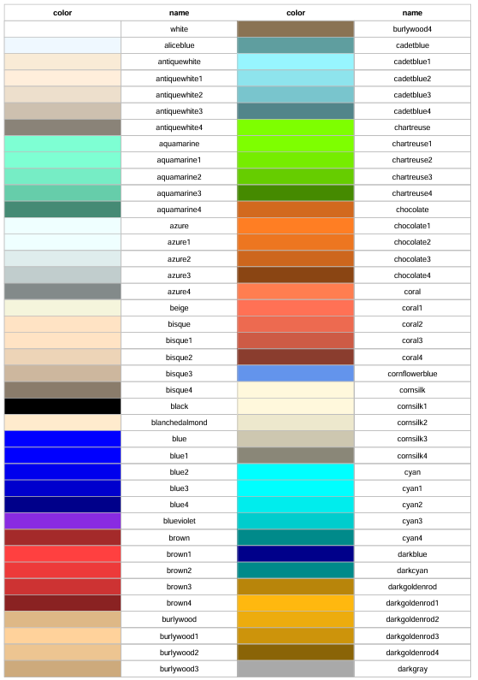
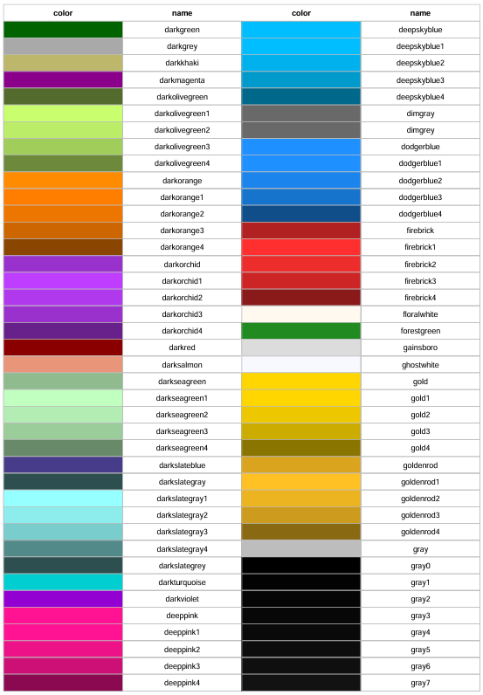
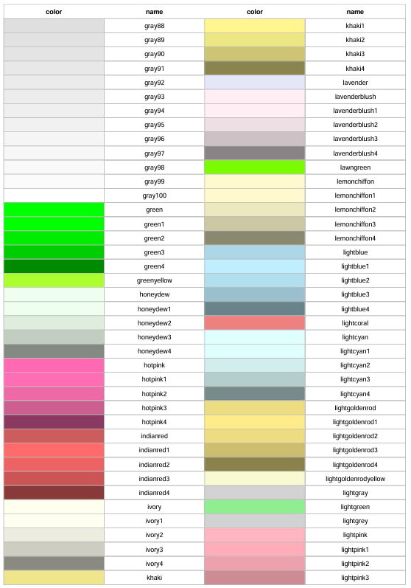
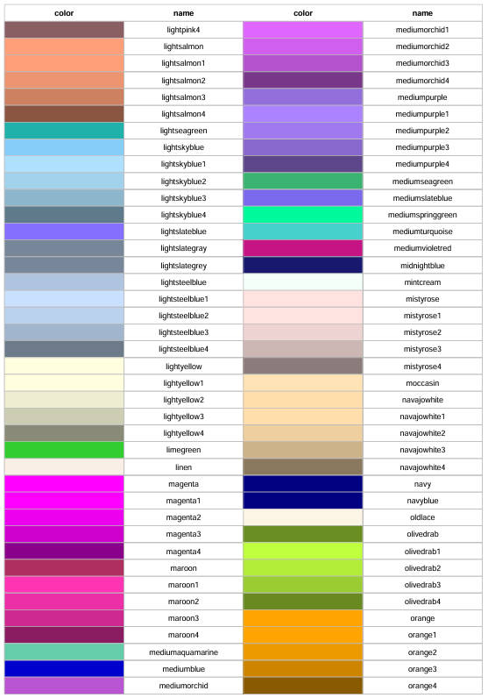
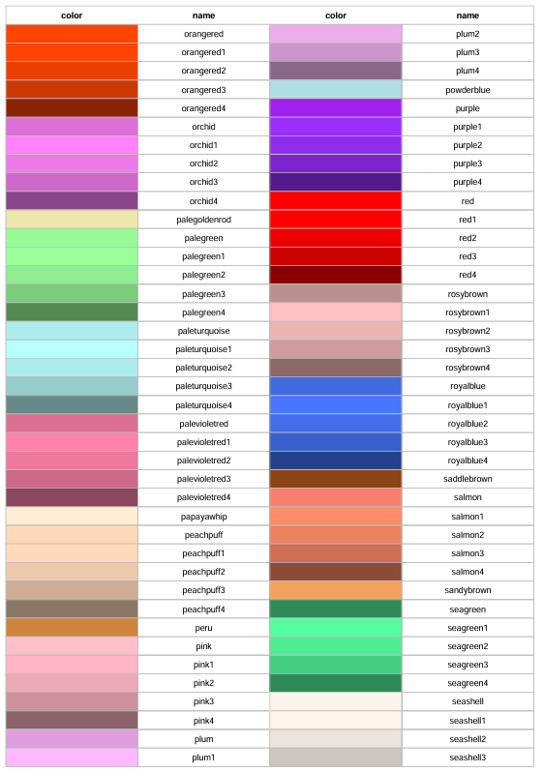
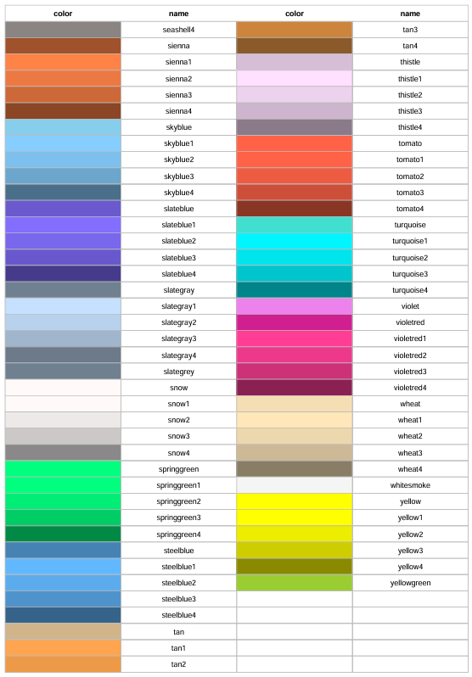
#Color Code

