Sheet1
Options | Value
Frame_Shift_Del | red | Mutation Colors |  | Color guide
Frame_Shift_Ins | orange |  | Group type | Categorical |  | Continuous
Frame_Shift_Indel | #A6CEE3 |  | Group name | Group | Response | Age | BMI
Splice_Site | blue |  | color1 | cadetblue1 | coral | lemonchiffon | lavenderblush
Nonsense_Mutation | brown |  | color2 | dodgerblue | lightpink | lightgoldenrod | lightpink
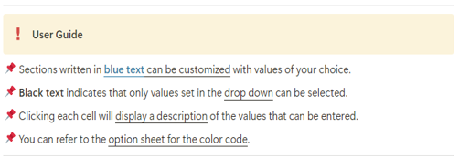
In_Frame_Del | darkblue |  | color3 |  | mediumpurple1
In_Frame_Ins | #E31A1C |  | color4 |  | peachpuff
In_Frame_Indel | #B2DF8A |  | color5 |  | indianred1
Missense_Mutation | forestgreen |  | color6
Multi_Hit | black |  | color7
Translation_Start_Site | yellow |  | color8
Nonstop_Mutation | slategray1 |  | color9
Start_Codon_Del | deeppink |  | color10
Stop_Codon_Del | snow4
Duplication | slateblue1 |  | #Before you run
Intron_variant | slategrey |  | !! Do not change the Excel format !!
fontSize | 0.5 | Oncoplot Options | !! The annotation information must be saved as "Clinical_annotation.txt" !!
cBioPortal | yes |  | !! The column name corresponding to the sample information in "Clinical_annotation.txt" must be "Tumor_Sample_Barcode" !!
removeNonMutated | yes
writeMatrix | yes
showTumorSampleBarcodes | no
sample_cluster_by | Group
sample_cluster_order | no
annotation_border | yes
VAF plot | yes
Plot title | Oncoprint
Top gene | 20

options
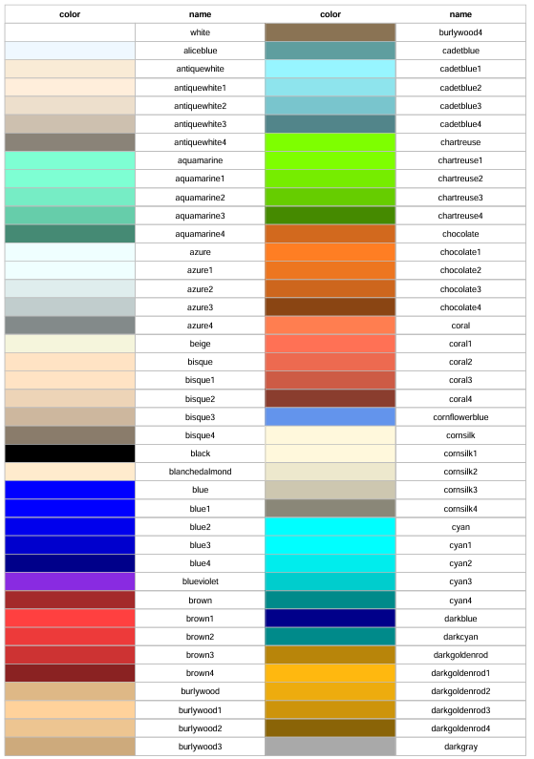
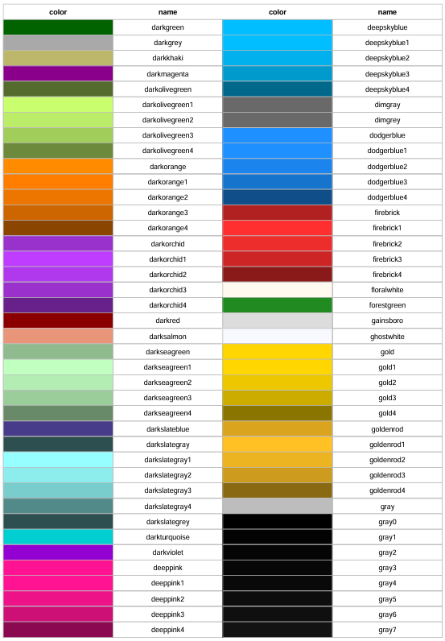
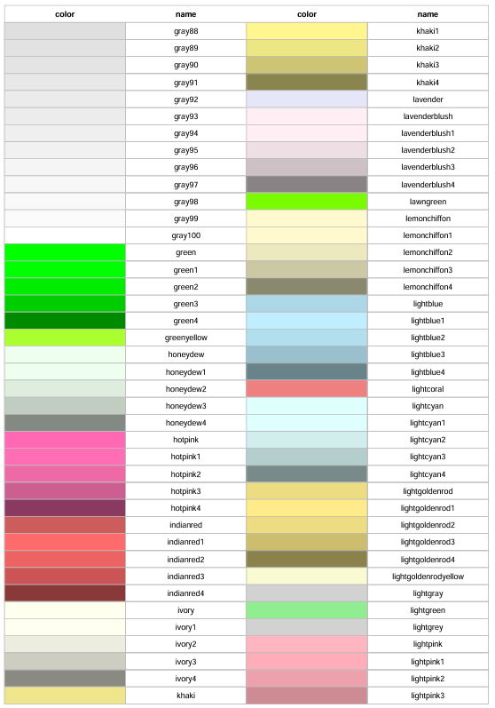
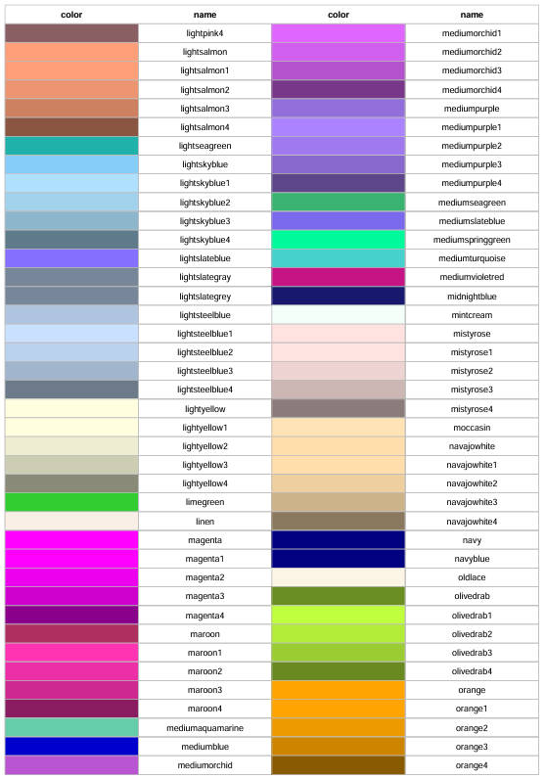
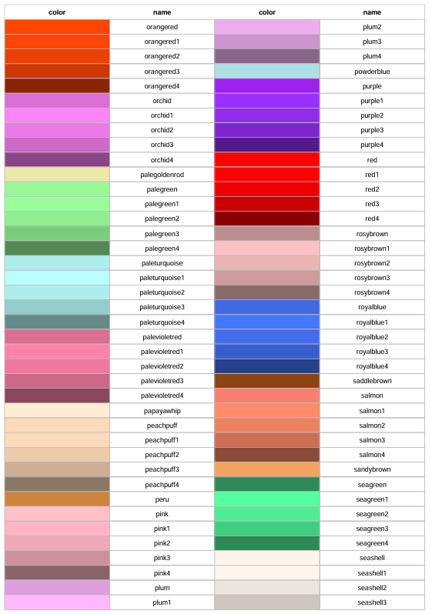
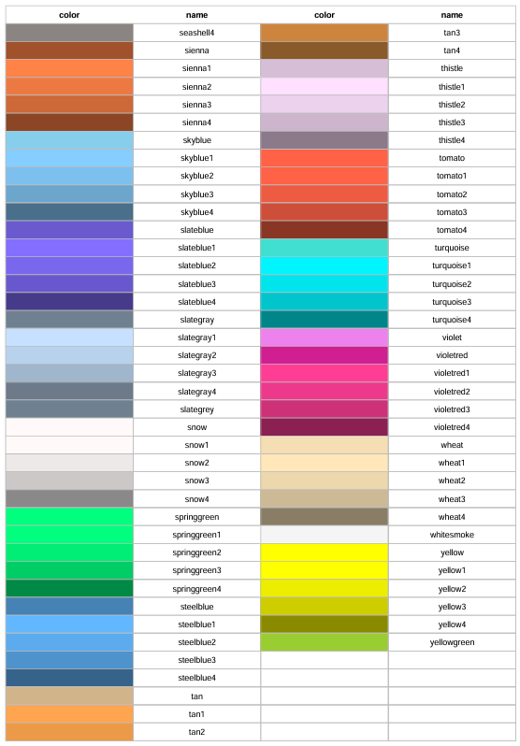
cBioPortal | removeNonMutated | writeMatrix | showTumorSampleBarcodes | sample_cluster_by | annotation_border | VAF plot
yes | yes | yes | yes | no | yes | yes
no | no | no | no |  | no | no

#Color Code

