Sheet1
Options | Value
Frame_Shift_Del | red |  | Color guide
Frame_Shift_Ins | orange | Group type | Categorical |  | Continuous
Splice_Site | blue | Group name | Group | Response | Age | BMI
Nonsense_Mutation | brown | color1 | cadetblue1 | coral | lemonchiffon | lavenderblush
In_Frame_Del | darkblue | color2 | dodgerblue | lightpink | lightgoldenrod | lightpink
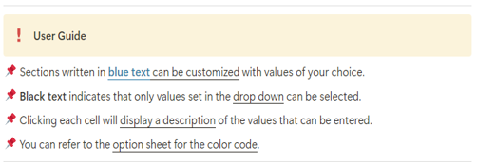
In_Frame_Ins | #E31A1C | color3 |  | mediumpurple1
Missense_Mutation | forestgreen | color4 |  | peachpuff
Multi_Hit | black | color5 |  | indianred1
Translation_Start_Site | yellow | color6
Nonstop_Mutation | slategray1 | color7
Start_Codon_Del | deeppink | color8
Stop_Codon_Del | snow4 | color9
Duplication | slateblue1 | color10
Intron_variant | slategrey
SampleNamefontSize | 1 | #Before you run
cBioPortal | TRUE | !! Do not change the Excel format !!
removeNonMutated | TRUE | !! The annotation information must be saved as "Clinical_annotation.txt" !!
writeMatrix | TRUE | !! The column name corresponding to the sample information in "Clinical_annotation.txt" must be "Tumor_Sample_Barcode" !!
showTumorSampleBarcodes | FALSE
sample_cluster_by | Group
Plot output | pdf
VAF plot | yes
Plot title | Oncoprint
Top gene | All

options
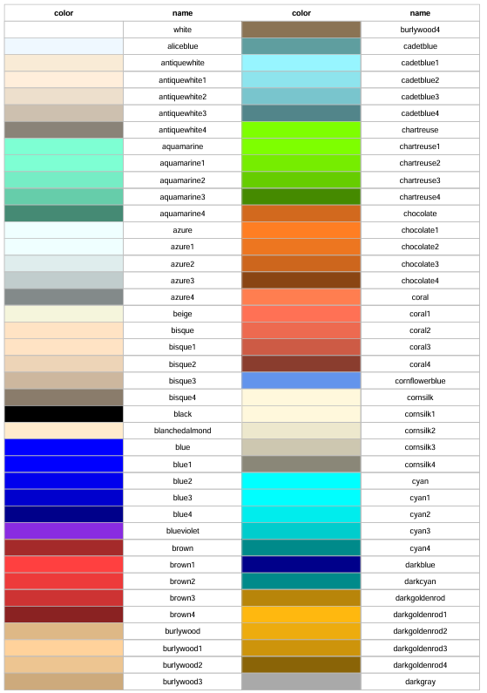
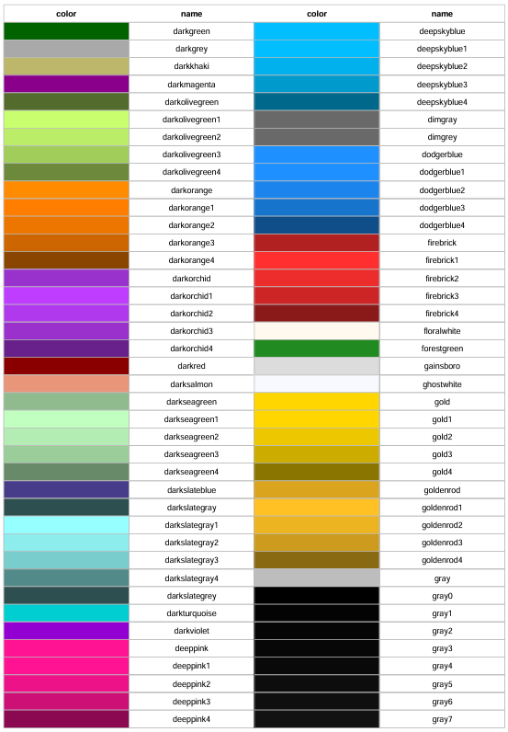
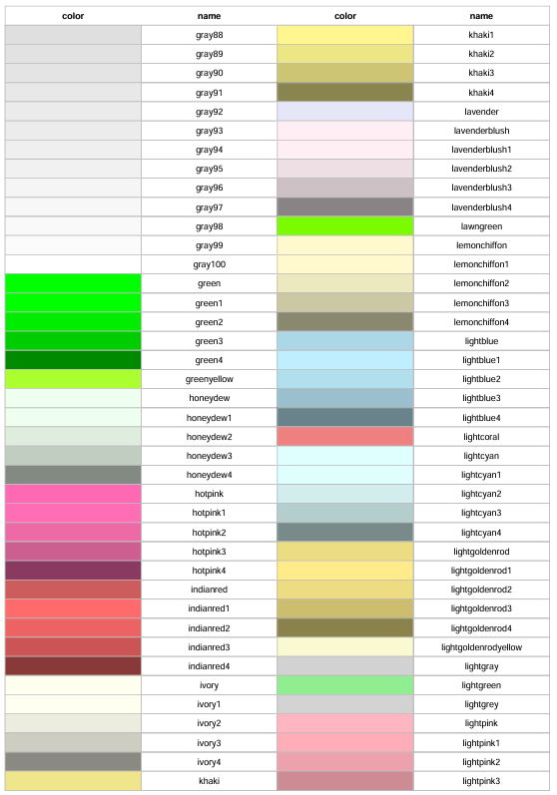
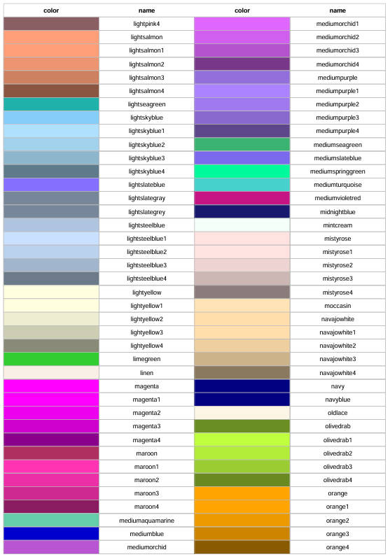
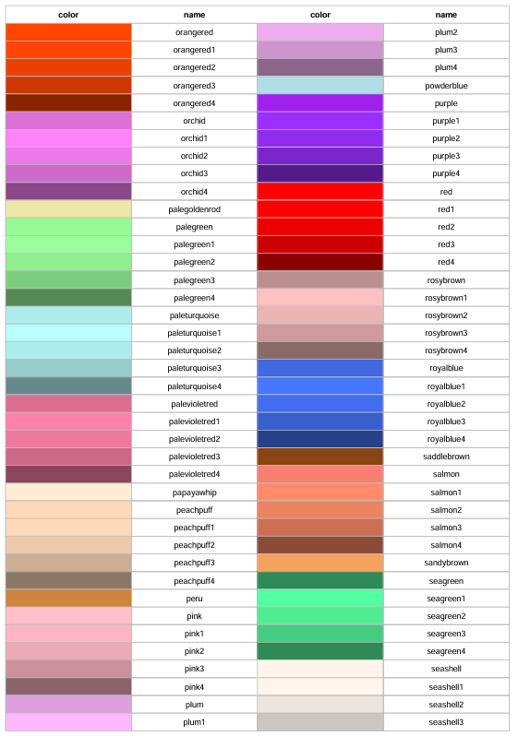
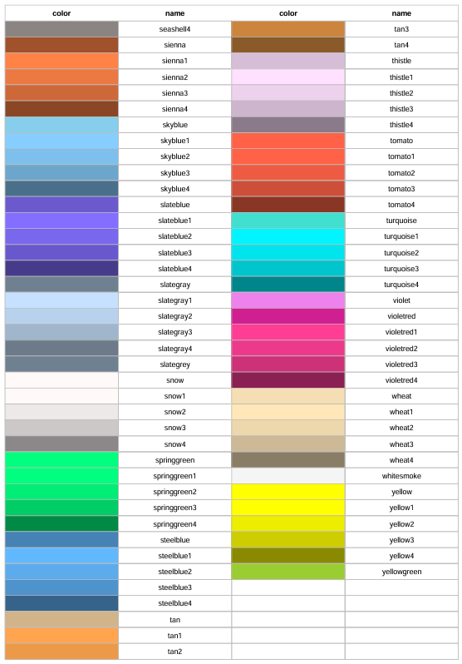
#Color Code

