Status Dashboard
Project Org Chart
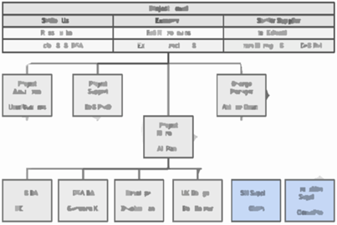
 |  |  | Project Name: XXXXXX |  |  |  |  |  |  |  |  |  |  |  |  | Project Manager: XXXXXXX
 |  |  | Reference: XXXXXXXXXXXXXXXXXXXXXX |  |  |  |  |  |  |  |  |  |  |  |  | Report Date: DD-MMM-YYYY
 |  |  | Latest pubished copy of this dashboard is available at: |  |  |  |  |  |  |  |  |  | https://xxxxxxxxxxxxxxxxxxxxx
 |  |  | Project Introduction & Objectives: xxxxxxxxxxxxxxxxxxxxxxxxxxxxxxxxxxxxx xxxxxxxxxxxxxxxxxxxxxxxxxxxxxxxxxxxxxxxxxxxxxxx xxxxxxxxxxxxxxxxxxxxxxxxxxxxxxxxxxxxxxxxxxxxxxxxxxxx

Project
Objectives |  |  |  | Major tasks | Dpcy. | Schedule |  |  |  |  |  |  |  |  |  |  |  |  |  |  |  |  |  |  |  |  |  |  |  |  |  |  |  |  |  |  | Owners & helpers
 |  |  |  |  |  | MMM |  | MMM |  |  |  | MMM |  |  |  |  | MMM |  |  |  | MMM |  |  |  | MMM |  |  |  |  | MMM |  |  |  | MMM |  |  | PM | CHGM | SA | BA | DEV | UX | Vendor
 |  |  |  | Focus of current running week | W/E: | dd | dd | dd | dd | dd | dd | dd | dd | dd | dd | dd | dd | dd | dd | dd | dd | dd | dd | dd | dd | dd | dd | dd | dd | dd | dd | dd | dd | dd | dd | dd
 |  |  |  | Definition phase |  |  |  |  |  |  |  |  |  |  |  |  |  |  |  |  |  |  |  |  |  |  |  |  |  |  |  |  |  |  |  |  |  |  |  |  |  |  |  |  | Wingdings key strokes |  |  | Stencil key strokes |  |  | Notes to help maintain this dashboard: 1. All symbols except Currency (for cost) use Wingdings font. Currency symbol use Stencil font. Symbols could be inserted from Insert->Symbol menu or looking up key stroke tables. 2. Project constraint triangle is provided outside the print area as excel built-in smart art, once you color the triangles as needed, copy as paste the triangle as an 'image' into the print area. 3. Progressive costs are tracked using linked sparklines that auto update based on data entry table provided 4. For any help, please use Github repo at https://github.com/ranaalisaeed/project-management-dashboard.git
 |  |  | 1 |  |  |  |  |  |  |  |  |  |  |  |  |  |  |  |  |  |  |  |  |  |  |  |  |  |  |  |  |  |  |  |  |  | A | B |  |  |  |  |  |  | ml | ml |  | $ | $
 |  |  | 2 |  |  |  |  |  |  |  |  |  |  |  |  |  |  |  |  |  |  |  |  |  |  |  |  |  |  |  |  |  |  |  |  |  |  | C | A | B |  |  |  |  | on | on
 |  |  | 3 |  |  |  |  |  |  |  |  |  |  |  |  |  |  |  | u | u |  |  |  |  |  |  |  |  |  |  |  |  |  |  |  |  | A | C | C | B |  |  |  |  | PO | PO
 |  |  | 4 |  |  |  |  |  |  |  |  |  |  |  |  |  |  | u |  |  |  |  |  |  |  |  |  |  |  |  |  |  |  |  |  |  |  |  | A | B |  |  |  |  | u | u
Fixed note
 |  |  | 5 |  |  |  |  |  |  |  |  |  |  |  |  |  |  | 6 |  |  |  |  |  |  |  |  |  |  |  |  |  |  |  |  |  |  | C | A | B |  |  |  |  |  | z | z
 |  |  |  |  |  |  |  |  |  |  |  |  |  |  |  |  |  | u |  |  |  |  |  |  |  |  |  |  |  |  |  |  |  |  |  |  | C | B |  | A |  |  |  |  | 6 | 6
 |  |  |  | Design & artefacts phase |  |  |  |  |  |  |  |  |  |  |  |  |  |  |  |  |  |  |  |  |  |  |  |  |  |  |  |  |  |  |  |  |  |  |  |  |  |  |  |  | v | v
Fixed note
temp action note
 |  | l | 7 |  |  |  |  |  |  |  |  |  |  |  |  |  | 6 | 6 |  |  |  |  |  |  |  |  |  |  |  |  |  |  |  |  |  |  | C | B | A | B |  |  |  |  | l | l
temp action note
 |  | l | 8 |  |  |  |  |  |  |  |  |  |  |  |  |  |  | 6 |  |  |  |  |  |  |  |  |  |  |  |  |  |  |  |  |  |  | C |  | B | A |  | B |  |  | l | l
 |  |  | 9 |  |  |  |  |  |  |  |  |  |  |  |  |  | 6 | 6 | 6 |  |  |  |  |  |  |  |  |  |  |  |  |  |  |  |  |  |  |  | A | A | B | C |  |  | o | o
l | l |  | 10 |  |  |  |  |  |  |  |  |  |  |  |  |  |  |  | 6 |  | 6 |  |  |  |  |  |  |  |  |  |  |  |  |  |  |  |  |  | C | B |  | A |  |  | ALT+0168 | ¨
Fixed note
temp action note
 |  | m | 11 |  |  |  |  |  |  |  |  |  |  |  |  |  |  |  |  |  | 6 |  |  |  |  |  |  |  |  |  |  |  |  |  |  |  | B | A | B | B | C |  | B |  | ALT+0251 | û
Fixed note
 |  |  | 12 |  |  |  |  |  |  |  |  |  |  |  |  |  |  |  |  |  |  | 6 | 6 | 6 |  |  |  |  |  |  |  |  |  |  |  |  | A |  | B | B |  |  | B |  | ALT+0252 | ü
Fixed note
 |  |  | 13 |  |  |  |  |  |  |  |  |  |  |  |  |  |  |  |  |  |  | 6 | 6 |  |  |  |  |  |  |  |  |  |  |  |  |  |  |  | C | C | B |  | A |  | ALT+0253 | ý
temp action note
 |  |  | 14 |  |  |  |  |  |  |  |  |  |  |  |  |  |  |  |  |  |  |  |  |  |  |  |  |  |  |  |  |  |  |  |  |  |  |  | A | A | B |  | C |  | ALT+0254 | þ
Fixed note
Fixed note
 |  | m |  |  |  |  |  |  |  |  |  |  |  |  |  |  |  |  |  |  |  |  |  |  |  |  |  | u |  |  |  |  |  |  |  |  |  | B | A | A | C
 |  |  |  | Implementation phase
 | m |  | 15 |  |  |  |  |  |  |  |  |  |  |  |  | 6 | 6 | 6 | 6 |  |  | 6 | 6 | v | v |  |  |  |  |  |  |  |  |  |  |  |  | B | C | C | A |  |  | Progressive Cost data entry table
Fixed note
temp action note
 | m |  | 16 |  |  |  |  |  |  |  |  |  |  |  |  |  |  |  |  |  |  | 6 | 6 | v | v |  |  |  |  |  |  |  |  |  |  |  |  |  | B | C | A | B |  | Month | w/e | Forecast | Actual
 | m |  | 17 |  |  |  |  |  |  |  |  |  |  |  |  |  |  |  |  |  |  |  | 6 | v | v |  |  |  |  |  |  |  |  |  |  |  |  | A | C |  | B |  |  | mmm | dd/mm/yy | 3412.5 | 1629.5
temp action note
 | m |  | 18 |  |  |  |  |  |  |  |  |  |  |  |  |  |  |  |  |  |  |  |  |  |  |  | u |  |  |  |  |  |  |  |  |  |  |  | C |  | A | A |  | mmm | dd/mm/yy | 7477.5 | 1961.75
m | m |  | 19 |  |  |  |  |  |  |  |  |  |  |  |  |  |  |  |  |  |  |  |  |  |  |  |  |  | u |  |  |  |  |  |  |  |  |  | C | B | C |  | A |  | dd/mm/yy | 7477.5 | 3199.5
 |  | m | 20 |  |  |  |  |  |  |  |  |  |  |  |  |  |  |  |  |  |  |  |  |  |  |  |  |  |  | u |  |  |  |  |  |  |  |  | B | C | C |  | A |  | dd/mm/yy | 7477.5 | 2379.75
Fixed note
m |  |  | 21 |  |  |  |  |  |  |  |  |  |  |  |  |  |  |  |  |  |  |  |  | 6 |  |  |  |  |  |  |  |  |  |  |  |  |  |  |  | C | A |  | B |  | dd/mm/yy | 7477.5 | 7972.5
m |  |  | 22 |  |  |  |  |  |  |  |  |  |  |  |  |  |  |  |  |  |  |  |  |  |  |  |  |  |  |  |  |  |  |  |  |  |  |  |  | B |  |  | A | mmm | dd/mm/yy | 9789.5 | 3989.5
Fixed note
temp action note
m |  |  | 23 |  |  |  |  |  |  |  |  |  |  |  |  |  |  |  |  |  |  |  |  | 6 |  |  |  |  |  |  |  |  |  |  |  |  |  |  | B | B |  |  | A |  | dd/mm/yy | 9789.5 | 8078
m |  |  | 24 |  |  |  |  |  |  |  |  |  |  |  |  |  |  |  |  |  |  | 6 |  |  |  |  |  |  |  |  | u |  |  |  |  |  | C | C | B | B | B |  | A |  | dd/mm/yy | 9789.5 | 12501.125
 |  | m |  |  |  |  |  |  |  |  |  |  |  |  |  |  |  |  |  |  |  |  |  |  |  |  |  |  |  |  |  |  | u |  |  |  | A | A | A | A | A |  | A |  | dd/mm/yy | 9789.5 | 9751
 |  |  |  | Change activities |  |  |  |  |  |  |  |  |  |  |  |  |  |  |  |  |  |  |  |  |  |  |  |  |  |  |  |  |  |  |  |  |  |  |  |  |  |  |  |  | dd/mm/yy | 11994.5 | 11632.5975
 |  |  | 25 |  |  |  |  |  |  |  |  |  |  |  |  |  |  |  |  |  |  |  |  |  |  |  |  |  |  |  |  |  |  |  |  |  |  |  |  | A |  |  |  | mmm | dd/mm/yy | 12272.925 | 11156.89
 |  |  | 26 |  |  |  |  |  |  |  |  |  |  |  |  |  |  |  |  |  |  |  |  |  |  |  |  |  |  |  |  |  |  |  |  |  |  | A |  |  |  |  |  |  | dd/mm/yy | 12272.925 | 9280.78
Fixed note
 |  |  | 27 |  |  |  |  |  |  |  |  |  |  |  |  |  |  |  |  |  | 6 |  |  |  |  |  |  |  |  |  |  |  |  |  |  |  |  |  |  |  |  | A |  |  | dd/mm/yy | 12272.925 | 10790.475
 |  |  | 28 |  |  |  |  |  |  |  |  |  |  |  |  |  |  |  |  |  |  | 6 | 6 | 6 |  |  |  |  |  |  |  |  |  |  |  |  |  |  |  | A |  |  | B |  | dd/mm/yy | 12272.925 | 16086.84
Fixed note
 |  | m |  |  |  |  |  |  |  |  |  |  |  |  |  |  |  |  |  |  |  |  |  |  |  |  |  |  |  |  |  |  |  |  | u |  | C | A | B | B |  |  |  | mmm | dd/mm/yy | 13032.85 | 14591.67
 |  |  |  | Risks, qualitatives, other metrics |  |  |  |  |  |  |  |  |  |  |  |  |  |  |  |  |  |  |  |  |  |  |  |  |  |  |  |  |  |  |  |  |  |  |  |  |  |  |  |  | dd/mm/yy | 13032.85 | 15901.56
m | m | m | 1 | Project team allocation |  |  |  |  |  |  |  |  |  |  |  |  |  |  |  |  |  |  |  |  |  |  |  |  |  |  |  |  |  |  |  |  | A |  |  |  |  |  |  |  | dd/mm/yy | 13032.85 | 15578.31
Fixed note
m | m |  | 2 | Vendor/Partner engagement & performance |  |  |  |  |  |  |  |  |  |  |  |  |  |  |  |  |  |  |  |  |  |  |  |  |  |  |  |  |  |  |  |  | C |  | B | B |  |  | A |  | dd/mm/yy | 13032.85 | 17272.23
m | m | m | 3 | Stakeholder commitment to project |  |  |  |  |  |  |  |  |  |  |  |  |  |  |  |  |  |  |  |  |  |  |  |  |  |  |  |  |  |  |  |  |  | A |  |  |  |  |  | mmm | dd/mm/yy | 13032.85 | 15985.06
Fixed note
m | m |  | 4 | Solution & technical risks to project delivery |  |  |  |  |  |  |  |  |  |  |  |  |  |  |  |  |  |  |  |  |  |  |  |  |  |  |  |  |  |  |  |  |  |  |  |  |  |  |  |  | dd/mm/yy | 13698.89 | #N/A
m | m | m | 5 | Will deliverables be ready for launch in MMM'YY? |  |  |  |  |  |  |  |  |  |  |  |  |  |  |  |  |  |  |  |  |  |  |  |  |  |  |  |  |  |  |  |  | A | A | A | A | A | A | A |  | dd/mm/yy | 13698.89 | #N/A
m | m | m | 6 | Are project external dependencies on track? |  |  |  |  |  |  |  |  |  |  |  |  |  |  |  |  |  |  |  |  |  |  |  |  |  |  |  |  |  |  |  |  |  |  |  |  |  |  |  |  | dd/mm/yy | 13698.89 | #N/A
 |  |  | # Deakin staff (int. & cont.) assigned to the project: |  |  | 4 | 4 | 4 | 4 | 4 | 4 | 5 | 5 | 5 | 5 | 5 | 4 | 4 | 4 | 6 | 6 | 6 | 6 | 6 | 6 |  |  |  |  |  |  |  |  |  |  |  |  |  |  |  |  |  |  |  | dd/mm/yy | 13698.89 | #N/A
Major tasks and Risks
Objective # 1 | Objective # 2 | Objective # 3 |  |  | W/E: | dd | dd | dd | dd | dd | dd | dd | dd | dd | dd | dd | dd | dd | dd | dd | dd | dd | dd | dd | dd | dd | dd | dd | dd | dd | dd | dd | dd | dd | dd | dd | PM | CHGM | SA | BA | DEV | UX | Vendor | mmm | dd/mm/yy | 13367.5 | #N/A
 |  |  |  |  |  | MMM |  | MMM |  |  |  | MMM |  |  |  |  | MMM |  |  |  | MMM |  |  |  | MMM |  |  |  |  | MMM |  |  |  | MMM |  |  |  |  |  |  |  |  |  |  | dd/mm/yy | 12398.75 | #N/A
 |  |  |  |  |  |  |  |  |  |  |  |  |  |  |  |  |  |  |  |  |  |  |  |  |  |  |  |  |  |  |  |  |  |  |  |  |  |  |  |  |  |  |  |  | dd/mm/yy | 10048.75 | #N/A
 |  |  |  |  |  |  |  |  |  |  |  |  |  |  |  |  |  |  |  |  |  |  |  |  |  |  |  |  |  |  |  |  |  |  |  |  | Progressive cost |  |  |  |  |  |  |  | dd/mm/yy | 8473.75 | #N/A |  |  | \
 | Allocated | CR | Spent
Overall | $400,000 | $30,000 | $235,000
Resources | $300,000 |  | $200,000
Partners | $80,000 |  | $30,000
Transition | $20,000 |  | $5,000
Assets |  | $30,000
Project Costs
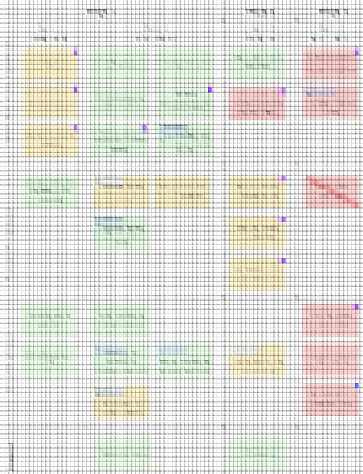
Licenses
 |  |  |  |  |  |  |  |  |  |  |  |  |  |  |  |  |  |  |  |  |  |  |  |  |  |  |  |  |  |  |  |  |  |  |  |  |  |  |  |  |  |  |  | mmm | dd/mm/yy | 6693.75 | #N/A
 |  |  |  |  |  |  |  |  |  |  |  |  |  |  |  |  |  |  |  |  |  |  |  |  |  |  |  |  |  |  |  |  |  |  |  |  |  |  |  |  |  |  |  |  | dd/mm/yy | 6693.75 | #N/A
Costs and
metrics
 |  |  |  |  |  |  |  |  |  |  |  |  |  |  |  |  |  |  |  |  |  |  |  |  |  |  |  |  |  |  |  |  |  |  |  |  |  |  |  |  |  |  |  |  | dd/mm/yy | 6693.75 | #N/A
Project
Responses
Incremental Delivery Sprints

Delivery Milestones
 |  |  |  |  |  |  |  |  |  |  |  |  |  |  |  |  |  |  |  |  |  |  |  |  |  |  |  |  |  |  |  |  |  |  |  |  |  |  |  |  |  |  |  |  | Allocated | CR | Spent
 |  |  |  |  |  |  |  |  |  |  |  |  |  |  |  |  |  |  |  |  |  |  |  |  |  |  |  |  |  |  |  |  |  |  |  |  |  |  |  |  |  |  |  | Overall | $400,000 | $30,000 | $235,000
 |  |  |  |  |  |  |  |  |  |  |  |  |  |  |  |  |  |  |  |  |  |  |  |  |  |  |  |  |  |  |  |  |  |  |  |  |  |  |  |  |  |  |  | Resources | $300,000 |  | $200,000
Delivery
milestones
 |  |  |  |  |  |  |  |  |  |  |  |  |  |  |  |  |  |  |  |  |  |  |  |  |  |  |  |  |  |  |  |  |  |  |  |  |  |  |  |  |  |  |  | Partners | $80,000 |  | $30,000
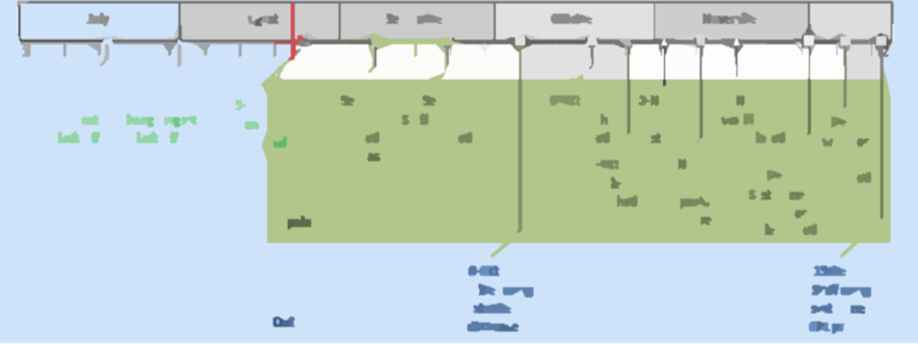
 |  |  |  |  |  |  |  |  |  |  |  |  |  |  |  |  |  |  |  |  |  |  |  |  |  |  |  |  |  |  |  |  |  |  |  |  |  |  |  |  |  |  |  | Transition | $20,000 |  | $5,000
 |  |  |  |  |  |  |  |  |  |  |  |  |  |  |  |  |  |  |  |  |  |  |  |  |  |  |  |  |  |  |  |  |  |  |  |  |  |  |  |  |  |  |  | Assets |  | $30,000
Legend
 |  |  |  |  |  |  |  |  |  |  |  |  |  |  |  |  |  |  |  |  |  |  |  |  |  |  |  |  |  |  |  |  |  |  |  |  |  |  |  |  |  |  |  |  | Licenses
planned |  |  |  |  |  |  |  |  |  |  |  |  |  |  |  |  |  |  |  |  |  |  |  |  |  |  |  |  |  |  |  |  |  |  |  |  |  |  |  |  |  |  |  | Required | 150
milestone |  |  | u |  |  |  |  |  |  |  |  |  |  |  |  |  |  |  |  |  |  |  |  |  |  |  |  |  |  |  |  |  |  |  |  |  |  |  |  |  |  |  |  | Procured | 120
on track
at risk
Summary and Forecast
off track
time impact |  |  | 6
scope impact |  |  | l | Highlights --> --> --> |  |  |  |  |  |  |  |  |  | workstream # 1 --> --> --> --> |  |  |  |  |  |  | workstream # 2 --> --> --> --> |  |  |  |  |  |  |  |  |  |  |  |  |  | External dependencies
cost impact |  |  | $ |  |  |  |  |  |  |  |  |  |  |  |  |  |  |  |  |  |  |  |  |  |  |  |  |  |  |  |  |  |  |  |  | Dependency #1
multiple impacts |  |  | v |  |  |  |  |  |  |  |  |  |  |  |  |  |  |  |  |  |  |  |  |  |  |  |  |  | This work is licensed under a Creative Commons Attribution-NonCommercial-NoDerivatives 4.0 International License. |  |  |  |  |  |  | Dependency #2
schedule CR |  |  |  |  |  |  |  |  |  |  |  |  |  |  |  |  |  |  |  |  |  |  |  |  |  |  |  |  |  |  |  |  |  |  |  | Dependency #3
sch. CR approved |  |  |  |  |  |  |  |  |  |  |  |  |  |  |  |  |  |  |  |  |  |  |  |  |  |  |  |  |  |  |  |  |  |  |  | Dependency #2
descope |  |  |  |  |  |  |  |  |  |  |  |  |  |  |  |  |  |  |  |  |  |  |  |  |  |  |  |  |  |  |  |  |  |  |  | Dependency #5
completed

