Figure 1
This file presents the data from the figures in CBO’s January 2025 report The Demographic Outlook: 2025 to 2055.
www.cbo.gov/publication/60875

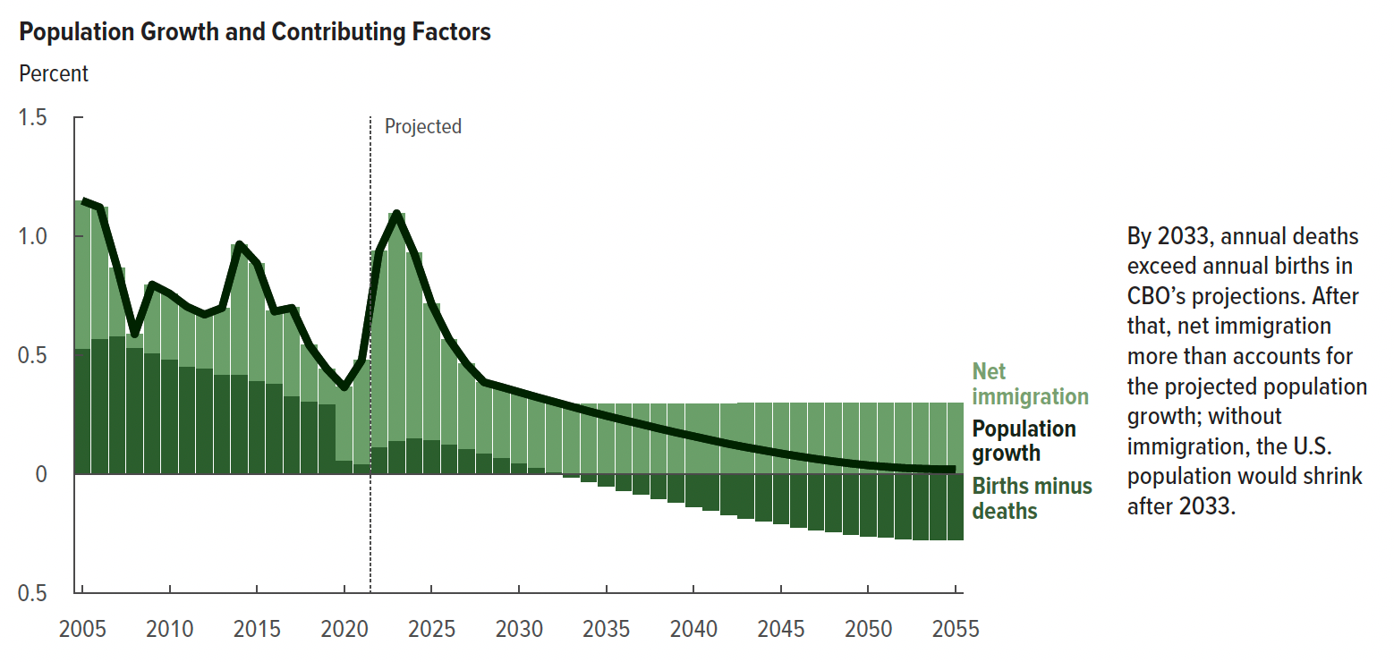
Figure 1. Population Growth and Contributing Factors
Percent

 | Population growth | Births minus deaths | Net immigration
2005 | 1.148 | 0.527 | 0.621
2006 | 1.120 | 0.570 | 0.550
2007 | 0.867 | 0.582 | 0.285
2008 | 0.588 | 0.532 | 0.055
2009 | 0.796 | 0.508 | 0.288
2010 | 0.758 | 0.483 | 0.275
2011 | 0.703 | 0.453 | 0.250
2012 | 0.670 | 0.446 | 0.225
2013 | 0.698 | 0.418 | 0.280
2014 | 0.965 | 0.418 | 0.547
2015 | 0.885 | 0.392 | 0.493
2016 | 0.683 | 0.383 | 0.301
2017 | 0.698 | 0.327 | 0.372
2018 | 0.541 | 0.308 | 0.233
2019 | 0.442 | 0.295 | 0.147
2020 | 0.365 | 0.059 | 0.306
2021 | 0.478 | 0.045 | 0.433
2022 | 0.937 | 0.113 | 0.824
2023 | 1.095 | 0.141 | 0.954
2024 | 0.928 | 0.154 | 0.774
2025 | 0.714 | 0.144 | 0.570
2026 | 0.567 | 0.127 | 0.440
2027 | 0.463 | 0.109 | 0.354
2028 | 0.386 | 0.089 | 0.298
2029 | 0.366 | 0.069 | 0.297
2030 | 0.345 | 0.049 | 0.297
2031 | 0.324 | 0.028 | 0.296
2032 | 0.304 | 0.008 | 0.296
2033 | 0.284 | -0.012 | 0.296
2034 | 0.264 | -0.032 | 0.296
2035 | 0.245 | -0.050 | 0.296
2036 | 0.227 | -0.068 | 0.296
2037 | 0.210 | -0.086 | 0.296
2038 | 0.192 | -0.103 | 0.296
2039 | 0.175 | -0.120 | 0.296
2040 | 0.159 | -0.137 | 0.296
2041 | 0.143 | -0.153 | 0.296
2042 | 0.127 | -0.169 | 0.296
2043 | 0.113 | -0.184 | 0.297
2044 | 0.100 | -0.198 | 0.297
2045 | 0.087 | -0.210 | 0.298
2046 | 0.075 | -0.222 | 0.297
2047 | 0.064 | -0.233 | 0.297
2048 | 0.054 | -0.243 | 0.297
2049 | 0.045 | -0.252 | 0.297
2050 | 0.037 | -0.260 | 0.297
2051 | 0.031 | -0.266 | 0.297
2052 | 0.026 | -0.271 | 0.297
2053 | 0.023 | -0.274 | 0.297
2054 | 0.021 | -0.276 | 0.297
2055 | 0.020 | -0.277 | 0.297

Back to Table of Contents

Figure 2
This file presents the data from the figures in CBO’s January 2025 report The Demographic Outlook: 2025 to 2055.
www.cbo.gov/publication/60875

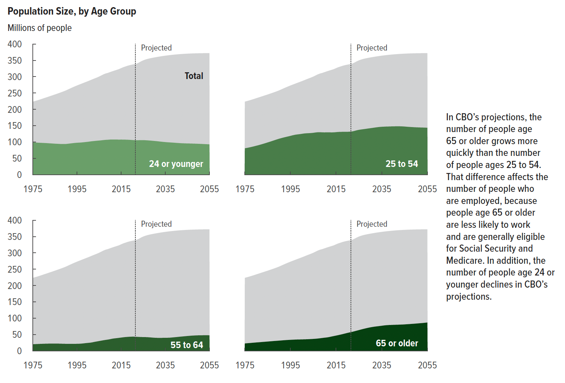
Figure 2. Population Size, by Age Group
Millions of people

 | 24 or younger | 25 to 54 | 55 to 64 | 65 or older | Total
1975 | 99 | 81 | 21 | 23 | 224
1976 | 99 | 82 | 21 | 24 | 226
1977 | 98 | 84 | 21 | 24 | 227
1978 | 98 | 85 | 22 | 25 | 230
1979 | 98 | 87 | 22 | 25 | 232
1980 | 97 | 89 | 22 | 26 | 234
1981 | 97 | 91 | 22 | 27 | 236
1982 | 96 | 93 | 22 | 27 | 239
1983 | 96 | 95 | 23 | 28 | 241
1984 | 96 | 97 | 23 | 28 | 243
1985 | 95 | 99 | 23 | 29 | 245
1986 | 95 | 101 | 23 | 29 | 248
1987 | 94 | 103 | 22 | 30 | 250
1988 | 94 | 106 | 22 | 31 | 253
1989 | 94 | 108 | 22 | 31 | 255
1990 | 94 | 110 | 22 | 32 | 258
1991 | 95 | 112 | 22 | 32 | 261
1992 | 96 | 114 | 22 | 33 | 264
1993 | 97 | 116 | 22 | 33 | 267
1994 | 97 | 117 | 22 | 34 | 270
1995 | 98 | 119 | 22 | 34 | 273
1996 | 98 | 121 | 22 | 34 | 276
1997 | 99 | 122 | 23 | 35 | 278
1998 | 99 | 123 | 23 | 35 | 281
1999 | 100 | 124 | 24 | 35 | 284
2000 | 101 | 125 | 25 | 35 | 286
2001 | 102 | 126 | 25 | 36 | 289
2002 | 103 | 127 | 26 | 36 | 292
2003 | 103 | 127 | 28 | 36 | 295
2004 | 104 | 128 | 29 | 36 | 297
2005 | 105 | 128 | 30 | 37 | 300
2006 | 105 | 129 | 32 | 37 | 304
2007 | 106 | 130 | 33 | 38 | 307
2008 | 107 | 130 | 34 | 39 | 310
2009 | 107 | 130 | 35 | 40 | 312
2010 | 108 | 130 | 36 | 41 | 314
2011 | 108 | 130 | 38 | 41 | 316
2012 | 108 | 130 | 39 | 43 | 319
2013 | 108 | 130 | 39 | 44 | 321
2014 | 108 | 130 | 40 | 46 | 323
2015 | 108 | 130 | 41 | 47 | 326
2016 | 108 | 131 | 42 | 49 | 329
2017 | 107 | 131 | 43 | 50 | 331
2018 | 107 | 131 | 43 | 52 | 334
2019 | 107 | 132 | 44 | 53 | 335
2020 | 106 | 131 | 44 | 55 | 337
2021 | 106 | 132 | 44 | 57 | 338
2022 | 106 | 132 | 43 | 58 | 340
2023 | 106 | 134 | 43 | 60 | 343
2024 | 106 | 136 | 43 | 62 | 347
2025 | 106 | 137 | 43 | 64 | 350
2026 | 106 | 139 | 42 | 66 | 352
2027 | 105 | 139 | 42 | 68 | 354
2028 | 105 | 140 | 42 | 69 | 356
2029 | 104 | 141 | 41 | 71 | 357
2030 | 103 | 142 | 41 | 72 | 359
2031 | 103 | 143 | 40 | 73 | 360
2032 | 102 | 144 | 40 | 74 | 361
2033 | 101 | 145 | 40 | 75 | 362
2034 | 101 | 146 | 40 | 76 | 363
2035 | 100 | 147 | 40 | 77 | 364
2036 | 99 | 147 | 40 | 78 | 365
2037 | 99 | 147 | 41 | 79 | 366
2038 | 98 | 148 | 41 | 79 | 367
2039 | 98 | 148 | 42 | 80 | 367
2040 | 98 | 148 | 42 | 80 | 368
2041 | 97 | 148 | 43 | 80 | 369
2042 | 97 | 148 | 44 | 80 | 369
2043 | 96 | 148 | 44 | 81 | 370
2044 | 96 | 148 | 45 | 81 | 370
2045 | 96 | 148 | 46 | 81 | 370
2046 | 96 | 147 | 46 | 82 | 371
2047 | 95 | 146 | 47 | 82 | 371
2048 | 95 | 146 | 47 | 83 | 371
2049 | 95 | 146 | 48 | 83 | 371
2050 | 95 | 145 | 48 | 84 | 372
2051 | 94 | 145 | 48 | 84 | 372
2052 | 94 | 145 | 48 | 85 | 372
2053 | 94 | 144 | 48 | 86 | 372
2054 | 93 | 144 | 48 | 86 | 372
2055 | 93 | 144 | 48 | 87 | 372

Back to Table of Contents

Figure 3
This file presents the data from the figures in CBO’s January 2025 report The Demographic Outlook: 2025 to 2055.
www.cbo.gov/publication/60875

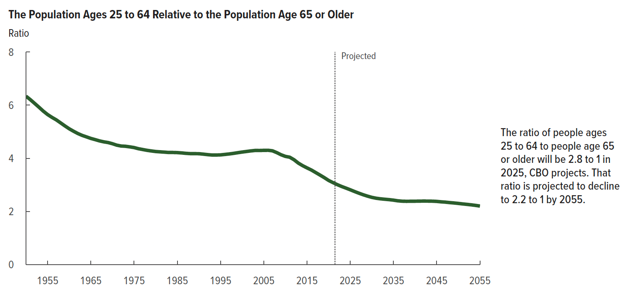
Figure 3. The Population Ages 25 to 64 Relative to the Population Age 65 or Older
Ratio

 | Ratio
1950 | 6.3
1951 | 6.2
1952 | 6.1
1953 | 5.9
1954 | 5.8
1955 | 5.6
1956 | 5.5
1957 | 5.4
1958 | 5.3
1959 | 5.2
1960 | 5.1
1961 | 5.0
1962 | 4.9
1963 | 4.9
1964 | 4.8
1965 | 4.7
1966 | 4.7
1967 | 4.7
1968 | 4.6
1969 | 4.6
1970 | 4.5
1971 | 4.5
1972 | 4.5
1973 | 4.5
1974 | 4.4
1975 | 4.4
1976 | 4.4
1977 | 4.3
1978 | 4.3
1979 | 4.3
1980 | 4.3
1981 | 4.2
1982 | 4.2
1983 | 4.2
1984 | 4.2
1985 | 4.2
1986 | 4.2
1987 | 4.2
1988 | 4.2
1989 | 4.2
1990 | 4.2
1991 | 4.2
1992 | 4.1
1993 | 4.1
1994 | 4.1
1995 | 4.1
1996 | 4.1
1997 | 4.2
1998 | 4.2
1999 | 4.2
2000 | 4.2
2001 | 4.3
2002 | 4.3
2003 | 4.3
2004 | 4.3
2005 | 4.3
2006 | 4.3
2007 | 4.3
2008 | 4.2
2009 | 4.1
2010 | 4.1
2011 | 4.0
2012 | 3.9
2013 | 3.8
2014 | 3.7
2015 | 3.6
2016 | 3.6
2017 | 3.5
2018 | 3.4
2019 | 3.3
2020 | 3.2
2021 | 3.1
2022 | 3.0
2023 | 2.9
2024 | 2.9
2025 | 2.8
2026 | 2.8
2027 | 2.7
2028 | 2.6
2029 | 2.6
2030 | 2.5
2031 | 2.5
2032 | 2.5
2033 | 2.5
2034 | 2.4
2035 | 2.4
2036 | 2.4
2037 | 2.4
2038 | 2.4
2039 | 2.4
2040 | 2.4
2041 | 2.4
2042 | 2.4
2043 | 2.4
2044 | 2.4
2045 | 2.4
2046 | 2.4
2047 | 2.4
2048 | 2.3
2049 | 2.3
2050 | 2.3
2051 | 2.3
2052 | 2.3
2053 | 2.2
2054 | 2.2
2055 | 2.2

Back to Table of Contents

Figure 4
This file presents the data from the figures in CBO’s January 2025 report The Demographic Outlook: 2025 to 2055.
www.cbo.gov/publication/60875

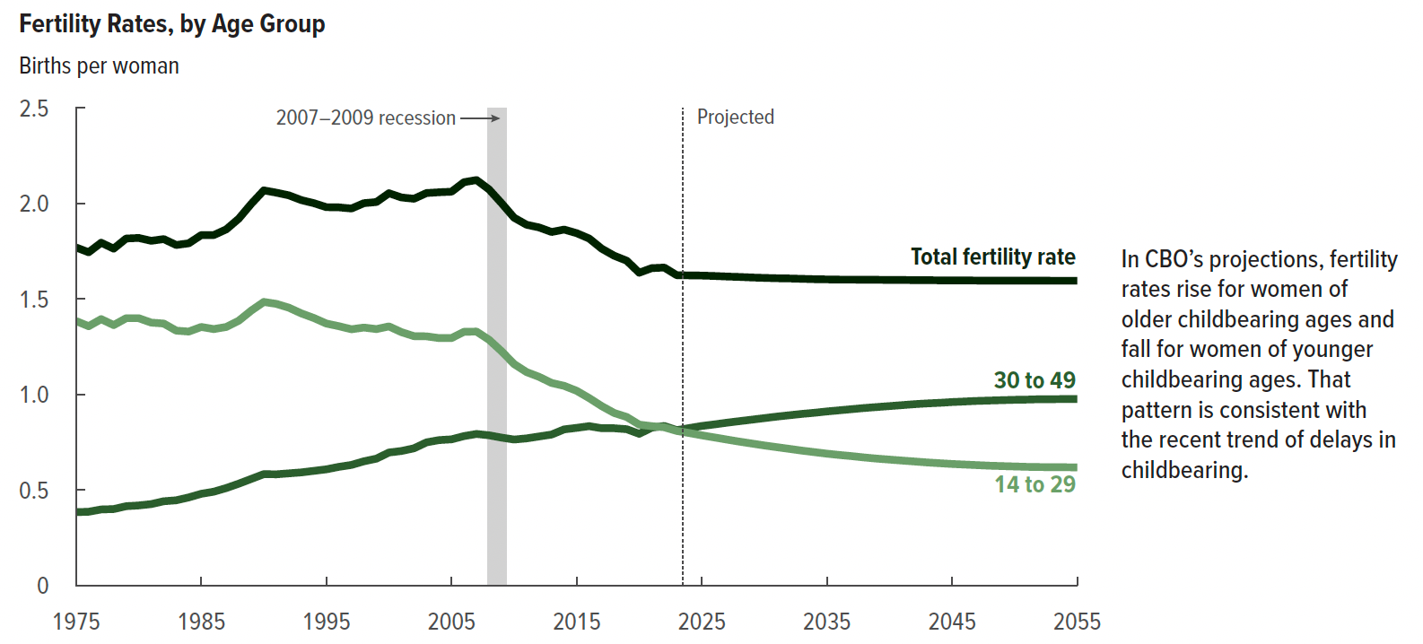
Figure 4. Fertility Rates, by Age Group
Births per woman

 | Ages 14 to 29 | Ages 30 to 49 | Total fertility rate
1975 | 1.4 | 0.4 | 1.8
1976 | 1.4 | 0.4 | 1.7
1977 | 1.4 | 0.4 | 1.8
1978 | 1.4 | 0.4 | 1.8
1979 | 1.4 | 0.4 | 1.8
1980 | 1.4 | 0.4 | 1.8
1981 | 1.4 | 0.4 | 1.8
1982 | 1.4 | 0.4 | 1.8
1983 | 1.3 | 0.4 | 1.8
1984 | 1.3 | 0.5 | 1.8
1985 | 1.4 | 0.5 | 1.8
1986 | 1.3 | 0.5 | 1.8
1987 | 1.4 | 0.5 | 1.9
1988 | 1.4 | 0.5 | 1.9
1989 | 1.4 | 0.6 | 2.0
1990 | 1.5 | 0.6 | 2.1
1991 | 1.5 | 0.6 | 2.1
1992 | 1.5 | 0.6 | 2.0
1993 | 1.4 | 0.6 | 2.0
1994 | 1.4 | 0.6 | 2.0
1995 | 1.4 | 0.6 | 2.0
1996 | 1.4 | 0.6 | 2.0
1997 | 1.3 | 0.6 | 2.0
1998 | 1.4 | 0.7 | 2.0
1999 | 1.3 | 0.7 | 2.0
2000 | 1.4 | 0.7 | 2.1
2001 | 1.3 | 0.7 | 2.0
2002 | 1.3 | 0.7 | 2.0
2003 | 1.3 | 0.8 | 2.1
2004 | 1.3 | 0.8 | 2.1
2005 | 1.3 | 0.8 | 2.1
2006 | 1.3 | 0.8 | 2.1
2007 | 1.3 | 0.8 | 2.1
2008 | 1.3 | 0.8 | 2.1
2009 | 1.2 | 0.8 | 2.0
2010 | 1.2 | 0.8 | 1.9
2011 | 1.1 | 0.8 | 1.9
2012 | 1.1 | 0.8 | 1.9
2013 | 1.1 | 0.8 | 1.9
2014 | 1.0 | 0.8 | 1.9
2015 | 1.0 | 0.8 | 1.8
2016 | 1.0 | 0.8 | 1.8
2017 | 0.9 | 0.8 | 1.8
2018 | 0.9 | 0.8 | 1.7
2019 | 0.9 | 0.8 | 1.7
2020 | 0.8 | 0.8 | 1.6
2021 | 0.8 | 0.8 | 1.7
2022 | 0.8 | 0.8 | 1.7
2023 | 0.8 | 0.8 | 1.6
2024 | 0.8 | 0.8 | 1.6
2025 | 0.8 | 0.8 | 1.6
2026 | 0.8 | 0.8 | 1.6
2027 | 0.8 | 0.9 | 1.6
2028 | 0.8 | 0.9 | 1.6
2029 | 0.7 | 0.9 | 1.6
2030 | 0.7 | 0.9 | 1.6
2031 | 0.7 | 0.9 | 1.6
2032 | 0.7 | 0.9 | 1.6
2033 | 0.7 | 0.9 | 1.6
2034 | 0.7 | 0.9 | 1.6
2035 | 0.7 | 0.9 | 1.6
2036 | 0.7 | 0.9 | 1.6
2037 | 0.7 | 0.9 | 1.6
2038 | 0.7 | 0.9 | 1.6
2039 | 0.7 | 0.9 | 1.6
2040 | 0.7 | 0.9 | 1.6
2041 | 0.7 | 0.9 | 1.6
2042 | 0.7 | 1.0 | 1.6
2043 | 0.6 | 1.0 | 1.6
2044 | 0.6 | 1.0 | 1.6
2045 | 0.6 | 1.0 | 1.6
2046 | 0.6 | 1.0 | 1.6
2047 | 0.6 | 1.0 | 1.6
2048 | 0.6 | 1.0 | 1.6
2049 | 0.6 | 1.0 | 1.6
2050 | 0.6 | 1.0 | 1.6
2051 | 0.6 | 1.0 | 1.6
2052 | 0.6 | 1.0 | 1.6
2053 | 0.6 | 1.0 | 1.6
2054 | 0.6 | 1.0 | 1.6
2055 | 0.6 | 1.0 | 1.6

Back to Table of Contents

Figure 5
This file presents the data from the figures in CBO’s January 2025 report The Demographic Outlook: 2025 to 2055.
www.cbo.gov/publication/60875

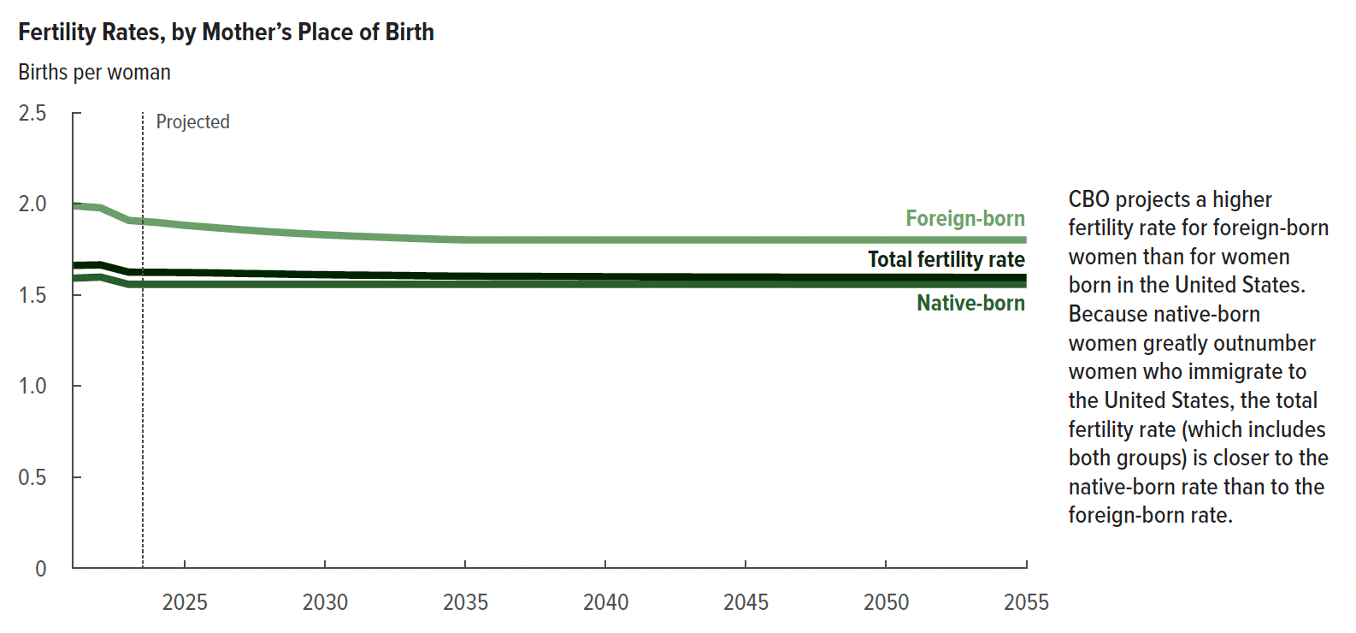
Figure 5. Fertility Rates, by Mother’s Place of Birth
Births per woman

 | Foreign-born total fertility rate | Native-born total fertility rate | Total fertility rate
2021 | 2.0 | 1.6 | 1.7
2022 | 2.0 | 1.6 | 1.7
2023 | 1.9 | 1.6 | 1.6
2024 | 1.9 | 1.6 | 1.6
2025 | 1.9 | 1.6 | 1.6
2026 | 1.9 | 1.6 | 1.6
2027 | 1.9 | 1.6 | 1.6
2028 | 1.8 | 1.6 | 1.6
2029 | 1.8 | 1.6 | 1.6
2030 | 1.8 | 1.6 | 1.6
2031 | 1.8 | 1.6 | 1.6
2032 | 1.8 | 1.6 | 1.6
2033 | 1.8 | 1.6 | 1.6
2034 | 1.8 | 1.6 | 1.6
2035 | 1.8 | 1.6 | 1.6
2036 | 1.8 | 1.6 | 1.6
2037 | 1.8 | 1.6 | 1.6
2038 | 1.8 | 1.6 | 1.6
2039 | 1.8 | 1.6 | 1.6
2040 | 1.8 | 1.6 | 1.6
2041 | 1.8 | 1.6 | 1.6
2042 | 1.8 | 1.6 | 1.6
2043 | 1.8 | 1.6 | 1.6
2044 | 1.8 | 1.6 | 1.6
2045 | 1.8 | 1.6 | 1.6
2046 | 1.8 | 1.6 | 1.6
2047 | 1.8 | 1.6 | 1.6
2048 | 1.8 | 1.6 | 1.6
2049 | 1.8 | 1.6 | 1.6
2050 | 1.8 | 1.6 | 1.6
2051 | 1.8 | 1.6 | 1.6
2052 | 1.8 | 1.6 | 1.6
2053 | 1.8 | 1.6 | 1.6
2054 | 1.8 | 1.6 | 1.6
2055 | 1.8 | 1.6 | 1.6

Back to Table of Contents

Figure 6
This file presents the data from the figures in CBO’s January 2025 report The Demographic Outlook: 2025 to 2055.
www.cbo.gov/publication/60875

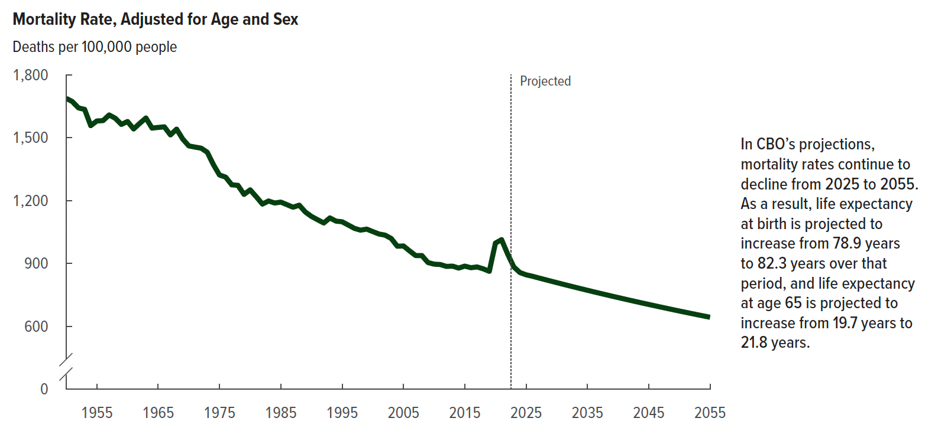
Figure 6. Mortality Rate, Adjusted for Age and Sex
Deaths per 100,000 people

 | Mortality rate
1950 | 1,688
1951 | 1,672
1952 | 1,642
1953 | 1,635
1954 | 1,558
1955 | 1,580
1956 | 1,581
1957 | 1,608
1958 | 1,593
1959 | 1,563
1960 | 1,577
1961 | 1,542
1962 | 1,569
1963 | 1,594
1964 | 1,546
1965 | 1,549
1966 | 1,552
1967 | 1,513
1968 | 1,541
1969 | 1,494
1970 | 1,461
1971 | 1,455
1972 | 1,450
1973 | 1,431
1974 | 1,372
1975 | 1,322
1976 | 1,312
1977 | 1,275
1978 | 1,273
1979 | 1,230
1980 | 1,251
1981 | 1,218
1982 | 1,183
1983 | 1,198
1984 | 1,188
1985 | 1,193
1986 | 1,181
1987 | 1,168
1988 | 1,178
1989 | 1,145
1990 | 1,124
1991 | 1,109
1992 | 1,093
1993 | 1,117
1994 | 1,102
1995 | 1,099
1996 | 1,083
1997 | 1,068
1998 | 1,059
1999 | 1,064
2000 | 1,052
2001 | 1,041
2002 | 1,035
2003 | 1,019
2004 | 982
2005 | 983
2006 | 960
2007 | 938
2008 | 938
2009 | 904
2010 | 897
2011 | 895
2012 | 886
2013 | 887
2014 | 878
2015 | 887
2016 | 880
2017 | 883
2018 | 874
2019 | 863
2020 | 997
2021 | 1,013
2022 | 944
2023 | 883
2024 | 857
2025 | 846
2026 | 839
2027 | 831
2028 | 824
2029 | 816
2030 | 809
2031 | 801
2032 | 794
2033 | 786
2034 | 779
2035 | 772
2036 | 765
2037 | 758
2038 | 751
2039 | 744
2040 | 737
2041 | 731
2042 | 724
2043 | 717
2044 | 711
2045 | 704
2046 | 698
2047 | 692
2048 | 685
2049 | 679
2050 | 673
2051 | 667
2052 | 661
2053 | 655
2054 | 649
2055 | 643

Back to Table of Contents

Figure 7
This file presents the data from the figures in CBO’s January 2025 report The Demographic Outlook: 2025 to 2055.
www.cbo.gov/publication/60875

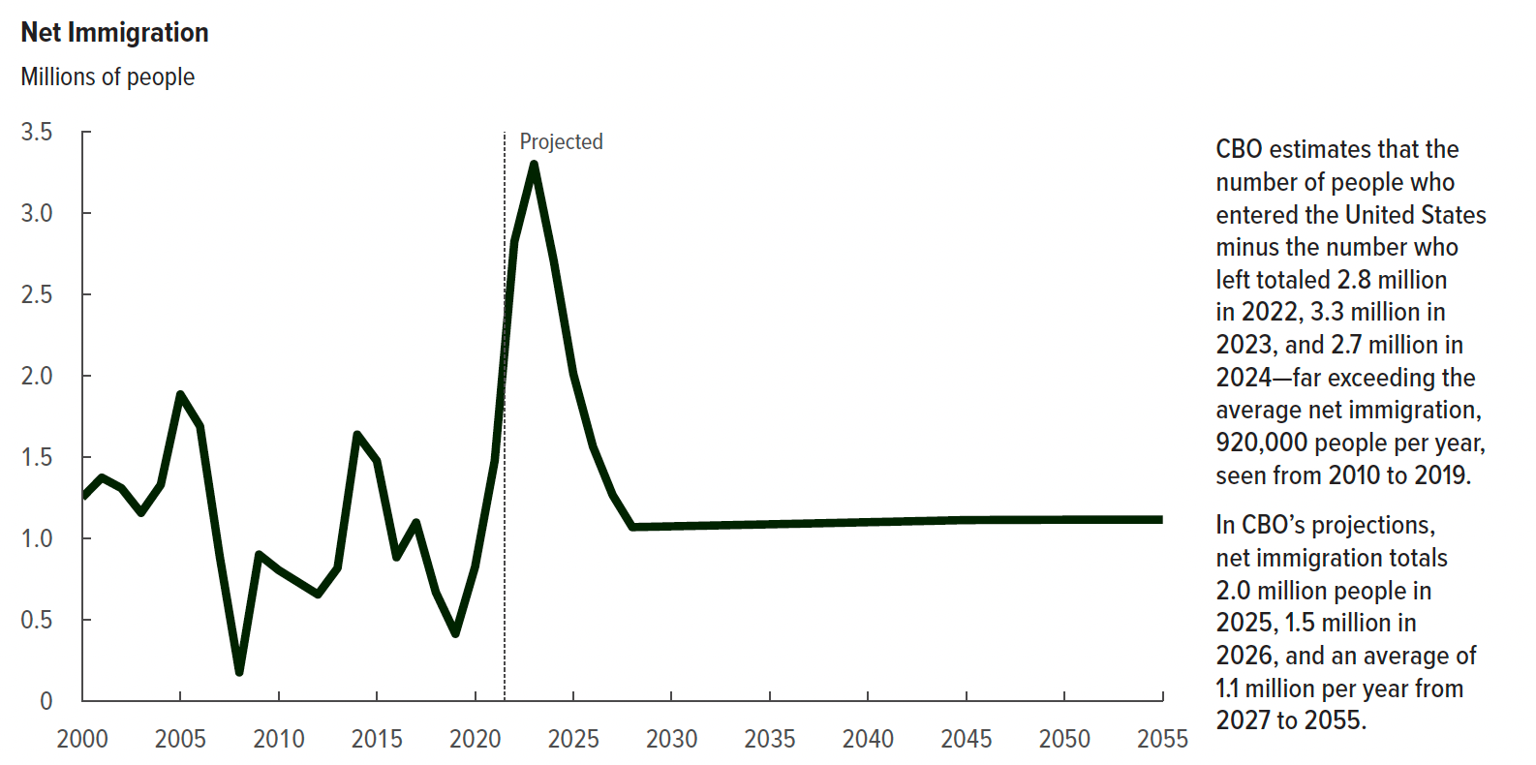
Figure 7. Net Immigration
Millions of people

 | Net immigration
2000 | 1,250
2001 | 1,372
2002 | 1,307
2003 | 1,155
2004 | 1,328
2005 | 1,884
2006 | 1,688
2007 | 889
2008 | 174
2009 | 899
2010 | 803
2011 | 728
2012 | 653
2013 | 816
2014 | 1,637
2015 | 1,475
2016 | 882
2017 | 1,096
2018 | 667
2019 | 411
2020 | 824
2021 | 1,477
2022 | 2,824
2023 | 3,301
2024 | 2,708
2025 | 2,010
2026 | 1,563
2027 | 1,265
2028 | 1,068
2029 | 1,070
2030 | 1,073
2031 | 1,075
2032 | 1,078
2033 | 1,080
2034 | 1,083
2035 | 1,085
2036 | 1,088
2037 | 1,090
2038 | 1,093
2039 | 1,095
2040 | 1,098
2041 | 1,100
2042 | 1,103
2043 | 1,106
2044 | 1,108
2045 | 1,111
2046 | 1,112
2047 | 1,112
2048 | 1,112
2049 | 1,113
2050 | 1,113
2051 | 1,113
2052 | 1,114
2053 | 1,114
2054 | 1,114
2055 | 1,114

Back to Table of Contents

Figure 8
This file presents the data from the figures in CBO’s January 2025 report The Demographic Outlook: 2025 to 2055.
www.cbo.gov/publication/60875

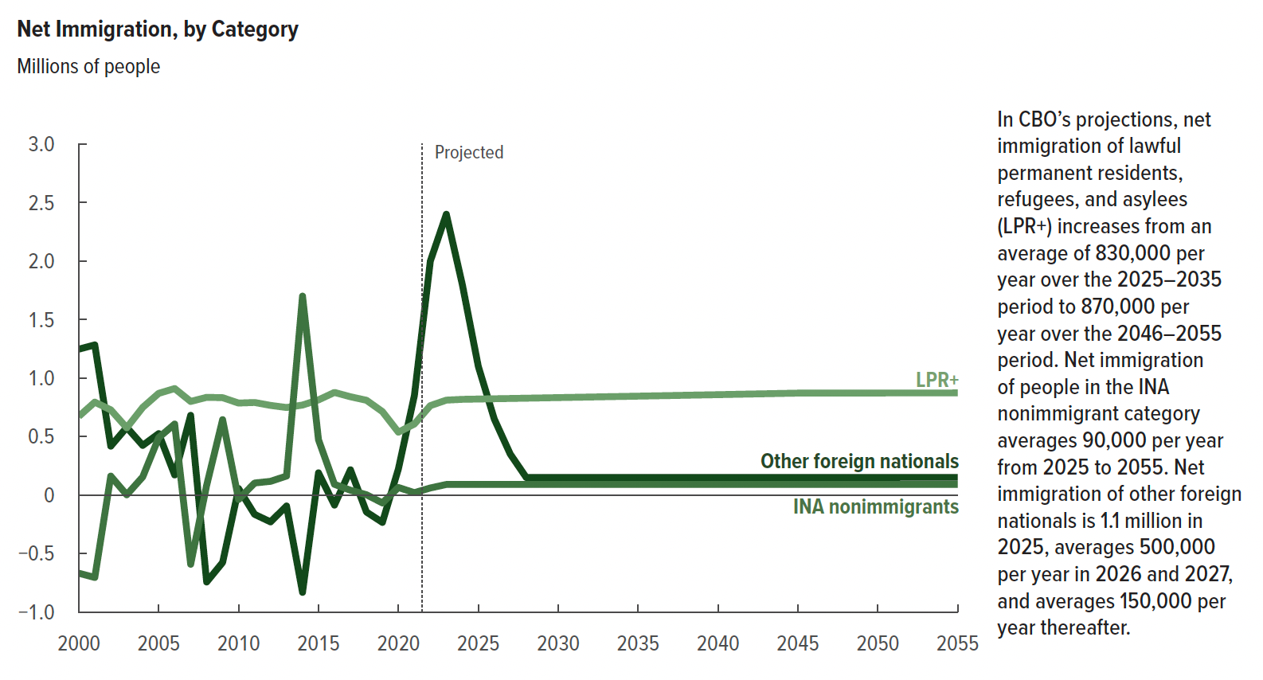
Figure 8. Net Immigration, by Category
Millions of people

 | LPR+ | INA nonimmigrants | Other foreign nationals
2000 | 672 | -669 | 1,247
2001 | 794 | -705 | 1,283
2002 | 728 | 161 | 418
2003 | 575 | 2 | 578
2004 | 749 | 155 | 424
2005 | 869 | 490 | 525
2006 | 910 | 607 | 171
2007 | 800 | -592 | 681
2008 | 835 | 83 | -744
2009 | 832 | 644 | -577
2010 | 786 | -38 | 55
2011 | 791 | 102 | -165
2012 | 766 | 117 | -230
2013 | 748 | 162 | -94
2014 | 769 | 1,700 | -832
2015 | 813 | 473 | 189
2016 | 877 | 91 | -86
2017 | 840 | 41 | 215
2018 | 810 | 2 | -145
2019 | 713 | -68 | -234
2020 | 537 | 64 | 223
2021 | 607 | 20 | 850
2022 | 764 | 60 | 2,000
2023 | 811 | 90 | 2,400
2024 | 818 | 90 | 1,800
2025 | 820 | 90 | 1,100
2026 | 823 | 90 | 650
2027 | 825 | 90 | 350
2028 | 828 | 90 | 150
2029 | 830 | 90 | 150
2030 | 833 | 90 | 150
2031 | 835 | 90 | 150
2032 | 838 | 90 | 150
2033 | 840 | 90 | 150
2034 | 843 | 90 | 150
2035 | 845 | 90 | 150
2036 | 848 | 90 | 150
2037 | 850 | 90 | 150
2038 | 853 | 90 | 150
2039 | 855 | 90 | 150
2040 | 858 | 90 | 150
2041 | 860 | 90 | 150
2042 | 863 | 90 | 150
2043 | 866 | 90 | 150
2044 | 868 | 90 | 150
2045 | 871 | 90 | 150
2046 | 871 | 90 | 150
2047 | 872 | 90 | 150
2048 | 872 | 90 | 150
2049 | 872 | 90 | 150
2050 | 872 | 90 | 151
2051 | 872 | 90 | 151
2052 | 872 | 90 | 151
2053 | 873 | 90 | 151
2054 | 873 | 90 | 151
2055 | 873 | 90 | 151

Back to Table of Contents

Figure 9
This file presents the data from the figures in CBO’s January 2025 report The Demographic Outlook: 2025 to 2055.
www.cbo.gov/publication/60875

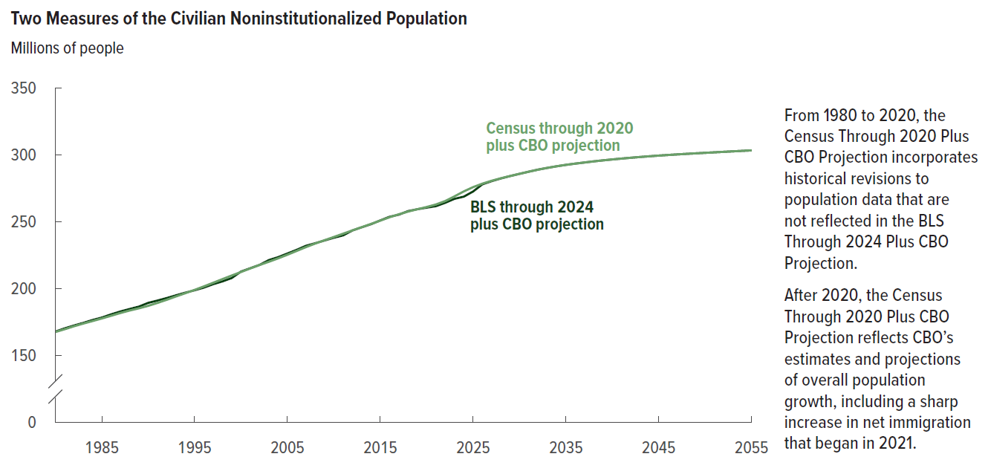
Figure 9. Two Measures of the Civilian Noninstitutionalized Population
Millions of people

 | Census through 2020 plus CBO projection | BLS through 2024 plus CBO projection
1980 | 167 | 168
1981 | 169 | 170
1982 | 172 | 172
1983 | 174 | 174
1984 | 176 | 176
1985 | 177 | 178
1986 | 180 | 181
1987 | 182 | 183
1988 | 183 | 185
1989 | 185 | 186
1990 | 187 | 189
1991 | 189 | 191
1992 | 191 | 193
1993 | 194 | 195
1994 | 196 | 197
1995 | 199 | 199
1996 | 201 | 201
1997 | 204 | 203
1998 | 207 | 205
1999 | 210 | 208
2000 | 212 | 213
2001 | 215 | 215
2002 | 217 | 218
2003 | 220 | 221
2004 | 222 | 223
2005 | 225 | 226
2006 | 228 | 229
2007 | 231 | 232
2008 | 234 | 234
2009 | 236 | 236
2010 | 238 | 238
2011 | 241 | 240
2012 | 243 | 243
2013 | 246 | 246
2014 | 248 | 248
2015 | 251 | 251
2016 | 253 | 254
2017 | 255 | 255
2018 | 257 | 258
2019 | 259 | 259
2020 | 261 | 260
2021 | 263 | 261
2022 | 265 | 264
2023 | 269 | 267
2024 | 272 | 269
2025 | 276 | 272
2026 | 278 | 278
2027 | 280 | 280
2028 | 282 | 282
2029 | 284 | 284
2030 | 286 | 286
2031 | 287 | 287
2032 | 289 | 289
2033 | 290 | 290
2034 | 291 | 291
2035 | 292 | 292
2036 | 293 | 293
2037 | 294 | 294
2038 | 295 | 295
2039 | 296 | 296
2040 | 296 | 296
2041 | 297 | 297
2042 | 298 | 298
2043 | 298 | 298
2044 | 299 | 299
2045 | 299 | 299
2046 | 300 | 300
2047 | 300 | 300
2048 | 301 | 301
2049 | 301 | 301
2050 | 301 | 301
2051 | 302 | 302
2052 | 302 | 302
2053 | 302 | 302
2054 | 303 | 303
2055 | 303 | 303

Back to Table of Contents

Figure 10
This file presents the data from the figures in CBO’s January 2025 report The Demographic Outlook: 2025 to 2055.
www.cbo.gov/publication/60875

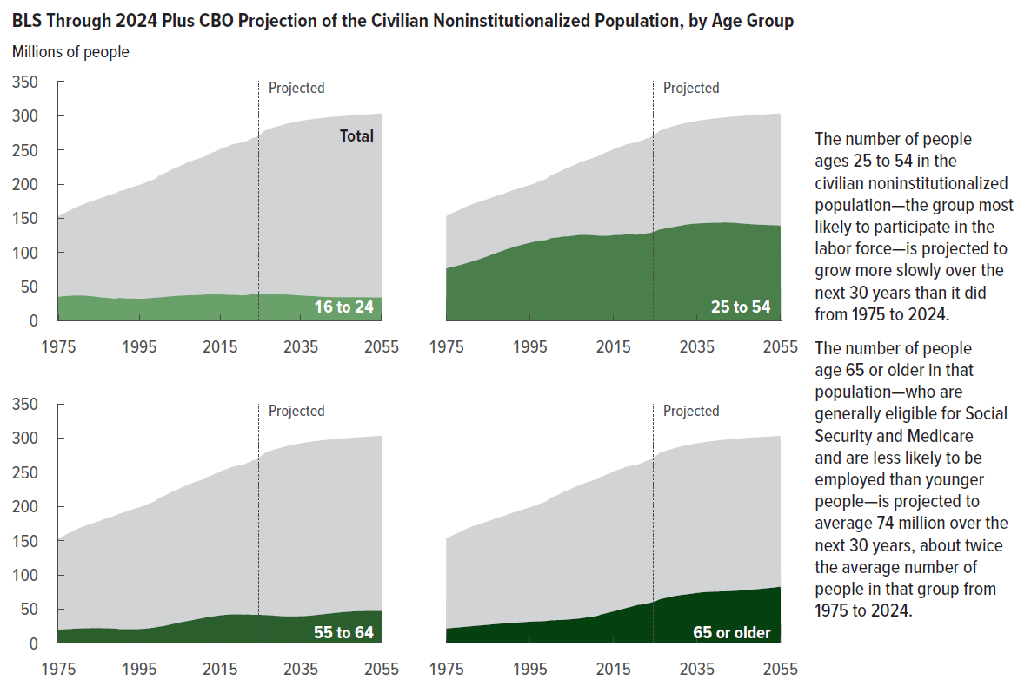
Figure 10. BLS Through 2024 Plus CBO Projection of the Civilian Noninstitutionalized Population, by Age Group
Millions of people

 | 16 to 24 | 25 to 54 | 55 to 64 | 65 or older | Total
1975 | 35 | 77 | 20 | 22 | 153
1976 | 36 | 78 | 20 | 22 | 156
1977 | 36 | 80 | 21 | 23 | 159
1978 | 37 | 81 | 21 | 23 | 162
1979 | 37 | 83 | 21 | 24 | 165
1980 | 37 | 85 | 22 | 24 | 168
1981 | 37 | 86 | 22 | 25 | 170
1982 | 37 | 88 | 22 | 25 | 172
1983 | 36 | 90 | 22 | 26 | 174
1984 | 35 | 92 | 22 | 26 | 176
1985 | 35 | 94 | 22 | 27 | 178
1986 | 34 | 97 | 22 | 27 | 181
1987 | 34 | 99 | 22 | 28 | 183
1988 | 33 | 101 | 22 | 29 | 185
1989 | 32 | 104 | 21 | 29 | 186
1990 | 33 | 106 | 21 | 29 | 189
1991 | 33 | 108 | 21 | 30 | 191
1992 | 33 | 109 | 21 | 30 | 193
1993 | 33 | 111 | 21 | 31 | 195
1994 | 33 | 113 | 21 | 31 | 197
1995 | 32 | 114 | 21 | 31 | 199
1996 | 32 | 116 | 21 | 32 | 201
1997 | 33 | 117 | 22 | 32 | 203
1998 | 33 | 117 | 22 | 32 | 205
1999 | 34 | 118 | 23 | 32 | 208
2000 | 34 | 121 | 24 | 33 | 213
2001 | 35 | 122 | 25 | 34 | 215
2002 | 35 | 122 | 26 | 34 | 218
2003 | 36 | 123 | 28 | 34 | 221
2004 | 36 | 123 | 29 | 35 | 223
2005 | 37 | 124 | 30 | 35 | 226
2006 | 37 | 125 | 31 | 36 | 229
2007 | 37 | 126 | 33 | 36 | 232
2008 | 37 | 126 | 33 | 37 | 234
2009 | 38 | 126 | 35 | 38 | 236
2010 | 38 | 125 | 36 | 39 | 238
2011 | 38 | 125 | 37 | 40 | 240
2012 | 39 | 124 | 38 | 42 | 243
2013 | 39 | 124 | 39 | 43 | 246
2014 | 39 | 125 | 40 | 45 | 248
2015 | 39 | 125 | 41 | 47 | 251
2016 | 38 | 126 | 41 | 48 | 254
2017 | 38 | 126 | 42 | 50 | 255
2018 | 38 | 126 | 42 | 51 | 258
2019 | 38 | 126 | 42 | 53 | 259
2020 | 37 | 126 | 42 | 55 | 260
2021 | 37 | 126 | 42 | 56 | 261
2022 | 38 | 127 | 42 | 57 | 264
2023 | 39 | 128 | 41 | 58 | 267
2024 | 39 | 129 | 41 | 59 | 269
2025 | 39 | 131 | 41 | 61 | 272
2026 | 39 | 133 | 41 | 64 | 278
2027 | 39 | 135 | 41 | 65 | 280
2028 | 39 | 136 | 41 | 67 | 282
2029 | 39 | 137 | 40 | 68 | 284
2030 | 39 | 138 | 40 | 69 | 286
2031 | 39 | 139 | 39 | 70 | 287
2032 | 38 | 140 | 39 | 71 | 289
2033 | 38 | 141 | 39 | 72 | 290
2034 | 37 | 142 | 39 | 73 | 291
2035 | 37 | 142 | 40 | 73 | 292
2036 | 37 | 143 | 40 | 74 | 293
2037 | 36 | 143 | 40 | 75 | 294
2038 | 36 | 143 | 41 | 75 | 295
2039 | 36 | 143 | 41 | 75 | 296
2040 | 35 | 143 | 42 | 76 | 296
2041 | 35 | 144 | 43 | 76 | 297
2042 | 35 | 144 | 43 | 76 | 298
2043 | 35 | 143 | 44 | 76 | 298
2044 | 35 | 143 | 45 | 76 | 299
2045 | 35 | 143 | 45 | 77 | 299
2046 | 35 | 142 | 46 | 77 | 300
2047 | 35 | 142 | 46 | 78 | 300
2048 | 35 | 141 | 47 | 78 | 301
2049 | 35 | 141 | 47 | 79 | 301
2050 | 34 | 141 | 47 | 79 | 301
2051 | 34 | 140 | 47 | 80 | 302
2052 | 34 | 140 | 47 | 80 | 302
2053 | 34 | 140 | 47 | 81 | 302
2054 | 34 | 140 | 47 | 82 | 303
2055 | 34 | 139 | 47 | 83 | 303

Back to Table of Contents

Figure 11
This file presents the data from the figures in CBO’s January 2025 report The Demographic Outlook: 2025 to 2055.
www.cbo.gov/publication/60875

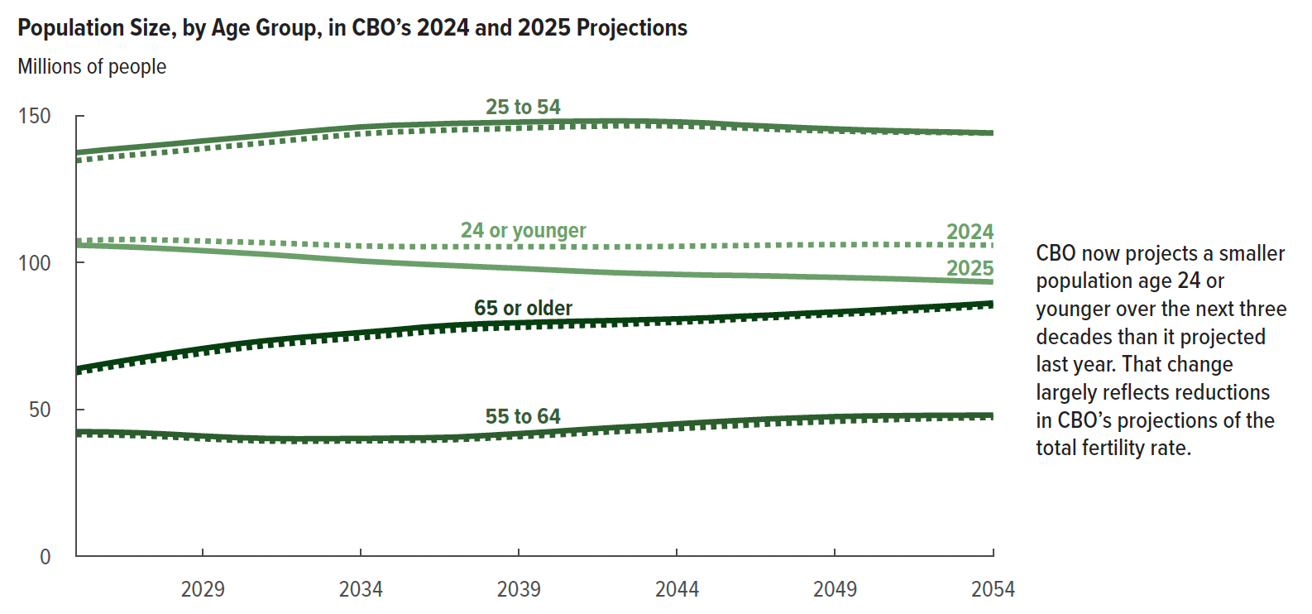
Figure 11. Population Size, by Age Group, in CBO’s 2024 and 2025 Projections
Millions of people

 | 2024 |  |  |  |  | 2025
 | 24 or younger | 25 to 54 | 55 to 64 | 65 or older | Total | 24 or younger | 25 to 54 | 55 to 64 | 65 or older | Total
2025 | 107 | 135 | 41 | 63 | 346 | 106 | 137 | 43 | 64 | 350
2026 | 108 | 136 | 41 | 64 | 349 | 106 | 139 | 42 | 66 | 352
2027 | 108 | 137 | 41 | 66 | 352 | 105 | 139 | 42 | 68 | 354
2028 | 108 | 138 | 41 | 68 | 354 | 105 | 140 | 42 | 69 | 356
2029 | 107 | 139 | 40 | 69 | 355 | 104 | 141 | 41 | 71 | 357
2030 | 107 | 140 | 40 | 71 | 357 | 103 | 142 | 41 | 72 | 359
2031 | 107 | 141 | 39 | 72 | 359 | 103 | 143 | 40 | 73 | 360
2032 | 106 | 142 | 39 | 73 | 360 | 102 | 144 | 40 | 74 | 361
2033 | 106 | 143 | 39 | 74 | 362 | 101 | 145 | 40 | 75 | 362
2034 | 106 | 144 | 39 | 74 | 363 | 101 | 146 | 40 | 76 | 363
2035 | 106 | 144 | 39 | 75 | 365 | 100 | 147 | 40 | 77 | 364
2036 | 105 | 145 | 40 | 76 | 366 | 99 | 147 | 40 | 78 | 365
2037 | 105 | 145 | 40 | 77 | 367 | 99 | 147 | 41 | 79 | 366
2038 | 105 | 145 | 40 | 78 | 369 | 98 | 148 | 41 | 79 | 367
2039 | 105 | 146 | 41 | 78 | 370 | 98 | 148 | 42 | 80 | 367
2040 | 105 | 146 | 41 | 78 | 371 | 98 | 148 | 42 | 80 | 368
2041 | 105 | 146 | 42 | 79 | 372 | 97 | 148 | 43 | 80 | 369
2042 | 105 | 147 | 42 | 79 | 373 | 97 | 148 | 44 | 80 | 369
2043 | 105 | 147 | 43 | 79 | 374 | 96 | 148 | 44 | 81 | 370
2044 | 106 | 147 | 43 | 80 | 375 | 96 | 148 | 45 | 81 | 370
2045 | 106 | 146 | 44 | 80 | 376 | 96 | 148 | 46 | 81 | 370
2046 | 106 | 146 | 45 | 81 | 377 | 96 | 147 | 46 | 82 | 371
2047 | 106 | 145 | 45 | 81 | 378 | 95 | 146 | 47 | 82 | 371
2048 | 106 | 145 | 46 | 82 | 379 | 95 | 146 | 47 | 83 | 371
2049 | 106 | 145 | 46 | 82 | 379 | 95 | 146 | 48 | 83 | 371
2050 | 106 | 145 | 46 | 83 | 380 | 95 | 145 | 48 | 84 | 372
2051 | 106 | 144 | 47 | 83 | 381 | 94 | 145 | 48 | 84 | 372
2052 | 106 | 144 | 47 | 84 | 381 | 94 | 145 | 48 | 85 | 372
2053 | 106 | 144 | 47 | 85 | 382 | 94 | 144 | 48 | 86 | 372
2054 | 106 | 144 | 47 | 85 | 383 | 93 | 144 | 48 | 86 | 372

Back to Table of Contents

Figure 12
This file presents the data from the figures in CBO’s January 2025 report The Demographic Outlook: 2025 to 2055.
www.cbo.gov/publication/60875

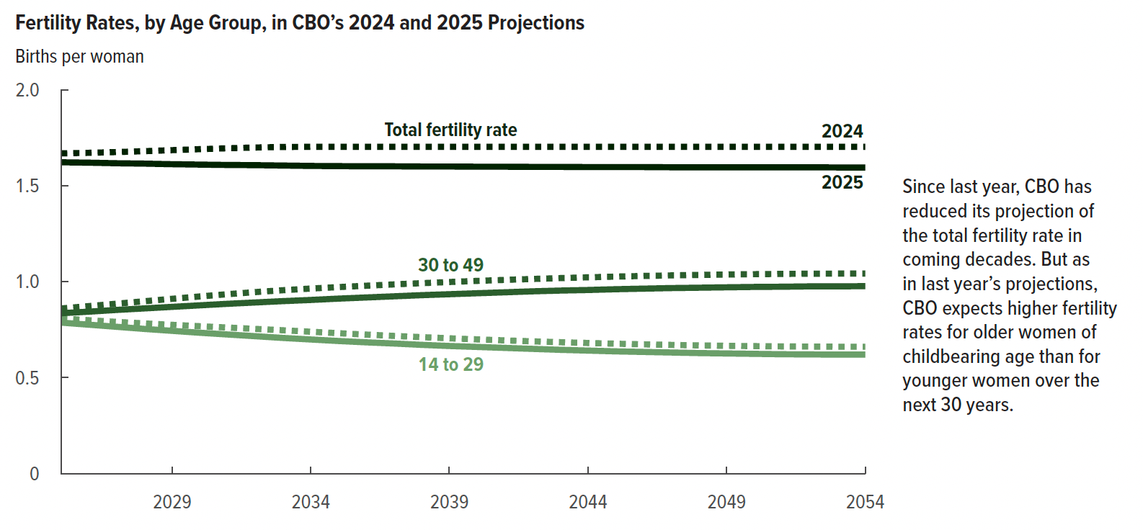
Figure 12. Fertility Rates, by Age Group, in CBO’s 2024 and 2025 Projections
Births per woman

 | 2024 |  |  | 2025
 | Ages 14 to 29 | Ages 30 to 49 | Total fertility rate | Ages 14 to 29 | Ages 30 to 49 | Total fertility rate
2025 | 0.8 | 0.9 | 1.7 | 0.8 | 0.8 | 1.6
2026 | 0.8 | 0.9 | 1.7 | 0.8 | 0.8 | 1.6
2027 | 0.8 | 0.9 | 1.7 | 0.8 | 0.9 | 1.6
2028 | 0.8 | 0.9 | 1.7 | 0.8 | 0.9 | 1.6
2029 | 0.8 | 0.9 | 1.7 | 0.7 | 0.9 | 1.6
2030 | 0.8 | 0.9 | 1.7 | 0.7 | 0.9 | 1.6
2031 | 0.8 | 0.9 | 1.7 | 0.7 | 0.9 | 1.6
2032 | 0.8 | 0.9 | 1.7 | 0.7 | 0.9 | 1.6
2033 | 0.7 | 1.0 | 1.7 | 0.7 | 0.9 | 1.6
2034 | 0.7 | 1.0 | 1.7 | 0.7 | 0.9 | 1.6
2035 | 0.7 | 1.0 | 1.7 | 0.7 | 0.9 | 1.6
2036 | 0.7 | 1.0 | 1.7 | 0.7 | 0.9 | 1.6
2037 | 0.7 | 1.0 | 1.7 | 0.7 | 0.9 | 1.6
2038 | 0.7 | 1.0 | 1.7 | 0.7 | 0.9 | 1.6
2039 | 0.7 | 1.0 | 1.7 | 0.7 | 0.9 | 1.6
2040 | 0.7 | 1.0 | 1.7 | 0.7 | 0.9 | 1.6
2041 | 0.7 | 1.0 | 1.7 | 0.7 | 0.9 | 1.6
2042 | 0.7 | 1.0 | 1.7 | 0.7 | 1.0 | 1.6
2043 | 0.7 | 1.0 | 1.7 | 0.6 | 1.0 | 1.6
2044 | 0.7 | 1.0 | 1.7 | 0.6 | 1.0 | 1.6
2045 | 0.7 | 1.0 | 1.7 | 0.6 | 1.0 | 1.6
2046 | 0.7 | 1.0 | 1.7 | 0.6 | 1.0 | 1.6
2047 | 0.7 | 1.0 | 1.7 | 0.6 | 1.0 | 1.6
2048 | 0.7 | 1.0 | 1.7 | 0.6 | 1.0 | 1.6
2049 | 0.7 | 1.0 | 1.7 | 0.6 | 1.0 | 1.6
2050 | 0.7 | 1.0 | 1.7 | 0.6 | 1.0 | 1.6
2051 | 0.7 | 1.0 | 1.7 | 0.6 | 1.0 | 1.6
2052 | 0.7 | 1.0 | 1.7 | 0.6 | 1.0 | 1.6
2053 | 0.7 | 1.0 | 1.7 | 0.6 | 1.0 | 1.6
2054 | 0.7 | 1.0 | 1.7 | 0.6 | 1.0 | 1.6

Back to Table of Contents

Figure 13
This file presents the data from the figures in CBO’s January 2025 report The Demographic Outlook: 2025 to 2055.
www.cbo.gov/publication/60875

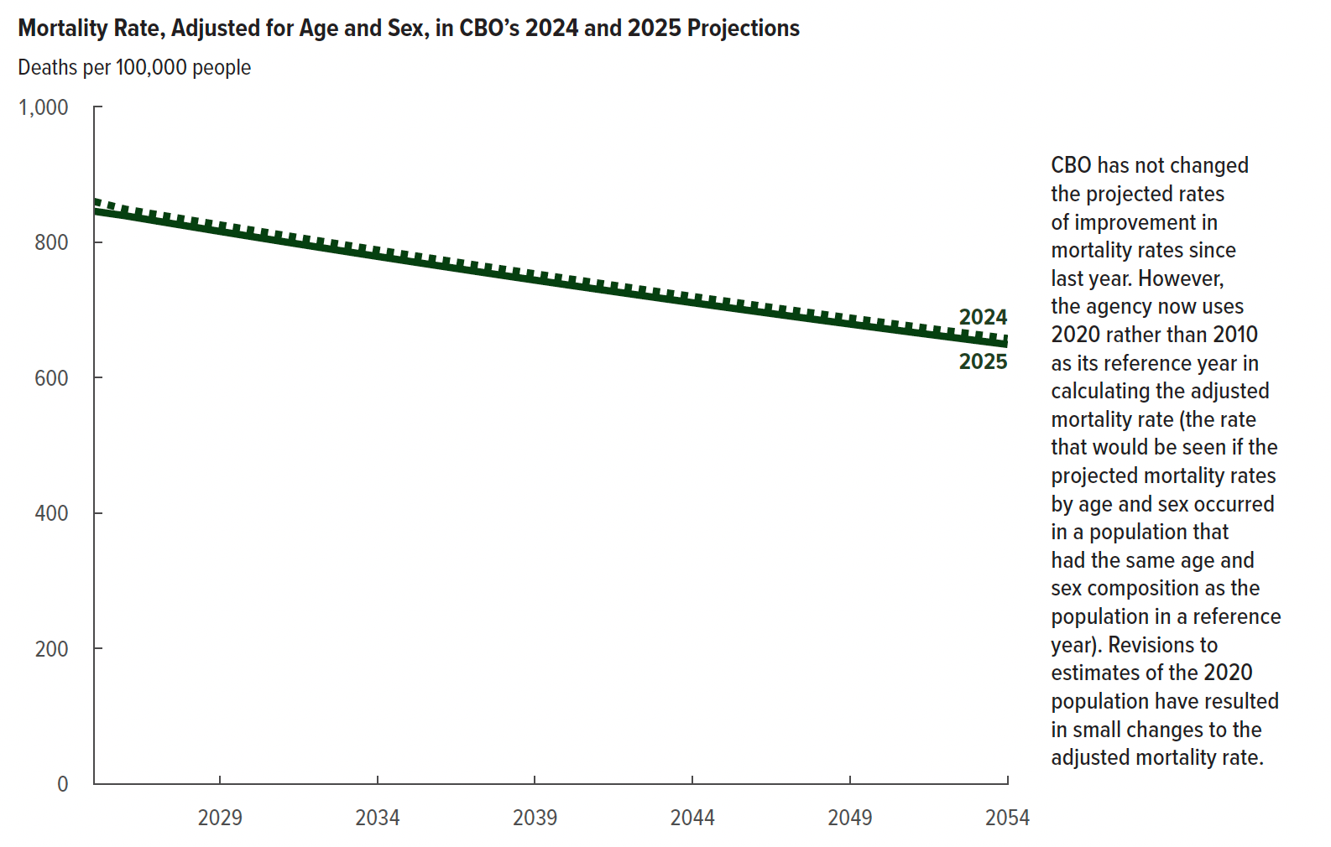
Figure 13. Mortality Rate, Adjusted for Age and Sex, in CBO’s 2024 and 2025 Projections
Deaths per 100,000 people

 | 2024 | 2025
2025 | 860 | 846
2026 | 849 | 839
2027 | 841 | 831
2028 | 833 | 824
2029 | 826 | 816
2030 | 818 | 809
2031 | 811 | 801
2032 | 803 | 794
2033 | 796 | 786
2034 | 789 | 779
2035 | 781 | 772
2036 | 774 | 765
2037 | 767 | 758
2038 | 760 | 751
2039 | 753 | 744
2040 | 747 | 737
2041 | 740 | 731
2042 | 733 | 724
2043 | 727 | 717
2044 | 720 | 711
2045 | 714 | 704
2046 | 707 | 698
2047 | 701 | 692
2048 | 695 | 685
2049 | 688 | 679
2050 | 682 | 673
2051 | 676 | 667
2052 | 670 | 661
2053 | 664 | 655
2054 | 658 | 649

Back to Table of Contents

Figure 14
This file presents the data from the figures in CBO’s January 2025 report The Demographic Outlook: 2025 to 2055.
www.cbo.gov/publication/60875

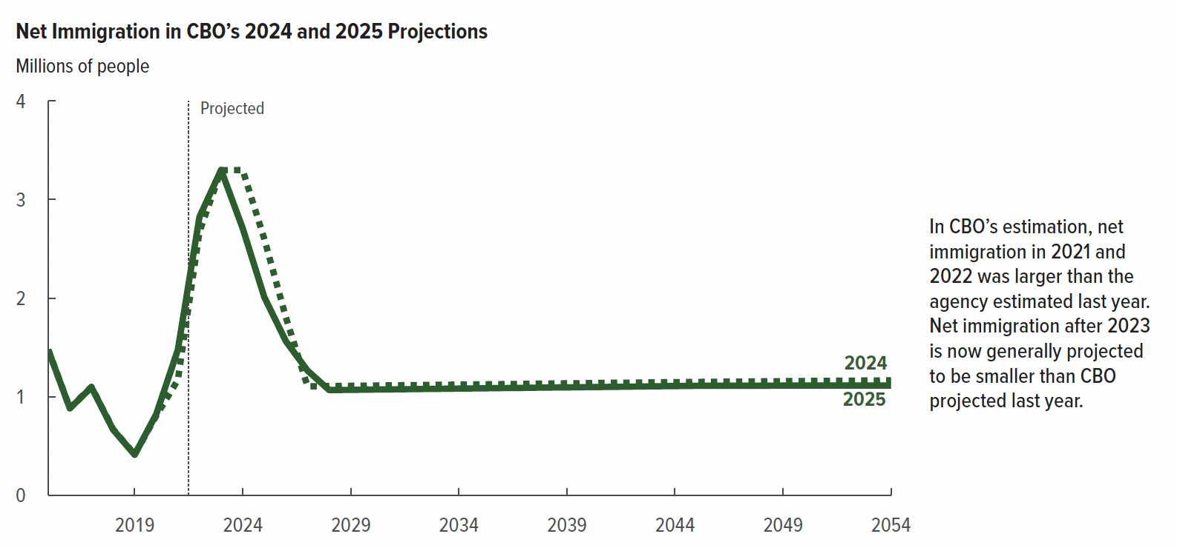
Figure 14. Net Immigration in CBO’s 2024 and 2025 Projections
Millions of people

 | 2024 | 2025
2015 | 1.48 | 1.48
2016 | 0.89 | 0.88
2017 | 1.10 | 1.10
2018 | 0.67 | 0.67
2019 | 0.42 | 0.41
2020 | 0.81 | 0.82
2021 | 1.17 | 1.48
2022 | 2.67 | 2.82
2023 | 3.30 | 3.30
2024 | 3.30 | 2.71
2025 | 2.60 | 2.01
2026 | 1.80 | 1.56
2027 | 1.11 | 1.27
2028 | 1.11 | 1.07
2029 | 1.11 | 1.07
2030 | 1.11 | 1.07
2031 | 1.12 | 1.08
2032 | 1.12 | 1.08
2033 | 1.12 | 1.08
2034 | 1.12 | 1.08
2035 | 1.13 | 1.09
2036 | 1.13 | 1.09
2037 | 1.13 | 1.09
2038 | 1.13 | 1.09
2039 | 1.14 | 1.10
2040 | 1.14 | 1.10
2041 | 1.14 | 1.10
2042 | 1.14 | 1.10
2043 | 1.15 | 1.11
2044 | 1.15 | 1.11
2045 | 1.15 | 1.11
2046 | 1.15 | 1.11
2047 | 1.15 | 1.11
2048 | 1.16 | 1.11
2049 | 1.16 | 1.11
2050 | 1.16 | 1.11
2051 | 1.16 | 1.11
2052 | 1.16 | 1.11
2053 | 1.16 | 1.11
2054 | 1.17 | 1.11

Back to Table of Contents

Figure 15
This file presents the data from the figures in CBO’s January 2025 report The Demographic Outlook: 2025 to 2055.
www.cbo.gov/publication/60875

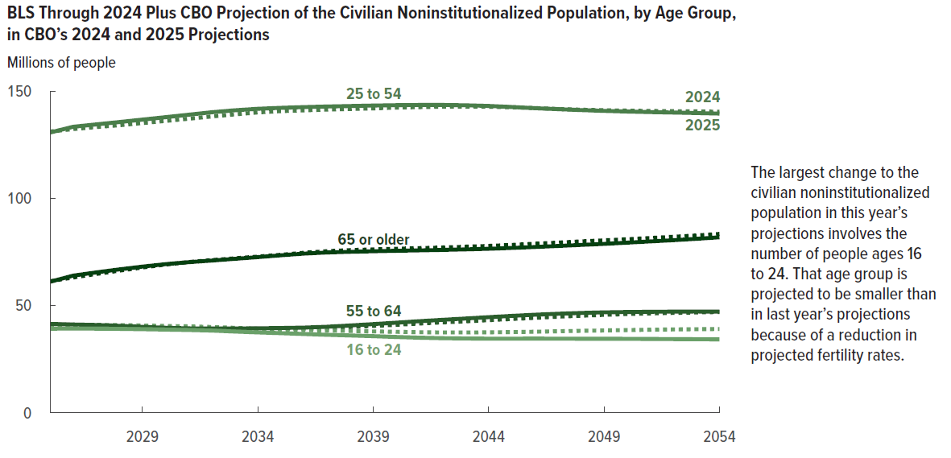
Figure 15. BLS Through 2024 Plus CBO Projection of the Civilian Noninstitutionalized Population, by Age Group, in CBO’s 2024 and 2025 Projections
Millions of people

 | 2024 |  |  |  |  | 2025
 | 16 to 24 | 25 to 54 | 55 to 64 | 65 or older | Total | 16 to 24 | 25 to 54 | 55 to 64 | 65 or older | Total
2025 | 41 | 131 | 41 | 61 | 274 | 39 | 131 | 41 | 61 | 272
2026 | 41 | 132 | 41 | 63 | 277 | 39 | 133 | 41 | 64 | 278
2027 | 41 | 133 | 41 | 65 | 280 | 39 | 135 | 41 | 65 | 280
2028 | 41 | 134 | 40 | 66 | 282 | 39 | 136 | 41 | 67 | 282
2029 | 41 | 135 | 40 | 68 | 283 | 39 | 137 | 40 | 68 | 284
2030 | 40 | 136 | 39 | 69 | 285 | 39 | 138 | 40 | 69 | 286
2031 | 40 | 137 | 39 | 70 | 287 | 39 | 139 | 39 | 70 | 287
2032 | 40 | 138 | 39 | 71 | 288 | 38 | 140 | 39 | 71 | 289
2033 | 40 | 139 | 39 | 72 | 290 | 38 | 141 | 39 | 72 | 290
2034 | 39 | 140 | 39 | 73 | 291 | 37 | 142 | 39 | 73 | 291
2035 | 39 | 141 | 39 | 74 | 292 | 37 | 142 | 40 | 73 | 292
2036 | 39 | 141 | 39 | 75 | 294 | 37 | 143 | 40 | 74 | 293
2037 | 38 | 141 | 39 | 75 | 295 | 36 | 143 | 40 | 75 | 294
2038 | 38 | 142 | 40 | 76 | 296 | 36 | 143 | 41 | 75 | 295
2039 | 38 | 142 | 40 | 76 | 297 | 36 | 143 | 41 | 75 | 296
2040 | 38 | 142 | 41 | 77 | 298 | 35 | 143 | 42 | 76 | 296
2041 | 38 | 143 | 42 | 77 | 299 | 35 | 144 | 43 | 76 | 297
2042 | 37 | 143 | 42 | 77 | 299 | 35 | 144 | 43 | 76 | 298
2043 | 37 | 143 | 43 | 77 | 300 | 35 | 143 | 44 | 76 | 298
2044 | 38 | 143 | 43 | 78 | 301 | 35 | 143 | 45 | 76 | 299
2045 | 38 | 143 | 44 | 78 | 302 | 35 | 143 | 45 | 77 | 299
2046 | 38 | 142 | 44 | 79 | 303 | 35 | 142 | 46 | 77 | 300
2047 | 38 | 142 | 45 | 79 | 304 | 35 | 142 | 46 | 78 | 300
2048 | 38 | 141 | 45 | 80 | 305 | 35 | 141 | 47 | 78 | 301
2049 | 38 | 141 | 46 | 80 | 306 | 35 | 141 | 47 | 79 | 301
2050 | 39 | 141 | 46 | 81 | 306 | 34 | 141 | 47 | 79 | 301
2051 | 39 | 141 | 46 | 82 | 307 | 34 | 140 | 47 | 80 | 302
2052 | 39 | 141 | 47 | 82 | 308 | 34 | 140 | 47 | 80 | 302
2053 | 39 | 141 | 47 | 83 | 309 | 34 | 140 | 47 | 81 | 302
2054 | 39 | 140 | 47 | 83 | 310 | 34 | 140 | 47 | 82 | 303

Back to Table of Contents

Figure A-1
This file presents the data from the figures in CBO’s January 2025 report The Demographic Outlook: 2025 to 2055.
www.cbo.gov/publication/60875

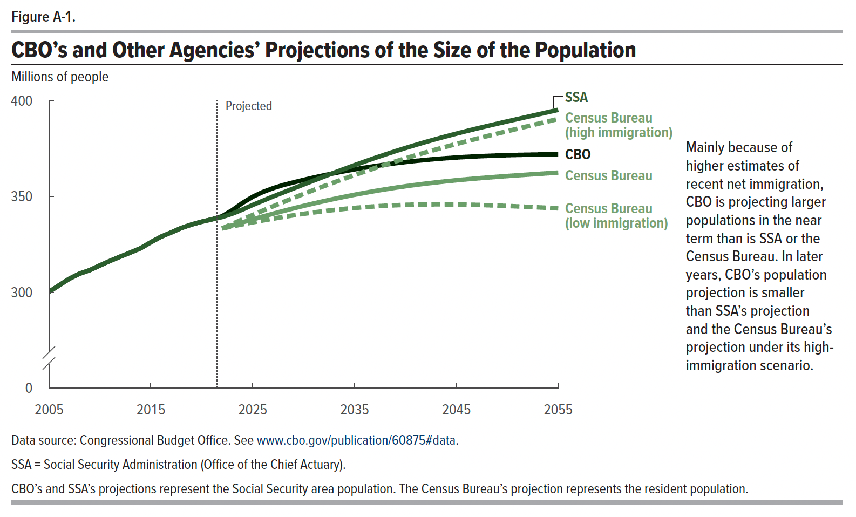
Figure A-1. CBO’s and Other Agencies’ Projections of the Size of the Population
Millions of people

 | CBO | SSA | Census Bureau (low immigration) | Census Bureau | Census Bureau (high immigration)
2005 | 300 | 300
2006 | 304 | 304
2007 | 307 | 307
2008 | 310 | 310
2009 | 312 | 312
2010 | 314 | 314
2011 | 316 | 316
2012 | 319 | 319
2013 | 321 | 321
2014 | 323 | 323
2015 | 326 | 326
2016 | 329 | 329
2017 | 331 | 331
2018 | 334 | 334
2019 | 335 | 335
2020 | 337 | 337
2021 | 338 | 338
2022 | 340 | 339 | 333 | 333 | 333
2023 | 343 | 341 | 334 | 335 | 336
2024 | 347 | 343 | 335 | 336 | 338
2025 | 350 | 346 | 336 | 338 | 340
2026 | 352 | 348 | 337 | 340 | 343
2027 | 354 | 350 | 338 | 341 | 345
2028 | 356 | 352 | 339 | 342 | 347
2029 | 357 | 354 | 340 | 344 | 349
2030 | 359 | 356 | 341 | 345 | 351
2031 | 360 | 358 | 342 | 346 | 353
2032 | 361 | 360 | 342 | 348 | 355
2033 | 362 | 362 | 343 | 349 | 357
2034 | 363 | 364 | 344 | 350 | 359
2035 | 364 | 366 | 344 | 351 | 361
2036 | 365 | 368 | 344 | 352 | 363
2037 | 366 | 370 | 345 | 353 | 365
2038 | 367 | 372 | 345 | 354 | 367
2039 | 367 | 374 | 345 | 355 | 368
2040 | 368 | 375 | 346 | 355 | 370
2041 | 369 | 377 | 346 | 356 | 371
2042 | 369 | 378 | 346 | 357 | 373
2043 | 370 | 380 | 346 | 357 | 375
2044 | 370 | 381 | 346 | 358 | 376
2045 | 370 | 383 | 346 | 358 | 377
2046 | 371 | 384 | 346 | 359 | 379
2047 | 371 | 385 | 346 | 359 | 380
2048 | 371 | 387 | 345 | 360 | 381
2049 | 371 | 388 | 345 | 360 | 383
2050 | 372 | 389 | 345 | 361 | 384
2051 | 372 | 390 | 345 | 361 | 385
2052 | 372 | 392 | 345 | 361 | 387
2053 | 372 | 393 | 344 | 362 | 388
2054 | 372 | 394 | 344 | 362 | 389
2055 | 372 | 395 | 344 | 362 | 390

Back to Table of Contents

Figure A-2
This file presents the data from the figures in CBO’s January 2025 report The Demographic Outlook: 2025 to 2055.
www.cbo.gov/publication/60875

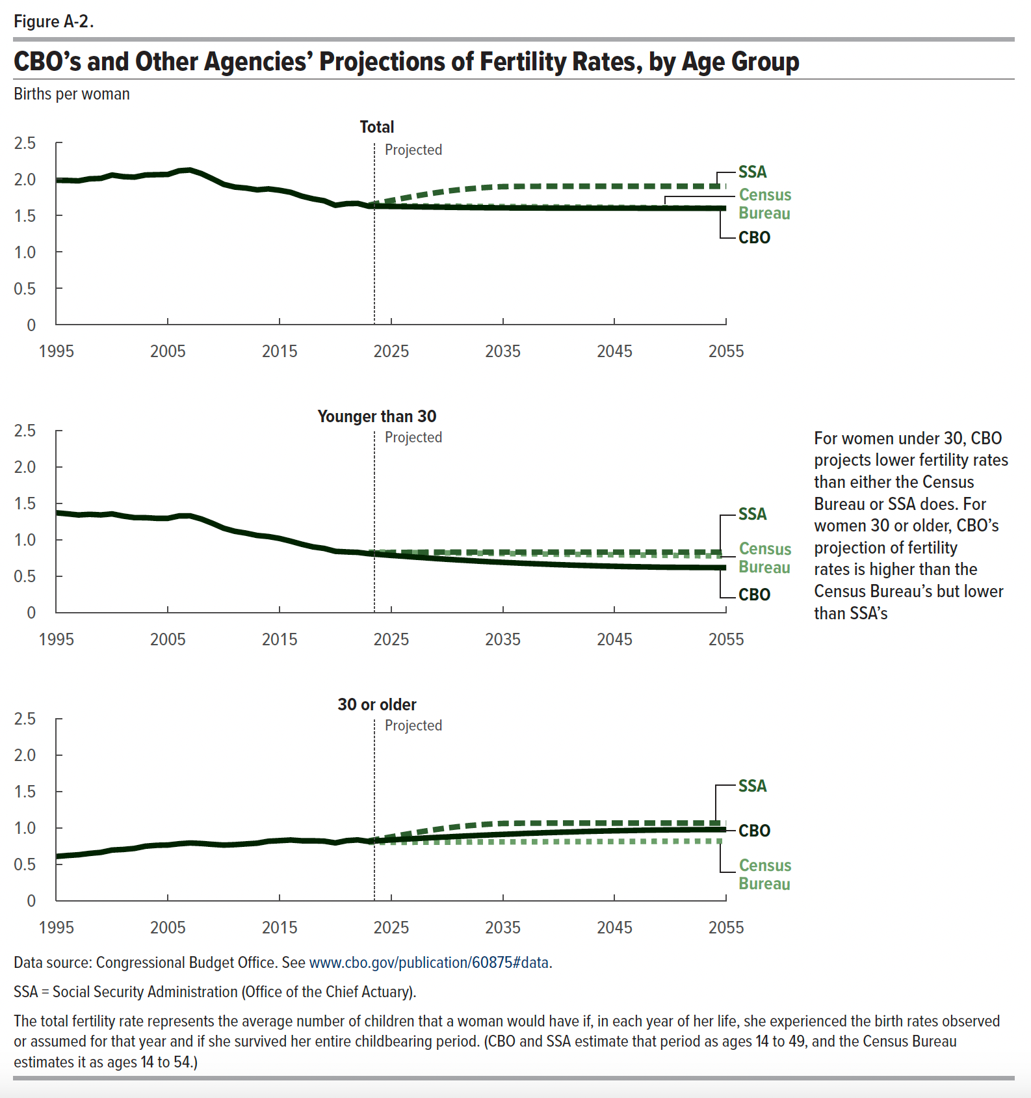
Figure A-2. CBO’s and Other Agencies’ Projections of Fertility Rates, by Age Group
Births per woman

 | Younger than 30 |  |  | 30 years or older |  |  | Total
 | CBO | SSA | Census Bureau | CBO | SSA | Census Bureau | CBO | SSA | Census Bureau
1995 | 1.4 | 1.4 |  | 0.6 | 0.6 |  | 2.0 | 2.0
1996 | 1.4 | 1.4 |  | 0.6 | 0.6 |  | 2.0 | 2.0
1997 | 1.3 | 1.3 |  | 0.6 | 0.6 |  | 2.0 | 2.0
1998 | 1.4 | 1.4 |  | 0.7 | 0.7 |  | 2.0 | 2.0
1999 | 1.3 | 1.3 |  | 0.7 | 0.7 |  | 2.0 | 2.0
2000 | 1.4 | 1.4 |  | 0.7 | 0.7 |  | 2.1 | 2.1
2001 | 1.3 | 1.3 |  | 0.7 | 0.7 |  | 2.0 | 2.0
2002 | 1.3 | 1.3 |  | 0.7 | 0.7 |  | 2.0 | 2.0
2003 | 1.3 | 1.3 |  | 0.8 | 0.8 |  | 2.1 | 2.1
2004 | 1.3 | 1.3 |  | 0.8 | 0.8 |  | 2.1 | 2.1
2005 | 1.3 | 1.3 |  | 0.8 | 0.8 |  | 2.1 | 2.1
2006 | 1.3 | 1.3 |  | 0.8 | 0.8 |  | 2.1 | 2.1
2007 | 1.3 | 1.3 |  | 0.8 | 0.8 |  | 2.1 | 2.1
2008 | 1.3 | 1.3 |  | 0.8 | 0.8 |  | 2.1 | 2.1
2009 | 1.2 | 1.2 |  | 0.8 | 0.8 |  | 2.0 | 2.0
2010 | 1.2 | 1.2 |  | 0.8 | 0.8 |  | 1.9 | 1.9
2011 | 1.1 | 1.1 |  | 0.8 | 0.8 |  | 1.9 | 1.9
2012 | 1.1 | 1.1 |  | 0.8 | 0.8 |  | 1.9 | 1.9
2013 | 1.1 | 1.1 |  | 0.8 | 0.8 |  | 1.9 | 1.9
2014 | 1.0 | 1.0 |  | 0.8 | 0.8 |  | 1.9 | 1.9
2015 | 1.0 | 1.0 |  | 0.8 | 0.8 |  | 1.8 | 1.8
2016 | 1.0 | 1.0 |  | 0.8 | 0.8 |  | 1.8 | 1.8
2017 | 0.9 | 0.9 |  | 0.8 | 0.8 |  | 1.8 | 1.8
2018 | 0.9 | 0.9 |  | 0.8 | 0.8 |  | 1.7 | 1.7
2019 | 0.9 | 0.9 |  | 0.8 | 0.8 |  | 1.7 | 1.7
2020 | 0.8 | 0.8 |  | 0.8 | 0.8 |  | 1.6 | 1.6
2021 | 0.8 | 0.8 |  | 0.8 | 0.8 |  | 1.7 | 1.7
2022 | 0.8 | 0.8 |  | 0.8 | 0.8 |  | 1.7 | 1.7
2023 | 0.8 | 0.8 | 0.8 | 0.8 | 0.8 | 0.8 | 1.6 | 1.6 | 1.6
2024 | 0.8 | 0.8 | 0.8 | 0.8 | 0.9 | 0.8 | 1.6 | 1.7 | 1.6
2025 | 0.8 | 0.8 | 0.8 | 0.8 | 0.9 | 0.8 | 1.6 | 1.7 | 1.6
2026 | 0.8 | 0.8 | 0.8 | 0.8 | 0.9 | 0.8 | 1.6 | 1.7 | 1.6
2027 | 0.8 | 0.8 | 0.8 | 0.9 | 0.9 | 0.8 | 1.6 | 1.8 | 1.6
2028 | 0.8 | 0.8 | 0.8 | 0.9 | 1.0 | 0.8 | 1.6 | 1.8 | 1.6
2029 | 0.7 | 0.8 | 0.8 | 0.9 | 1.0 | 0.8 | 1.6 | 1.8 | 1.6
2030 | 0.7 | 0.8 | 0.8 | 0.9 | 1.0 | 0.8 | 1.6 | 1.8 | 1.6
2031 | 0.7 | 0.8 | 0.8 | 0.9 | 1.0 | 0.8 | 1.6 | 1.9 | 1.6
2032 | 0.7 | 0.8 | 0.8 | 0.9 | 1.0 | 0.8 | 1.6 | 1.9 | 1.6
2033 | 0.7 | 0.8 | 0.8 | 0.9 | 1.0 | 0.8 | 1.6 | 1.9 | 1.6
2034 | 0.7 | 0.8 | 0.8 | 0.9 | 1.1 | 0.8 | 1.6 | 1.9 | 1.6
2035 | 0.7 | 0.8 | 0.8 | 0.9 | 1.1 | 0.8 | 1.6 | 1.9 | 1.6
2036 | 0.7 | 0.8 | 0.8 | 0.9 | 1.1 | 0.8 | 1.6 | 1.9 | 1.6
2037 | 0.7 | 0.8 | 0.8 | 0.9 | 1.1 | 0.8 | 1.6 | 1.9 | 1.6
2038 | 0.7 | 0.8 | 0.8 | 0.9 | 1.1 | 0.8 | 1.6 | 1.9 | 1.6
2039 | 0.7 | 0.8 | 0.8 | 0.9 | 1.1 | 0.8 | 1.6 | 1.9 | 1.6
2040 | 0.7 | 0.8 | 0.8 | 0.9 | 1.1 | 0.8 | 1.6 | 1.9 | 1.6
2041 | 0.7 | 0.8 | 0.8 | 0.9 | 1.1 | 0.8 | 1.6 | 1.9 | 1.6
2042 | 0.7 | 0.8 | 0.8 | 1.0 | 1.1 | 0.8 | 1.6 | 1.9 | 1.6
2043 | 0.6 | 0.8 | 0.8 | 1.0 | 1.1 | 0.8 | 1.6 | 1.9 | 1.6
2044 | 0.6 | 0.8 | 0.8 | 1.0 | 1.1 | 0.8 | 1.6 | 1.9 | 1.6
2045 | 0.6 | 0.8 | 0.8 | 1.0 | 1.1 | 0.8 | 1.6 | 1.9 | 1.6
2046 | 0.6 | 0.8 | 0.8 | 1.0 | 1.1 | 0.8 | 1.6 | 1.9 | 1.6
2047 | 0.6 | 0.8 | 0.8 | 1.0 | 1.1 | 0.8 | 1.6 | 1.9 | 1.6
2048 | 0.6 | 0.8 | 0.8 | 1.0 | 1.1 | 0.8 | 1.6 | 1.9 | 1.6
2049 | 0.6 | 0.8 | 0.8 | 1.0 | 1.1 | 0.8 | 1.6 | 1.9 | 1.6
2050 | 0.6 | 0.8 | 0.8 | 1.0 | 1.1 | 0.8 | 1.6 | 1.9 | 1.6
2051 | 0.6 | 0.8 | 0.8 | 1.0 | 1.1 | 0.8 | 1.6 | 1.9 | 1.6
2052 | 0.6 | 0.8 | 0.8 | 1.0 | 1.1 | 0.8 | 1.6 | 1.9 | 1.6
2053 | 0.6 | 0.8 | 0.8 | 1.0 | 1.1 | 0.8 | 1.6 | 1.9 | 1.6
2054 | 0.6 | 0.8 | 0.8 | 1.0 | 1.1 | 0.8 | 1.6 | 1.9 | 1.6
2055 | 0.6 | 0.8 | 0.8 | 1.0 | 1.1 | 0.8 | 1.6 | 1.9 | 1.6

Back to Table of Contents

Figure A-3
This file presents the data from the figures in CBO’s January 2025 report The Demographic Outlook: 2025 to 2055.
www.cbo.gov/publication/60875

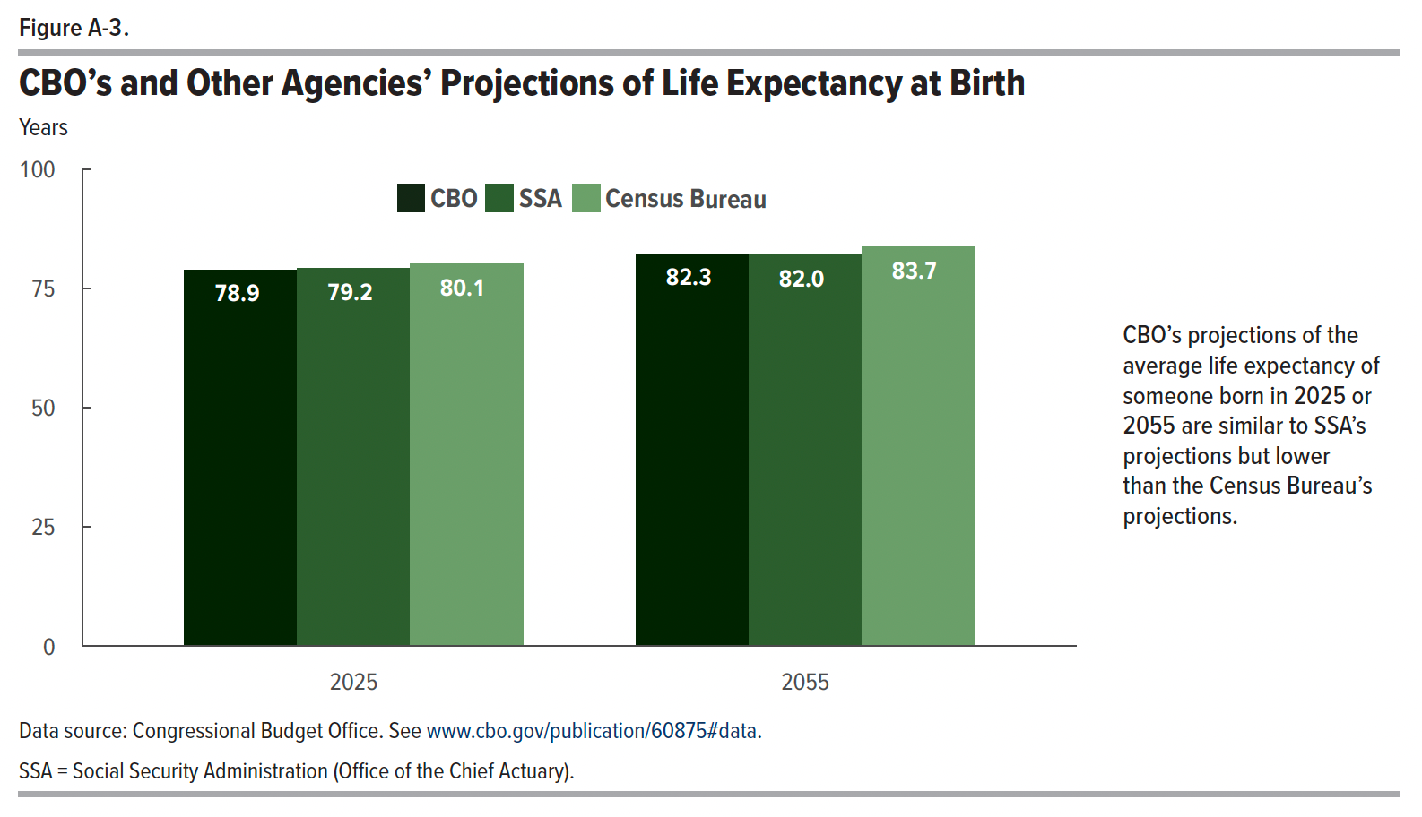
Figure A-3. CBO’s and Other Agencies’ Projections of Life Expectancy at Birth
Years

 | CBO | SSA | Census Bureau
2025 | 78.9 | 79.2 | 80.1
2055 | 82.3 | 82.0 | 83.7

Back to Table of Contents

Figure A-4
This file presents the data from the figures in CBO’s January 2025 report The Demographic Outlook: 2025 to 2055.
www.cbo.gov/publication/60875

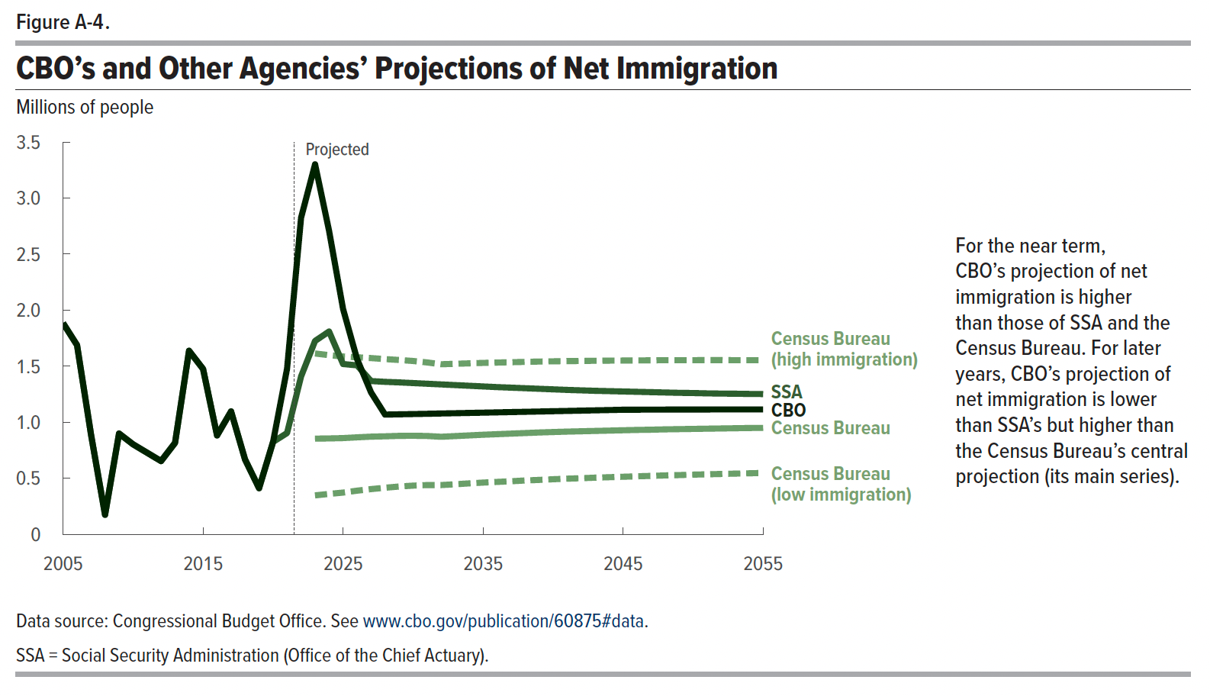
Figure A-4. CBO’s and Other Agencies’ Projections of Net Immigration
Millions of people

 | CBO | Census Bureau (low immigration) | Census Bureau | Census Bureau (high immigration) | SSA
2005 | 1.88 |  |  |  | 1.88
2006 | 1.69 |  |  |  | 1.69
2007 | 0.89 |  |  |  | 0.89
2008 | 0.17 |  |  |  | 0.17
2009 | 0.90 |  |  |  | 0.90
2010 | 0.80 |  |  |  | 0.80
2011 | 0.73 |  |  |  | 0.73
2012 | 0.65 |  |  |  | 0.65
2013 | 0.82 |  |  |  | 0.82
2014 | 1.64 |  |  |  | 1.64
2015 | 1.48 |  |  |  | 1.48
2016 | 0.88 |  |  |  | 0.88
2017 | 1.10 |  |  |  | 1.10
2018 | 0.67 |  |  |  | 0.67
2019 | 0.41 |  |  |  | 0.41
2020 | 0.82 |  |  |  | 0.82
2021 | 1.48 |  |  |  | 0.90
2022 | 2.82 |  |  |  | 1.41
2023 | 3.30 | 0.35 | 0.85 | 1.61 | 1.73
2024 | 2.71 | 0.36 | 0.86 | 1.60 | 1.81
2025 | 2.01 | 0.37 | 0.86 | 1.59 | 1.52
2026 | 1.56 | 0.39 | 0.87 | 1.58 | 1.51
2027 | 1.27 | 0.40 | 0.87 | 1.57 | 1.37
2028 | 1.07 | 0.42 | 0.87 | 1.56 | 1.36
2029 | 1.07 | 0.43 | 0.88 | 1.56 | 1.36
2030 | 1.07 | 0.43 | 0.88 | 1.55 | 1.35
2031 | 1.08 | 0.44 | 0.88 | 1.53 | 1.34
2032 | 1.08 | 0.44 | 0.87 | 1.52 | 1.34
2033 | 1.08 | 0.45 | 0.88 | 1.52 | 1.33
2034 | 1.08 | 0.45 | 0.88 | 1.53 | 1.33
2035 | 1.09 | 0.46 | 0.89 | 1.53 | 1.32
2036 | 1.09 | 0.47 | 0.89 | 1.53 | 1.31
2037 | 1.09 | 0.47 | 0.90 | 1.54 | 1.31
2038 | 1.09 | 0.48 | 0.90 | 1.54 | 1.30
2039 | 1.10 | 0.49 | 0.91 | 1.54 | 1.30
2040 | 1.10 | 0.49 | 0.91 | 1.54 | 1.29
2041 | 1.10 | 0.50 | 0.92 | 1.55 | 1.29
2042 | 1.10 | 0.50 | 0.92 | 1.55 | 1.28
2043 | 1.11 | 0.51 | 0.92 | 1.55 | 1.28
2044 | 1.11 | 0.51 | 0.93 | 1.55 | 1.28
2045 | 1.11 | 0.51 | 0.93 | 1.55 | 1.27
2046 | 1.11 | 0.52 | 0.93 | 1.55 | 1.27
2047 | 1.11 | 0.52 | 0.93 | 1.55 | 1.27
2048 | 1.11 | 0.53 | 0.94 | 1.55 | 1.27
2049 | 1.11 | 0.53 | 0.94 | 1.55 | 1.26
2050 | 1.11 | 0.53 | 0.94 | 1.55 | 1.26
2051 | 1.11 | 0.54 | 0.94 | 1.55 | 1.26
2052 | 1.11 | 0.54 | 0.94 | 1.55 | 1.26
2053 | 1.11 | 0.54 | 0.95 | 1.55 | 1.25
2054 | 1.11 | 0.54 | 0.95 | 1.55 | 1.25
2055 | 1.11 | 0.55 | 0.95 | 1.55 | 1.25

Back to Table of Contents

