Lapa1
Test case ID | Test case name | Test case Description | Pre-condition | Test Steps | Expected Result | Actual Result | Result | Comments
TC_001 | Create Report | As Admin trying to create user | Login as admin | 1. As admin click on PIM on side bar 2. Click on reports on nav bar 3. Open one of records | See report without errors | Get a lot of errors in console, Example: 53index.js:3204 TypeError: Cannot read properties of undefined (reading 'focused') at push.5432.qe.readonly.onMouseMove (revogr-overlay-selection2.js:485:36) at HTMLDocument.<anonymous> (index.js:3007:35) undefined | FAIL | 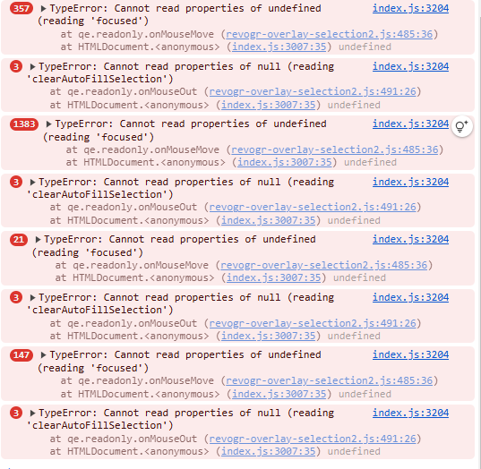
TC_002 | Users Search | As Admin filter users | Login as admin | 1. Click on Admin on side bar 2. Enter not full username in Username field. 3. Click search | Should show all users who has entered letters in username | Shows nothing | FAIL | Works only if write full username
TC_003 | Recruitment Rejection or Shortlist | As Admin save "reject" message | Login as admin | 1. Click on recruitment on side bar 2. Click on eye icon on one of the Person records 3. Click on Reject or ShortList 3. Click save | The aplication gets rejected or shortlisted | Gets unexpected error (500 (internal server error) | FAIL
TC_004 | Assign leave | As admin assign leave of employee | Login as admin | 1. Click on Leave on side bar 2. Click Assign leave 3. Filling fields Partial Days, duration or from date, to date | Admin can fill fields without errors | Get 422 (Unprocessable Content) error | FAIL | 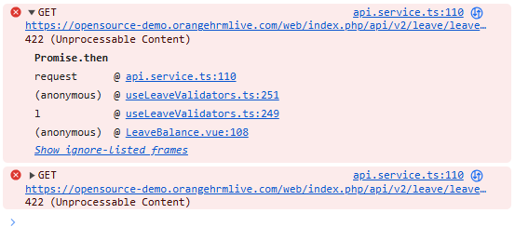
TC_005 | Page header | On page 'My info', wrong title 'PIM' | Must be logged in | 1. Click on My Info on side bar | Title should be My Info | Title is PIM | FAIL | 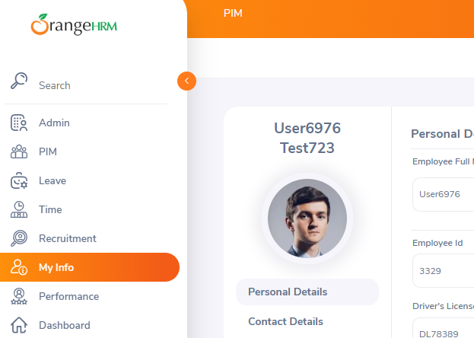
TC_006 | Delete my education | Can't delete education in My Info | Must be logged in | 1. Clkick on My info on side bar 2. Click on qualifications 3. Create education if there is not 4. Click on delete button | Education should be deleted | Error occurs | FAIL | 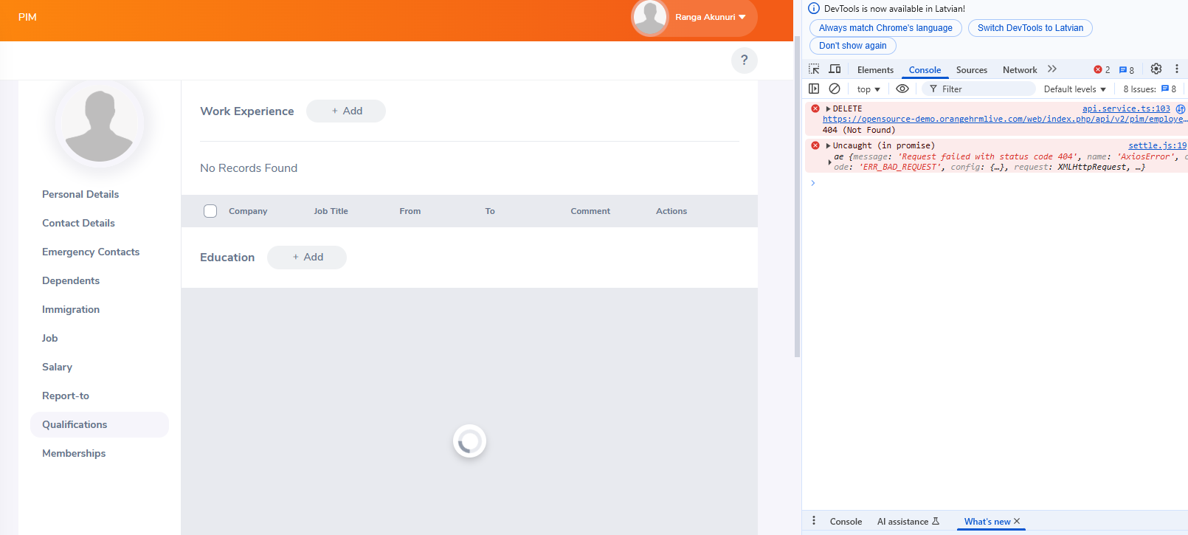
TC_007 | Change personal details | Chnange or add new details like gender, name | Must be logged in | 1. Click on My Info on side bar 2. Change any fields in Personal Details 3. Click save | Details must be changed |  | Success
TC_008 | Searching in directory | Serch employees by name, job title, location | Must be logged in | 1. Click on Directory on side bar 2. Choose employee name or job title or location 3. Press search | Searched employee dispayed |  | Success
TC_009 | Creating post | Creating post withot photo or video, only text | Must be logged in | 1. Click on buzz on side bar 2. Whrite something in input field 'What's on your mind?' 3. Press post | Post must be posted |  | Success
TC_010 | Writing comment | Write a comment under the post | Must be logged in | 1. Click on Buzz on side bar 2. Click on comment button under the post 3. Write your comment in input field 4. Press enter | Comment must be commented |  | Success

