general
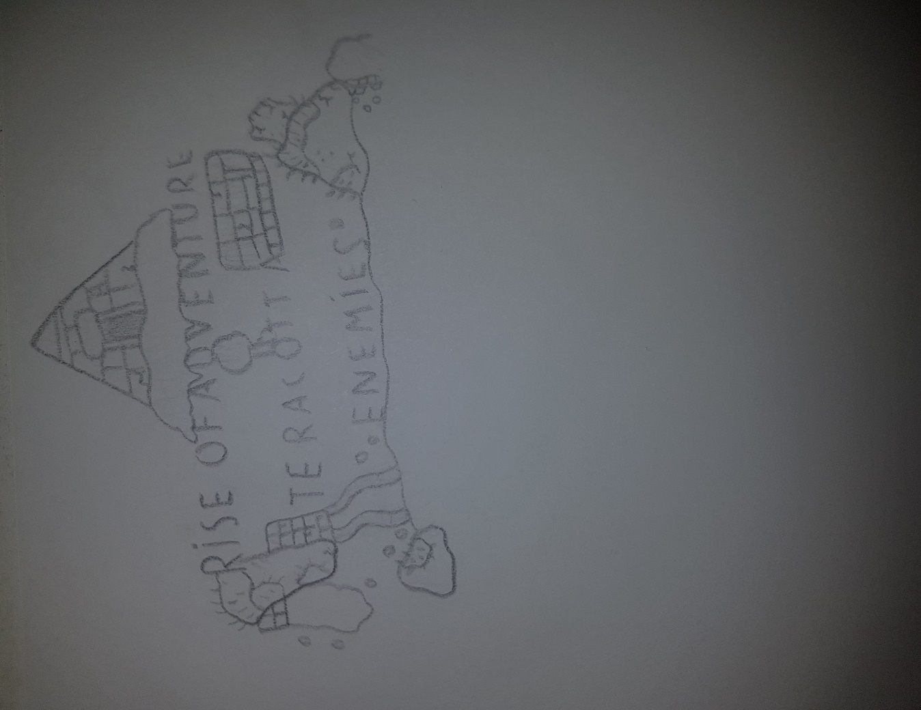
unconfurmed | devs name | working on | sprite/code/general
no one is working on it
work in progress
done(its in the game)

note

classes
Classes
 | priest | totem/aoe

 | shaman | summon something that hurts u so u have to like guide it to fight the boss
 |  | so u whould have mulitple rituals that summon different thing so u have a stong for the bosses and a weak one for exploration
 |  | so the rituals are like a place fixed thing and your "weapons" is something that influences them, like a blind monster that goes 1 direction but if u make a sound with ur weapon it goes that way

 |  | so insted of just consuming mana, it locks the mana container for the time the ritual is active
 |  | there are two way: 1: its like a boss sommoning but it only lasts for x amont of time 2: there is a placable structure where u can activate/diactive it that lock ur mana
 |  | instead of summoning a monster, u get a weapon that has a cooldown (drains all of your mana)
 |  | there are 2 ways: consistant summon but weak or random (always strong)
 |  | so your weapon dosent do dmg but it has a range that the monster reacts to
 |  | the summons can be anything, like monsters or effects
 |  | some summons have a area where they are active, these are stonger than the ones that effect the whole map
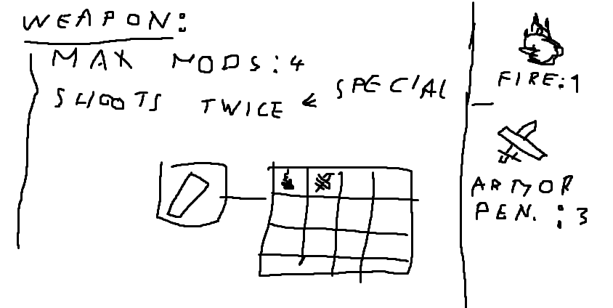

 | mofieder | weapon with different global buffs for the modifiers, like use all stat incrase twice
 |  | each modifier worth x points, so does each base hase max amonts of points
 |  | base = weapons
 |  | basicly thinkers construct + hk token system

 | slow,high dmg

weapons
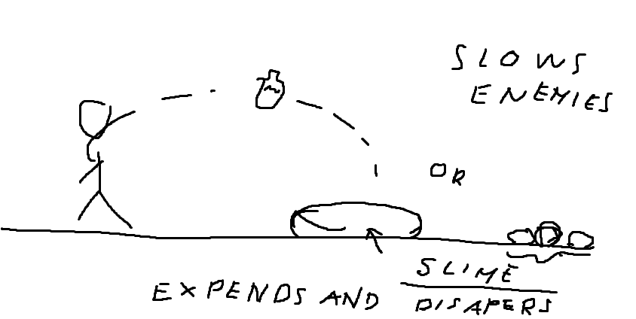
name | class | item image | stats | drop by | special | description (in game) | sound | idea
slime in a bottle | ranger/thrower |  | Damage: 9 | king slime
 |  |  | Knockback: 5
 |  |  | Crit chance: 4%
 |  |  | Use time: 25

Kaatana | melee |  | Damage: 14 | king slime | dash
 |  |  | Knockback: 2
 |  |  | Crit chance: 4%
 |  |  | Use time: 23

Sticky Shuriken | ranger/thrower

the slime rain | summoner/magic

