Cover
Excel Basics 9: Number Formatting as Façade & the ROUND Function

 |  | Office 2016 Video #21

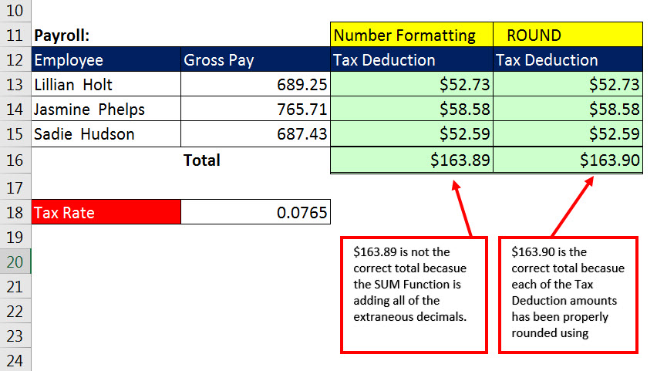

 | Number Formatting displays number a certain way without changing it!

 | Formula can't "see" Number Formatting

NF(3)
Number Formatting can save us a lot of time with data entry!!

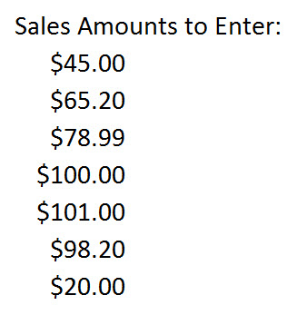
 | Sales | Sales
 | $45.00 | $45.00
 | $65.20 | $65.20
 | $78.99 | $78.99
 | $100.00 | $100.00
 | $101.00 | $101.00
 | $98.20 | $98.20
 | $20.00 | $20.00

ROUND(2)
When you MUST use ROUND: |  |  | When not to use ROUND:
1) You are required to round, like with Money. |  |  | When you are just looking at number, then you can use Number Formatting
2) You have extraneous decimals, like past the penny position.
3) You will use formula result in a subsequent formula.

Rules for ROUND: |  |  | Examples where you often have to round your numbers:
Round to penny (hundredths position) use 2 |  |  | Payroll
Round to dollar (ones position) use 0 |  |  | Invoices
Round to thousands (thousands position) use -3 |  |  | Income Taxes

$163.89 is not the correct total becasue the SUM Function is adding all of the extraneous decimals.
$163.90 is the correct total becasue each of the Tax Deduction amounts has been properly rounded using ROUND.
Payroll: |  | No ROUND | ROUND
Employee | Gross Pay ($) | Tax Deduction | Tax Deduction | Type What you see:
Lillian Holt | 689.25 | $52.73 | $52.73 | 52.73
Jasmine Phelps | 765.71 | $58.58 | $58.58 | 58.58
Sadie Hudson | 687.43 | $52.59 | $52.59 | 52.59
 | Total | $163.89 | $163.90 | 163.90

Tax Rate | 0.0765

Invoicing:
Invoice Number | 1025
Item | Price ($) | Units | Total |  | Total
1'' screws | 0.0513 | 31 | 1.59 |  | $1.59
2'' screws | 0.0775 | 21 | 1.63 |  | $1.63
6" lock pads | 1.057 | 11 | 11.63 |  | $11.63
 |  | Subtotal | $14.85 | Tax Rate | $14.84
 |  | Tax | $1.45 | 9.75%
 |  | Total | $16.30
Thanks for your Order!

**Payroll Taxes and Invoices often times have to round to the penny.
**Sometimes for INCOME TAXES you have to round to the dollar.

Income Tax:
Taxable Amount | Tax rounded to dollar |  | Tax Rate
$2,345.98 | $364.00 |  | 0.155
$345.49 | $54.00
$235.80 | $37.00
$2,541.12 | $394.00

ROUND(2an)
When you MUST use ROUND: |  |  | When not to use ROUND:
1) You are required to round, like with Money. |  |  | When you are just looking at number, then you can use Number Formatting
2) You have extraneous decimals, like past the penny position.
3) You will use formula result in a subsequent formula.

Rules for ROUND: |  |  | Examples where you often have to round your numbers:
Round to penny (hundredths position) use 2 |  |  | Payroll
Round to dollar (ones position) use 0 |  |  | Invoices
Round to thousands (thousands position) use -3 |  |  | Income Taxes

$163.89 is not the correct total becasue the SUM Function is adding all of the extraneous decimals.
$163.90 is the correct total becasue each of the Tax Deduction amounts has been properly rounded using ROUND.
Payroll: |  | No ROUND | ROUND
Employee | Gross Pay | Tax Deduction | Tax Deduction | Type What you see:
Lillian Holt | 689.25 | $52.73 | $52.73 | 52.73
Jasmine Phelps | 765.71 | $58.58 | $58.58 | 58.58
Sadie Hudson | 687.43 | $52.59 | $52.59 | 52.59
 | Total | $163.89 | $163.90 | 163.9

Tax Rate | 0.0765

Invoicing:
Invoice Number | 1025
Item | Price | Units | Total |  | Total
1'' screws | 0.0513 | 31 | $1.59 |  | $1.59
2'' screws | 0.0775 | 21 | $1.63 |  | $1.63
6" lock pads | 1.057 | 11 | $11.63 |  | $11.63
 |  | Subtotal | $14.85 | Tax Rate | $14.84
 |  | Tax | $1.45 | 9.75%
 |  | Total | $16.30
Thanks for your Order!

**Payroll Taxes and Invoices often times have to round to the penny.
**Sometimes for INCOME TAXES you have to round to the dollar.

Income Tax:
Taxable Amount | Tax rounded to dollar |  | Tax Rate
$2,345.98 | $364.00 |  | 0.155
$345.49 | $54.00
$235.80 | $37.00
$2,541.12 | $394.00

