Cover
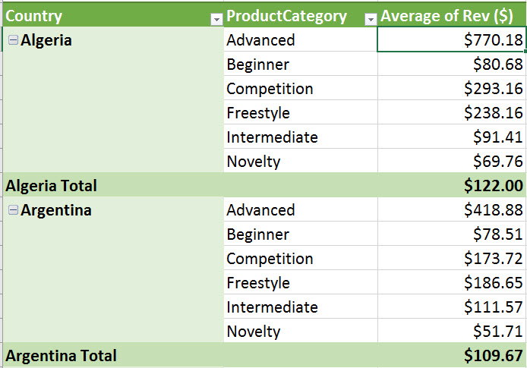
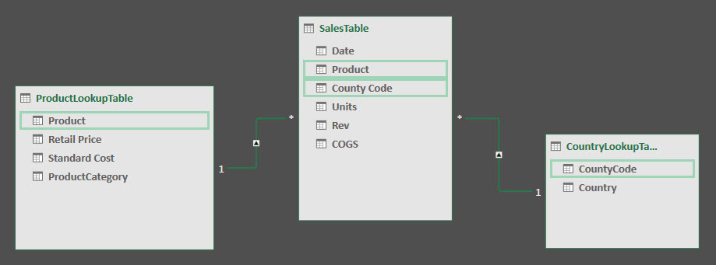

Excel Basics 21: Relationships Rather than VLOOKUP for PivotTable Reports (Excel 2016 Data Model)

 | Office 2016 Video #33

