Summary
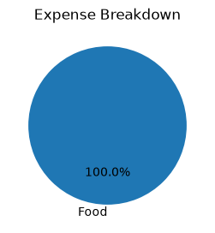
Finsights Report (2026-07-01 to 2026-07-20)

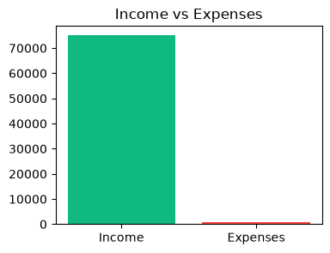
Total Income | 75000.00
Total Expenses | 800.00
Net Savings | 74200.00

