EDA 1
What are the purchasing patterns of new customers versus repeat customers?

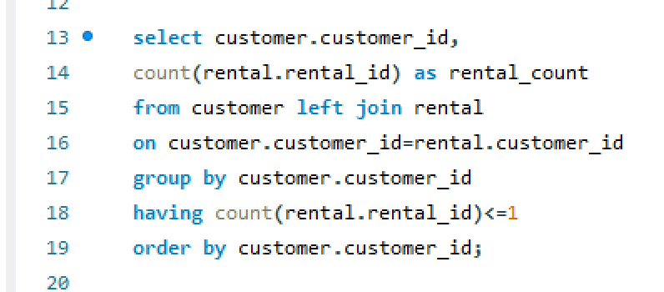

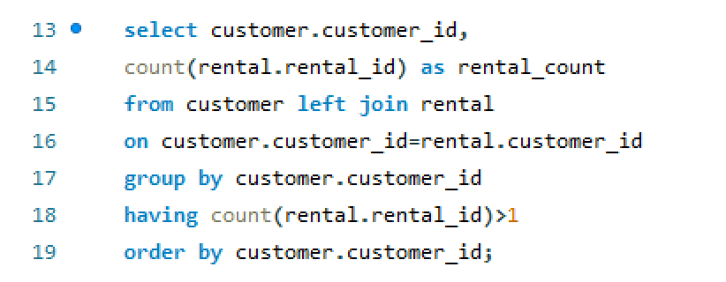
 | Customer_Id | Rental_count
 | 1 | 32
 | 2 | 27
 | 3 | 26
 | 4 | 22
 | 5 | 38
 | 6 | 28
 | 7 | 33
 | 8 | 24 |  |  | Customer_Id | Rental_count
 | 9 | 23
 | 10 | 25
 | 11 | 24
After analyzing the dataset and running relevant sql queries I found out that all customers are repeated customers and have rented DVDs multiple times.
Hence, I can conclude that there are no new customers to analyze purchasing pattern of new customers versus repeat customers.
 | 12 | 28
 | 13 | 27
 | 14 | 28
 | 15 | 32
 | 16 | 28
 | 17 | 21
 | 18 | 22
 | 19 | 24
 | 20 | 30
 | 21 | 35
But I have analysed purchasing pattern of customers based on recent and old rental orders i.e who have ordered DVDs in last 30 days and who haven't.
 | 22 | 22
 | 23 | 30
 | 24 | 25
 | 25 | 29
 | 26 | 34
 | 27 | 31
 | 28 | 32
 | 29 | 36
 | 30 | 34 | Customer_Id | Rental_count
 | 31 | 26 | 5 | 1
 | 32 | 29 | 9 | 1
There are total 158 customers who have placed DVD rental order in last 30 days.
 | 33 | 21 | 11 | 1
 | 34 | 24 | 14 | 1
 | 35 | 32 | 15 | 2
 | 36 | 27 | 21 | 1
 | 37 | 23 | 22 | 1
There are total 441 customers who haven't placed any DVD rental order in last 30 days.
 | 38 | 34 | 23 | 1
 | 39 | 29 | 28 | 1
 | 40 | 27 | 29 | 1
 | 41 | 25 | 33 | 1
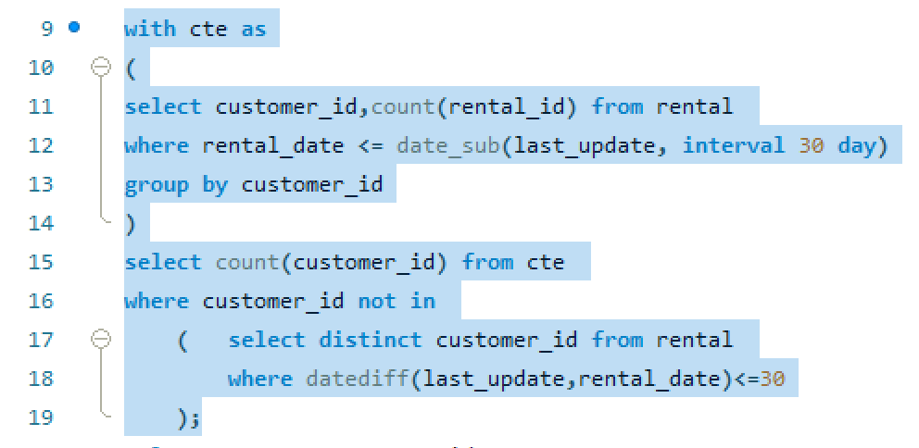
 | 42 | 30 | 41 | 1
 | 43 | 24 | 42 | 2
 | 44 | 26 | 43 | 2 |  |  | count(customer_id)
 | 45 | 27 | 44 | 1 |  |  | 441
 | 46 | 34 | 52 | 1
 | 47 | 22 | 53 | 2
 | 48 | 17 | 56 | 1
 | 49 | 28 | 58 | 1
 | 50 | 35 | 60 | 2
 | 51 | 33 | 64 | 1
 | 52 | 29 | 69 | 1
 | 53 | 30 | 73 | 1
 | 54 | 29 | 75 | 3
 | 55 | 22 | 80 | 1
 | 56 | 30 | 83 | 1
 | 57 | 28 | 87 | 1
 | 58 | 27 | 91 | 1
 | 59 | 27 | 94 | 1
 | 60 | 25 | 99 | 1
 | 61 | 14 | 100 | 1
 | 62 | 23 | 101 | 1
 | 63 | 25 | 107 | 2
 | 64 | 33 | 108 | 1
 | 65 | 22 | 111 | 1
 | 66 | 34 | 114 | 1
 | 67 | 22 | 115 | 1
 | 68 | 22 | 120 | 1
 | 69 | 25 | 135 | 1
 | 70 | 18 | 142 | 1
 | 71 | 30 | 152 | 1
 | 72 | 30 | 155 | 2
 | 73 | 24 | 162 | 1
 | 74 | 27 | 163 | 2
 | 75 | 41 | 168 | 1
 | 76 | 23 | 175 | 2
 | 77 | 28 | 178 | 1
 | 78 | 31 | 180 | 1
 | 79 | 22 | 181 | 1
 | 80 | 30 | 186 | 1
 | 81 | 22 | 188 | 1
 | 82 | 26 | 190 | 1
 | 83 | 25 | 191 | 1
 | 84 | 33 | 192 | 1
 | 85 | 23 | 193 | 1
 | 86 | 33 | 199 | 1
 | 87 | 30 | 200 | 1
 | 88 | 21 | 208 | 2
 | 89 | 32 | 211 | 1
 | 90 | 28 | 213 | 1
 | 91 | 35 | 214 | 1
 | 92 | 28 | 215 | 1
 | 93 | 23 | 216 | 2
 | 94 | 21 | 219 | 1
 | 95 | 18 | 227 | 1
 | 96 | 27 | 228 | 2
 | 97 | 18 | 229 | 1
 | 98 | 25 | 234 | 1
 | 99 | 24 | 236 | 1
 | 100 | 24 | 244 | 1
 | 101 | 24 | 245 | 1
 | 102 | 33 | 251 | 1
 | 103 | 31 | 252 | 1
 | 104 | 24 | 263 | 1
 | 105 | 26 | 264 | 1
 | 106 | 23 | 267 | 2
 | 107 | 30 | 269 | 2
 | 108 | 30 | 274 | 1
 | 109 | 26 | 279 | 1
 | 110 | 14 | 282 | 1
 | 111 | 26 | 284 | 2
 | 112 | 30 | 287 | 1
 | 113 | 29 | 295 | 1
 | 114 | 33 | 296 | 1
 | 115 | 30 | 300 | 1
 | 116 | 27 | 315 | 1
 | 117 | 19 | 317 | 1
 | 118 | 21 | 324 | 1
 | 119 | 34 | 327 | 1
 | 120 | 32 | 330 | 1
 | 121 | 26 | 334 | 1
 | 122 | 32 | 335 | 1
 | 123 | 24 | 336 | 1
 | 124 | 18 | 337 | 1
 | 125 | 32 | 349 | 1
 | 126 | 28 | 352 | 1
 | 127 | 24 | 354 | 2
 | 128 | 32 | 355 | 1
 | 129 | 34 | 359 | 1
 | 130 | 24 | 361 | 2
 | 131 | 30 | 366 | 1
 | 132 | 28 | 369 | 1
 | 133 | 27 | 373 | 1
 | 134 | 23 | 374 | 1
 | 135 | 30 | 388 | 1
 | 136 | 15 | 394 | 1
 | 137 | 39 | 405 | 1
 | 138 | 34 | 410 | 1
 | 139 | 27 | 411 | 1
 | 140 | 18 | 412 | 1
 | 141 | 32 | 417 | 1
 | 142 | 26 | 421 | 1
 | 143 | 22 | 422 | 1
 | 144 | 42 | 424 | 1
 | 145 | 28 | 431 | 1
 | 146 | 29 | 438 | 1
 | 147 | 34 | 440 | 1
 | 148 | 46 | 441 | 1
 | 149 | 26 | 448 | 2
 | 150 | 25 | 450 | 1
 | 151 | 27 | 452 | 1
 | 152 | 21 | 457 | 2
 | 153 | 24 | 472 | 1
 | 154 | 30 | 474 | 1
 | 155 | 25 | 476 | 1
 | 156 | 25 | 479 | 1
 | 157 | 31 | 493 | 1
 | 158 | 32 | 495 | 1
 | 159 | 21 | 496 | 1
 | 160 | 27 | 497 | 1
 | 161 | 30 | 505 | 1
 | 162 | 20 | 508 | 1
 | 163 | 29 | 512 | 1
 | 164 | 16 | 516 | 2
 | 165 | 21 | 521 | 1
 | 166 | 28 | 525 | 1
 | 167 | 32 | 527 | 1
 | 168 | 34 | 530 | 1
 | 169 | 22 | 532 | 1
 | 170 | 26 | 533 | 1
 | 171 | 26 | 534 | 1
 | 172 | 33 | 537 | 1
 | 173 | 29 | 548 | 1
 | 174 | 21 | 550 | 1
 | 175 | 24 | 557 | 1
 | 176 | 37 | 560 | 2
 | 177 | 23 | 561 | 1
 | 178 | 39 | 568 | 1
 | 179 | 29 | 570 | 1
 | 180 | 23 | 576 | 2
 | 181 | 34 | 579 | 1
 | 182 | 26 | 582 | 1
 | 183 | 23 | 585 | 1
 | 184 | 23 | 587 | 1
 | 185 | 23 | 590 | 1
 | 186 | 31 | 592 | 1
 | 187 | 28 | 596 | 1
 | 188 | 25 | 597 | 1
 | 189 | 22
 | 190 | 27
 | 191 | 20
 | 192 | 23
 | 193 | 25
 | 194 | 18
 | 195 | 19
 | 196 | 35
 | 197 | 40
 | 198 | 37
 | 199 | 25
 | 200 | 27
 | 201 | 25
 | 202 | 26
 | 203 | 20
 | 204 | 35
 | 205 | 18
 | 206 | 27
 | 207 | 34
 | 208 | 26
 | 209 | 32
 | 210 | 31
 | 211 | 34
 | 212 | 20
 | 213 | 28
 | 214 | 31
 | 215 | 26
 | 216 | 23
 | 217 | 23
 | 218 | 18
 | 219 | 26
 | 220 | 27
 | 221 | 28
 | 222 | 21
 | 223 | 17
 | 224 | 22
 | 225 | 26
 | 226 | 21
 | 227 | 24
 | 228 | 27
 | 229 | 25
 | 230 | 33
 | 231 | 26
 | 232 | 25
 | 233 | 23
 | 234 | 26
 | 235 | 25
 | 236 | 42
 | 237 | 33
 | 238 | 21
 | 239 | 34
 | 240 | 26
 | 241 | 34
 | 242 | 32
 | 243 | 24
 | 244 | 32
 | 245 | 32
 | 246 | 23
 | 247 | 22
 | 248 | 15
 | 249 | 23
 | 250 | 20
 | 251 | 31
 | 252 | 22
 | 253 | 29
 | 254 | 32
 | 255 | 18
 | 256 | 30
 | 257 | 37
 | 258 | 24
 | 259 | 32
 | 260 | 31
 | 261 | 26
 | 262 | 28
 | 263 | 29
 | 264 | 25
 | 265 | 29
 | 266 | 28
 | 267 | 36
 | 268 | 29
 | 269 | 30
 | 270 | 25
 | 271 | 18
 | 272 | 20
 | 273 | 35
 | 274 | 35
 | 275 | 30
 | 276 | 28
 | 277 | 32
 | 278 | 26
 | 279 | 31
 | 280 | 27
 | 281 | 14
 | 282 | 27
 | 283 | 28
 | 284 | 28
 | 285 | 26
 | 286 | 27
 | 287 | 29
 | 288 | 24
 | 289 | 30
 | 290 | 28
 | 291 | 23
 | 292 | 27
 | 293 | 31
 | 294 | 26
 | 295 | 38
 | 296 | 30
 | 297 | 33
 | 298 | 26
 | 299 | 30
 | 300 | 31
 | 301 | 21
 | 302 | 29
 | 303 | 26
 | 304 | 26
 | 305 | 25
 | 306 | 32
 | 307 | 30
 | 308 | 25
 | 309 | 31
 | 310 | 20
 | 311 | 23
 | 312 | 26
 | 313 | 23
 | 314 | 33
 | 315 | 17
 | 316 | 29
 | 317 | 28
 | 318 | 12
 | 319 | 30
 | 320 | 20
 | 321 | 22
 | 322 | 28
 | 323 | 31
 | 324 | 25
 | 325 | 22
 | 326 | 25
 | 327 | 26
 | 328 | 23
 | 329 | 32
 | 330 | 25
 | 331 | 27
 | 332 | 28
 | 333 | 27
 | 334 | 30
 | 335 | 23
 | 336 | 30
 | 337 | 29
 | 338 | 28
 | 339 | 30
 | 340 | 31
 | 341 | 23
 | 342 | 32
 | 343 | 25
 | 344 | 18
 | 345 | 23
 | 346 | 32
 | 347 | 30
 | 348 | 36
 | 349 | 29
 | 350 | 23
 | 351 | 24
 | 352 | 23
 | 353 | 18
 | 354 | 36
 | 355 | 20
 | 356 | 30
 | 357 | 26
 | 358 | 21
 | 359 | 25
 | 360 | 34
 | 361 | 31
 | 362 | 32
 | 363 | 29
 | 364 | 23
 | 365 | 23
 | 366 | 37
 | 367 | 22
 | 368 | 35
 | 369 | 25
 | 370 | 19
 | 371 | 35
 | 372 | 34
 | 373 | 35
 | 374 | 28
 | 375 | 24
 | 376 | 28
 | 377 | 26
 | 378 | 19
 | 379 | 23
 | 380 | 36
 | 381 | 35
 | 382 | 24
 | 383 | 27
 | 384 | 25
 | 385 | 26
 | 386 | 29
 | 387 | 26
 | 388 | 30
 | 389 | 26
 | 390 | 33
 | 391 | 30
 | 392 | 23
 | 393 | 31
 | 394 | 22
 | 395 | 19
 | 396 | 27
 | 397 | 29
 | 398 | 16
 | 399 | 21
 | 400 | 28
 | 401 | 21
 | 402 | 20
 | 403 | 35
 | 404 | 30
 | 405 | 32
 | 406 | 32
 | 407 | 27
 | 408 | 30
 | 409 | 23
 | 410 | 38
 | 411 | 26
 | 412 | 21
 | 413 | 21
 | 414 | 25
 | 415 | 23
 | 416 | 31
 | 417 | 25
 | 418 | 30
 | 419 | 25
 | 420 | 21
 | 421 | 27
 | 422 | 26
 | 423 | 26
 | 424 | 30
 | 425 | 26
 | 426 | 27
 | 427 | 24
 | 428 | 20
 | 429 | 21
 | 430 | 22
 | 431 | 23
 | 432 | 23
 | 433 | 25
 | 434 | 27
 | 435 | 25
 | 436 | 30
 | 437 | 23
 | 438 | 33
 | 439 | 36
 | 440 | 22
 | 441 | 28
 | 442 | 32
 | 443 | 22
 | 444 | 30
 | 445 | 26
 | 446 | 31
 | 447 | 29
 | 448 | 29
 | 449 | 20
 | 450 | 26
 | 451 | 33
 | 452 | 32
 | 453 | 23
 | 454 | 33
 | 455 | 24
 | 456 | 25
 | 457 | 28
 | 458 | 19
 | 459 | 38
 | 460 | 25
 | 461 | 28
 | 462 | 33
 | 463 | 25
 | 464 | 16
 | 465 | 17
 | 466 | 23
 | 467 | 29
 | 468 | 39
 | 469 | 40
 | 470 | 32
 | 471 | 27
 | 472 | 30
 | 473 | 34
 | 474 | 26
 | 475 | 24
 | 476 | 22
 | 477 | 22
 | 478 | 19
 | 479 | 31
 | 480 | 22
 | 481 | 29
 | 482 | 29
 | 483 | 18
 | 484 | 30
 | 485 | 29
 | 486 | 26
 | 487 | 26
 | 488 | 22
 | 489 | 21
 | 490 | 24
 | 491 | 27
 | 492 | 16
 | 493 | 23
 | 494 | 31
 | 495 | 26
 | 496 | 21
 | 497 | 28
 | 498 | 27
 | 499 | 30
 | 500 | 28
 | 501 | 21
 | 502 | 34
 | 503 | 32
 | 504 | 28
 | 505 | 21
 | 506 | 35
 | 507 | 25
 | 508 | 25
 | 509 | 20
 | 510 | 26
 | 511 | 24
 | 512 | 26
 | 513 | 31
 | 514 | 22
 | 515 | 28
 | 516 | 26
 | 517 | 25
 | 518 | 26
 | 519 | 23
 | 520 | 32
 | 521 | 23
 | 522 | 33
 | 523 | 22
 | 524 | 19
 | 525 | 19
 | 526 | 45
 | 527 | 24
 | 528 | 25
 | 529 | 29
 | 530 | 23
 | 531 | 25
 | 532 | 32
 | 533 | 33
 | 534 | 24
 | 535 | 32
 | 536 | 25
 | 537 | 25
 | 538 | 29
 | 539 | 22
 | 540 | 24
 | 541 | 24
 | 542 | 18
 | 543 | 22
 | 544 | 22
 | 545 | 21
 | 546 | 25
 | 547 | 23
 | 548 | 19
 | 549 | 20
 | 550 | 32
 | 551 | 26
 | 552 | 21
 | 553 | 24
 | 554 | 22
 | 555 | 17
 | 556 | 21
 | 557 | 24
 | 558 | 28
 | 559 | 28
 | 560 | 30
 | 561 | 27
 | 562 | 25
 | 563 | 29
 | 564 | 24
 | 565 | 29
 | 566 | 34
 | 567 | 20
 | 568 | 21
 | 569 | 32
 | 570 | 26
 | 571 | 24
 | 572 | 25
 | 573 | 29
 | 574 | 28
 | 575 | 29
 | 576 | 34
 | 577 | 27
 | 578 | 22
 | 579 | 27
 | 580 | 27
 | 581 | 27
 | 582 | 25
 | 583 | 23
 | 584 | 30
 | 585 | 24
 | 586 | 19
 | 587 | 26
 | 588 | 29
 | 589 | 28
 | 590 | 25
 | 591 | 27
 | 592 | 29
 | 593 | 26
 | 594 | 27
 | 595 | 30
 | 596 | 28
 | 597 | 25
 | 598 | 22
 | 599 | 19

EDA 2
Which films have the highest rental rates and are most in demand?

FILM TITLE | Rental Rate | Rental Count
BUCKET BROTHERHOOD | 4.99 | 34
ROCKETEER MOTHER | 0.99 | 33
RIDGEMONT SUBMARINE | 0.99 | 32
GRIT CLOCKWORK | 0.99 | 32
SCALAWAG DUCK | 4.99 | 32
JUGGLER HARDLY | 0.99 | 32
FORWARD TEMPLE | 2.99 | 32
HOBBIT ALIEN | 0.99 | 31
ROBBERS JOON | 2.99 | 31
ZORRO ARK | 4.99 | 31

FILM TITLE | Category | Rating
BUCKET BROTHERHOOD | Travel | PG
FORWARD TEMPLE | Games | NC-17
GRIT CLOCKWORK | Games | PG
HOBBIT ALIEN | Drama | PG-13
JUGGLER HARDLY | Animation | PG-13
RIDGEMONT SUBMARINE | New | PG-13
ROBBERS JOON | Children | PG-13
ROCKETEER MOTHER | Foreign | PG-13
SCALAWAG DUCK | Music | NC-17
ZORRO ARK | Comedy | NC-17

EDA 3
Are there correlations between staff performance and customer satisfaction?

NOTE: There is no relevant data available regarding staff performance or customer satisfaction in the given dataset. To understand staff performance we need data like customer rating or feedback for staffs, store performance. Also to get insight about customer satisfaction we need data on customer feedback.

So, I have gained insight about pricing impact on Rental Revenue
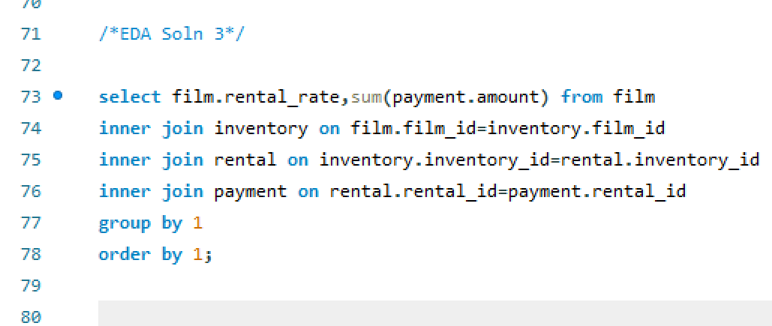

 | Rental Rate | Revenue
 | 0.99 | 13142.5
 | 2.99 | 21316.77
 | 4.99 | 32947.29

Rental_Rate VS Revenue

EDA 4
Are there seasonal trends in customer behavior across different locations?

Year | Month | Total Revenue
2005 | May | 4824.43
2005 | Jun | 9631.88
2005 | Jul | 28373.89
2005 | Aug | 24072.13
2006 | Feb | 514.18

From the above data we can see the monthly trend of revenue.

Sum of Rental_count by Regions and Season
 | Autumn/Spring | Summer/Winter
Africa | 988 | 276
Asia | 5107 | 1386
Europe | 2204 | 628
North america | 895 | 262
Oceania | 95 | 27
others | 1943 | 512
South america | 1345 | 376
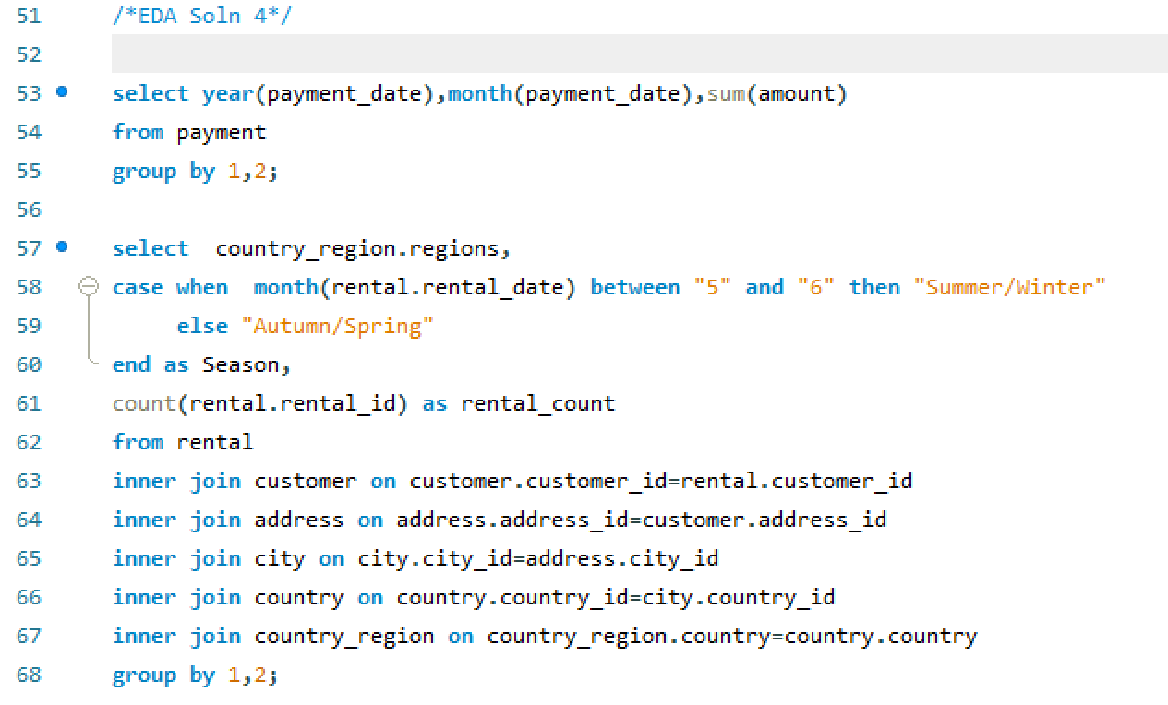
Regions | Season | Rental_count
Asia | Summer/Winter | 1386
Asia | Autumn/Spring | 5107
Africa | Summer/Winter | 276
Africa | Autumn/Spring | 988
North america | Summer/Winter | 262
North america | Autumn/Spring | 895
others | Summer/Winter | 512
others | Autumn/Spring | 1943
South america | Summer/Winter | 376
South america | Autumn/Spring | 1345
Europe | Summer/Winter | 628
Europe | Autumn/Spring | 2204
Oceania | Summer/Winter | 27
Oceania | Autumn/Spring | 95

EDA 5
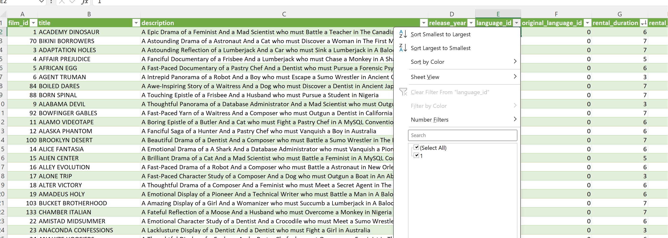
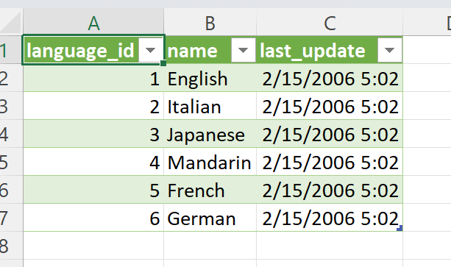
Are certain language films more popular among specific customer segments?
NOTE: The above problem statement cannot be solved from the given dataset as all the films are in English language in the film table.

EDA 6
How does customer loyalty impact sales revenue over time?

NOTE: There is no co-relation between payment amount and rental_rate. To justiify my findings I have taken 2 sample payment_id from payment table and trailed to Film table to find out the co-relation. Unfortunately, there is no relevant data to justify payment accepted and rental_rate based on rental duration.

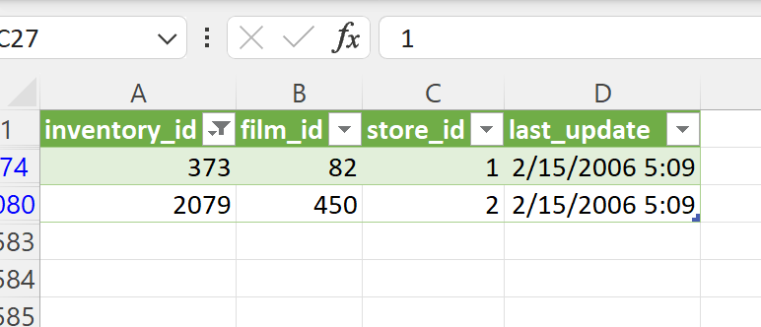

Hence, I have taken only payment received to find out revenue over time.
There was no transaction and rental data available between Sept'05 to jan'06.
And then a sudden drop in Feb'06.

 | Year | Month | Total Revenue
 | 2005 | May | 4824.43
 | 2005 | Jun | 9631.88
 | 2005 | Jul | 28373.89
 | 2005 | Aug | 24072.13
 | 2006 | Feb | 514.18

EDA 7
Are certain film categories more popular in specific locations?

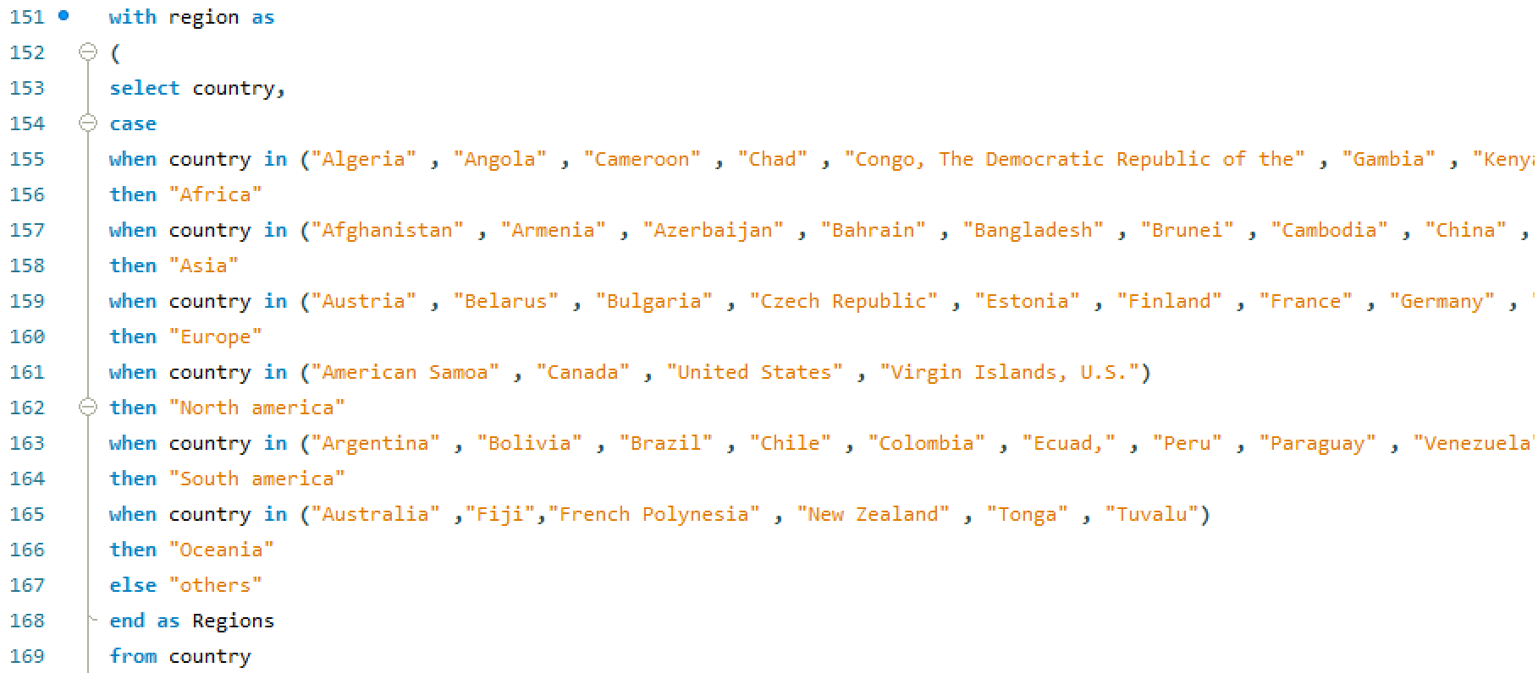
Region | Film_Category | Rental_Count
Africa | Action | 80
Africa | Animation | 86
Africa | Children | 70
Africa | Classics | 64
Africa | Comedy | 84
Africa | Documentary | 87
Africa | Drama | 65
Africa | Family | 71
Africa | Foreign | 98
Africa | Games | 84
Africa | Horror | 73
Africa | Music | 79
Africa | New | 70
Africa | Sci-Fi | 98
Africa | Sports | 89
Africa | Travel | 66
Asia | Action | 458
Asia | Animation | 465
Asia | Children | 411
Asia | Classics | 398
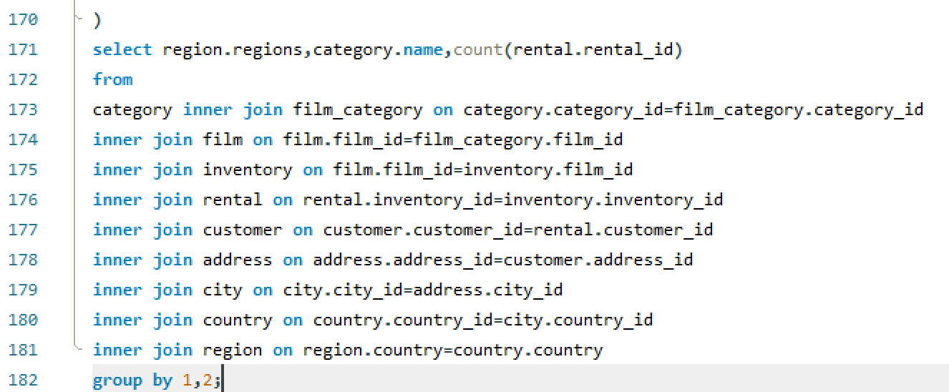
Asia | Comedy | 384
Asia | Documentary | 433
Asia | Drama | 451
Asia | Family | 434
Asia | Foreign | 408
Asia | Games | 379
Asia | Horror | 346
Asia | Music | 318
Asia | New | 393
Asia | Sci-Fi | 442
Asia | Sports | 455
Asia | Travel | 318
Europe | Action | 219
Europe | Animation | 202
Europe | Children | 164
Europe | Classics | 179
Europe | Comedy | 168
Europe | Documentary | 168
Europe | Drama | 178
Europe | Family | 204
Europe | Foreign | 162
Europe | Games | 184
Europe | Horror | 127
Europe | Music | 140
Europe | New | 174
Europe | Sci-Fi | 180
Europe | Sports | 223
Europe | Travel | 160
North america | Action | 72
North america | Animation | 91
North america | Children | 67
North america | Classics | 62
North america | Comedy | 72
North america | Documentary | 83
North america | Drama | 84
North america | Family | 80
North america | Foreign | 74
North america | Games | 70
North america | Horror | 70
North america | Music | 63
North america | New | 64
North america | Sci-Fi | 78
North america | Sports | 84
North america | Travel | 43
Oceania | Action | 8
Oceania | Animation | 5
Oceania | Children | 7
Oceania | Classics | 10
Oceania | Comedy | 7
Oceania | Documentary | 7
Oceania | Drama | 7
Oceania | Family | 4
Oceania | Foreign | 7
Oceania | Games | 7
Oceania | Horror | 4
Oceania | Music | 6
Oceania | New | 10
Oceania | Sci-Fi | 10
Oceania | Sports | 13
Oceania | Travel | 10
others | Action | 152
others | Animation | 191
others | Children | 142
others | Classics | 134
others | Comedy | 133
others | Documentary | 144
others | Drama | 169
others | Family | 184
others | Foreign | 183
others | Games | 149
others | Horror | 127
others | Music | 137
others | New | 131
others | Sci-Fi | 161
others | Sports | 182
others | Travel | 136
South america | Action | 123
South america | Animation | 126
South america | Children | 84
South america | Classics | 92
South america | Comedy | 93
South america | Documentary | 128
South america | Drama | 106
South america | Family | 119
South america | Foreign | 101
South america | Games | 96
South america | Horror | 99
South america | Music | 87
South america | New | 98
South america | Sci-Fi | 132
South america | Sports | 133
South america | Travel | 104

EDA 8
How does the availability and knowledge of staff affect customer ratings?

NOTE: There is no relevant data available for customer rating. Also after studiung the data I didn't get any insight of knowledge of staffs.

I have gained insight about film rating wise availability in each store.
 | Store_Id | Rating | Film_count
 | 1 | PG | 444
 | 2 | PG | 480
 | 2 | G | 397
 | 2 | NC-17 | 479
 | 1 | G | 394
 | 1 | PG-13 | 525
 | 2 | PG-13 | 493
 | 2 | R | 462
 | 1 | NC-17 | 465
 | 1 | R | 442

EDA 9
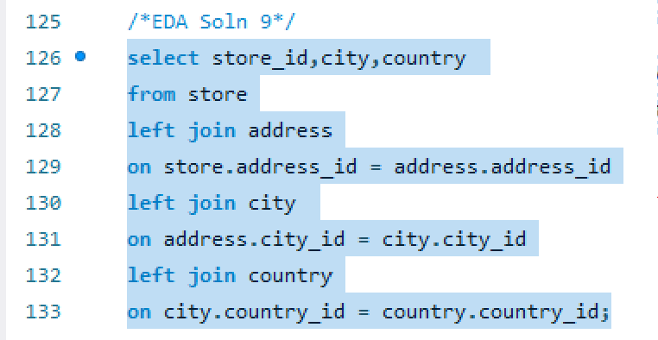
How does the proximity of stores to customers impact rental frequency?
 |  |  | Country | Rental_Count
Store_id | City | Country | India | 1572
1 | Lethbridge | Canada | China | 1426
2 | Woodridge | Australia | United States | 968
 |  |  | Japan | 825
 |  |  | Mexico | 796
 |  |  | Brazil | 748
 |  |  | Russian Federation | 713
 |  |  | Philippines | 568
 |  |  | Turkey | 388
 |  |  | Indonesia | 367
 |  |  | Nigeria | 352
 |  |  | Argentina | 352
 |  |  | Taiwan | 305
 |  |  | South Africa | 285
 |  |  | Iran | 225
 |  |  | United Kingdom | 219
 |  |  | Poland | 203
 |  |  | Germany | 196
 |  |  | Italy | 189
 |  |  | Vietnam | 172
 |  |  | Venezuela | 170
 |  |  | Egypt | 161
 |  |  | Colombia | 159
 |  |  | Ukraine | 158
 |  |  | Spain | 142
 |  |  | Canada | 137
 |  |  | South Korea | 135
 |  |  | Netherlands | 134
 |  |  | Pakistan | 128
 |  |  | Saudi Arabia | 121
 |  |  | Yemen | 117
 |  |  | Peru | 112
 |  |  | Israel | 99
 |  |  | France | 96
 |  |  | Thailand | 96
 |  |  | Bangladesh | 95
 |  |  | Algeria | 90
 |  |  | Ecuador | 87
 |  |  | Malaysia | 85
 |  |  | United Arab Emirates | 84
 |  |  | Tanzania | 83
 |  |  | Mozambique | 80
 |  |  | Austria | 78
 |  |  | Dominican Republic | 77
 |  |  | Morocco | 71
 |  |  | Chile | 71
 |  |  | Belarus | 66
 |  |  | Paraguay | 62
 |  |  | Romania | 62
 |  |  | Switzerland | 61
 |  |  | Puerto Rico | 61
 |  |  | Latvia | 60
 |  |  | Yugoslavia | 57
 |  |  | Azerbaijan | 57
 |  |  | Greece | 54
 |  |  | French Polynesia | 54
 |  |  | Sudan | 54
 |  |  | Kenya | 54
 |  |  | Cameroon | 54
 |  |  | Cambodia | 53
 |  |  | Myanmar | 52
 |  |  | Kazakstan | 52
 |  |  | Angola | 52
 |  |  | Oman | 50
 |  |  | Bulgaria | 50
 |  |  | Congo, The Democratic Republic of the | 50
 |  |  | Bolivia | 47
 |  |  | Runion | 46
 |  |  | Brunei | 35
 |  |  | Anguilla | 35
 |  |  | Holy See (Vatican City State) | 34
 |  |  | Moldova | 34
 |  |  | Sweden | 34
 |  |  | Greenland | 34
 |  |  | Zambia | 33
 |  |  | Virgin Islands, U.S. | 32
 |  |  | Chad | 32
 |  |  | North Korea | 31
 |  |  | Nauru | 31
 |  |  | Hong Kong | 30
 |  |  | Sri Lanka | 30
 |  |  | Estonia | 30
 |  |  | Gambia | 30
 |  |  | Czech Republic | 29
 |  |  | Hungary | 29
 |  |  | Liechtenstein | 28
 |  |  | Malawi | 28
 |  |  | Faroe Islands | 28
 |  |  | Turkmenistan | 27
 |  |  | Iraq | 27
 |  |  | Tuvalu | 26
 |  |  | Kuwait | 26
 |  |  | Finland | 26
 |  |  | Slovakia | 26
 |  |  | Armenia | 25
 |  |  | Saint Vincent and the Grenadines | 25
 |  |  | Senegal | 25
 |  |  | Bahrain | 25
 |  |  | New Zealand | 24
 |  |  | Lithuania | 24
 |  |  | Tunisia | 23
 |  |  | Ethiopia | 23
 |  |  | French Guiana | 22
 |  |  | Madagascar | 22
 |  |  | Nepal | 22
 |  |  | American Samoa | 20
 |  |  | Afghanistan | 18
 |  |  | Tonga | 18

EDA 10
Do specific film categories attract different age groups of customers?

Total Rental
 | Age Group | Film_Category | Rental_Count
 | Above 7yrs | Action | 164
 | Above 18yrs | Action | 438 | Row Labels | Sum of Rental_Count
 | All-Age | Action | 295 | Action | 215
 | Above 13yrs | Action | 215 | Animation | 331
 | Above 13yrs | Animation | 331 | Children | 210
 | Above 18yrs | Animation | 389 | Classics | 220
 | Above 7yrs | Animation | 197 | Comedy | 183
 | All-Age | Animation | 249 | Documentary | 140
 | Above 13yrs | Children | 210 | Drama | 373
 | Above 18yrs | Children | 379 | Family | 186
 | All-Age | Children | 172 | Foreign | 307
 | Above 7yrs | Children | 184 | Games | 212
 | Above 7yrs | Classics | 156 | Horror | 223
 | Above 18yrs | Classics | 374 | Music | 107
 | All-Age | Classics | 189 | New | 218
 | Above 13yrs | Classics | 220 | Sci-Fi | 237
 | Above 13yrs | Comedy | 183 | Sports | 249
 | Above 7yrs | Comedy | 272 | Travel | 174
 | All-Age | Comedy | 190 | Grand Total | 3585
 | Above 18yrs | Comedy | 296
 | Above 7yrs | Documentary | 295
 | Above 18yrs | Documentary | 422
 | All-Age | Documentary | 193
 | Above 13yrs | Documentary | 140
 | All-Age | Drama | 193
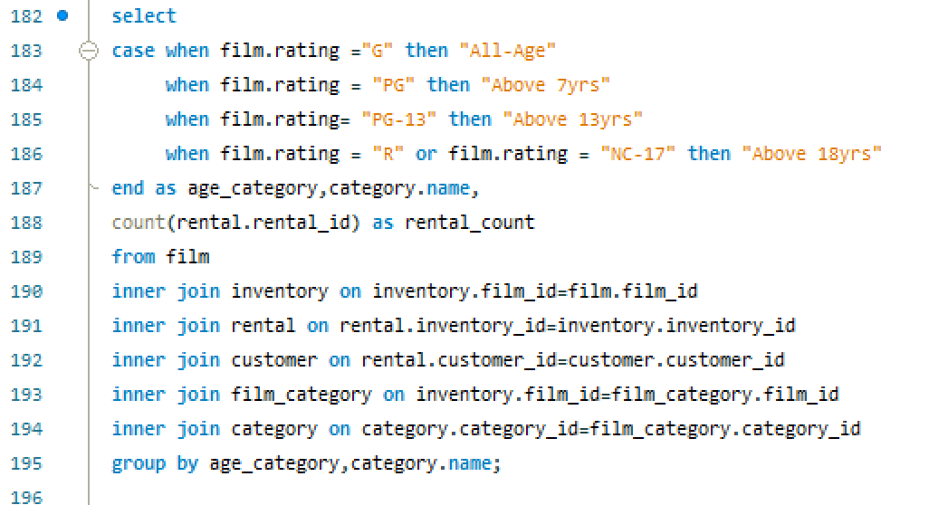
 | Above 13yrs | Drama | 373
 | Above 7yrs | Drama | 118
 | Above 18yrs | Drama | 376
 | All-Age | Family | 149
 | Above 18yrs | Family | 447
 | Above 7yrs | Family | 314
 | Above 13yrs | Family | 186
 | Above 7yrs | Foreign | 203
 | All-Age | Foreign | 167
 | Above 18yrs | Foreign | 356
 | Above 13yrs | Foreign | 307
 | All-Age | Games | 143
 | Above 18yrs | Games | 525
 | Above 13yrs | Games | 212
 | Above 7yrs | Games | 89
 | All-Age | Horror | 130
 | Above 18yrs | Horror | 310
 | Above 13yrs | Horror | 223
 | Above 7yrs | Horror | 183
 | Above 7yrs | Music | 149
 | Above 18yrs | Music | 554
 | Above 13yrs | Music | 107
 | All-Age | Music | 20
 | All-Age | New | 199
 | Above 18yrs | New | 381
 | Above 13yrs | New | 218
 | Above 7yrs | New | 142
 | All-Age | Sci-Fi | 183
 | Above 13yrs | Sci-Fi | 237
 | Above 18yrs | Sci-Fi | 433
 | Above 7yrs | Sci-Fi | 248
 | Above 18yrs | Sports | 489
 | Above 13yrs | Sports | 249
 | All-Age | Sports | 170
 | Above 7yrs | Sports | 271
 | Above 13yrs | Travel | 174
 | All-Age | Travel | 131
 | Above 7yrs | Travel | 227
 | Above 18yrs | Travel | 305

EDA 11
What are the demographics and preferences of the highest-spending customers?

 | Customer_Id | Payment
 | 526 | 221.55
 | 148 | 216.54
 | 144 | 195.58
 | 178 | 194.61
 | 137 | 194.61
 | 459 | 186.62
 | 469 | 177.6
 | 468 | 175.61
 | 236 | 175.58
 | G | NC-17 | PG | PG-13 | R
50 | 1 |  |  | 1
137 |  |  |  | 2 | 1
144 |  |  |  | 1 | 1
176 | 1 |  | 2 | 2
178 | 1 | 1 |  | 2
181 |  |  |  |  | 1
209 |  | 1
236 | 1 |  | 1 |  | 2
259 |  |  | 1 | 1
295 |  | 1 |  | 1 | 1
373 | 2 | 3 |  | 1
403 | 1
410 | 1 |  |  |  | 1
468 |  | 1 | 3 | 2 | 1
469 |  |  |  |  | 2
470 | 1 | 1 |  |  | 1
522 |  | 1 | 2 |  | 2
526 |  | 5 | 1 | 2
 | 181 | 174.66
 | 176 | 173.63
 | 259 | 170.67 | Customer_id | Film Rating | Film Category | Rental Count
 | 50 | 169.65 | 50 | PG-13 | Drama | 2
 | 522 | 167.67 | 50 | R | Travel | 1
 | 410 | 167.62 | 50 | PG-13 | Animation | 1
 | 403 | 166.65 | 50 | NC-17 | Travel | 2
 | 295 | 162.62 | 50 | NC-17 | Children | 1
 | 209 | 161.68 | 50 | PG-13 | Action | 1
 | 373 | 161.65 | 50 | G | Comedy | 1
 | 470 | 160.68 | 50 | R | Foreign | 2
 |  |  | 50 | PG | Horror | 1
 |  |  | 50 | G | Drama | 2
 |  |  | 50 | PG | Family | 1
 |  |  | 50 | G | Foreign | 1
 |  |  | 50 | NC-17 | Games | 1
 |  |  | 50 | PG-13 | Children | 1
 |  |  | 50 | NC-17 | Foreign | 1
 |  |  | 50 | R | Family | 1
 |  |  | 50 | PG | Children | 1
 |  |  | 50 | PG | Music | 2
 |  |  | 50 | G | Documentary | 1
 |  |  | 50 | NC-17 | New | 1
 |  |  | 50 | G | Games | 1
 |  |  | 50 | G | Sci-Fi | 1
 |  |  | 50 | G | Animation | 1
 |  |  | 50 | PG | Foreign | 1
 |  |  | 50 | PG-13 | Documentary | 1
 |  |  | 50 | R | Sci-Fi | 1
 |  |  | 50 | PG-13 | Games | 1
 |  |  | 50 | PG-13 | Music | 1
 |  |  | 50 | PG-13 | Horror | 1
 |  |  | 50 | NC-17 | Drama | 1
 |  |  | 137 | NC-17 | Comedy | 2
 |  |  | 137 | R | Travel | 2
 |  |  | 137 | PG-13 | Travel | 2
 |  |  | 137 | PG-13 | Animation | 2
 |  |  | 137 | NC-17 | Drama | 2
 |  |  | 137 | R | Sports | 2 | Sum of Rental Count | Column Labels
 |  |  | 137 | R | Games | 2 | Row Labels | G | NC-17 | PG | PG-13 | R | Grand Total
 |  |  | 137 | PG | Sci-Fi | 1 | 50 | 1 |  |  | 1 |  | 2
 |  |  | 137 | G | New | 1 | 137 |  |  |  | 2 | 1 | 3
 |  |  | 137 | NC-17 | Music | 2 | 144 |  |  |  | 1 | 1 | 2
 |  |  | 137 | PG | Children | 1 | 176 | 1 |  | 2 | 2 |  | 5
 |  |  | 137 | PG-13 | Comedy | 1 | 178 | 1 | 1 |  | 2 |  | 4
 |  |  | 137 | NC-17 | Action | 1 | 181 |  |  |  |  | 1 | 1
 |  |  | 137 | PG-13 | Games | 1 | 209 |  | 1 |  |  |  | 1
 |  |  | 137 | PG | Games | 3 | 236 | 1 |  | 1 |  | 2 | 4
 |  |  | 137 | PG-13 | Foreign | 1 | 259 |  |  | 1 | 1 |  | 2
 |  |  | 137 | NC-17 | Horror | 1 | 295 |  | 1 |  | 1 | 1 | 3
 |  |  | 137 | NC-17 | Sports | 1 | 373 | 2 | 3 |  | 1 |  | 6
 |  |  | 137 | NC-17 | Foreign | 1 | 403 | 1 |  |  |  |  | 1
 |  |  | 137 | PG-13 | Horror | 1 | 410 | 1 |  |  |  | 1 | 2
 |  |  | 137 | R | Action | 1 | 468 |  | 1 | 3 | 2 | 1 | 7
 |  |  | 137 | G | Comedy | 1 | 469 |  |  |  |  | 2 | 2
 |  |  | 137 | R | Documentary | 1 | 470 | 1 | 1 |  |  | 1 | 3
 |  |  | 137 | PG | Documentary | 1 | 522 |  | 1 | 2 |  | 2 | 5
 |  |  | 137 | PG-13 | Sports | 1 | 526 |  | 5 | 1 | 2 |  | 8
 |  |  | 137 | PG | Sports | 1
 |  |  | 137 | PG-13 | Classics | 1
 |  |  | 137 | R | Animation | 1
 |  |  | 137 | R | Horror | 1
 |  |  | 144 | PG-13 | Drama | 3
 |  |  | 144 | PG | New | 2
 |  |  | 144 | R | Horror | 1
 |  |  | 144 | PG | Sports | 1
 |  |  | 144 | G | New | 1
 |  |  | 144 | G | Comedy | 1
 |  |  | 144 | PG | Foreign | 1
 |  |  | 144 | PG-13 | Animation | 1
 |  |  | 144 | R | Animation | 1
 |  |  | 144 | PG-13 | Sports | 1
 |  |  | 144 | NC-17 | Action | 1
 |  |  | 144 | PG-13 | Classics | 2
 |  |  | 144 | G | Children | 1
 |  |  | 144 | PG-13 | Action | 1
 |  |  | 144 | PG | Action | 2
 |  |  | 144 | R | Classics | 1
 |  |  | 144 | PG-13 | Family | 2
 |  |  | 144 | NC-17 | Travel | 1
 |  |  | 144 | NC-17 | Music | 2
 |  |  | 144 | PG | Children | 1
 |  |  | 144 | R | Games | 1
 |  |  | 144 | NC-17 | Games | 1
 |  |  | 144 | G | Games | 1
 |  |  | 144 | PG-13 | Comedy | 1
 |  |  | 144 | PG | Travel | 1
 |  |  | 144 | PG | Drama | 1
 |  |  | 144 | PG | Classics | 1
 |  |  | 144 | NC-17 | New | 1
 |  |  | 144 | R | Comedy | 1
 |  |  | 144 | PG | Horror | 1
 |  |  | 144 | PG | Documentary | 1
 |  |  | 144 | NC-17 | Sci-Fi | 1
 |  |  | 144 | NC-17 | Drama | 1
 |  |  | 144 | NC-17 | Family | 1
 |  |  | 144 | G | Documentary | 1
 |  |  | 148 | PG-13 | Classics | 2
 |  |  | 148 | G | Games | 1
 |  |  | 148 | PG-13 | Sci-Fi | 2
 |  |  | 148 | NC-17 | Games | 1
 |  |  | 148 | PG | Horror | 2
 |  |  | 148 | PG | Documentary | 2
 |  |  | 148 | R | Horror | 1
 |  |  | 148 | PG | Classics | 1
 |  |  | 148 | R | Family | 4
 |  |  | 148 | G | Travel | 1
 |  |  | 148 | PG-13 | Games | 1
 |  |  | 148 | R | Action | 2
 |  |  | 148 | G | Sci-Fi | 1
 |  |  | 148 | R | Travel | 1
 |  |  | 148 | R | Documentary | 1
 |  |  | 148 | G | Horror | 1
 |  |  | 148 | PG-13 | Comedy | 1
 |  |  | 148 | R | Sci-Fi | 2
 |  |  | 148 | PG | Comedy | 1
 |  |  | 148 | PG | Family | 2
 |  |  | 148 | PG | Travel | 1
 |  |  | 148 | PG | Sci-Fi | 1
 |  |  | 148 | G | Foreign | 3
 |  |  | 148 | NC-17 | Sci-Fi | 1
 |  |  | 148 | PG-13 | Action | 1
 |  |  | 148 | PG-13 | Travel | 1
 |  |  | 148 | R | New | 2
 |  |  | 148 | NC-17 | Travel | 1
 |  |  | 148 | G | Classics | 1
 |  |  | 148 | PG | Music | 1
 |  |  | 148 | PG | Foreign | 1
 |  |  | 148 | NC-17 | Sports | 1
 |  |  | 148 | NC-17 | Drama | 1
 |  |  | 176 | PG-13 | Drama | 1
 |  |  | 176 | PG-13 | Comedy | 1
 |  |  | 176 | PG-13 | Sci-Fi | 2
 |  |  | 176 | PG-13 | Horror | 1
 |  |  | 176 | PG | New | 1
 |  |  | 176 | PG | Family | 2
 |  |  | 176 | PG | Comedy | 1
 |  |  | 176 | G | Sports | 2
 |  |  | 176 | PG-13 | Sports | 1
 |  |  | 176 | PG-13 | Travel | 1
 |  |  | 176 | PG-13 | Foreign | 2
 |  |  | 176 | R | Comedy | 2
 |  |  | 176 | PG | Foreign | 2
 |  |  | 176 | R | Documentary | 2
 |  |  | 176 | PG-13 | Action | 1
 |  |  | 176 | PG | Children | 2
 |  |  | 176 | NC-17 | Comedy | 1
 |  |  | 176 | G | Sci-Fi | 1
 |  |  | 176 | PG | Drama | 1
 |  |  | 176 | PG | Animation | 2
 |  |  | 176 | PG-13 | Animation | 2
 |  |  | 176 | R | Sci-Fi | 1
 |  |  | 176 | PG | Sports | 1
 |  |  | 176 | PG-13 | Children | 1
 |  |  | 176 | R | Action | 1
 |  |  | 176 | G | Animation | 1
 |  |  | 176 | G | Drama | 1
 |  |  | 178 | R | Travel | 1
 |  |  | 178 | PG-13 | Drama | 1
 |  |  | 178 | R | Sci-Fi | 1
 |  |  | 178 | PG-13 | Family | 2
 |  |  | 178 | NC-17 | Drama | 2
 |  |  | 178 | R | Foreign | 3
 |  |  | 178 | NC-17 | Documentary | 4
 |  |  | 178 | G | Travel | 1
 |  |  | 178 | PG | Children | 1
 |  |  | 178 | G | Animation | 1
 |  |  | 178 | PG-13 | Animation | 2
 |  |  | 178 | PG-13 | Classics | 1
 |  |  | 178 | PG-13 | Travel | 1
 |  |  | 178 | G | Drama | 1
 |  |  | 178 | PG-13 | New | 1
 |  |  | 178 | R | Sports | 1
 |  |  | 178 | PG-13 | Sports | 1
 |  |  | 178 | NC-17 | Travel | 1
 |  |  | 178 | G | Sci-Fi | 2
 |  |  | 178 | G | Horror | 1
 |  |  | 178 | PG | Sports | 1
 |  |  | 178 | NC-17 | Children | 1
 |  |  | 178 | R | Children | 1
 |  |  | 178 | PG-13 | Horror | 1
 |  |  | 178 | NC-17 | Music | 2
 |  |  | 178 | PG | Foreign | 1
 |  |  | 178 | NC-17 | Animation | 1
 |  |  | 178 | R | Action | 1
 |  |  | 178 | R | Classics | 1
 |  |  | 181 | G | Sports | 1
 |  |  | 181 | R | Horror | 3
 |  |  | 181 | PG-13 | Horror | 2
 |  |  | 181 | NC-17 | Foreign | 2
 |  |  | 181 | G | Classics | 1
 |  |  | 181 | PG | Travel | 2
 |  |  | 181 | R | Games | 1
 |  |  | 181 | PG-13 | Family | 1
 |  |  | 181 | PG-13 | Drama | 1
 |  |  | 181 | PG | Music | 1
 |  |  | 181 | R | Family | 2
 |  |  | 181 | PG-13 | Documentary | 2
 |  |  | 181 | PG | Family | 2
 |  |  | 181 | NC-17 | Sci-Fi | 1
 |  |  | 181 | PG-13 | Comedy | 1
 |  |  | 181 | PG | Sports | 1
 |  |  | 181 | R | Action | 1
 |  |  | 181 | NC-17 | Family | 2
 |  |  | 181 | NC-17 | Classics | 1
 |  |  | 181 | R | Comedy | 1
 |  |  | 181 | PG | Children | 1
 |  |  | 181 | G | Foreign | 1
 |  |  | 181 | PG | Classics | 1
 |  |  | 181 | R | Animation | 1
 |  |  | 181 | PG-13 | Travel | 1
 |  |  | 209 | NC-17 | Action | 1
 |  |  | 209 | NC-17 | Documentary | 1
 |  |  | 209 | PG | Sports | 2
 |  |  | 209 | NC-17 | Children | 1
 |  |  | 209 | G | Action | 2
 |  |  | 209 | PG-13 | Games | 1
 |  |  | 209 | R | Children | 1
 |  |  | 209 | NC-17 | New | 1
 |  |  | 209 | PG | Documentary | 2
 |  |  | 209 | PG | Children | 1
 |  |  | 209 | NC-17 | Animation | 1
 |  |  | 209 | PG | Music | 1
 |  |  | 209 | PG-13 | Comedy | 1
 |  |  | 209 | G | Documentary | 1
 |  |  | 209 | R | Games | 2
 |  |  | 209 | PG-13 | Sports | 1
 |  |  | 209 | R | Classics | 1
 |  |  | 209 | R | Horror | 1
 |  |  | 209 | PG-13 | Classics | 1
 |  |  | 209 | PG | Action | 1
 |  |  | 209 | G | Children | 2
 |  |  | 209 | G | Classics | 1
 |  |  | 209 | R | Action | 2
 |  |  | 209 | PG | Foreign | 1
 |  |  | 209 | PG-13 | Foreign | 1
 |  |  | 209 | R | Sci-Fi | 1
 |  |  | 236 | NC-17 | Action | 1
 |  |  | 236 | PG-13 | Children | 1
 |  |  | 236 | PG | Travel | 1
 |  |  | 236 | NC-17 | Travel | 1
 |  |  | 236 | R | Sci-Fi | 1
 |  |  | 236 | PG-13 | Family | 2
 |  |  | 236 | NC-17 | Foreign | 1
 |  |  | 236 | NC-17 | Children | 1
 |  |  | 236 | R | Animation | 2
 |  |  | 236 | PG | Action | 1
 |  |  | 236 | NC-17 | Sports | 1
 |  |  | 236 | PG-13 | Classics | 2
 |  |  | 236 | NC-17 | New | 2
 |  |  | 236 | PG | Comedy | 1
 |  |  | 236 | R | Sports | 1
 |  |  | 236 | PG | New | 1
 |  |  | 236 | R | Foreign | 1
 |  |  | 236 | R | Family | 2
 |  |  | 236 | PG | Foreign | 1
 |  |  | 236 | PG | Sports | 1
 |  |  | 236 | R | Children | 1
 |  |  | 236 | G | Animation | 1
 |  |  | 236 | PG-13 | Sci-Fi | 1
 |  |  | 236 | G | Horror | 1
 |  |  | 236 | PG-13 | Games | 3
 |  |  | 236 | NC-17 | Music | 1
 |  |  | 236 | R | Games | 1
 |  |  | 236 | R | New | 1
 |  |  | 236 | PG-13 | Documentary | 1
 |  |  | 236 | PG-13 | Foreign | 2
 |  |  | 236 | R | Music | 1
 |  |  | 236 | G | Travel | 1
 |  |  | 236 | PG | Games | 1
 |  |  | 236 | PG | Animation | 1
 |  |  | 259 | PG | Action | 2
 |  |  | 259 | G | Classics | 1
 |  |  | 259 | R | Sports | 1
 |  |  | 259 | R | Drama | 1
 |  |  | 259 | PG | Horror | 1
 |  |  | 259 | PG | Family | 1
 |  |  | 259 | PG | Classics | 3
 |  |  | 259 | PG-13 | Foreign | 1
 |  |  | 259 | R | Comedy | 1
 |  |  | 259 | G | Sports | 2
 |  |  | 259 | NC-17 | Children | 3
 |  |  | 259 | NC-17 | Family | 1
 |  |  | 259 | PG-13 | Comedy | 1
 |  |  | 259 | NC-17 | Music | 1
 |  |  | 259 | NC-17 | New | 1
 |  |  | 259 | R | New | 1
 |  |  | 259 | G | Action | 2
 |  |  | 259 | PG-13 | Children | 1
 |  |  | 259 | G | Comedy | 1
 |  |  | 259 | NC-17 | Sports | 2
 |  |  | 259 | PG-13 | Animation | 1
 |  |  | 259 | G | Games | 1
 |  |  | 259 | R | Documentary | 1
 |  |  | 259 | PG | Animation | 1
 |  |  | 295 | PG | Family | 1
 |  |  | 295 | G | Foreign | 1
 |  |  | 295 | PG-13 | Horror | 2
 |  |  | 295 | PG-13 | Family | 2
 |  |  | 295 | PG-13 | Action | 1
 |  |  | 295 | NC-17 | Games | 1
 |  |  | 295 | PG-13 | Animation | 1
 |  |  | 295 | R | Animation | 1
 |  |  | 295 | PG-13 | Sports | 1
 |  |  | 295 | R | Foreign | 3
 |  |  | 295 | PG | Music | 1
 |  |  | 295 | PG | Children | 1
 |  |  | 295 | R | Family | 1
 |  |  | 295 | NC-17 | Sports | 2
 |  |  | 295 | G | Travel | 1
 |  |  | 295 | G | Sci-Fi | 2
 |  |  | 295 | NC-17 | New | 3
 |  |  | 295 | PG-13 | Sci-Fi | 1
 |  |  | 295 | PG-13 | Travel | 1
 |  |  | 295 | PG-13 | Comedy | 1
 |  |  | 295 | R | Classics | 2
 |  |  | 295 | G | Sports | 1
 |  |  | 295 | NC-17 | Comedy | 1
 |  |  | 295 | NC-17 | Classics | 1
 |  |  | 295 | G | New | 1
 |  |  | 295 | R | Action | 1
 |  |  | 295 | NC-17 | Drama | 1
 |  |  | 295 | NC-17 | Music | 1
 |  |  | 295 | NC-17 | Animation | 1
 |  |  | 373 | R | Games | 2
 |  |  | 373 | G | New | 2
 |  |  | 373 | G | Sports | 1
 |  |  | 373 | PG | Comedy | 1
 |  |  | 373 | PG-13 | Classics | 1
 |  |  | 373 | G | Drama | 2
 |  |  | 373 | PG | Foreign | 2
 |  |  | 373 | NC-17 | Comedy | 1
 |  |  | 373 | PG | Horror | 2
 |  |  | 373 | PG-13 | Children | 2
 |  |  | 373 | NC-17 | Animation | 3
 |  |  | 373 | PG | Sci-Fi | 1
 |  |  | 373 | PG-13 | New | 1
 |  |  | 373 | PG-13 | Action | 1
 |  |  | 373 | PG-13 | Sports | 1
 |  |  | 373 | PG-13 | Animation | 1
 |  |  | 373 | PG | Documentary | 1
 |  |  | 373 | G | Family | 1
 |  |  | 373 | G | Animation | 2
 |  |  | 373 | PG | Family | 2
 |  |  | 373 | NC-17 | Horror | 1
 |  |  | 373 | NC-17 | Action | 1
 |  |  | 373 | G | Foreign | 1
 |  |  | 373 | PG-13 | Horror | 1
 |  |  | 373 | NC-17 | New | 1
 |  |  | 403 | R | Sci-Fi | 2
 |  |  | 403 | G | Foreign | 1
 |  |  | 403 | PG-13 | Foreign | 3
 |  |  | 403 | PG | Documentary | 1
 |  |  | 403 | R | Music | 2
 |  |  | 403 | NC-17 | Sci-Fi | 2
 |  |  | 403 | R | Travel | 1
 |  |  | 403 | R | Comedy | 1
 |  |  | 403 | R | Horror | 1
 |  |  | 403 | G | Children | 1
 |  |  | 403 | PG | Horror | 1
 |  |  | 403 | R | Classics | 1
 |  |  | 403 | PG-13 | Drama | 1
 |  |  | 403 | PG | Sci-Fi | 1
 |  |  | 403 | NC-17 | Children | 1
 |  |  | 403 | G | Animation | 1
 |  |  | 403 | PG | Classics | 1
 |  |  | 403 | PG-13 | Family | 1
 |  |  | 403 | R | Sports | 1
 |  |  | 403 | NC-17 | Documentary | 1
 |  |  | 403 | NC-17 | Comedy | 1
 |  |  | 403 | R | Family | 1
 |  |  | 403 | PG | Travel | 1
 |  |  | 403 | R | Games | 1
 |  |  | 403 | PG-13 | Documentary | 1
 |  |  | 403 | PG-13 | Classics | 1
 |  |  | 403 | R | Foreign | 1
 |  |  | 403 | G | Documentary | 1
 |  |  | 403 | G | Action | 1
 |  |  | 403 | G | Classics | 1
 |  |  | 410 | PG | Travel | 1
 |  |  | 410 | PG | Drama | 1
 |  |  | 410 | G | Family | 1
 |  |  | 410 | G | Horror | 1
 |  |  | 410 | PG-13 | Family | 2
 |  |  | 410 | G | Animation | 1
 |  |  | 410 | G | Action | 3
 |  |  | 410 | NC-17 | Sports | 1
 |  |  | 410 | PG-13 | Games | 1
 |  |  | 410 | R | Foreign | 1
 |  |  | 410 | NC-17 | Games | 2
 |  |  | 410 | R | Sci-Fi | 1
 |  |  | 410 | NC-17 | Music | 1
 |  |  | 410 | PG | Comedy | 1
 |  |  | 410 | PG | Sports | 1
 |  |  | 410 | PG | Action | 2
 |  |  | 410 | NC-17 | Foreign | 1
 |  |  | 410 | G | Drama | 1
 |  |  | 410 | R | Action | 1
 |  |  | 410 | PG | Family | 1
 |  |  | 410 | PG-13 | Documentary | 1
 |  |  | 410 | NC-17 | Sci-Fi | 1
 |  |  | 410 | NC-17 | Comedy | 2
 |  |  | 410 | R | Children | 1
 |  |  | 410 | G | Sci-Fi | 1
 |  |  | 410 | NC-17 | Family | 2
 |  |  | 410 | PG | Music | 1
 |  |  | 410 | PG-13 | Sci-Fi | 1
 |  |  | 410 | NC-17 | Drama | 2
 |  |  | 410 | R | Animation | 1
 |  |  | 459 | R | Music | 1
 |  |  | 459 | G | Documentary | 2
 |  |  | 459 | PG-13 | Music | 2
 |  |  | 459 | PG | Horror | 1
 |  |  | 459 | G | Action | 3
 |  |  | 459 | NC-17 | Documentary | 1
 |  |  | 459 | PG | Family | 2
 |  |  | 459 | G | Horror | 1
 |  |  | 459 | R | Sci-Fi | 1
 |  |  | 459 | G | Sci-Fi | 1
 |  |  | 459 | R | Horror | 2
 |  |  | 459 | PG | Sports | 1
 |  |  | 459 | PG-13 | Action | 1
 |  |  | 459 | NC-17 | Travel | 1
 |  |  | 459 | R | Comedy | 2
 |  |  | 459 | PG | Comedy | 1
 |  |  | 459 | NC-17 | Comedy | 1
 |  |  | 459 | PG-13 | Comedy | 1
 |  |  | 459 | PG-13 | Family | 1
 |  |  | 459 | PG-13 | Classics | 2
 |  |  | 459 | G | Games | 1
 |  |  | 459 | R | Family | 2
 |  |  | 459 | R | Children | 1
 |  |  | 459 | R | Classics | 1
 |  |  | 459 | NC-17 | Games | 1
 |  |  | 459 | PG-13 | Games | 1
 |  |  | 459 | G | Foreign | 1
 |  |  | 459 | G | Travel | 1
 |  |  | 459 | PG | Foreign | 1
 |  |  | 468 | PG | Animation | 3
 |  |  | 468 | PG-13 | Family | 1
 |  |  | 468 | G | Travel | 1
 |  |  | 468 | PG-13 | Action | 1
 |  |  | 468 | NC-17 | Sports | 2
 |  |  | 468 | PG | Sports | 1
 |  |  | 468 | PG-13 | Sports | 1
 |  |  | 468 | R | Foreign | 1
 |  |  | 468 | G | Classics | 2
 |  |  | 468 | R | New | 1
 |  |  | 468 | PG-13 | Drama | 1
 |  |  | 468 | G | Drama | 1
 |  |  | 468 | PG-13 | Classics | 1
 |  |  | 468 | PG-13 | Animation | 2
 |  |  | 468 | NC-17 | Family | 1
 |  |  | 468 | PG-13 | Foreign | 1
 |  |  | 468 | R | Family | 1
 |  |  | 468 | NC-17 | Music | 1
 |  |  | 468 | PG | Family | 1
 |  |  | 468 | G | Sci-Fi | 1
 |  |  | 468 | R | Animation | 1
 |  |  | 468 | PG-13 | Sci-Fi | 2
 |  |  | 468 | R | Action | 1
 |  |  | 468 | R | Sports | 1
 |  |  | 468 | PG-13 | Children | 1
 |  |  | 468 | R | Horror | 1
 |  |  | 468 | G | Action | 1
 |  |  | 468 | R | Games | 1
 |  |  | 468 | PG | Documentary | 1
 |  |  | 468 | NC-17 | Animation | 1
 |  |  | 468 | PG | Comedy | 1
 |  |  | 468 | G | Documentary | 1
 |  |  | 468 | PG | Foreign | 1
 |  |  | 469 | PG | Foreign | 2
 |  |  | 469 | G | Family | 2
 |  |  | 469 | G | Documentary | 1
 |  |  | 469 | PG-13 | Games | 3
 |  |  | 469 | PG | Classics | 1
 |  |  | 469 | R | Animation | 2
 |  |  | 469 | PG-13 | Foreign | 2
 |  |  | 469 | PG | Music | 1
 |  |  | 469 | NC-17 | New | 2
 |  |  | 469 | NC-17 | Games | 5
 |  |  | 469 | PG | Documentary | 2
 |  |  | 469 | PG | Travel | 1
 |  |  | 469 | R | Foreign | 1
 |  |  | 469 | NC-17 | Foreign | 1
 |  |  | 469 | G | Drama | 1
 |  |  | 469 | G | Children | 1
 |  |  | 469 | PG | Comedy | 1
 |  |  | 469 | R | Games | 1
 |  |  | 469 | R | Horror | 1
 |  |  | 469 | R | Sports | 1
 |  |  | 469 | NC-17 | Family | 1
 |  |  | 469 | PG-13 | Travel | 1
 |  |  | 469 | PG-13 | Drama | 1
 |  |  | 469 | G | Travel | 1
 |  |  | 469 | PG-13 | New | 1
 |  |  | 469 | PG-13 | Classics | 1
 |  |  | 469 | PG | Horror | 1
 |  |  | 469 | PG-13 | Horror | 1
 |  |  | 470 | PG-13 | Sci-Fi | 1
 |  |  | 470 | R | Animation | 1
 |  |  | 470 | G | Action | 1
 |  |  | 470 | PG | Sports | 2
 |  |  | 470 | NC-17 | Games | 1
 |  |  | 470 | G | Games | 1
 |  |  | 470 | G | Sports | 1
 |  |  | 470 | PG | Travel | 2
 |  |  | 470 | G | Family | 1
 |  |  | 470 | PG-13 | Travel | 1
 |  |  | 470 | NC-17 | Children | 1
 |  |  | 470 | PG-13 | Children | 1
 |  |  | 470 | NC-17 | Sports | 1
 |  |  | 470 | PG | Sci-Fi | 2
 |  |  | 470 | NC-17 | New | 1
 |  |  | 470 | G | Comedy | 1
 |  |  | 470 | NC-17 | Drama | 1
 |  |  | 470 | G | Animation | 1
 |  |  | 470 | NC-17 | Comedy | 1
 |  |  | 470 | PG-13 | Games | 1
 |  |  | 470 | NC-17 | Foreign | 1
 |  |  | 470 | PG-13 | Music | 1
 |  |  | 470 | R | Action | 2
 |  |  | 470 | PG-13 | Action | 1
 |  |  | 470 | R | Games | 1
 |  |  | 470 | PG | Action | 1
 |  |  | 470 | NC-17 | Animation | 1
 |  |  | 470 | G | Travel | 1
 |  |  | 522 | R | Animation | 2
 |  |  | 522 | PG | Animation | 2
 |  |  | 522 | PG-13 | Action | 1
 |  |  | 522 | NC-17 | Animation | 1
 |  |  | 522 | NC-17 | Games | 4
 |  |  | 522 | NC-17 | Music | 1
 |  |  | 522 | R | Comedy | 1
 |  |  | 522 | PG | Horror | 1
 |  |  | 522 | PG-13 | Foreign | 1
 |  |  | 522 | PG | New | 1
 |  |  | 522 | G | Drama | 1
 |  |  | 522 | PG-13 | Documentary | 2
 |  |  | 522 | R | Classics | 1
 |  |  | 522 | R | Games | 1
 |  |  | 522 | PG | Foreign | 1
 |  |  | 522 | PG-13 | Travel | 1
 |  |  | 522 | PG-13 | Classics | 1
 |  |  | 522 | G | New | 1
 |  |  | 522 | R | Documentary | 1
 |  |  | 522 | PG | Sports | 1
 |  |  | 522 | R | Horror | 1
 |  |  | 522 | R | Children | 1
 |  |  | 522 | PG-13 | Games | 2
 |  |  | 522 | PG-13 | Sci-Fi | 1
 |  |  | 522 | NC-17 | Children | 1
 |  |  | 522 | G | Family | 1
 |  |  | 526 | G | New | 1
 |  |  | 526 | PG | Foreign | 2
 |  |  | 526 | PG | Family | 2
 |  |  | 526 | G | Horror | 1
 |  |  | 526 | PG-13 | Animation | 2
 |  |  | 526 | NC-17 | Documentary | 1
 |  |  | 526 | PG-13 | Horror | 3
 |  |  | 526 | NC-17 | Drama | 1
 |  |  | 526 | PG | Documentary | 2
 |  |  | 526 | NC-17 | Animation | 5
 |  |  | 526 | R | Family | 3
 |  |  | 526 | PG-13 | Games | 1
 |  |  | 526 | G | Games | 1
 |  |  | 526 | PG-13 | Documentary | 1
 |  |  | 526 | PG-13 | New | 1
 |  |  | 526 | R | Horror | 1
 |  |  | 526 | R | Sports | 1
 |  |  | 526 | G | Documentary | 1
 |  |  | 526 | NC-17 | Family | 1
 |  |  | 526 | R | Sci-Fi | 1
 |  |  | 526 | PG-13 | Sci-Fi | 1
 |  |  | 526 | PG | Comedy | 1
 |  |  | 526 | G | Comedy | 1
 |  |  | 526 | NC-17 | Children | 1
 |  |  | 526 | PG | Action | 1
 |  |  | 526 | G | Family | 1
 |  |  | 526 | G | Sports | 2
 |  |  | 526 | R | Music | 1
 |  |  | 526 | PG | Animation | 1
 |  |  | 526 | PG-13 | Classics | 1
 |  |  | 526 | R | Action | 1
 |  |  | 526 | NC-17 | New | 1

EDA 12
How does the availability of inventory impact customer satisfaction and repeat business?

To find out availability of inventory we need data related to stock maintenance, customer request and to get insight of customer satisfaction we need data related to customer rating, review or feedback. But we dont have any of these data in the given dataset. Hence, we cannot provide a particular solution for the given problem statement.

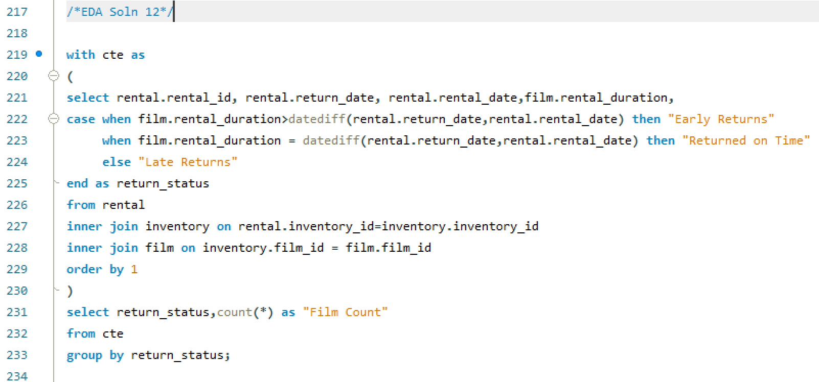

 | Return_Status | Film Count
 | Early Returns | 6864
 | Late Returns | 7452
 | Returned on Time | 1728

However I have identified how many times customers have returned the product early or on time and also the times when customers have returned the rented DVDs lately. By this we can get a birdview understanding of how many times repeated business got impacted and about customers behavioral pattern.

EDA 13
What are the busiest hours or days for each store location, and how does it impact staffing requirements?

 | Store 1 Analysis |  |  | Store 2 Analysis

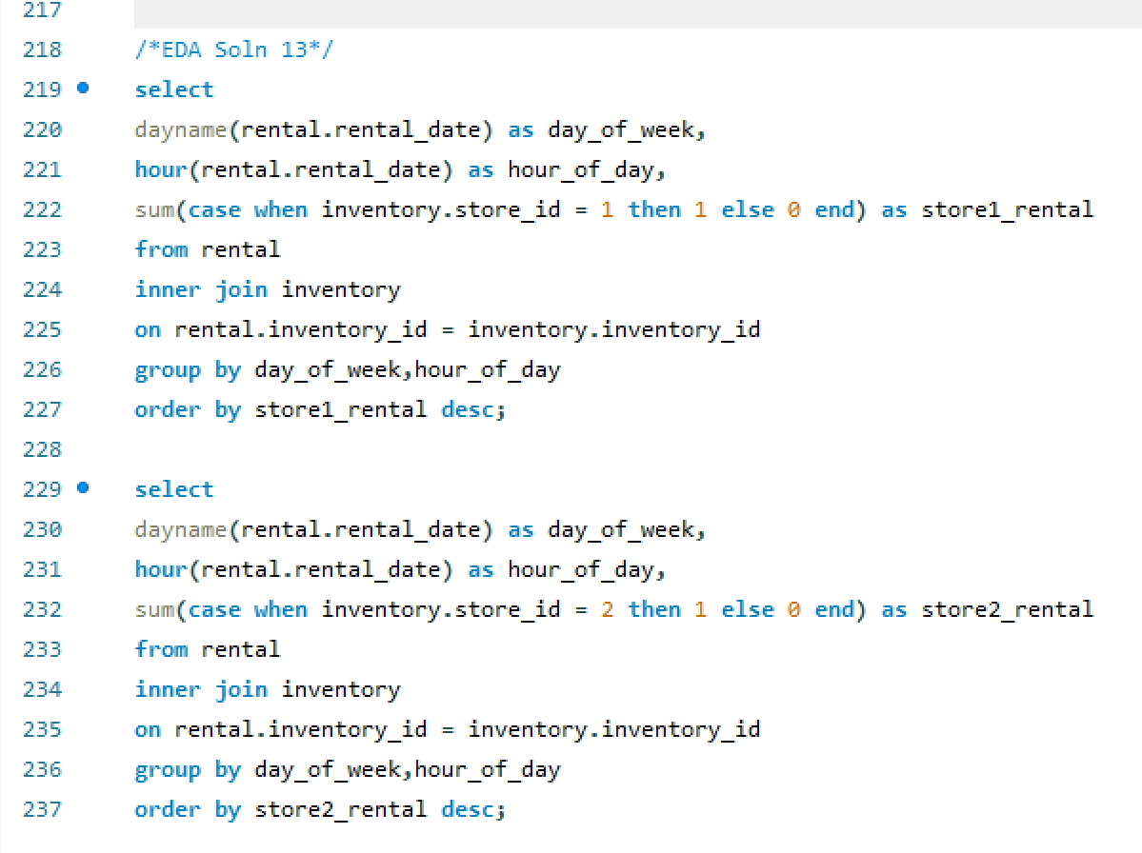
 | day_of_week | hour_of_day | store1_rental | day_of_week | hour_of_day | store2_rental
 | Tuesday | 15 | 140 | Tuesday | 15 | 144
 | Saturday | 15 | 70 | Sunday | 20 | 62
 | Saturday | 8 | 68 | Sunday | 2 | 61
 | Monday | 4 | 66 | Wednesday | 0 | 60
 | Sunday | 14 | 64 | Sunday | 3 | 60
 | Wednesday | 21 | 63 | Monday | 12 | 60
 | Friday | 10 | 61 | Tuesday | 0 | 59
 | Tuesday | 0 | 60 | Friday | 7 | 59
 | Sunday | 3 | 60 | Thursday | 7 | 59
 | Monday | 0 | 59 | Friday | 11 | 58
 | Sunday | 19 | 59 | Monday | 18 | 58
 | Sunday | 8 | 58 | Sunday | 9 | 58
 | Tuesday | 5 | 58 | Thursday | 14 | 58
 | Saturday | 18 | 58 | Saturday | 14 | 58
 | Tuesday | 18 | 58 | Thursday | 10 | 57
 | Monday | 19 | 58 | Sunday | 11 | 57
 | Tuesday | 20 | 57 | Monday | 3 | 57
 | Thursday | 10 | 56 | Wednesday | 20 | 56
 | Monday | 21 | 56 | Wednesday | 3 | 55
 | Tuesday | 7 | 55 | Tuesday | 4 | 55
 | Sunday | 17 | 55 | Wednesday | 16 | 55
 | Tuesday | 16 | 55 | Friday | 6 | 54
 | Friday | 4 | 54 | Wednesday | 17 | 54
 | Monday | 11 | 54 | Tuesday | 8 | 54
From the given dataset we can understand that there is only 1 staff in each store and there is no data provided for staff requirement or staff feedback or store feedback to gain insight about requirements and pain points. Hence, second part of the given problem statement cannot be analyzed.
 | Saturday | 12 | 54 | Monday | 10 | 54
 | Friday | 16 | 54 | Sunday | 16 | 54
 | Wednesday | 4 | 54 | Sunday | 15 | 54
 | Saturday | 16 | 54 | Wednesday | 12 | 54
 | Friday | 19 | 53 | Monday | 1 | 54
 | Sunday | 13 | 53 | Friday | 22 | 53
 | Friday | 21 | 53 | Tuesday | 13 | 53
 | Friday | 9 | 53 | Tuesday | 3 | 53
 | Wednesday | 16 | 53 | Saturday | 5 | 53
 | Monday | 15 | 52 | Monday | 8 | 53
 | Thursday | 23 | 52 | Monday | 22 | 53
 | Thursday | 8 | 52 | Wednesday | 10 | 53
 | Tuesday | 13 | 52 | Tuesday | 11 | 53
 | Thursday | 15 | 52 | Friday | 2 | 53
 | Monday | 2 | 52 | Tuesday | 2 | 52
 | Saturday | 10 | 52 | Friday | 18 | 52
 | Tuesday | 6 | 52 | Sunday | 8 | 52
 | Sunday | 18 | 51 | Wednesday | 18 | 52
 | Wednesday | 7 | 51 | Friday | 8 | 52
 | Sunday | 12 | 51 | Thursday | 6 | 52
 | Thursday | 4 | 51 | Wednesday | 21 | 52
 | Friday | 7 | 51 | Thursday | 3 | 52
 | Sunday | 5 | 51 | Saturday | 0 | 52
 | Friday | 0 | 51 | Saturday | 17 | 52
 | Monday | 20 | 50 | Thursday | 11 | 52
 | Monday | 23 | 50 | Saturday | 2 | 51
 | Wednesday | 18 | 50 | Friday | 1 | 51
 | Friday | 11 | 50 | Saturday | 6 | 51
 | Thursday | 2 | 50 | Saturday | 19 | 51
 | Thursday | 19 | 50 | Saturday | 1 | 51
 | Wednesday | 15 | 50 | Tuesday | 9 | 51
 | Saturday | 7 | 50 | Thursday | 20 | 51
 | Saturday | 23 | 50 | Tuesday | 1 | 50
 | Sunday | 21 | 49 | Friday | 4 | 50
 | Friday | 18 | 49 | Monday | 15 | 50
 | Saturday | 21 | 49 | Thursday | 21 | 50
 | Tuesday | 3 | 49 | Saturday | 20 | 50
 | Sunday | 11 | 49 | Thursday | 4 | 50
 | Thursday | 7 | 49 | Friday | 16 | 50
 | Saturday | 1 | 49 | Sunday | 19 | 50
 | Saturday | 0 | 49 | Saturday | 8 | 50
 | Wednesday | 1 | 49 | Wednesday | 9 | 50
 | Monday | 1 | 49 | Wednesday | 23 | 50
 | Friday | 6 | 48 | Sunday | 5 | 50
 | Saturday | 6 | 48 | Thursday | 17 | 50
 | Saturday | 3 | 48 | Saturday | 7 | 50
 | Thursday | 14 | 48 | Friday | 9 | 50
 | Wednesday | 22 | 48 | Thursday | 18 | 50
 | Saturday | 14 | 48 | Tuesday | 14 | 49
 | Monday | 16 | 47 | Tuesday | 12 | 49
 | Friday | 22 | 47 | Thursday | 13 | 49
 | Monday | 9 | 47 | Friday | 13 | 49
 | Friday | 23 | 47 | Saturday | 3 | 49
 | Wednesday | 0 | 46 | Friday | 17 | 49
 | Monday | 17 | 46 | Tuesday | 19 | 49
 | Tuesday | 14 | 46 | Wednesday | 22 | 49
 | Thursday | 6 | 46 | Sunday | 10 | 49
 | Sunday | 9 | 46 | Saturday | 4 | 49
 | Thursday | 17 | 46 | Monday | 6 | 49
 | Tuesday | 19 | 46 | Sunday | 18 | 48
 | Sunday | 15 | 46 | Monday | 5 | 48
 | Saturday | 17 | 46 | Wednesday | 8 | 48
 | Sunday | 6 | 46 | Tuesday | 5 | 48
 | Tuesday | 4 | 46 | Saturday | 21 | 48
 | Tuesday | 1 | 45 | Wednesday | 13 | 48
 | Wednesday | 3 | 45 | Wednesday | 19 | 48
 | Monday | 5 | 45 | Wednesday | 15 | 48
 | Tuesday | 8 | 45 | Thursday | 0 | 48
 | Friday | 8 | 45 | Friday | 19 | 47
 | Saturday | 9 | 45 | Sunday | 13 | 47
 | Friday | 5 | 45 | Monday | 11 | 47
 | Thursday | 1 | 45 | Saturday | 15 | 47
 | Tuesday | 23 | 45 | Sunday | 0 | 47
 | Friday | 13 | 45 | Friday | 5 | 47
 | Friday | 3 | 45 | Sunday | 23 | 47
 | Wednesday | 11 | 45 | Saturday | 11 | 47
 | Sunday | 10 | 45 | Sunday | 6 | 47
 | Thursday | 20 | 45 | Tuesday | 22 | 47
 | Friday | 20 | 44 | Monday | 23 | 46
 | Tuesday | 2 | 44 | Saturday | 12 | 46
 | Sunday | 20 | 44 | Sunday | 17 | 46
 | Friday | 15 | 44 | Thursday | 22 | 46
 | Friday | 12 | 44 | Tuesday | 16 | 46
 | Wednesday | 5 | 44 | Friday | 15 | 46
 | Saturday | 20 | 43 | Tuesday | 21 | 46
 | Saturday | 19 | 43 | Saturday | 23 | 46
 | Saturday | 5 | 43 | Saturday | 22 | 45
 | Wednesday | 9 | 43 | Thursday | 2 | 45
 | Saturday | 13 | 43 | Wednesday | 1 | 45
 | Wednesday | 23 | 43 | Saturday | 10 | 45
 | Sunday | 23 | 43 | Thursday | 9 | 45
 | Sunday | 2 | 43 | Monday | 7 | 44
 | Sunday | 1 | 43 | Monday | 0 | 44
 | Monday | 12 | 43 | Thursday | 8 | 44
 | Wednesday | 10 | 43 | Monday | 4 | 44
 | Thursday | 21 | 42 | Thursday | 15 | 44
 | Sunday | 4 | 42 | Saturday | 18 | 44
 | Friday | 14 | 42 | Thursday | 19 | 44
 | Wednesday | 13 | 42 | Saturday | 13 | 44
 | Wednesday | 14 | 42 | Tuesday | 18 | 44
 | Thursday | 12 | 42 | Sunday | 1 | 44
 | Tuesday | 21 | 42 | Monday | 19 | 44
 | Monday | 7 | 41 | Friday | 20 | 43
 | Wednesday | 17 | 41 | Tuesday | 23 | 43
 | Friday | 1 | 41 | Monday | 9 | 43
 | Sunday | 16 | 41 | Monday | 2 | 43
 | Thursday | 5 | 41 | Thursday | 12 | 43
 | Monday | 10 | 40 | Wednesday | 4 | 43
 | Monday | 14 | 40 | Monday | 13 | 43
 | Sunday | 7 | 40 | Tuesday | 17 | 43
 | Monday | 8 | 40 | Wednesday | 5 | 43
 | Thursday | 9 | 40 | Wednesday | 7 | 42
 | Tuesday | 11 | 40 | Saturday | 9 | 42
 | Monday | 6 | 40 | Wednesday | 14 | 42
 | Thursday | 16 | 40 | Wednesday | 11 | 42
 | Wednesday | 20 | 39 | Friday | 21 | 42
 | Tuesday | 10 | 39 | Friday | 0 | 42
 | Wednesday | 12 | 39 | Sunday | 4 | 41
 | Monday | 13 | 39 | Friday | 23 | 41
 | Thursday | 0 | 39 | Wednesday | 6 | 41
 | Tuesday | 9 | 39 | Thursday | 16 | 41
 | Monday | 18 | 38 | Monday | 21 | 40
 | Sunday | 0 | 38 | Sunday | 14 | 40
 | Thursday | 13 | 38 | Tuesday | 10 | 40
 | Monday | 22 | 38 | Sunday | 21 | 39
 | Tuesday | 22 | 38 | Thursday | 23 | 39
 | Saturday | 2 | 37 | Friday | 10 | 39
 | Thursday | 3 | 37 | Friday | 14 | 39
 | Sunday | 22 | 37 | Sunday | 7 | 39
 | Wednesday | 2 | 37 | Sunday | 22 | 39
 | Monday | 3 | 36 | Tuesday | 20 | 38
 | Tuesday | 17 | 36 | Friday | 3 | 38
 | Saturday | 4 | 36 | Tuesday | 6 | 38
 | Thursday | 18 | 36 | Monday | 16 | 37
 | Saturday | 22 | 35 | Tuesday | 7 | 37
 | Tuesday | 12 | 35 | Monday | 17 | 37
 | Wednesday | 8 | 35 | Monday | 14 | 37
 | Thursday | 22 | 35 | Friday | 12 | 37
 | Wednesday | 6 | 35 | Saturday | 16 | 37
 | Saturday | 11 | 35 | Monday | 20 | 36
 | Wednesday | 19 | 34 | Sunday | 12 | 35
 | Thursday | 11 | 34 | Thursday | 1 | 33
 | Friday | 17 | 33 | Thursday | 5 | 32
 | Friday | 2 | 32 | Wednesday | 2 | 30

EDA 14
What are the cultural or demographic factors that influence customer preferences in different locations?

Customer Preference By Region
 | regions | rating | customer_Preference | regions | Sum of customer_count
 | Africa | G | 46 | Africa | 46
 | Africa | PG | 47 | Asia | 239
 | Africa | PG-13 | 47 | Europe | 106
 | Africa | R | 47 | North america | 43
 | Africa | NC-17 | 47 | Oceania | 5
 | Asia | G | 239 | others | 88
 | Asia | PG | 238 | South america | 66
 | Asia | PG-13 | 241
 | Asia | R | 241
 | Asia | NC-17 | 242
 | Europe | G | 106
 | Europe | PG | 106
 | Europe | PG-13 | 106
 | Europe | R | 107
 | Europe | NC-17 | 106
 | North america | G | 43
 | North america | PG | 43
 | North america | PG-13 | 43
 | North america | R | 43
 | North america | NC-17 | 43
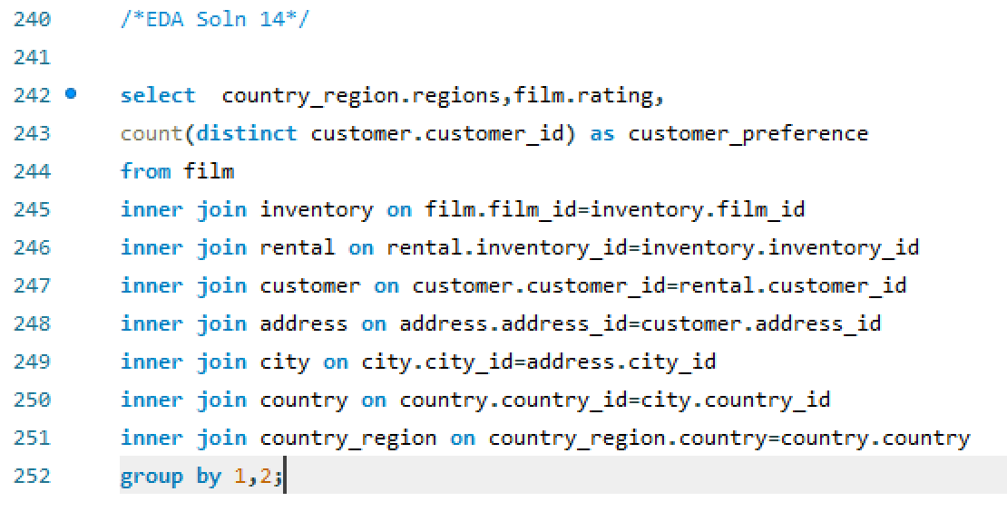
 | Oceania | G | 5
 | Oceania | PG | 5
 | Oceania | PG-13 | 5
 | Oceania | R | 5
 | Oceania | NC-17 | 5
 | others | G | 88
 | others | PG | 89
 | others | PG-13 | 88
 | others | R | 88
 | others | NC-17 | 89
 | South america | G | 66
 | South america | PG | 65
 | South america | PG-13 | 65
 | South america | R | 66
 | South america | NC-17 | 65

EDA 15
How does the availability of films in different languages impact customer satisfaction and rental frequency?

NOTE: In the given dataset all the films are in English language and there is no rating or feedback table for customers. Hence we cannot be able to find solution for the given problem statement.

So, I have gained insight about the co-relation between the length of Films and number of times rented.

 | Film Length(Mins) | Rental Count
 | 46 | 103
 | 47 | 110
 | 48 | 187
 | 49 | 71
 | 50 | 129
 | 51 | 109
 | 52 | 117
 | 53 | 120
 | 54 | 88
 | 55 | 42
 | 56 | 98
 | 57 | 119
 | 58 | 119
 | 59 | 119
 | 60 | 120
 | 61 | 150
 | 62 | 110
 | 63 | 151
 | 64 | 167
 | 65 | 126
 | 66 | 22
 | 67 | 110
 | 68 | 71
 | 69 | 114
 | 70 | 133
 | 71 | 103
 | 72 | 42
 | 73 | 168
 | 74 | 145
 | 75 | 170
 | 76 | 63
 | 77 | 116
 | 78 | 98
 | 79 | 90
 | 80 | 171
 | 81 | 55
 | 82 | 106
 | 83 | 119
 | 84 | 216
 | 85 | 305
 | 86 | 102
 | 87 | 92
 | 88 | 47
 | 89 | 126
 | 90 | 97
 | 91 | 109
 | 92 | 196
 | 93 | 147
 | 94 | 42
 | 95 | 49
 | 96 | 20
 | 97 | 85
 | 98 | 133
 | 99 | 112
 | 100 | 192
 | 101 | 82
 | 102 | 182
 | 103 | 125
 | 104 | 90
 | 105 | 73
 | 106 | 92
 | 107 | 150
 | 108 | 98
 | 109 | 140
 | 110 | 178
 | 111 | 120
 | 112 | 243
 | 113 | 126
 | 114 | 180
 | 115 | 89
 | 116 | 50
 | 117 | 94
 | 118 | 132
 | 119 | 67
 | 120 | 112
 | 121 | 142
 | 122 | 183
 | 123 | 121
 | 124 | 54
 | 125 | 99
 | 126 | 144
 | 127 | 54
 | 128 | 97
 | 129 | 129
 | 130 | 95
 | 131 | 91
 | 132 | 67
 | 133 | 109
 | 134 | 73
 | 135 | 166
 | 136 | 133
 | 137 | 170
 | 138 | 104
 | 139 | 178
 | 140 | 92
 | 141 | 131
 | 142 | 134
 | 143 | 137
 | 144 | 133
 | 145 | 101
 | 146 | 76
 | 147 | 172
 | 148 | 130
 | 149 | 121
 | 150 | 140
 | 151 | 105
 | 152 | 125
 | 153 | 114
 | 154 | 102
 | 155 | 68
 | 156 | 71
 | 157 | 107
 | 158 | 96
 | 159 | 84
 | 160 | 98
 | 161 | 148
 | 162 | 81
 | 163 | 132
 | 164 | 71
 | 165 | 75
 | 166 | 98
 | 167 | 126
 | 168 | 50
 | 169 | 77
 | 170 | 76
 | 171 | 112
 | 172 | 143
 | 173 | 93
 | 174 | 75
 | 175 | 108
 | 176 | 148
 | 177 | 99
 | 178 | 209
 | 179 | 191
 | 180 | 95
 | 181 | 155
 | 182 | 69
 | 183 | 76
 | 184 | 77
 | 185 | 170

