MIndmaps
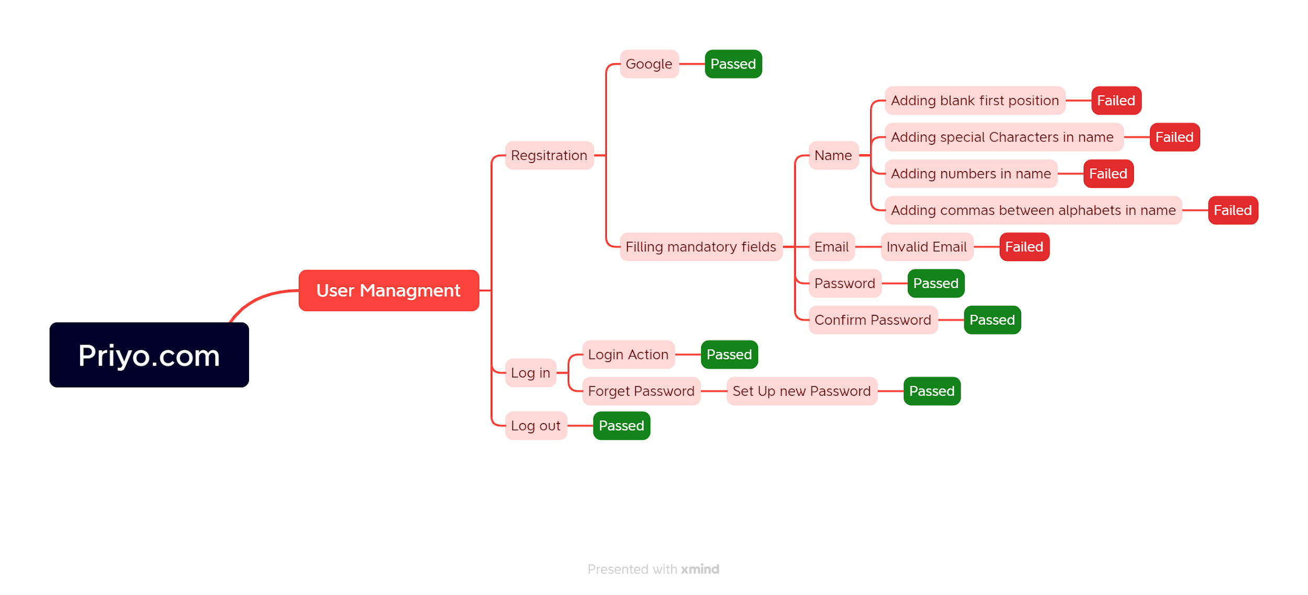
Mindmap for Priyo.com website testing

Report
PASS | 44
FAIL | 5
Not Executed | 0
Out Of Scope | 0
Total TC | 49

Test Case Report
Project Name | Priyo.com
Module Name | Registration & Log in
Test Case Version
Written By | Bivas Saha
Executed By | Bivas Saha
Reviewed By | Bivas Saha
TEST EXECUTION REPORT

Test Case | PASS | FAIL | Not Executed | Out Of Scope | Total TC
 | 44 | 5 | 0 | 0 | 49
Grand Total | 44 | 5 | 0 | 0 | 49

