ybhei23g
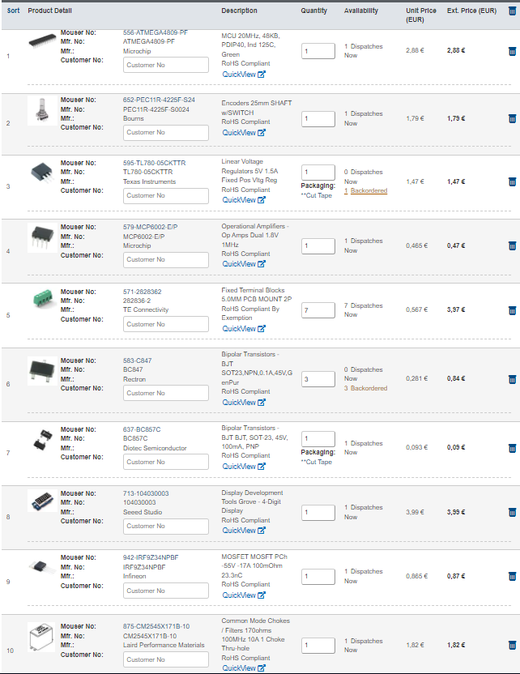
Comment | Description | Designator | Footprint | LibRef | Quantity
10n | CAP CER 10000PF 200V X7R 0805 | C1, C7, C8, C9, C10, C13, C14, C15, C16 | FP-C0805C-DN-IPC_A | CMP-2007-00259-2 | 9
100n | CAP CER 10000PF 200V X7R 0805 | C2 | FP-C0805C-DN-IPC_B | CMP-2007-00259-2 | 1
100n | CAP CER 10000PF 200V X7R 0805 | C3, C5, C12 | FP-C0805C-DN-IPC_A | CMP-2007-00259-2 | 3
10µF 50V | Capacitor Polarised | C4, C18 | caprad100mil | ELCO220uF | 2
10uF 50V | Capacitor Polarised | C6 | caprad100mil | ELCO220uF | 1
100uF | Capacitor Polarised | C11 | caprad100mil | ELCO220uF | 1
100µF 25V | Capacitor Polarised | C17 | caprad100mil | ELCO220uF | 1
282836-2 | Female Header, Pitch 5 mm, 1 x 2 Position, Height 10 mm, Tail Length 3.5 mm, Rohs, Bulk | CN1, CN2, CN3, CN4, CN5, CN6, CN7 | cnn2pin | CNN2P | 7
1N4148 | DIODE GEN PURP 100V 200MA DO35 | D1 | FP-017AG-MFG | CMP-07163-000046-1 | 1
1N4007 | Rectifier diode 1000 V 1 A DO-41, , | D2 | FP-1N4007-MFG | CMP-123542-000001-1 | 1
ELCO220uF | Capacitor Polarised | DP1 | display | Display | 1
4,7K | Resistor | F1 | Fuze | Fuze | 1
ATMEGA4809-PF | Integrated Circuit | IC1 | DIP1543W58P254L5175H635Q40N | ATMEGA4809-PF | 1
MCP6002-E/P | None | IC2 | DIP8PIN | AMP-OPA-MCP6002-IL8 | 1
TM1637 | Integrated Circuit | IC3 | DIP778W53P254L2612H431Q20N | TM1637 | 1
TL780-05CKTTR | Integrated Circuit | IC4 | TL78005CKTTR | TL780-05CKTTR | 1
61300411121 |  | J3 | 61300411121 | CMP-1502-01064-2 | 1
22-28-4033 | Male Header, Pitch 2.54 mm, 1 x 3 Position, Height 8.38 mm, Tail Length 3.18 mm, RoHS, Bulk | J4, J6, J8 | MOLX-22-28-4033_V | CMP-1676-00001-5 | 3
61300211121 |  | J5 | 61300211121 | CMP-1712-00002-5 | 1
61300511121 |  | J7 | 61300511121 | CMP-1502-01068-2 | 1
 | THT Vertical Pin Header WR-PHD, Pitch 2.54 mm, Single Row, 2 pins | J10, J11 | 3pinsheader | header3pin | 2
610106249121 |  | J12 | 610106249121 | CMP-1502-01146-2 | 1
10µH |  | L1 | spoelSMD10µH | Spoel_1 | 1
Spoel |  | L2 | CoilCM2545 | Spoel | 1
4K7 | Resistor | R1, R2, R3 | res0805ph | Res | 3
10K | Resistor | R4, R5, R6, R18, R23, R25 | res0805ph | Res | 6
5K6 | Resistor | R7, R8, R14, R15 | res0805ph | Res | 4
18K | Resistor | R9, R10, R11 | res0805ph | Res | 3
100E | Resistor | R12, R13, R21 | res0805ph | Res | 3
10M | Resistor | R16 | res0805ph | Res | 1
1M | Resistor | R17 | res0805ph | Res | 1
4,7K | Resistor | R19, R20, R22 | res0805ph | Res | 3
6,8K | Resistor | R24 | res0805ph | Res | 1
G6S-2F-DC5 | RELAY TELECOM DPDT 2A 5VDC | RE1 | FP-G6S-2F-DC5-MFG | CMP-08823-000012-1 | 1
PEC11R-4 | Undefined or Miscellaneous | SW1 | PEC12R-4XXXF-SXXXX_1 | PEC11R-4225F-S0024 | 1
BC847B | NPN Silicon AF Transistor, 45 V VCEO, 100 mA IC, SOT23, Reel, Green | T1, T3, T5 | sot23 | BC847 | 3
BC857C | PNP Silicon AF Transistor, 45 V VCEO, 100 mA IC, SOT23, Reel, Green | T2 | INF-SOT23_N | CMP-1177-00039-1 | 1
IRF9Z34NPBF | MOSFET (P-Channel) | T4 | TO254P469X1042X1967-3P | IRF9Z34NPBF | 1
testpoint |  | TP1, TP2, TP3, TP4, TP5 | testpin | testpoint | 5
5V1 | Zener Diode | ZD1 | DIOAD1068W53L380D172 | BZX79C3V3 | 1

