RandomForest
 | Classes
 | Include |  |  |  |  |  |  | Max Depth
Class | None | All | Most common freq. | Amount of words | From start | From end | Start & End | N=1 | N=2 | N=3 | N=4 | N=5 | N=10 | N=20 | N=50 (max)
1 | 0.33505312964 | 0.39676691729 | 0.34555190465 | 0.37445988076 | 0.35192750823 | 0.34172552676 | 0.36731030933 | 0.19869882818 | 0.22068002484 | 0.24253626481 | 0.25887517294 | 0.27209371119 | 0.33073613368 | 0.35422563353 | 0.36731030933
2 | 0.24868941448 | 0.42467836257 | 0.28743001232 | 0.29952565758 | 0.35012925561 | 0.30443850425 | 0.3840919998 | 0.21547047081 | 0.22451374377 | 0.23474256592 | 0.24481460691 | 0.25368155901 | 0.3023586126 | 0.36300647884 | 0.3840919998
3 | 0.10181098738 | 0.24393442623 | 0.18951873536 | 0.13665027322 | 0.18907103825 | 0.11359016393 | 0.19459016393 | 0.080157541902 | 0.08758559029 | 0.091169471133 | 0.097035255619 | 0.10071372676 | 0.12804935934 | 0.16730106333 | 0.19459016393
4 | 0.10862321939 | 0.45063492063 | 0.28688624339 | 0.28514814815 | 0.16658911248 | 0.24247888569 | 0.3159573042 | 0.10295955439 | 0.12573268454 | 0.13871039688 | 0.15228946468 | 0.17041263497 | 0.23700652599 | 0.29234543351 | 0.3159573042
5 | 0.34536917791 | 0.48399027778 | 0.3903265873 | 0.41773680556 | 0.40988542957 | 0.42257220993 | 0.44733936593 | 0.29105496313 | 0.29779354807 | 0.3050887025 | 0.31022846106 | 0.31777087479 | 0.35151715915 | 0.4160199434 | 0.44782894926
6 | 0.19962127897 | 0.31581328321 | 0.23536269245 | 0.23248997494 | 0.26716342131 | 0.26907056634 | 0.29514446902 | 0.13743942724 | 0.14840466814 | 0.15422009137 | 0.16360874582 | 0.17346211372 | 0.20787984008 | 0.25609645016 | 0.29514446902
7 | 0.050780226903 | 0.1355 | 0.067741666667 | 0.05975 | 0.0825 | 0.0475 | 0.0815 | 0.028907304753 | 0.03057787039 | 0.032949592662 | 0.034916803136 | 0.039194796752 | 0.049852715093 | 0.062859894681 | 0.0815
8 | 0.027116802003 | 0.32 | 0 | 0 | 0.39966666667 | 0.61 | 0.63 | 0.0084129501778 | 0.0099005069911 | 0.024922485589 | 0.028595970219 | 0.04336762616 | 0.15795230207 | 0.54228241371 | 0.63
9 | 0.0050276460371 | 0.12666666667 | 0.0055555555556 | 0.016666666667 | 0.096666666667 | 0.056666666667 | 0.18 | 0.013233885122 | 0.016184464541 | 0.01923164121 | 0.033232114491 | 0.046229079242 | 0.10856156908 | 0.17497409902 | 0.18

 | No Bootstrap | With Bootstrap |  | 0.21055554292 | 0.20417439164
1 | 0.38445191872 | 0.36731030933 |  | 0.14438685612 | 0.14242559149
2 | 0.40848008213 | 0.3840919998 |  | 0.024674689913 | 0.027295125335
3 | 0.22163934426 | 0.19459016393 |  | 0.20874613963 | 0.21445697623
4 | 0.3503914275 | 0.3159573042 |  | 0.073466696615 | 0.077251091727
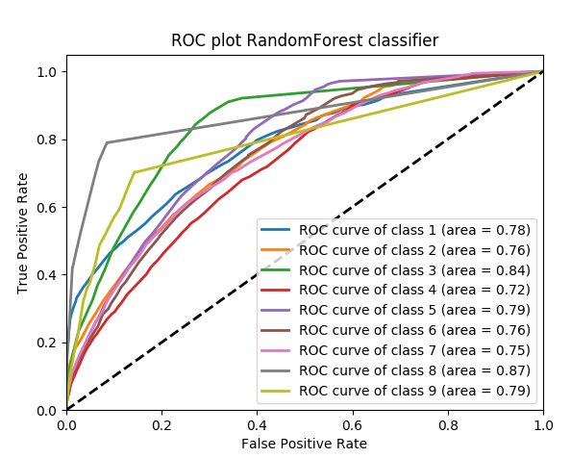
5 | 0.47456848345 | 0.44782894926 |  | 0.098042362607 | 0.093234113381
6 | 0.30927646136 | 0.29514446902 |  | 0.29362420986 | 0.29639027547
7 | 0.0795 | 0.0815 |  | 0.0053467803414 | 0.0063757822934
8 | 1 | 0.63 |  | 0.013370651076 | 0.011939514546
9 | 0.25 | 0.18

Class | Depth = 50 | Depth = 25 | Depth = 10 | Depth = 2 | Class | Without bootstrap | With bootstrap
1 | 0.36943202742 | 0.36333754584 | 0.32996047701 | 0.22068749517 | 1 | 0.37577356677 | 0.36943202742
2 | 0.19096721472 | 0.18516278105 | 0.17358731987 | 0.14541693113 | 2 | 0.18275715907 | 0.19096721472
3 | 0.059202030812 | 0.058632543886 | 0.043130337867 | 0.028861375623 | 3 | 0.066163784745 | 0.059202030812
4 | 0.30757886602 | 0.30196971653 | 0.2594065744 | 0.21749125471 | 4 | 0.31750768876 | 0.30757886602
5 | 0.11841561668 | 0.11193706733 | 0.096461619651 | 0.077418079088 | 5 | 0.12499090506 | 0.11841561668
6 | 0.10059073419 | 0.097782597229 | 0.087098181066 | 0.083688036543 | 6 | 0.10645941989 | 0.10059073419
7 | 0.37635740899 | 0.36608385775 | 0.33003132567 | 0.2961607286 | 7 | 0.38374199428 | 0.37635740899
8 | 0.0072222222222 | 0.0075241908167 | 0.010909588997 | 0.0069855427079 | 8 | 0.0044444444444 | 0.0072222222222
9 | 0.0019965277778 | 0.0019970285791 | 0.0039716507164 | 0.010535746067 | 9 | 0.0010590277778 | 0.0019965277778
 |  |  |  |  | Total | 1.5628979908 | 1.5317626488

SGD
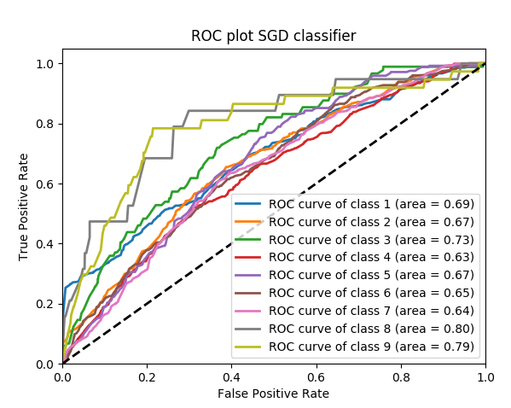
Class | Default settings (loss=log) |  | Shuffle=False
1 | 0.27138610135 |  | 0.39255733629
2 | 0.28123379273 |  | 0.070249146084
3 | 0.016666666667 |  | 0.037891889219
4 | 0.31155728412 |  | 0.48079603372
5 | 0.042990239574 |  | 0.10123190871
6 | 0.26659517974 |  | 0.062506769302
7 | 0.12411103335 |  | 0.11455774659
8 | 0.25 |  | 0.0071636889388
9 | 0 |  | 0.0010616256124

 | Penalty: (default = l2)
Class | None | L1 | Elasticnet
1 | 0.31353606333 | 0.36522398418 | 0.39374845506
2 | 0.1497631444 | 0.30384504557 | 0.16601410408
3 | 0.034850633249 | 0.039452990135 | 0.063092182162
4 | 0.29276103519 | 0.28848325912 | 0.20649642577
5 | 0.08877879325 | 0.094379881686 | 0.13172722787
6 | 0.079764764847 | 0.066479240521 | 0.060974947562
7 | 0.27099814605 | 0.29502990229 | 0.40527886384
8 | 0.010823392988 | 0.0097777703008 | 0.017598371043
9 | 0.011467077537 | 0.012262590274 | 0.011558330267

