How to Use This Template
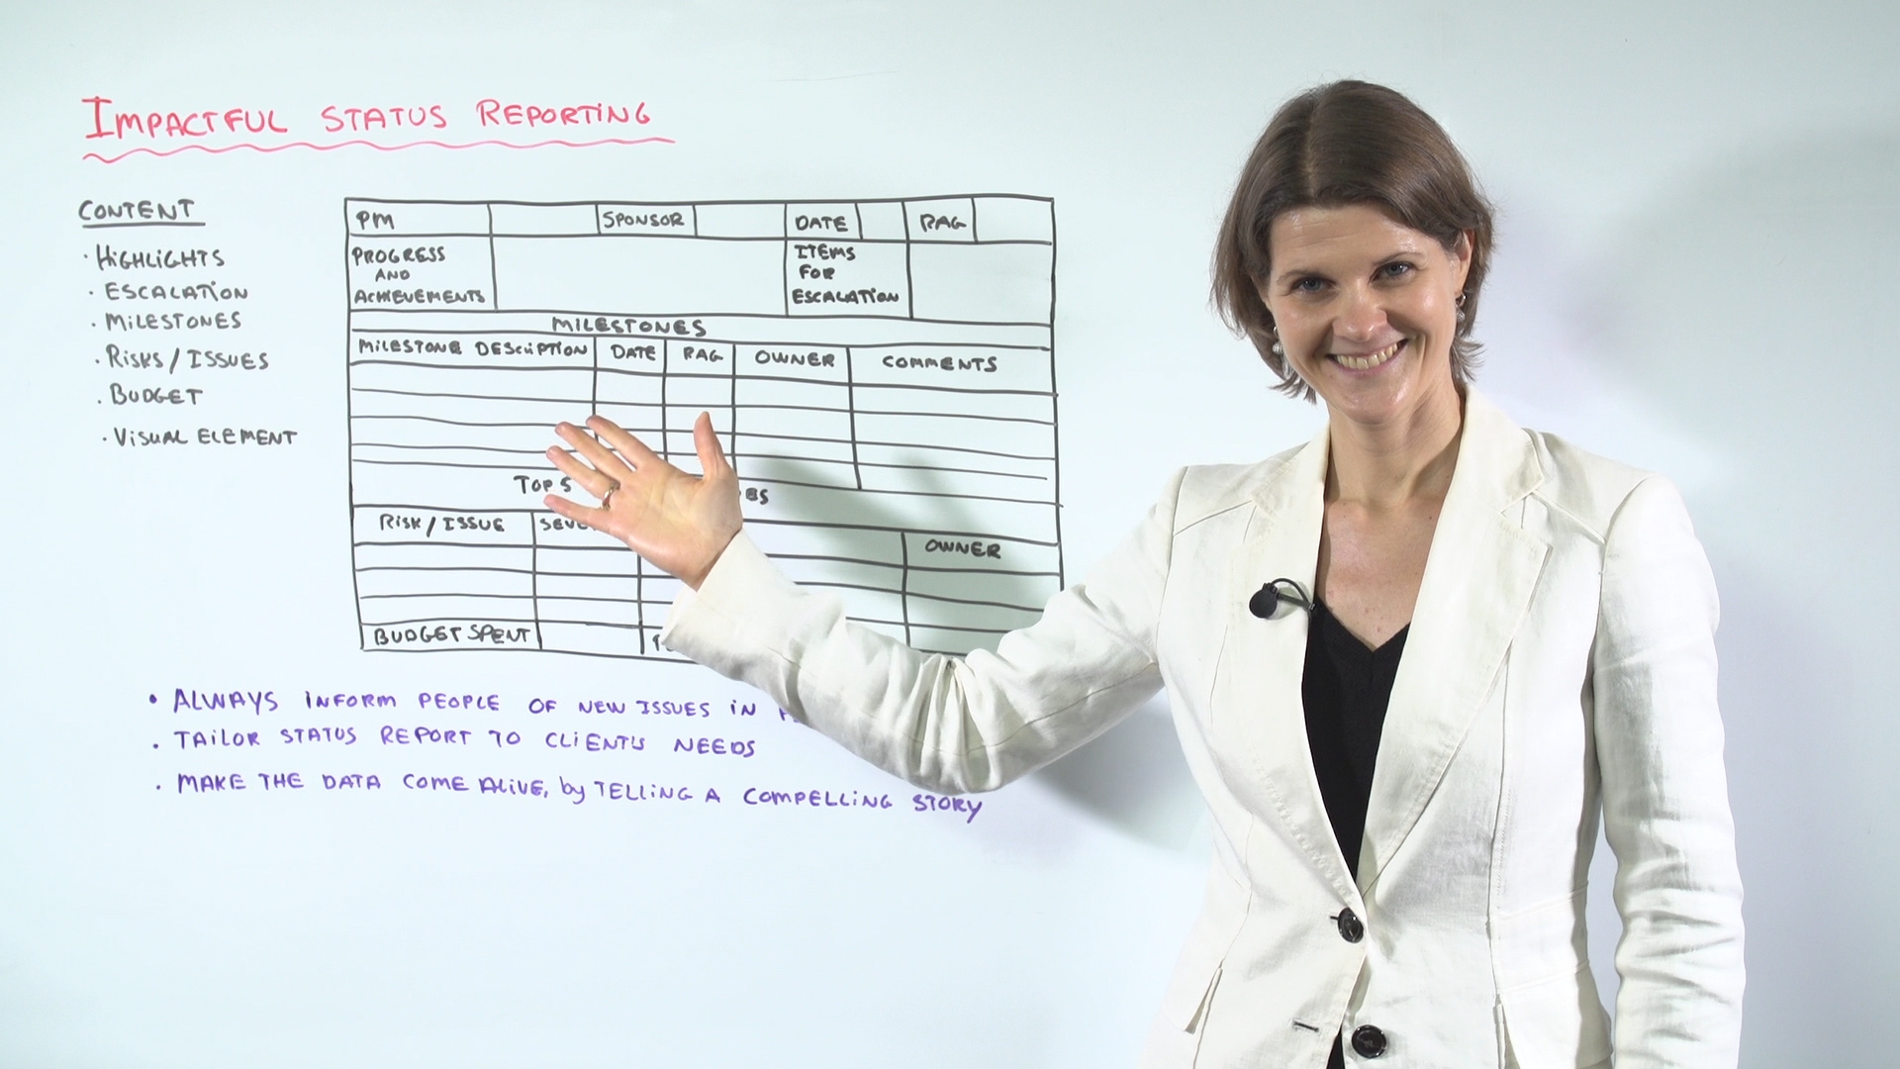
Watch Leadership Coach Susanne Madsen explain how to use this Report template and how to improve your communication for more impact.

https://www.projectmanager.com/training/6-steps-impactful-status-reporting?utm_source=project_manager_com&utm_medium=template&utm_campaign=excel-stat-rep&utm_content=body

