Sheet1
JAN M ECKERMANN

OS : WINDOWS10 |  |  |  | DATE :26/10/2022
VERIFIED BY :RAKHI |  |  |  | TESTED BY : AKSHAY VARGHESE

BUG ID | EXPECTED RESULT | BUG DESCRIPTION | STEPS TO REPRODUCE | SCREENSHOT | SEVERITY | PRIORITY | STATUS
DEF_JANM_01 | All links in the hamburger menu should work without any issue | Links in the hamburger menu is not working Properly | 1.Open the link http://134.209.153.47/Bootstrap/# 2.Click on the sublinks under hamburger menu | 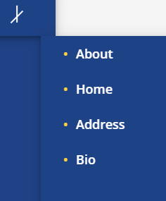 | Major |  | NEW
DEF_JANM_02 | HOMEPAGE should be Attractive with much suffcient details | Homepage do not contain much information or images | 1.click on the link http://134.209.153.47/Bootstrap/# |  | Enhancement |  | NEW
DEF_JANM_03 | Clicking on the 'view all sevices' it must direct to the services | Link on 'view all Services' is not Working Properly | 1.click on the link http://134.209.153.47/Bootstrap/# 2.Click on the option 'View all services' |  | Major |  | NEW
DEF_JANM_04 | Clicking on the 'view bio' it must direct to the bio | Instead of directing to bio it direct to the top of the page | 1.click on the link http://134.209.153.47/Bootstrap/# 2.scroll down 2.click on the 'view bio' |  | Major |  | NEW
DEF_JANM_05 | All images and icons on the web page should be visible in desktop mode | some of the images and icons are broken | 1.click on the link http://134.209.153.47/Bootstrap/# 2.Scroll down |  | Trivial |  | NEW
DEF_JANM_06 | Clicking on buttons should Direct to respective media sites | Instead of directing to Sites it direct to the top of the page | 1.click on the link http://134.209.153.47/Bootstrap/# 2.scroll to the bottom |  | Major |  | NEW

