HomePage
Goal: To create An Application Discovery Process for Capgemini to help accounts like WF complete a Cloud Assessment.
I would like a team of consultants to be able to collect requirements from Stockholders, Data on the datacenters that host Applications and Data on Applications in one excel workbook (Close to Real-time). The goal is to capture all the need information to make a business Case for the cloud and story that information in one excel work book.
Problem: We have 2 weeks to collect Application Data for over 200 application in WF Datacenters for Wholesale. This data will be used to create a Cloud assessment and a business case for a cloud migration to an Azure Cloud Infrastructure. After review many Wonderful capgemini CA templates I don't see any sections for:
Stockholder interviews,
QUESTIONS
Datacenter Architecture
Business Vision And Strategy
Workload Qualification
12 factor application Discovery
EXAMPLES
WALKTHOUGHS
WHITEPAPERS
ARCHETECTURE
business case
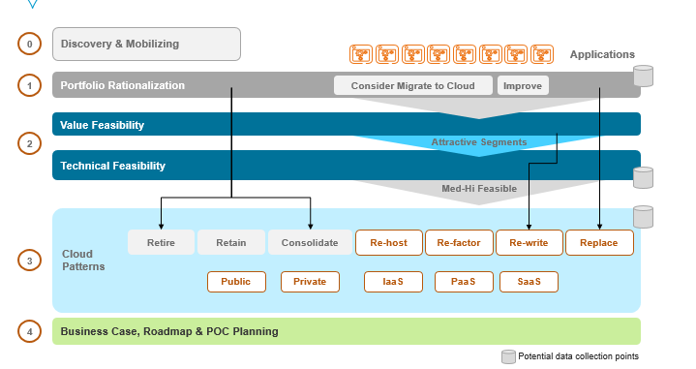
CCA Workflow
1 Outline Business Goals
2 Perform Infrastructure Assessment
3 Evaluate Results
4 Define Project
5 Develop Project Plan
6 Build Baseline Cloud
7 Develop and Test
8 Go Live Once testing has completed, applications, databases, and features and switched on in production.
9 Implement Post-Go-Live Plan
10 Hold Post-Go-Live Reviews
# Business Goal / Desired Capability Current challenges / reasons not implemented
1 •
2 •
3 •
4 •
5 •
Solution 1: by creating a PoC for a future Web application that will allow for CapGemini consulates to quickly Log the Data Collection process for all CCA, With a Collaborative User Form, We can quickly populate one excel workbook that can be use to create all Cloud Assessments quickly.
{click to View PoC for Solutions 1}
Solution 2: Next, We can use the many Wonderful PowerPoint templates in Capgemni "IQ"
Database, and export info from our workbook with a macro. This macro will help automate reporting on the data collected in each step of our Assessment in to reports and deliverables.
By Modeling our data to the process outlined in each template, We can quickly add value to our clients with fater delivery and more qualified data in each CCA
{click to capture tagged info from any PowerPoint slide}
{click to Write content to PowerPoint slide}
{demo will only work on Sheet 1 with slides open in PowerPoint Captured first}

destanation analsis* what is that
retare, retain, consolution

if it will go through a lot of changes Pass
if its not going to go through a lot of changes CPS

Security Create a pattern….use the security ranking and regulations rankings to ask questions about pattern we nee to create | Slide index | Shape name | Value | Friendly Name
Dan and Ganeshih have answers about security | 2 | Content Placeholder 2 | to province structure to a growing worldwide corporate practice, CFS To implement an Agile practice(called Cloud Champions) with specific goal of generating agile evangelist to incubate a partner ecosystem of cloud champions with lead the change of culture in are clients. Automate the CCA Create Repository of Cloud solutions (Architecture Repository) Weekly Coaching Seasons Update artefacts Update Learning Platform | 0
 | 2 | Content Placeholder 2 | To province structure to a growing worldwide corporate practice, CFS | Purpose 1
 | 2 | TextBox 3 | To implement an Agile practice(called Cloud Champions) with specific goal of generating agile evangelist to incubate a partner ecosystem of cloud champions with lead the change of culture in are clients. | Purpose 2
 | 2 | TextBox 4 | Automate the CCA | purpose 3
 | 2 | TextBox 5 | Create Repository of Cloud solutions (Architecture Repository) | purpose 4
 | 2 | TextBox 6 | Weekly Coaching Seasons | purpose 5
 | 2 | TextBox 7 | Update artefacts | purpose 6
 | 2 | TextBox 8 | Update Learning Platform | purpose 7
 | 3 | TextBox 126 | Discovery & Mobilizing2 | Step 0 CCA
Goal:
Reduce technology inefficiencies
Improve operational effectiveness
Eliminate data inaccuracies
Discover requirements for Data Sets for each Department. We need to be able to Qualify: Budget, Authority, Need and Timeline.
Depending on BANT we will determine if we need to improve the current business process or install and train a new system.
Find a budget by understanding Cost/maintenance/Issues/Inventory cost/
Find Authority who's name is on each report on Cost/maintenance/Issues/Inventory cost/
Find Need What are the issues you're having and how are you tracking them
How many custom application are in your department
How many Legacy application are in your department
Any Shadow IT?
What are the regulations your department worries about?
What are the business roles that have been implemented in your department?
What problem are you censured with in regards to technology Inefficiencies (issues)?
What are problems you're having with operational effectiveness?
How do you check for Data Inaccuracies?
What Systems and Applications are end of life? (Windows 2003)
How do you train on accounting/ budgets and Reporting?
Do you have a Road map for training employees in your department?
Do you have a learning platform to retrain employees?
Do you want to include customers other than metropolitan customers in your new system.
Once we have decided on how big the effort is, do we want to automate some or part of manual reconciliation process.
Some of the applications are hosted at the Vendor Data Centers, how do we manage the data security? Do we have anything in place for that?
Find an effective Change Management system and standardize it for all the products/vendors.
___________________________________
Steps
1. Interview each department and all stockholders for:
a. Understand Current process – identify BDM’s
b. Understand the current problems from the stakeholders
c. Understand the future needs
2. Assess the current process and future needs to come-up with the following:
Validate the current process as it was captured
Identify the processes/ applications that can be retired as a recommendation as best practices
Identify the processes / applications that are required to support the future process as recommendation as best practices
Team Roles
Tech Team | Business Process Team | Reporting Team
2 leads 2 leads 2 leads
X________ X________ X________
X________ X________ X________
Responsibilities
Process
Templates
Studies
Deliverables
Schedule
Issue Tracker
Migration Tools
https://github.com/persistentsystems/adcms
To ease migrations, Persistent Systems, along with the Microsoft Customer Advisory Team, has developed the open source Azure Data Center Migration Solution for automatically copying an entire infrastructure as a service (IaaS) deployment on Azure from one location to another.
https://www.movemetothecloud.net/WindowsMigration
https://azure.microsoft.com/en-us/downloads/vm-readiness-assessment/
The next consideration is platform. Which platform are you moving workloads from? Here, theMicrosoft Azure Migration Accelerator is the tool of choice. Whether you need to move physical servers, VMware virtual machines, workloads from Amazon Web Services or virtual machines running on Microsoft Hyper-V, The Azure Migration Accelerator enables migration cutovers in minutes. Features include automated asset discovery, auto-provisioning of target Azure VMs, near-zero downtime and data loss, multi-tier application support and automated networking reconfiguration.
From <http://www.hanusoftware.com/azurezone/do-it-yourself-azure-migration-tools/>
Best Practices
Availability checklistConsiderations when designing your applications for high availability
Scalability checklistReview a checklist of considerations with designing your apps for scalability
Resiliency guidanceGuidance and resources for increasing the uptime of your apps
Network SecurityGuidance for creating secure network environments
Monitoring and diagnostics guidanceGuidance for building robust monitoring and diagnostics into your apps
Data partitioning guidanceGuidance for partitioning your data into multiple data stores
Caching guidanceConsiderations for implementing Azure Redis Cache
Autoscaling guidanceConsiderations and guidance for implementing an autoscaling strategy
Background jobs guidance
From <https://azure.microsoft.com/en-us/downloads/vm-readiness-assessment/>
Next interation
change Base Workflow in to a .Net spsific workflow using MAP templates
Add Decistion path from onenote()
Add Vm Assessment Questions (16)
Add App Assesment Questions (16)
Add Assessment Steps from onenote file ()
Add Web Scrape macro as a tab()
Add All Excel Files from MAP as list in new tab()
Find away to add Archetucture pdf view of current and future state as tab()
Add Best practice from note (one sheet label "business layer")

Scenarios
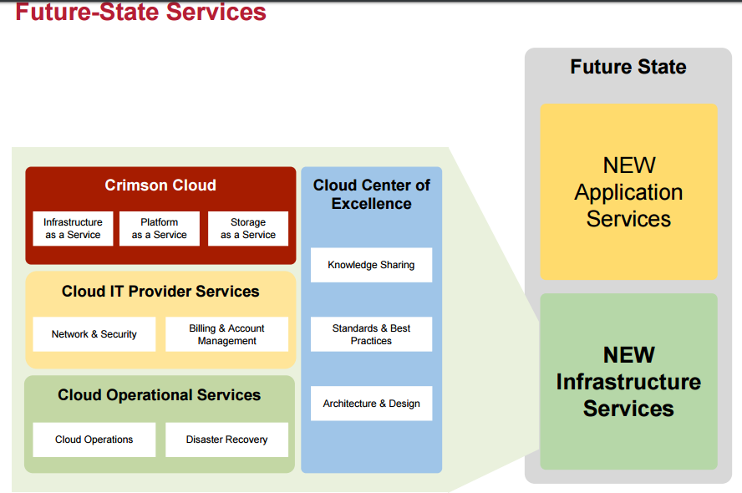
Give over to another to collect info about .net applications
create business cases with the CCA
collect workload data examples as use cases for the cloud
Save each workload planed in a Project Repository
save each workload planed implamented as a solution in a Solutions Archetecture Repository
ask to work with E archetect to map all solutions to Requerment varables stated in new devleberable doc.
work with .net developmer to learn to loop VBA Code to refactor micro solutions in word, excel & Ppt. Thus incressing development speed for future solutions.

