🔒 Dashboard
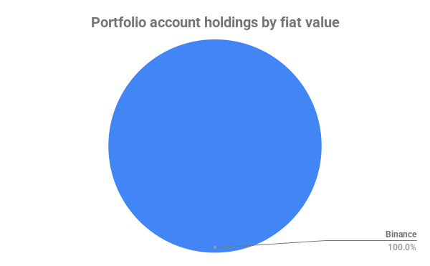
Portfolio Value: | 5,857.08
Profit: | 17.14%
Portfolio by fiat values

