ESL-SL
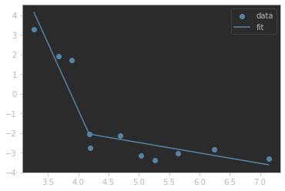
k1 | k2 | x0 | y0 | RSS | RMSE | R^2
-6.7999896896 | -0.52827225687 | 4.18 | -2.0572677867 | 5.99 | 0.74 | 0.9

SL-ASL
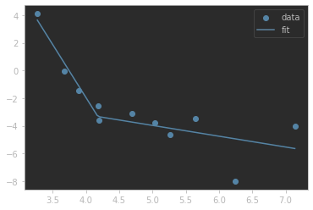
k1 | k2 | x0 | y0 | RSS | RMSE | R^2
-7.6676384382 | -0.78125599064 | 4.18 | -3.3310950522 | 15.11 | 1.17 | 0.83

PSL-SL
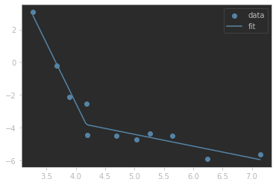
k1 | k2 | x0 | y0 | RSS | RMSE | R^2
-7.3297598873 | -0.72233302068 | 4.18 | -3.8159780791 | 3.08 | 0.53 | 0.96

