Sheet1
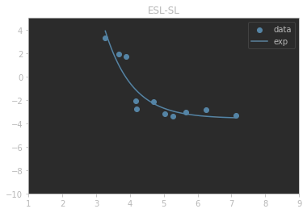
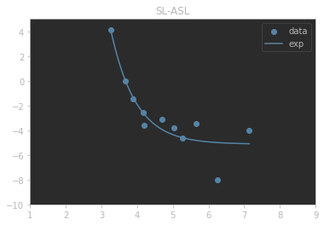
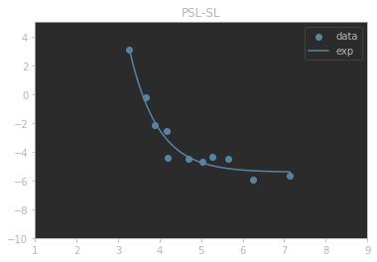
 | index | a | b | k | m | rss | rmse | r2
0 | ESL-SL | 3.4409376409 | 4.3415978878 | 1.9907512275 | -3.5897281921 | 8.5406055066 | 0.88114623214 | 0.85930018325
1 | SL-ASL | 4.1626892077 | 3.9309411262 | 3.5503621718 | -5.1275228979 | 13.913056028 | 1.1246436215 | 0.84742469787
2 | PSL-SL | 4.3268591955 | 4.4407642531 | 1.5439949765 | -5.4332173065 | 3.3072707866 | 0.54832561549 | 0.9538991

