Riskfolio Charts
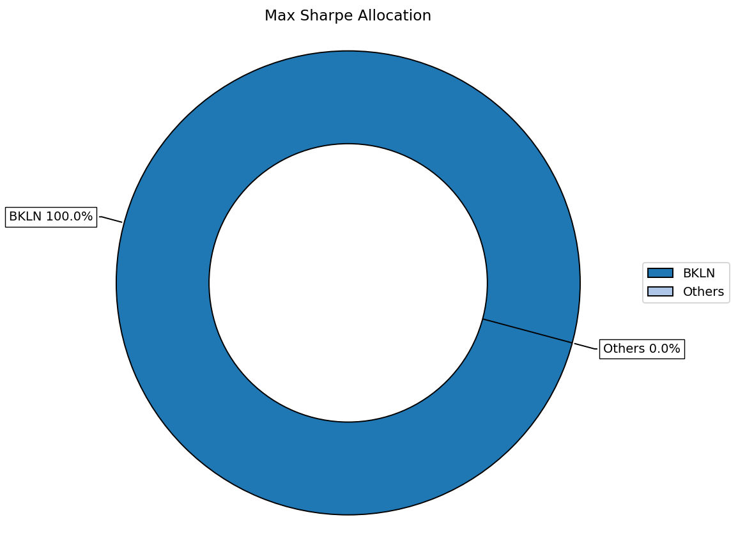
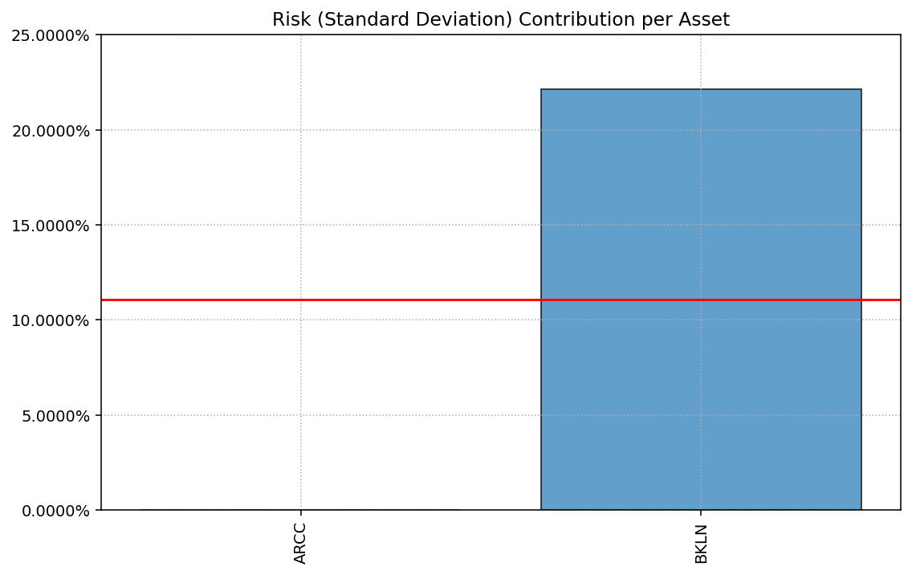
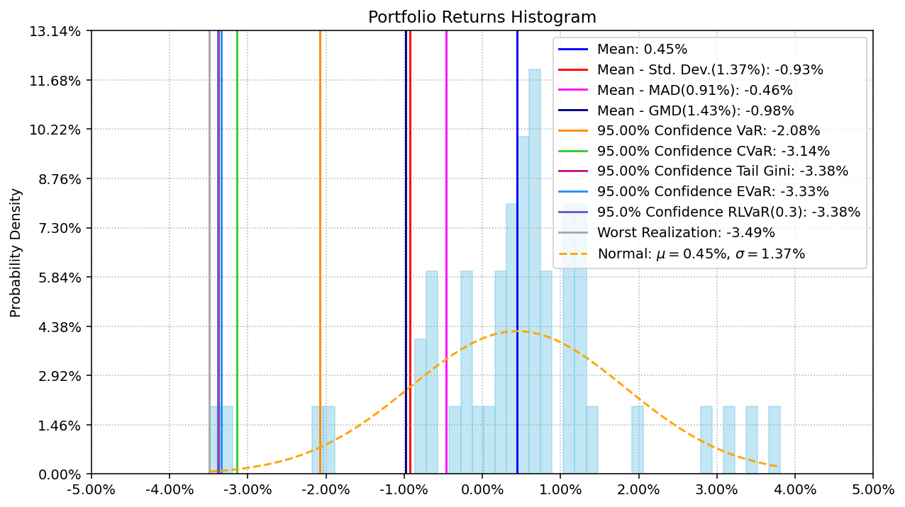
RISKFOLIO-LIB VISUAL ANALYTICS

Backtest
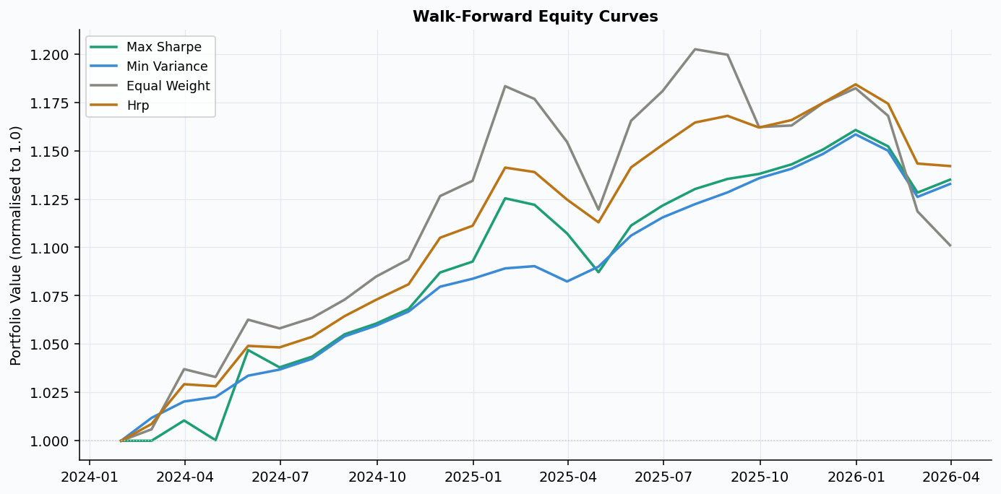
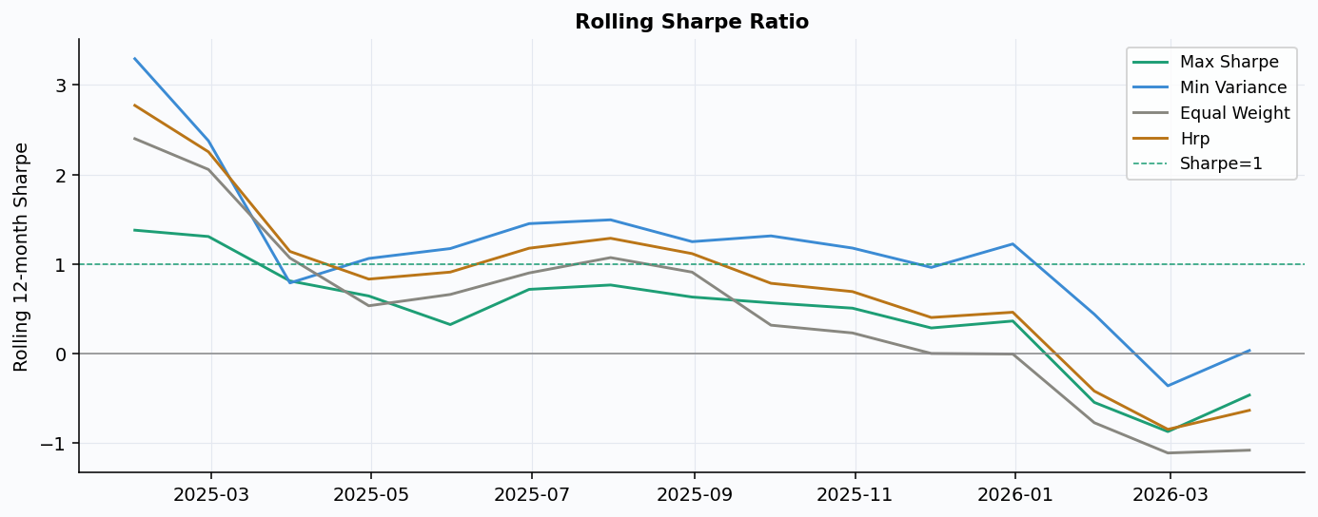
WALK-FORWARD BACKTEST RESULTS
Strategy | Ann. Return | Ann. Vol | Sharpe | Max Drawdown | Calmar | Final $1
Max Sharpe | 5.98% | 4.86% | 0.304 | -3.39% | 1.760 | $1.135
Min Variance | 5.80% | 2.46% | 0.528 | -2.79% | 2.078 | $1.133
Equal Weight | 4.71% | 7.24% | 0.030 | -8.43% | 0.559 | $1.101
Hrp | 6.23% | 4.17% | 0.415 | -3.57% | 1.747 | $1.142

Generational Plan
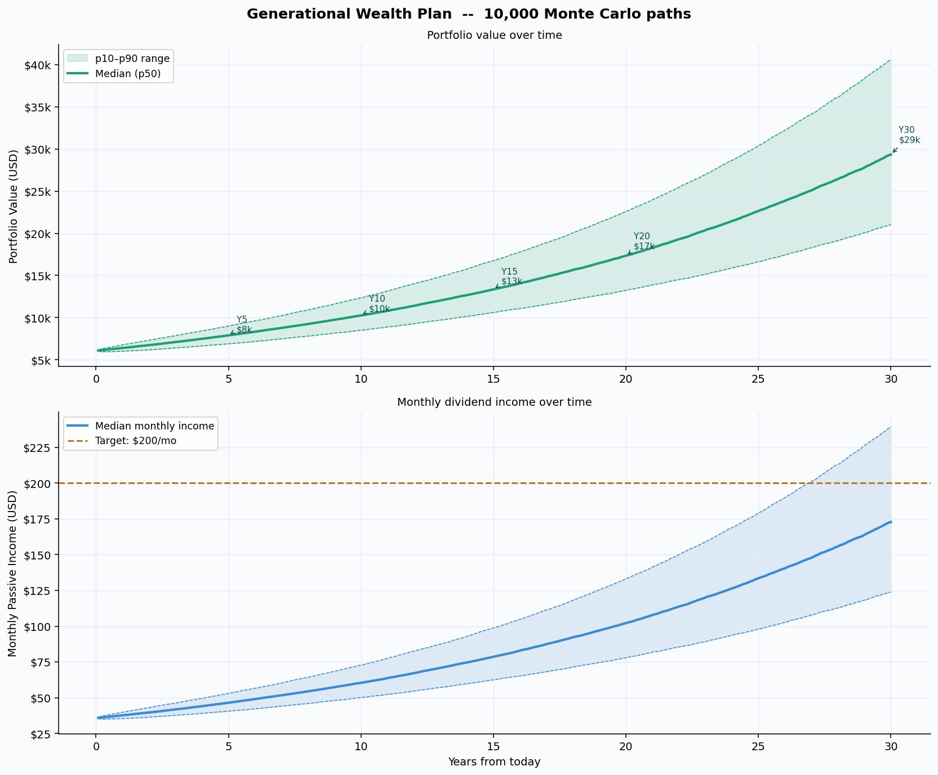
GENERATIONAL WEALTH PLAN -- 30-Year Monte Carlo
Year | p10 Value | p50 Value | p90 Value | p50 Real (infl-adj) | p50 Income/mo | p10 Income/mo | p90 Income/mo | P(>target) | Cum Div p50
Year 5 |  | $6,895 | $7,890 | $9,004 | $6,806 | $46.49 | $40.62 | $53.05 | 0.0% | $2,460
Year 10 |  | $8,512 | $10,258 | $12,357 | $7,633 | $60.44 | $50.15 | $72.80 | 0.0% | $5,665
Year 15 |  | $10,605 | $13,352 | $16,756 | $8,570 | $78.67 | $62.48 | $98.72 | 0.0% | $9,827
Year 20 |  | $13,234 | $17,337 | $22,586 | $9,599 | $102.15 | $77.97 | $133.07 | 0.1% | $15,245
Year 30 |  | $21,057 | $29,335 | $40,638 | $12,086 | $172.83 | $124.06 | $239.43 | 28.4% | $31,536

FX Timing
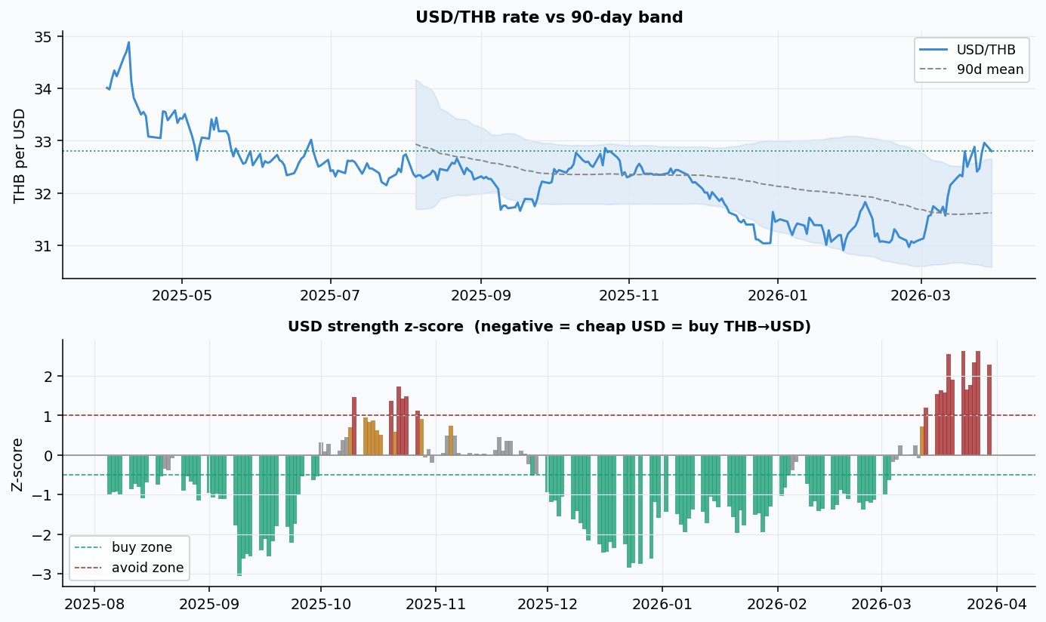
FX TIMING SIGNAL -- USD/THB Conversion Optimiser

Signal | Avoid
Z-score | +2.278
Current USD/THB | 32.8000
90-day Mean | 31.6226
52-week Low | 30.9100
52-week High | 34.8800
Advice | USD at 90-day high -- defer THB conversion if possible
DCA Budget (THB) | ฿51,000
USD Gross | $1,554.88
USD Net (after comm) | $1,541.49
Est. BKLN shares | 75

