Summary
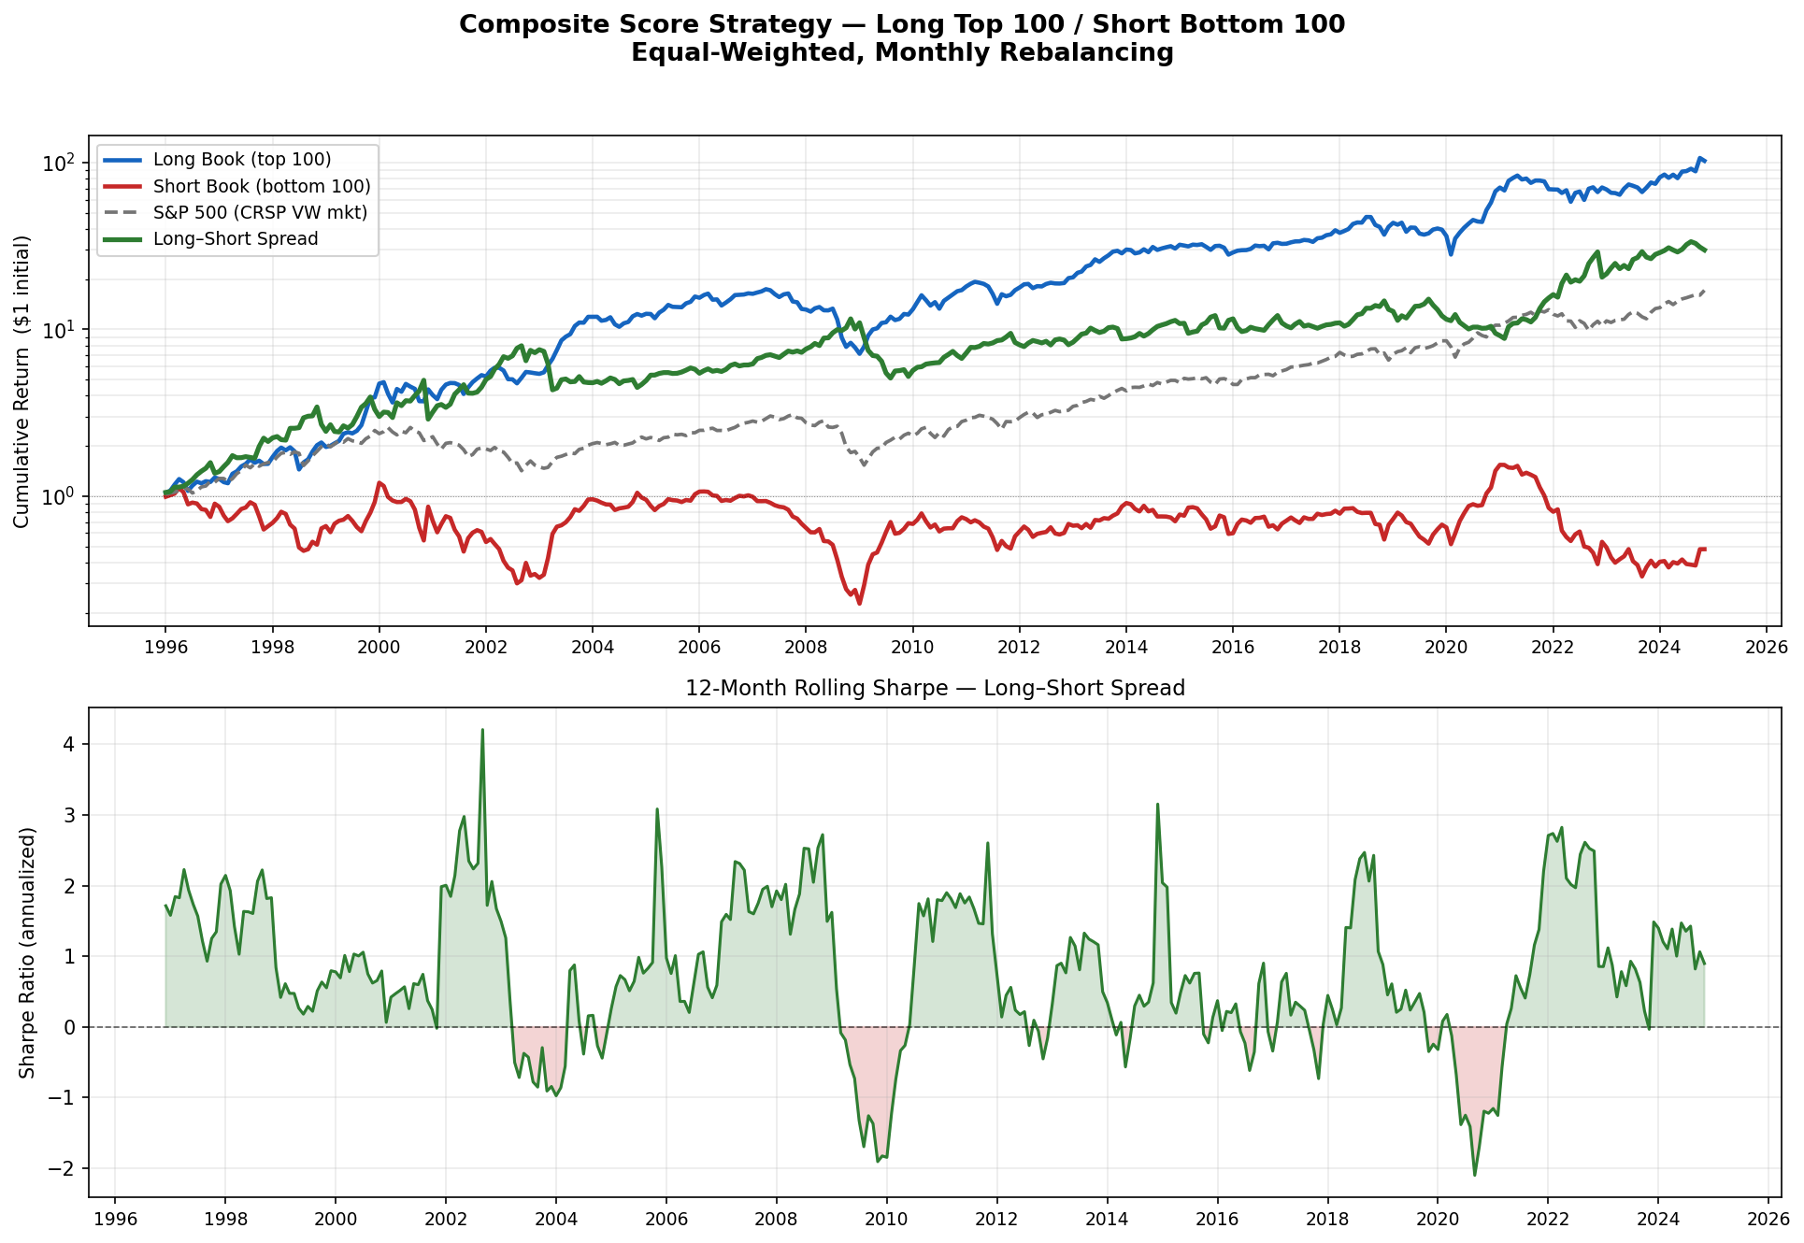
Composite Score Backtest — Results Summary
Long Top-100 / Short Bottom-100 | Equal-Weighted, Monthly Rebalancing | Jan 1996 – Nov 2024 | Data: CRSP + Compustat (3-month reporting lag)

A. PERFORMANCE METRICS
Portfolio | Ann. Return | Ann. Volatility | Sharpe Ratio | Max Drawdown | N Months
Long Book (Top 100) | 17.4% | 23.7% | 70.5% | -59.0% | 347
Short Book (Bottom 100) | -2.5% | 35.9% | 4.0% | -81.2% | 347
Long–Short Spread | 12.5% | 25.6% | 0.51 | -55.8% | 347
Market (S&P 500 proxy) | 10.3% | 15.9% | 0.56 | -50.3% | 347

B. CAPM ANALYSIS (OLS: Excess Return = α + β·MktRF)
Portfolio | α Monthly | α Annualized | t-stat (α) | p-value | Sig. | β (Market) | R²
Long Book (Top 100) | 1.33% | 15.91% | 3.56 | 0.000 | *** | 0.090 | 0.004
Short Book (Bottom 100) | -0.17% | -2.07% | -0.31 | 0.757 |  | 0.390 | 0.030
Long–Short Spread | 1.50% | 17.98% | 3.78 | 0.000 | *** | -0.300 | 0.035

Significance: *** p < 0.01 | ** p < 0.05 | * p < 0.10 | Benchmark = CRSP VW market (FF mktrf + rf)

C. METHODOLOGY
Signals (5): | Piotroski F-Score · Gross Profitability (Novy-Marx 2013) · Accruals / Earnings Quality (Sloan 1996) · Valuation (EV/EBITDA + P/E, inverted) · 12-1M Price Momentum (Jegadeesh & Titman 1993)
Composite Score: | Equal-weighted average of 5 cross-sectional percentile ranks (0–100). Requires ≥ 3 signals present. Higher = better quality/value/momentum.
Reporting Lag: | Fundamental data assumed available 3 months after fiscal year-end to prevent look-ahead bias. Scores forward-filled until next annual update.
Rebalancing: | Monthly. Top-100 by composite = Long Book. Bottom-100 = Short Book. Equal-weighted within each book. Forward return = next calendar month.
Benchmark: | CRSP value-weighted market return (Ken French data library: mktrf + rf). Used as S&P 500 proxy.
Data Vintage: | CRSP monthly file + Compustat quarterly file, both through December 2024. Blake Stanley, FIN 372T — UT Austin, Spring 2026.

