COVER


COMPS ANALYSIS
Comps Analysis
Firm | P/E (NTM) | Price/Sales | EV/EBITDA | Price/Book | PEG | Gross Margin | Net Income Margin
Flex FLEX | 13.2 | 0.4 | 7.0 | 3.4 | 0.8 | 6.80% | 2.30%
Jabil (JBL) | 9.2 | 0.2 | 5.3 | 2.0 | 0.8 | 8.10% | 0.60%
Celestica (CLS) | 8.3 | 0.2 | 5.6 | 1.1 | 16.6 | 6.90% | 1.80%
Sanmina (SANM) | 9.7 | 0.3 | 7.3 | 1.5 | - | 7.60% | 2.00%
Plexus (PLXS) | 16.3 | 0.8 | 9.0 | 2.0 | 3.0 | 10.10% | 4.40%
Fabrinet (FN) | 8.4 | 0.8 | 6.9 | 1.6 | 0.9 | 11.90% | 0.86%
Benchmark Electronics (BHE) | 18.2 | 0.6 | 7.5 | 1.0 | 1.5 | 9.30% | 2.60%
Quanta Services (PWR) | 15.4 | 0.6 | 9.1 | 1.6 | 0.6 | 13.50% | 3.20%
IEC Electronics (IEC) | 6.1 | 0.4 | 20.3 | 2.9 | - | 11.70% | 0.10%
SigmaTron International (SGMA) | 18.8 | 0.2 | 8.0 | 0.7 | - | 9.90% | 0.90%
SMTC Corp (SMTX) | - | 0.2 | - | 1.6 | - | 8.10% | -5.40%
TTM Technologies (TTMI) | 9.4 | 0.6 | 6.5 | 1.8 | 0.5 | 16.40% | 2.80%
Hon Hai Precision Industries (HKG: 2038) | 12.1 | 0.3 | 7.8 | 1.4 | 2.1 | 7.38% | 3.41%
(10.5%)
(16.3%)
(71.6%)
(302) bps
79 bps
Average | 12.1 | 0.4 | 8.4 | 1.7 | 3.0 | 9.82% | 1.51%
FLEX premium (discount) vs Average | 9.2% |  |  | 95.6%

M SCORE
M Score Calculation | 2015 | 2016 | 2017
Days Receivable Index (DSRI) | 1.17 | 0.87 | 1.12
Gross Margin Index (GMI) | 0.90 | 0.99 | 0.98
Asset Quality Index (AQI) | 2.04 | 1.03 | 1.14
Sales Growth Index (SGI) | 0.90 | 0.97 | 1.04
Depreciation Index (DEPI) | 1.06 | 1.12 | 0.89
SG&A Expense Index (SGAI) | 1.15 | 1.18 | 0.98
Leverage index (LVGI) | 0.99 | 1.00 | 0.97
Total Accruals to Total Assets (TATA) | -0.03 | -0.04 | 0.00
M Score | -2.18 | -2.85 | -2.27
M Score

M > -2.22

M > -2.22
M Score Improvement

M ~ -2.22

M < -2.22

2015 2016 2017
Year

SIDE PROJECTS
 |  |  |  |  |  |  |  |  |  |  |  |  | Valuation Date | January 15th, 2018 | Recommendation | BUY | Stock Exchange | NASDAQ
Figure 1 |  |  |  |  |  |  |  |  |  |  |  |  | Ticker | FLEX | Target Price | $26.09 | Sector | Technology
FLEX Profile |  |  |  |  |  |  |  |  |  |  |  |  | Current Price | $ | Upside | 44.6% | Industry | Electronic Manufacturing Services
STOCK PRICE (1/15/2018) | $
OUTSTANDING SHARES | 523.2 million shares
MARKET CAPITALIZATION | $ billion
ENTERPRICE VALUE | $ billion
EV/EBITDA | 7x

Figure 2
Valuation Analysis
METHOD | WEIGHT | PRICE
DCF | 50% | $13.38
EV/EBITDA | 50% | $12.62
12 MONTH TARGET |  | $25.99
UPSIDE RETURN |  | 44.6%
2018 DIVIDENDS |  | N/A
TOTAL 12 MONTH RETURN |  | 44.6%

Figure 3
Major Shareholders
FIRM |  | % TOTAL
ROBECO INVESTMENT MGMT |  | 10.33%
PRIMECAP MGMG CO |  | 9.98%
GLENVIEW CAP MGMT |  | 7.46%
CAPITAL RESEARCH GLOBAL INVESTORS |  | 7.09%
HHG PLC |  | 6.07%
JANUS CAP MGMT |  | 5.26%
WELLINGTON MGMT CO |  | 3.43%
LYRICAL ASSET MGMT |  | 2.47%
IRIDIAN ASSET MGMT |  | 2.42%
VICTORY CAPITAL MGMT |  | 2.30%
As % 1 year price target
TOP 10 INSTITUTIONS |  | 56.81%

Figure 4
Major Shareholders
FIRM TYPE |  | % TOTAL
MUTUAL FUNDS
HEDGE FUNDS
INSIDERS

Figure 5
Distribution of shareholder types

 |  |  |  |  |  |  |  |  |  | Terminal Value | Present Value
 |  |  |  |  |  |  |  |  |  | 59.5% | 40.5%

Figure 6
List of Board of Directors
Michael Capellas | Willy Shih
Lawrence Zimmerman | Lay Tan
Mike McNamara | William Watkins
Daniel Schulman | Marc Onetto

Figure 7
List of Executive Officers
Mike McNamara (CEO) | Carline Dowling (CEC)
Francois Barbier (Ops) | Paul Humprhies (HRS)
Doug Britt (IEI) | Fei Liu (President, Asia)
Christopher Collier (CFO) | Scott Offer (Gen Counsel)
Mike Dennison (CTG) | Ruvi Shaibel (Strategy)

Figure 8
Porter's 5 Forces Analysis Diagram |  |  |  | Outer | Next | Next | Next | Next | Data
 |  |  | Rivalry WITHIN THE INDUSTRY | 5 | 4 | 3 | 2 | 1 | 4 |  |  |  | Legend
 |  |  | THREAT OF NEW ENTRANTS | 5 | 4 | 3 | 2 | 1 | 3 |  |  |  | 0 No threat | 3 Moderate
 |  |  | BARGAINING POWER OF CUSTOMERS | 5 | 4 | 3 | 2 | 1 | 3 |  |  |  | 1 Very low | 4 High
 |  |  | THREAT OF SUBSTITUTES | 5 | 4 | 3 | 2 | 1 | 1 |  |  |  | 2 Low | 5 Very High
 |  |  | BARGAINING POWER OF SUPPLIERS | 5 | 4 | 3 | 2 | 1 | 4

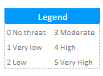

Figure 9
SWOT Analysis Diagram

PROBABILITY
Figure 10
Risk Matrix Diagram
Low Medium High
Operational & Business Risk
Market
Financial
FI1
MK2
MK3

OP1
OP3
FI2
OP2
 |  |  |  |  |  |  | 18.06
OP4

MK1
Low Medium High

IMPACT

 | EPS | % Growth
 | $1.04
 | $0.94 | -9.6
 | $0.71 | -24.2
 | $1.18 | 64.8
 | $1.45 | 22.7
 | $1.60 | 10.5
 | $1.76 | 10.0
 | $1.92 | 9.4
 | $2.09 | 8.8
11.4% CAGR
Figure 11
Historical & Projected EPS |  |  |  | Year | EPS | % Growth
 |  |  |  | 2014 | $1.04
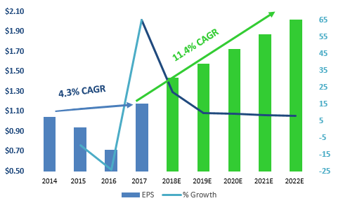
 |  |  |  | 2015 | $0.94 | -9.6
4.3% CAGR
 |  |  |  | 2016 | $0.71 | -24.2
 |  |  |  | 2017 | $1.18 | 64.8
 |  |  |  | 2018 | $1.45 | 22.7
 |  |  |  | 2019 | $1.60 | 10.5
 |  |  |  | 2020 | $1.76 | 10.0
 |  |  |  | 2021 | $1.92 | 9.4
 |  |  |  | 2022 | $2.09 | 8.8
2014 2015 2016 2017 2018E 2019E 2020E 2021E 2022E

 | Revenue | % Growth
 | $27,221,370
 | $24,597,787 | -9.6
 | $23,773,035 | -3.4
 | $24,698,089 | 3.9
 | $26,160,962 | 5.9
 | $27,806,730 | 6.3
 | $29,589,422 | 6.4
 | $31,468,738 | 6.4
 | $33,409,086 | 6.2
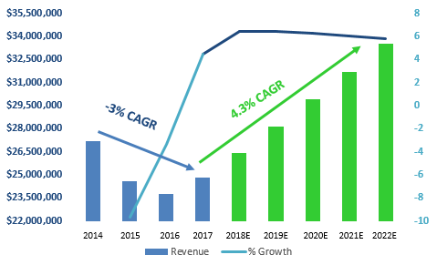
Figure 12
Historical & Projected Revenue |  |  |  | Year | Revenue | % Growth
 |  |  |  | 2014 | $27,221,370
 |  |  |  | 2015 | $24,597,787 | -9.6
 |  |  |  | 2016 | $23,773,035 | -3.4
4.3% CAGR
 |  |  |  | 2017 | $24,698,089 | 3.9
-3% CAGR
 |  |  |  | 2018 | $26,160,962 | 5.9
 |  |  |  | 2019 | $27,806,730 | 6.3
 |  |  |  | 2020 | $29,589,422 | 6.4
 |  |  |  | 2021 | $31,468,738 | 6.4
 |  |  |  | 2022 | $33,409,086 | 6.2

2014 2015 2016 2017 2018E 2019E 2020E 2021E 2022E

Operating Margin % (by segment)

 |  |  |  | CEC | 2.2
 |  |  |  | CTG | 1.8
 |  |  |  | IEI | 3.5
 |  |  |  | HRS | 8.0

 |  |  |  |  |  |  |  |  |  |  |  |  |  |  |  | Key Executive Compenation ($ millions)
 |  |  |  |  |  |  |  |  |  |  |  |  |  |  |  | Name/Title |  |  |  | 2013 | 2014 | 2015 | 2016 | 2017
 |  |  |  |  |  |  |  |  |  |  |  |  |  |  |  | Michael McNamara / CEO |  |  |  | $10.01 | $6.52 | $14.35 | $12.74 | $14.79
 |  |  |  |  |  |  |  |  |  |  |  |  |  |  |  | Christopher Collier / CFO |  |  |  | $1.55 | $3.52 | $4.81 | $3.49 | $4.21
 |  |  |  |  |  |  |  |  |  |  |  |  |  |  |  | Paul Humphries / High Reliability Solutions |  |  |  | $3.00 | $4.82 | $4.54 | $3.80 | $4.62
 |  |  |  |  |  |  |  |  |  |  |  |  |  |  |  |  | Scott Offer / EVP & General Counsel |  |  | - | - | - | - | $4.47
 |  |  |  |  |  |  |  |  |  |  |  |  |  |  |  | Francois Barbier / Global Operations |  |  |  | $3.47 | $5.21 | $4.54 | $3.75 | $4.47

Medical Device Spend (billions USD)
 |  |  |  |  |  |  |  |  |  |  |  |  |  |  |  | Quarter | ROIC
 |  |  |  |  |  |  |  |  |  |  |  |  |  |  |  | Q3 2014 | 24%
 |  |  |  |  |  |  |  |  |  |  |  |  |  |  |  | Q1 2015 | 24%
 |  |  |  |  |  |  |  |  |  |  |  |  |  |  |  | Q2 2015 | 23%
 |  |  |  |  |  |  |  | Electronics as % new car cost |  |  |  |  |  |  |  | Q3 2015 | 23%
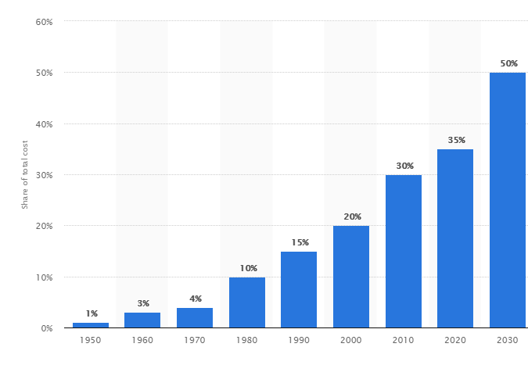
 |  |  |  |  |  |  |  |  |  |  |  |  |  |  |  | Q4 2015 | 22%
 |  |  |  |  |  |  |  |  |  |  |  |  |  |  |  | Q1 2016 | 22%
 |  |  |  |  |  |  |  |  |  |  |  |  |  |  |  | Q2 2016 | 19%
 |  |  |  |  |  |  |  |  |  |  |  |  |  |  |  | Q3 2016 | 15%
 |  |  |  |  |  |  |  |  |  |  |  |  |  |  |  | Q4 2016 | 13%
 |  |  |  |  |  |  |  |  |  |  |  |  |  |  |  | Q1 2017 | 14%
 |  |  |  |  |  |  |  |  |  |  |  |  |  |  |  | Q2 2017 | 13%
 |  |  |  |  |  |  |  |  |  |  |  |  |  |  |  | Q3 2017 | 14%

2012 2016 2020

 |  |  |  |  |  |  |  |  |  |  |  |  |  |  |  | Year | % Share of total cost
 |  |  |  |  |  |  |  |  |  |  |  |  |  |  |  | 1950 | 1
 |  |  |  |  |  |  |  |  |  |  |  |  |  |  |  | 1960 | 3
 |  |  |  |  |  |  |  |  |  |  |  |  |  |  |  | 1970 | 4
 |  |  |  |  |  |  |  |  |  |  |  |  |  |  |  | 1980 | 10
 |  |  |  |  |  |  |  |  |  |  |  |  |  |  |  | 1990 | 15
 |  |  |  |  |  |  |  |  |  |  |  |  |  |  |  | 2000 | 20
 |  |  |  |  |  | Source: Statista |  |  |  |  |  |  |  |  |  | 2010 | 30
 |  |  |  |  |  |  |  |  |  |  |  |  |  |  |  | 2020 | 35
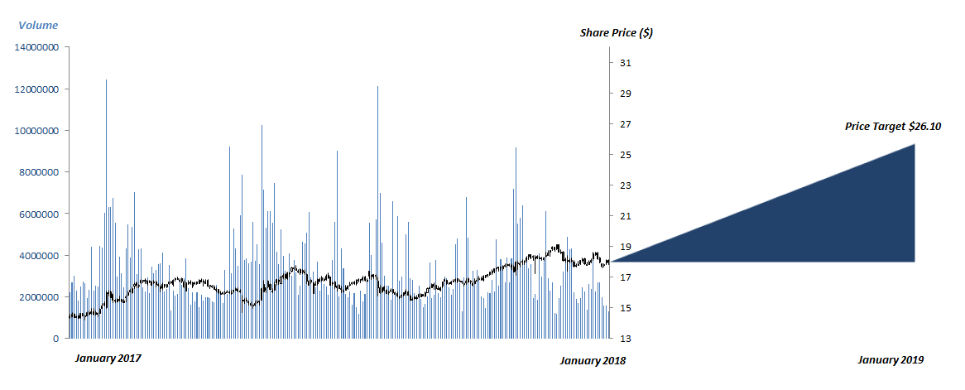
 |  |  |  |  |  |  |  |  |  |  |  |  |  |  |  | 2030 | 50

 |  |  |  |  |  |  |  |  |  |  |  |  |  |  | Year | 2011 | 2012 | 2013 | 2014 | 2015 | 2016 | 2017 | 2018 | 2019 | 2020
 |  |  |  |  |  |  |  |  | Alternative Valuation Analysis |  |  |  |  |  | Medical Device Spend | 239 | 255 | 272 | 291 | 310 | 329 | 348 | 369 | 391 | 415
 |  |  |  |  |  |  |  |  | Scenario | Price Target | Weight | PTxW |  |  | CAGR | 6.7 | 6.7 | 6.7 | 6.7 | 6.7 | 6.7 | 6.5 | 6.5 | 6.5 | 6.5
 |  |  |  |  |  |  |  |  | Bearish | $21.85 | 0.2 | $4.37
 |  |  |  |  |  |  |  |  | Base | $26.10 | 0.6 | $15.66
 |  |  |  |  |  |  |  |  | Bullish | $31.09 | 0.2 | $6.22
 |  |  |  |  |  |  |  |  | Expected Value |  |  | $26.25

NOTES
Comp Set Market Share %
Comps Analysis | TTM Revenue, Millions | Estimated % of Total Market Share
Firm
Flex FLEX | 24,260 | 5.7% |  | Flex FLEX | 5.7%
Jabil (JBL) | 19,540 | 4.6% |  | Jabil (JBL) | 4.6%
Celestica (CLS) | 6,180 | 1.5% |  | Celestica (CLS) | 1.5%
Sanmina (SANM) | 6,870 | 1.6% |  | Sanmina (SANM) | 1.6%
Plexus (PLXS) | 2,530 | 0.6% |  | Plexus (PLXS) | 0.6%
Fabrinet (FN) | 1,450 | 0.3% |  | Fabrinet (FN) | 0.3%
Benchmark Electronics (BHE) | 2,390 | 0.6% |  | Benchmark Electronics (BHE) | 0.6%
Quanta Services (PWR) | 9,090 | 2.1% |  | Quanta Services (PWR) | 2.1%
IEC Electronics (IEC) | 97 | 0.0% |  | IEC Electronics (IEC) | 0.0%
SigmaTron International (SGMA) | 272 | 0.1% |  | SigmaTron International (SGMA) | 0.1%
SMTC Corp (SMTX) | 140 | 0.0% |  | SMTC Corp (SMTX) | 0.0%
TTM Technologies (TTMI) | 2,630 | 0.6% |  | TTM Technologies (TTMI) | 0.6%
Hon Hai Precision Industries (HKG: 2038) | 146,200 | 34.4% |  | Hon Hai Precision Industries (HKG: 2038) | 34.4%
EMS Aggregate Market Size | 425,000 |  | 52.2%

Distribution of Market Share %

 |  |  |  | Comp Set | 52.2%
 |  |  |  | Rest of Market | 47.8%

 |  |  |  |  |  | Strengths
 |  |  |  |  |  | Dominant share of the EMS market
 |  |  |  |  |  | Unique competitive advantages including its Industrial Parks
 |  |  |  |  |  | Extensive state-of-the-art technology
Total Revenue by Operating Segment
 | CEC | CTG | IEI | HRS
2017 | 0.35 | 0.27 | 0.21 | 0.17
2016 | 0.36 | 0.29 | 0.19 | 0.16
2015 | 0.35 | 0.34 | 0.17 | 0.14
 |  |  |  |  |  | Well-diversified revenues from numerous distinct end market and ;ow dependence on any single key customer
 |  |  |  |  |  | Focus on expanding into emerging end markets and adopting new technology as it becomes available
 |  |  |  |  |  | Vertically integrated production of some subcomponents & components used in the manufacturing of final goods
 |  |  |  |  |  | Global footprint that gives it worldwide design, engineering, and manufacturing capabilities
 |  |  |  |  |  | Advantageous pricing as a result of robust and expansive supply chain networks
 |  |  |  |  |  | Weaknesses
 |  |  |  |  |  | Overly dependent on international revenues: Approximately 89% of all 2017 fiscal year revenue was generated outside of the US, with 30% generated in China alone
 |  |  |  |  |  | Dependent on sole suppliers of certain parts
 |  |  |  |  |  | Exposed to high bargaining power of customers in certain end markets, especially those with high volume, low complexity products
 |  |  |  |  |  | Opportunities
 |  |  |  |  |  | Penetrate the growing automotive electronics industry through leveraging its extensive experience in traditional EMS markets such as servers
 |  |  |  |  |  | Grow its existing presence in high margin end markets such as medical electronics, aerospace, and defense which have high barriers to entry
 |  |  |  |  |  | Increase automation to further mitigate labor expenses and expand margins

 |  |  |  |  |  | Threats
 |  |  |  |  |  | Aggressive competition from other EMS companies and Taiwanese ODMs
 |  |  |  |  |  | Slowdown in global economy that lowers demand for Flex’s services
 |  |  |  |  |  | Regulatory changes that harm Flex’s ability to conduct business in certain geographic regions or end markets
 |  |  |  |  |  | Impairment of one or more key customer relationships that results in diminished

