Sheet1
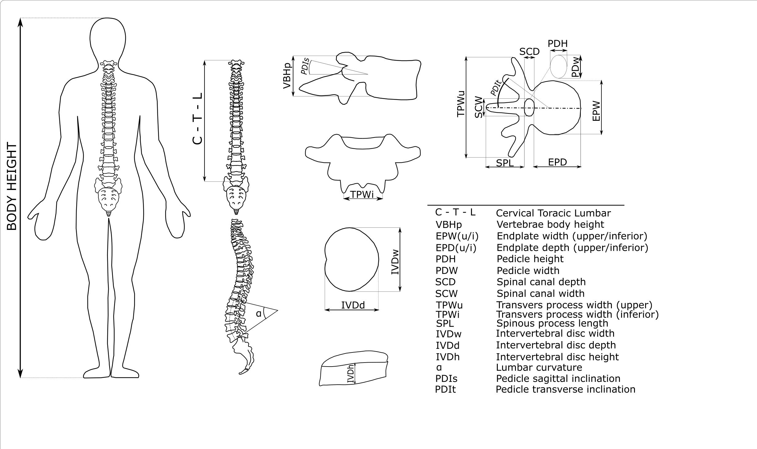
Vertebrae | EPWu | EPDu | EPWi | EPDi | VBHp | PDH | PDW | SPL | PDIs | PDIt | SCD | SCW | TPWu | TPWi | alpha | IVD level | IVDh | IVDd | IVDw
L1 | 40.37 | 33.56 | 21.57 | 33.68 | 24.93 | 15.83 | 10.40 | 36.06 | 15.02 | 5.73 | 18.73 | 16.93 | 74.21 | 28.89 | 43.49 | L1-L2 | 9.03 | 33.56 | 40.37
L2 | 40.74 | 33.84 | 21.77 | 33.93 | 25.15 | 15.95 | 10.48 | 38.58 | 14.74 | 5.74 | 18.75 | 16.95 | 88.84 | 28.84 |  | L2-L3 | 10.73 | 33.84 | 40.74
L3 | 41.20 | 34.17 | 22.01 | 34.24 | 25.42 | 16.10 | 10.58 | 42.63 | 14.40 | 5.75 | 18.78 | 16.97 | 96.89 | 28.77 |  | L3-L4 | 13.01 | 34.17 | 41.20
L4 | 40.97 | 34.00 | 21.89 | 34.08 | 25.28 | 16.03 | 10.53 | 36.72 | 14.57 | 5.74 | 18.77 | 16.96 | 96.79 | 28.80 |  | L4-L5 | 13.26 | 34.00 | 40.97
L5 | 41.58 | 34.45 | 22.21 | 34.49 | 25.64 | 16.23 | 10.66 | 31.77 | 14.12 | 5.76 | 18.81 | 16.99 | 97.45 | 28.72

