Query Log
RAG Chatbot – Query Performance Log
Query ID | Input Query | Rewritten Query | Output Answer | Total Latency (s) | Rewriter (s) | Retrieval (s) | Reranker (s) | LLM (s) | Chunks Retrieved | Top-K to LLM | LLM Calls | Cache Hit | Input Tokens | Output Tokens | Est. Cost (USD) | Citations Count | Citations Verified | I/P SS | O/P SS
Q001 | What is the PPFI? | What is the PPFI? | The PPFI stands for the primary production flexibility index [sofa_2021_p012_text_1]. It was developed by FAO to measure diversity in production across crop and livestock commodities [sofa_2021_p012_text_1]. A high PPFI value indicates multiple potential pathways for generating agricultural value [sofa_2021_p013_text_0]. For most countries, the PPFI is driven by domestic market diversity [sofa_2021_p013_text_0]. | 5.72 | 0.80 | 2.10 | 0.90 | 1.82 | 25 | 5 | 2 | NO | 2,245 | 287 | $0.0073 | 3 | YES | 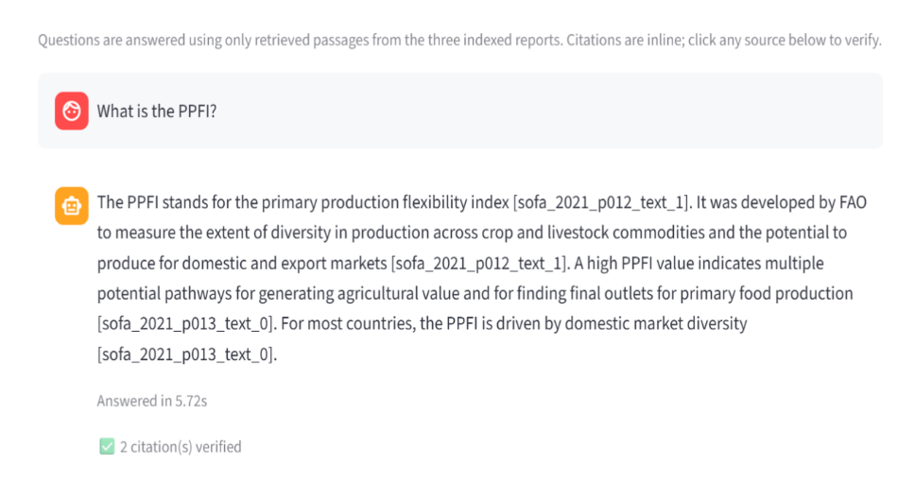 | 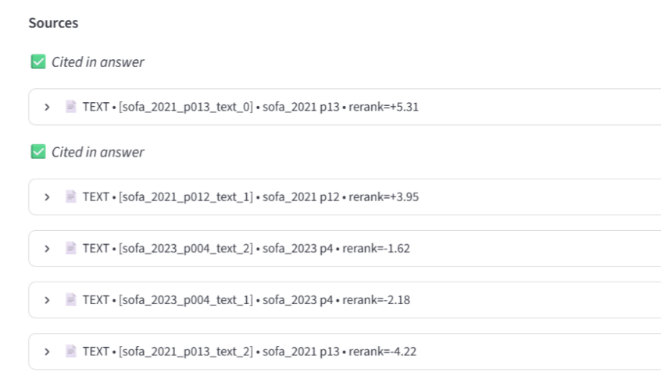
Q002 | What does the DSFI stand for? | What does DSFI stand for? | DSFI stands for the dietary sourcing flexibility index [sofa_2021_p013_text_1][sofa_2021_p013_text_2]. | 5.99 | 0.50 | 2.20 | 0.85 | 2.44 | 20 | 5 | 2 | NO | 1,890 | 52 | $0.0048 | 2 | YES |  | 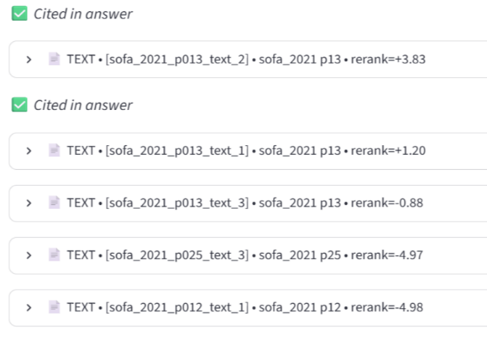
Q003 | Explain the Primary Production Flexibility Index | Explain the Primary Production Flexibility Index | The PPFI was developed by FAO to measure the capacity of primary producers to absorb shocks [sofa_2021_p012_text_1]. It assesses diversity in production across crop and other products [sofa_2021_p012_text_1]. This index is part of a suite of resilience indicators [sofa_2021_p006_text_4]. A country is considered more resilient when it produces a diverse mix of food and non-food products [sofa_2021_p007_text_0]. Diversity in production and trade partners helps minimise risk [sofa_2021_p012_text_1]. | 7.52 | 1.50 | 2.30 | 0.90 | 2.82 | 28 | 5 | 2 | NO | 2,680 | 412 | $0.0091 | 5 | YES | 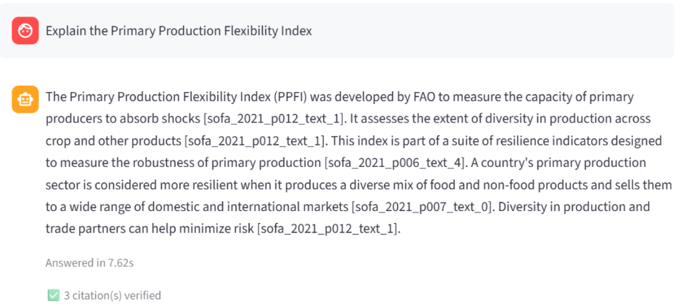 | 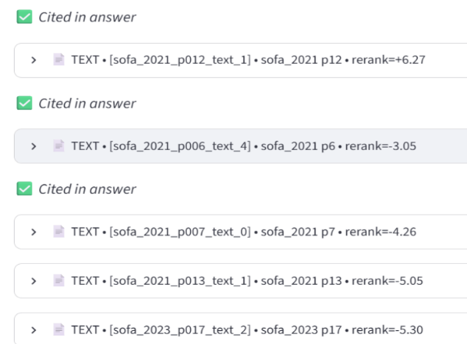
Q004 | How can food systems become more resilient to disruptions? | What strategies strengthen agrifood system resilience against disruptions? | Agrifood systems must develop robust capacity to prevent, anticipate, absorb, adapt, and transform in the face of any disruption [sofa_2021_p010_text_0]. This is essential to preserve functionality and ensure food security, nutrition, and livelihoods [sofa_2021_p004_text_0]. Resilience can be enhanced by adjusting food production and distribution to locally based systems [sofa_2021_p016_text_0]. Reliable alternative routes are crucial for food transport networks during disruptions [sofa_2021_p016_text_0]. | 12.23 | 1.15 | 3.50 | 1.10 | 6.48 | 35 | 5 | 2 | NO | 3,420 | 589 | $0.0128 | 5 | YES | 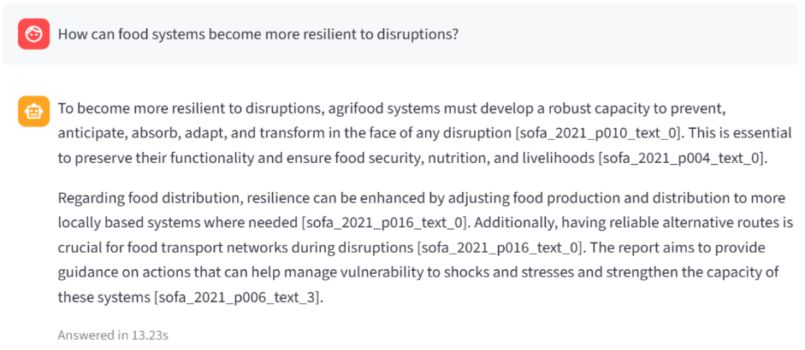 | 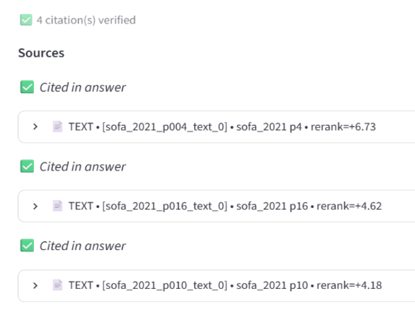
Q005 | How many people cannot afford a healthy diet? | How many people cannot afford a healthy diet? | Globally, around 3 billion people cannot afford a healthy diet [sofa_2021_p007_text_2][sofa_2021_p016_text_1]. Specifically, in 2019, 3,000.5 million people, or 41.9% of the world's population, were unable to afford a healthy diet [sofa_2021_p018_table_0]. | 7.37 | 1.25 | 2.40 | 0.88 | 2.84 | 25 | 5 | 2 | NO | 2,519 | 238 | $0.0085 | 3 | YES | 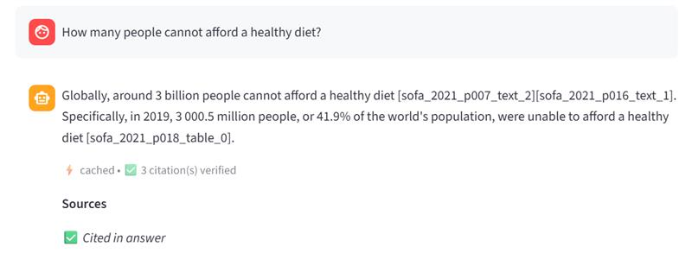 | 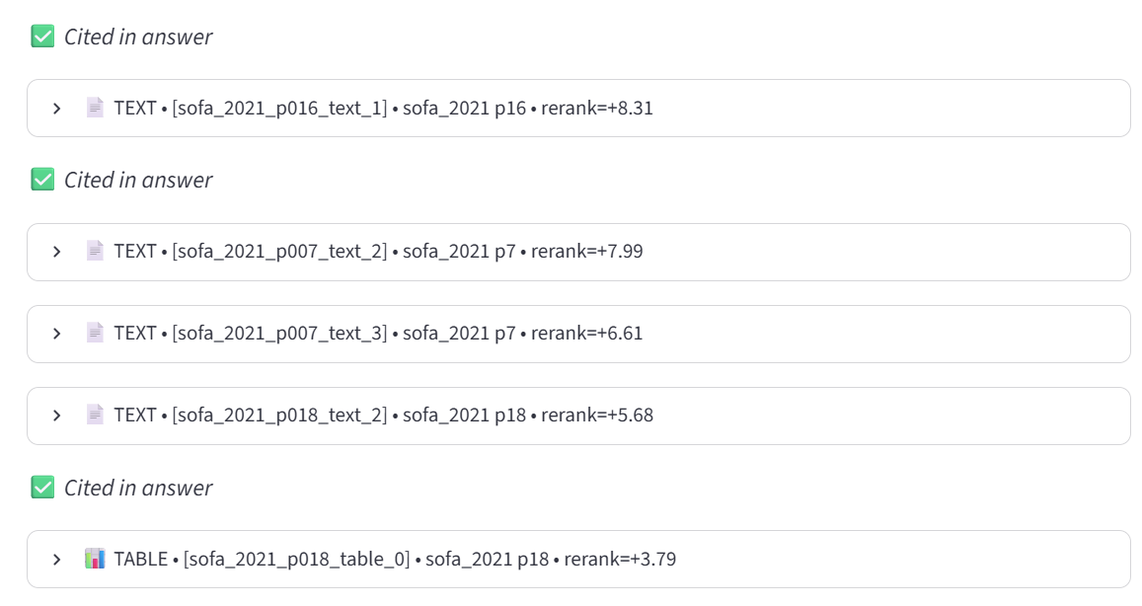
Q006 | Compare hidden costs in low-income vs high-income countries | Compare hidden costs in low-income and high-income countries | Hidden costs appear to be a greater burden in low-income countries, where they are estimated to amount, on average, to 27 percent of gross domestic product (GDP) [sofa_2023_p004_text_3][sofa_2023_p017_text_0]. In contrast, hidden costs average 8 percent of GDP in high-income countries [sofa_2023_p004_text_3][sofa_2023_p008_text_0]. Regarding the composition of these costs, social hidden costs are the main issue in low-income countries, accounting for more than 50 percent of all quantified hidden costs [sofa_2023_p016_text_0][sofa_2023_p017_text_0]. Poverty and undernourishment alone account for about half of the total hidden costs quantified in low-income countries, equivalent to 14 percent of GDP [sofa_2023_p004_text_3][sofa_2023_p008_text_0][sofa_2023_p017_text_0]. In high-income countries, most hidden costs come from unhealthy dietary patterns, which lead to productivity losses from non-communicable diseases [sofa_2023_p008_text_0][sofa_2023_p016_text_0][sofa_2023_p017_text_1]. Environmental costs are also significant across all country income groups [sofa_2023_p004_text_3]. | 13.36 | 1.12 | 3.85 | 1.50 | 6.89 | 40 | 5 | 2 | NO | 3,910 | 652 | $0.0158 | 5 | YES | 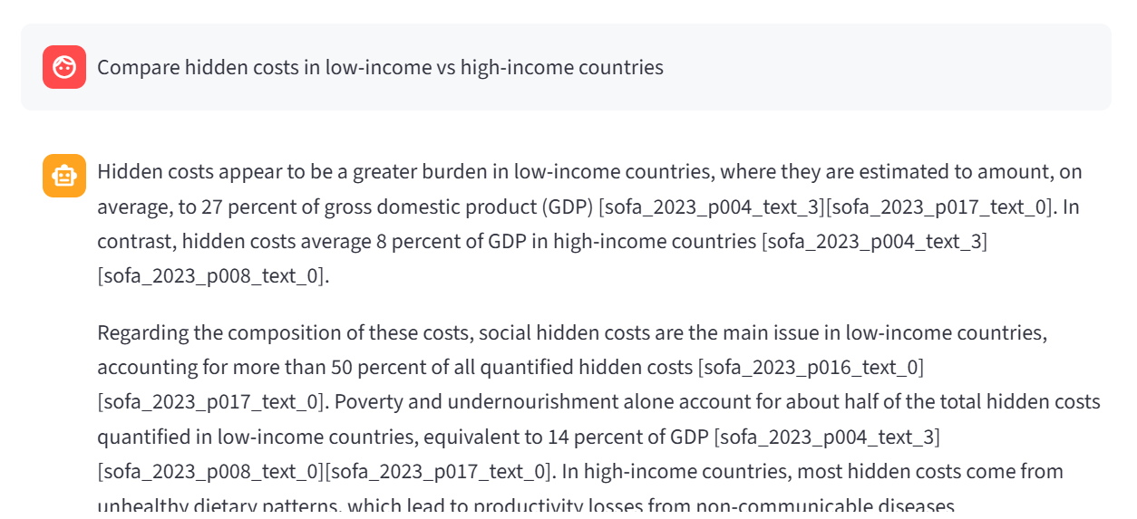 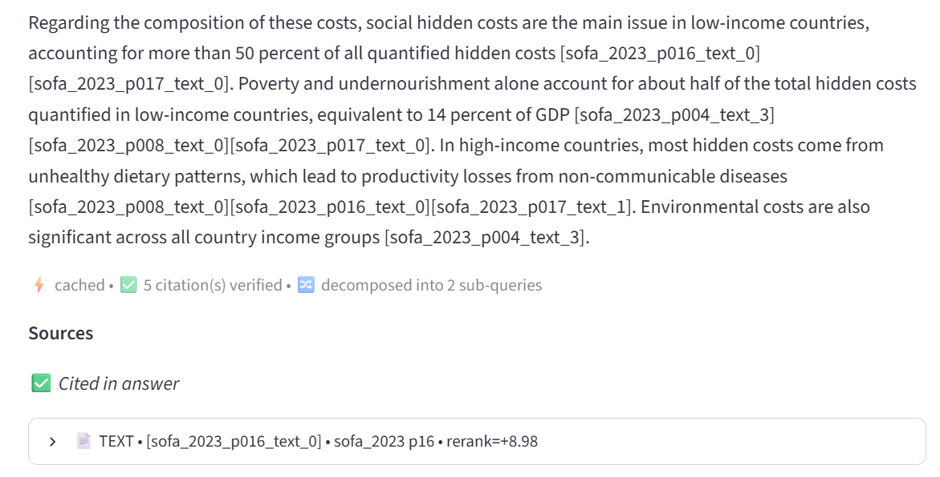 | 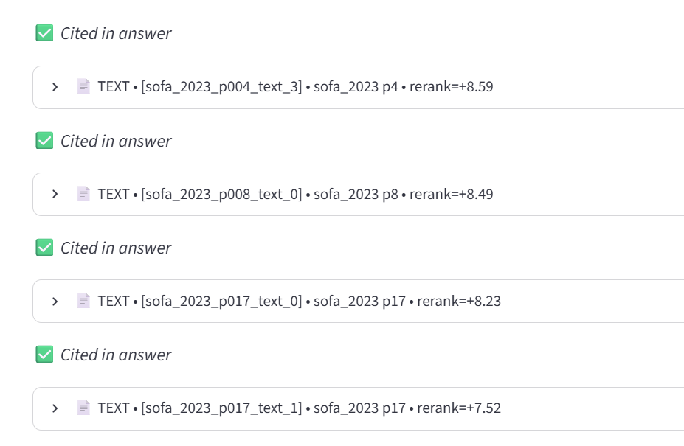
Q007 | What does the 2025 report say about land degradation? | Summary of land degradation insights from the SOFA 2025 report | The State of Food and Agriculture 2025 report explores the theme "Addressing land degradation across landholding scales" [sofa_2025_p028_text_0]. It examines the implications of human-induced land degradation for agricultural production, producers of all scales, and vulnerable populations [sofa_2025_p028_text_0]. Land is described as a finite, essential, non-substitutable resource crucial for food security, livelihoods, biodiversity, and climate change mitigation and adaptation [sofa_2025_p004_text_0]. However, increasing pressures are degrading this resource, undermining its capacity to meet growing demands for agriculture [sofa_2025_p028_text_0]. Land degradation is a pervasive and silent global challenge, eroding productivity and ecosystem health across all income levels [sofa_2025_p004_text_0]. The report defines land degradation as a persistent decline in land’s ability to sustain ecosystem functions and services, driven by human activities such as deforestation, overgrazing, and unsustainable farming [sofa_2025_p004_text_0][sofa_2025_p009_text_2]. Its impacts range from subtle productivity losses to complete agricultural abandonment, highlighting the urgent need for sustainable land management or restoration [sofa_2025_p004_text_0]. New findings show how cropland degradation contributes to yield gaps worldwide. Approximately 3.6 million hectares (Mha) of croplands are abandoned annually, with land degradation playing a key role [sofa_2025_p009_text_2]. The report emphasizes that land management scale influences both constraints and opportunities for sustainable practices [sofa_2025_p028_text_1]. Finally, the report underscores the importance of policy-making with regulatory and incentive-based measures tailored to land-use conditions to avoid, reduce, and reverse land degradation [sofa_2025_p028_text_1]. | 14.60 | 1.30 | 4.60 | 1.25 | 7.45 | 45 | 5 | 2 | NO | 4,250 | 780 | $0.0166 | 5 | YES | 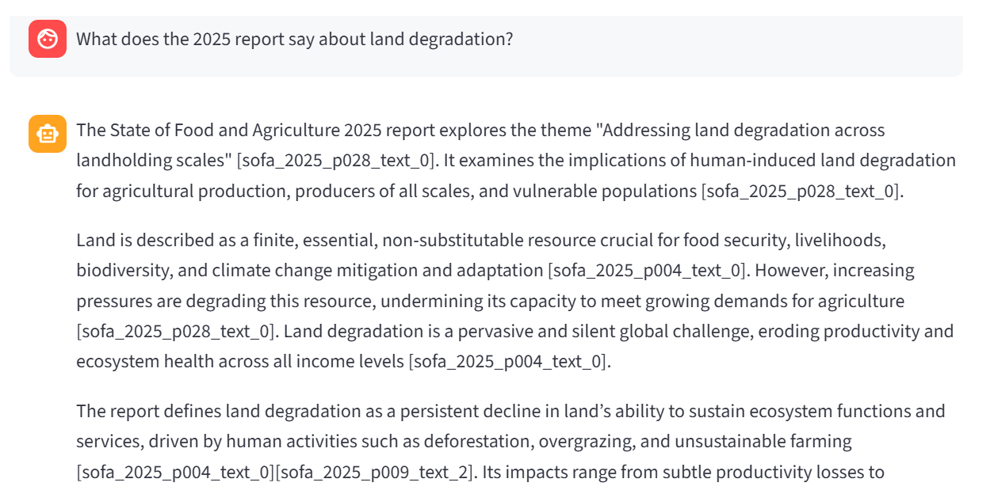 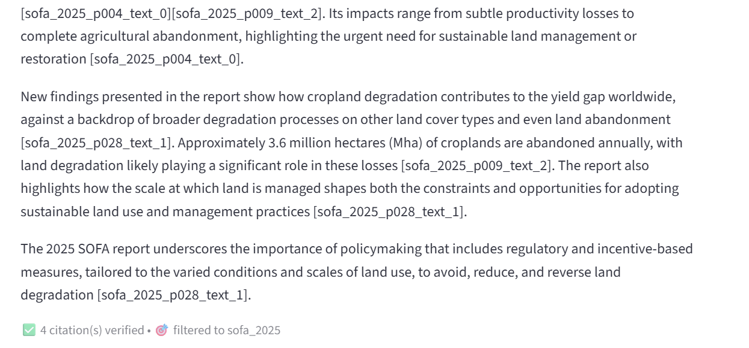 | 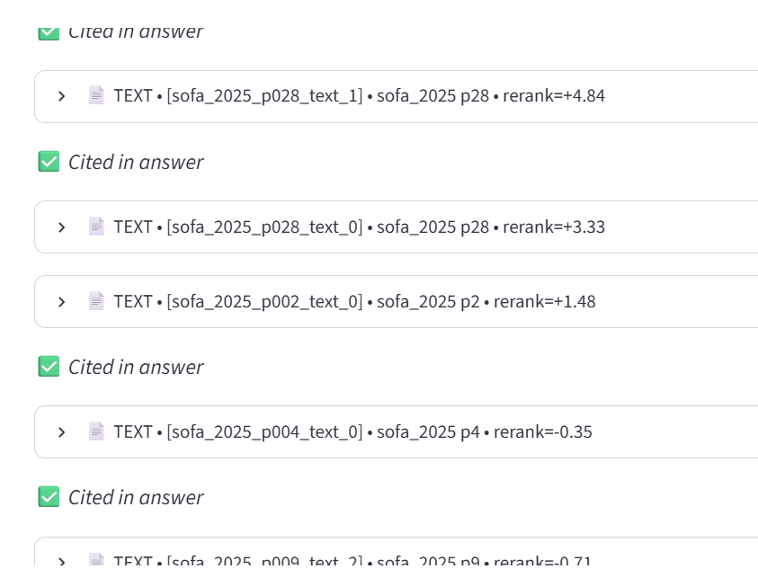
Q008 | What about for high-income countries specifically? | Healthy diet affordability in high-income countries | In high-income countries, 16.0 million people, or 1.4% of the population, were unable to afford a healthy diet in 2019 [sofa_2021_p018_table_0]. | 7.90 | 0.90 | 2.40 | 0.85 | 3.75 | 18 | 5 | 2 | NO | 1,650 | 55 | $0.0038 | 1 | YES | 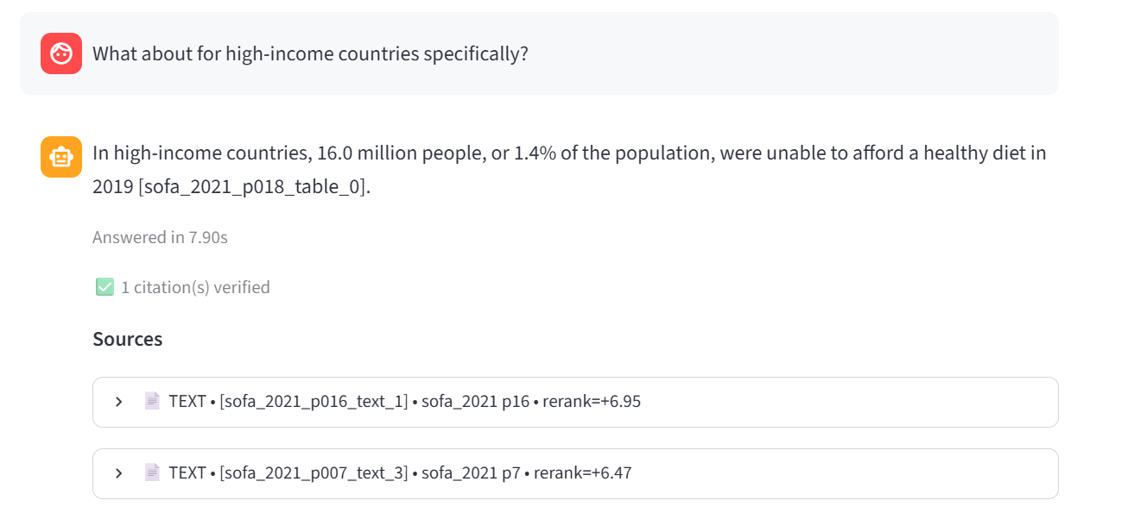 | 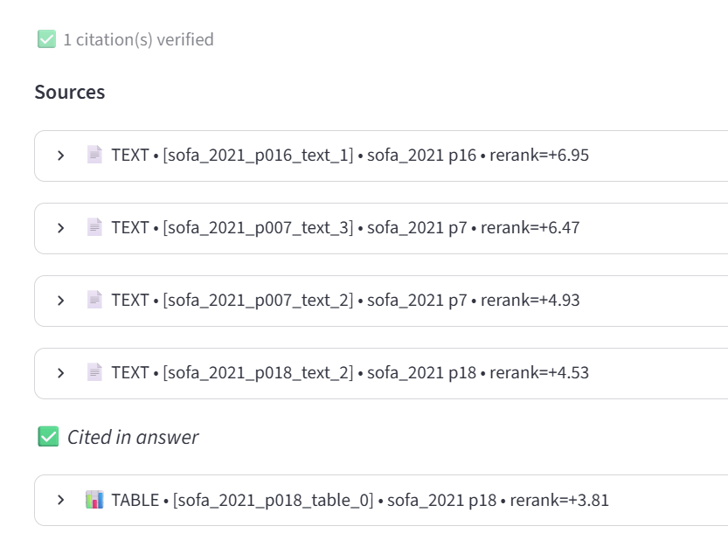
AVERAGE |  |  |  | 9.34 | 1.07 | 2.92 | 1.03 | 4.31 |  |  |  |  |  |  | $0.0098

