4. Dane ECDF (Wykres)
Iteracja | 10 | 6.6069344801 | 4.3651583224 | 2.8840315031 | 1.905460718 | 1.2589254118 | 0.8317637711 | 0.54954087386 | 0.36307805477 | 0.2398832919 | 0.15848931925 | 0.10471285481 | 0.069183097092 | 0.045708818961 | 0.030199517204 | 0.01995262315 | 0.013182567386 | 0.0087096358996 | 0.0057543993734 | 0.0038018939632 | 0.0025118864315
0 | 0.5 | 0.5 | 0 | 0 | 0 | 0 | 0 | 0 | 0 | 0 | 0 | 0 | 0 | 0 | 0 | 0 | 0 | 0 | 0 | 0 | 0
1 | 0.5 | 0.5 | 0.005 | 0 | 0 | 0 | 0 | 0 | 0 | 0 | 0 | 0 | 0 | 0 | 0 | 0 | 0 | 0 | 0 | 0 | 0
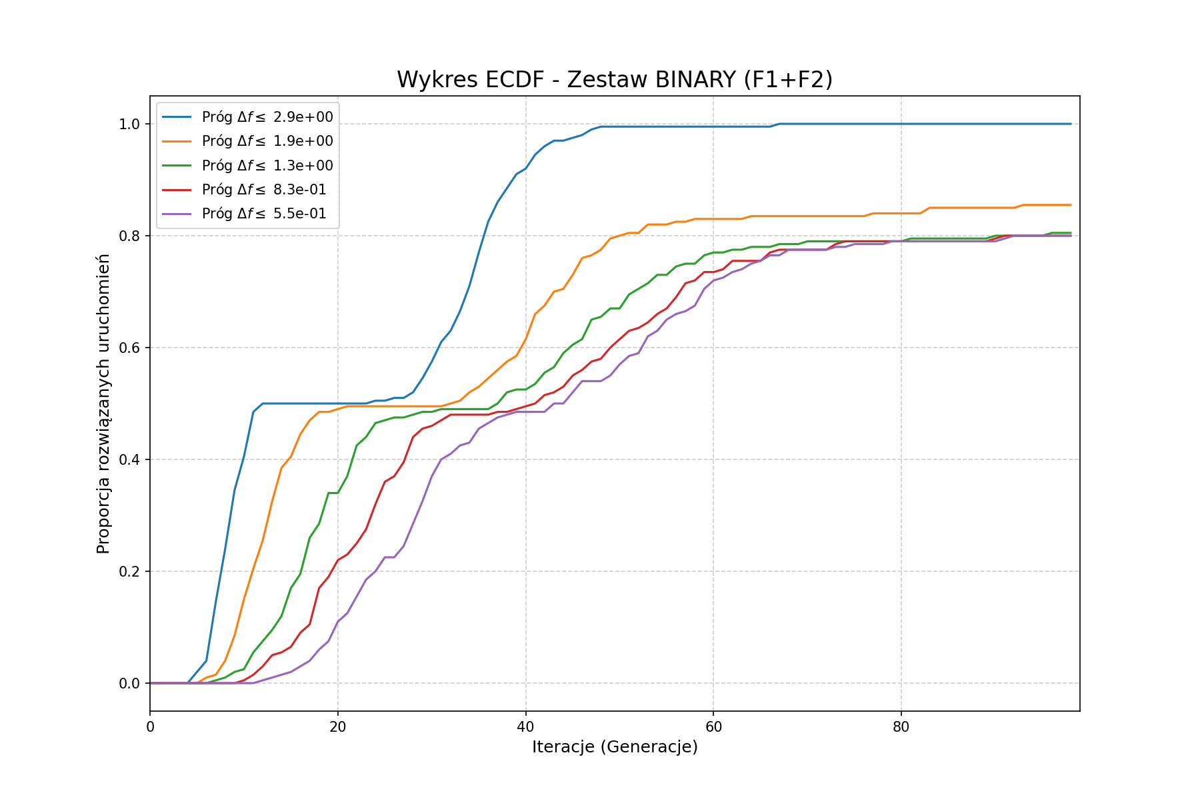
2 | 0.5 | 0.5 | 0.045 | 0 | 0 | 0 | 0 | 0 | 0 | 0 | 0 | 0 | 0 | 0 | 0 | 0 | 0 | 0 | 0 | 0 | 0
3 | 0.5 | 0.5 | 0.165 | 0 | 0 | 0 | 0 | 0 | 0 | 0 | 0 | 0 | 0 | 0 | 0 | 0 | 0 | 0 | 0 | 0 | 0
4 | 0.5 | 0.5 | 0.335 | 0 | 0 | 0 | 0 | 0 | 0 | 0 | 0 | 0 | 0 | 0 | 0 | 0 | 0 | 0 | 0 | 0 | 0
5 | 0.5 | 0.5 | 0.45 | 0.02 | 0 | 0 | 0 | 0 | 0 | 0 | 0 | 0 | 0 | 0 | 0 | 0 | 0 | 0 | 0 | 0 | 0
6 | 0.505 | 0.5 | 0.5 | 0.04 | 0.01 | 0 | 0 | 0 | 0 | 0 | 0 | 0 | 0 | 0 | 0 | 0 | 0 | 0 | 0 | 0 | 0
7 | 0.51 | 0.5 | 0.5 | 0.145 | 0.015 | 0.005 | 0 | 0 | 0 | 0 | 0 | 0 | 0 | 0 | 0 | 0 | 0 | 0 | 0 | 0 | 0
8 | 0.55 | 0.5 | 0.5 | 0.24 | 0.04 | 0.01 | 0 | 0 | 0 | 0 | 0 | 0 | 0 | 0 | 0 | 0 | 0 | 0 | 0 | 0 | 0
9 | 0.605 | 0.5 | 0.5 | 0.345 | 0.085 | 0.02 | 0 | 0 | 0 | 0 | 0 | 0 | 0 | 0 | 0 | 0 | 0 | 0 | 0 | 0 | 0
10 | 0.685 | 0.5 | 0.5 | 0.405 | 0.15 | 0.025 | 0.005 | 0 | 0 | 0 | 0 | 0 | 0 | 0 | 0 | 0 | 0 | 0 | 0 | 0 | 0
11 | 0.8 | 0.505 | 0.5 | 0.485 | 0.205 | 0.055 | 0.015 | 0 | 0 | 0 | 0 | 0 | 0 | 0 | 0 | 0 | 0 | 0 | 0 | 0 | 0
12 | 0.85 | 0.515 | 0.5 | 0.5 | 0.255 | 0.075 | 0.03 | 0.005 | 0.005 | 0.005 | 0.005 | 0.005 | 0.005 | 0 | 0 | 0 | 0 | 0 | 0 | 0 | 0
13 | 0.915 | 0.53 | 0.5 | 0.5 | 0.325 | 0.095 | 0.05 | 0.01 | 0.005 | 0.005 | 0.005 | 0.005 | 0.005 | 0 | 0 | 0 | 0 | 0 | 0 | 0 | 0
14 | 0.96 | 0.555 | 0.5 | 0.5 | 0.385 | 0.12 | 0.055 | 0.015 | 0.005 | 0.005 | 0.005 | 0.005 | 0.005 | 0 | 0 | 0 | 0 | 0 | 0 | 0 | 0
15 | 0.985 | 0.58 | 0.5 | 0.5 | 0.405 | 0.17 | 0.065 | 0.02 | 0.005 | 0.005 | 0.005 | 0.005 | 0.005 | 0 | 0 | 0 | 0 | 0 | 0 | 0 | 0
16 | 0.995 | 0.645 | 0.5 | 0.5 | 0.445 | 0.195 | 0.09 | 0.03 | 0.005 | 0.005 | 0.005 | 0.005 | 0.005 | 0 | 0 | 0 | 0 | 0 | 0 | 0 | 0
17 | 0.995 | 0.715 | 0.51 | 0.5 | 0.47 | 0.26 | 0.105 | 0.04 | 0.02 | 0.01 | 0.005 | 0.005 | 0.005 | 0 | 0 | 0 | 0 | 0 | 0 | 0 | 0
18 | 1 | 0.77 | 0.515 | 0.5 | 0.485 | 0.285 | 0.17 | 0.06 | 0.035 | 0.025 | 0.01 | 0.01 | 0.005 | 0 | 0 | 0 | 0 | 0 | 0 | 0 | 0
19 | 1 | 0.825 | 0.525 | 0.5 | 0.485 | 0.34 | 0.19 | 0.075 | 0.045 | 0.025 | 0.015 | 0.015 | 0.01 | 0.005 | 0.005 | 0.005 | 0.005 | 0.005 | 0.005 | 0.005 | 0.005
20 | 1 | 0.86 | 0.53 | 0.5 | 0.49 | 0.34 | 0.22 | 0.11 | 0.065 | 0.045 | 0.035 | 0.035 | 0.02 | 0.015 | 0.01 | 0.01 | 0.01 | 0.01 | 0.01 | 0.01 | 0.01
21 | 1 | 0.89 | 0.565 | 0.5 | 0.495 | 0.37 | 0.23 | 0.125 | 0.08 | 0.05 | 0.045 | 0.04 | 0.025 | 0.015 | 0.015 | 0.015 | 0.015 | 0.01 | 0.01 | 0.01 | 0.01
22 | 1 | 0.94 | 0.585 | 0.5 | 0.495 | 0.425 | 0.25 | 0.155 | 0.1 | 0.065 | 0.05 | 0.04 | 0.03 | 0.02 | 0.015 | 0.015 | 0.015 | 0.015 | 0.015 | 0.015 | 0.015
23 | 1 | 0.965 | 0.63 | 0.5 | 0.495 | 0.44 | 0.275 | 0.185 | 0.12 | 0.075 | 0.06 | 0.05 | 0.035 | 0.03 | 0.03 | 0.03 | 0.025 | 0.025 | 0.025 | 0.025 | 0.025
24 | 1 | 0.99 | 0.675 | 0.505 | 0.495 | 0.465 | 0.32 | 0.2 | 0.125 | 0.08 | 0.06 | 0.05 | 0.04 | 0.04 | 0.04 | 0.035 | 0.03 | 0.03 | 0.03 | 0.03 | 0.03
25 | 1 | 0.995 | 0.73 | 0.505 | 0.495 | 0.47 | 0.36 | 0.225 | 0.15 | 0.115 | 0.085 | 0.075 | 0.055 | 0.055 | 0.05 | 0.045 | 0.045 | 0.045 | 0.045 | 0.045 | 0.045
26 | 1 | 1 | 0.765 | 0.51 | 0.495 | 0.475 | 0.37 | 0.225 | 0.165 | 0.135 | 0.095 | 0.09 | 0.06 | 0.06 | 0.055 | 0.045 | 0.045 | 0.045 | 0.045 | 0.045 | 0.045
27 | 1 | 1 | 0.84 | 0.51 | 0.495 | 0.475 | 0.395 | 0.245 | 0.175 | 0.14 | 0.1 | 0.095 | 0.07 | 0.07 | 0.065 | 0.05 | 0.05 | 0.05 | 0.05 | 0.05 | 0.05
28 | 1 | 1 | 0.9 | 0.52 | 0.495 | 0.48 | 0.44 | 0.285 | 0.205 | 0.165 | 0.1 | 0.095 | 0.08 | 0.08 | 0.075 | 0.07 | 0.07 | 0.07 | 0.07 | 0.065 | 0.065
29 | 1 | 1 | 0.935 | 0.545 | 0.495 | 0.485 | 0.455 | 0.325 | 0.225 | 0.165 | 0.105 | 0.105 | 0.095 | 0.095 | 0.095 | 0.085 | 0.085 | 0.085 | 0.085 | 0.08 | 0.08
30 | 1 | 1 | 0.955 | 0.575 | 0.495 | 0.485 | 0.46 | 0.37 | 0.255 | 0.175 | 0.125 | 0.12 | 0.1 | 0.1 | 0.1 | 0.09 | 0.09 | 0.09 | 0.09 | 0.09 | 0.09
31 | 1 | 1 | 0.965 | 0.61 | 0.495 | 0.49 | 0.47 | 0.4 | 0.275 | 0.2 | 0.135 | 0.13 | 0.11 | 0.11 | 0.11 | 0.1 | 0.1 | 0.1 | 0.1 | 0.1 | 0.1
32 | 1 | 1 | 0.97 | 0.63 | 0.5 | 0.49 | 0.48 | 0.41 | 0.29 | 0.225 | 0.175 | 0.15 | 0.12 | 0.12 | 0.12 | 0.115 | 0.115 | 0.115 | 0.11 | 0.11 | 0.11
33 | 1 | 1 | 0.97 | 0.665 | 0.505 | 0.49 | 0.48 | 0.425 | 0.335 | 0.25 | 0.195 | 0.165 | 0.14 | 0.125 | 0.12 | 0.12 | 0.12 | 0.12 | 0.12 | 0.12 | 0.12
34 | 1 | 1 | 0.99 | 0.71 | 0.52 | 0.49 | 0.48 | 0.43 | 0.37 | 0.27 | 0.245 | 0.21 | 0.16 | 0.15 | 0.13 | 0.125 | 0.12 | 0.12 | 0.12 | 0.12 | 0.12
35 | 1 | 1 | 0.995 | 0.77 | 0.53 | 0.49 | 0.48 | 0.455 | 0.39 | 0.3 | 0.26 | 0.235 | 0.18 | 0.165 | 0.155 | 0.145 | 0.145 | 0.14 | 0.14 | 0.14 | 0.14
36 | 1 | 1 | 1 | 0.825 | 0.545 | 0.49 | 0.48 | 0.465 | 0.43 | 0.31 | 0.27 | 0.245 | 0.215 | 0.2 | 0.165 | 0.15 | 0.15 | 0.15 | 0.15 | 0.15 | 0.15
37 | 1 | 1 | 1 | 0.86 | 0.56 | 0.5 | 0.485 | 0.475 | 0.445 | 0.345 | 0.305 | 0.27 | 0.25 | 0.225 | 0.185 | 0.165 | 0.165 | 0.165 | 0.165 | 0.165 | 0.165
38 | 1 | 1 | 1 | 0.885 | 0.575 | 0.52 | 0.485 | 0.48 | 0.45 | 0.37 | 0.32 | 0.28 | 0.26 | 0.235 | 0.195 | 0.185 | 0.18 | 0.18 | 0.18 | 0.18 | 0.18
39 | 1 | 1 | 1 | 0.91 | 0.585 | 0.525 | 0.49 | 0.485 | 0.46 | 0.395 | 0.335 | 0.305 | 0.28 | 0.265 | 0.25 | 0.215 | 0.21 | 0.21 | 0.21 | 0.21 | 0.21
40 | 1 | 1 | 1 | 0.92 | 0.615 | 0.525 | 0.495 | 0.485 | 0.46 | 0.41 | 0.36 | 0.34 | 0.32 | 0.305 | 0.275 | 0.245 | 0.24 | 0.24 | 0.24 | 0.24 | 0.24
...

