4. Dane ECDF (Wykres)
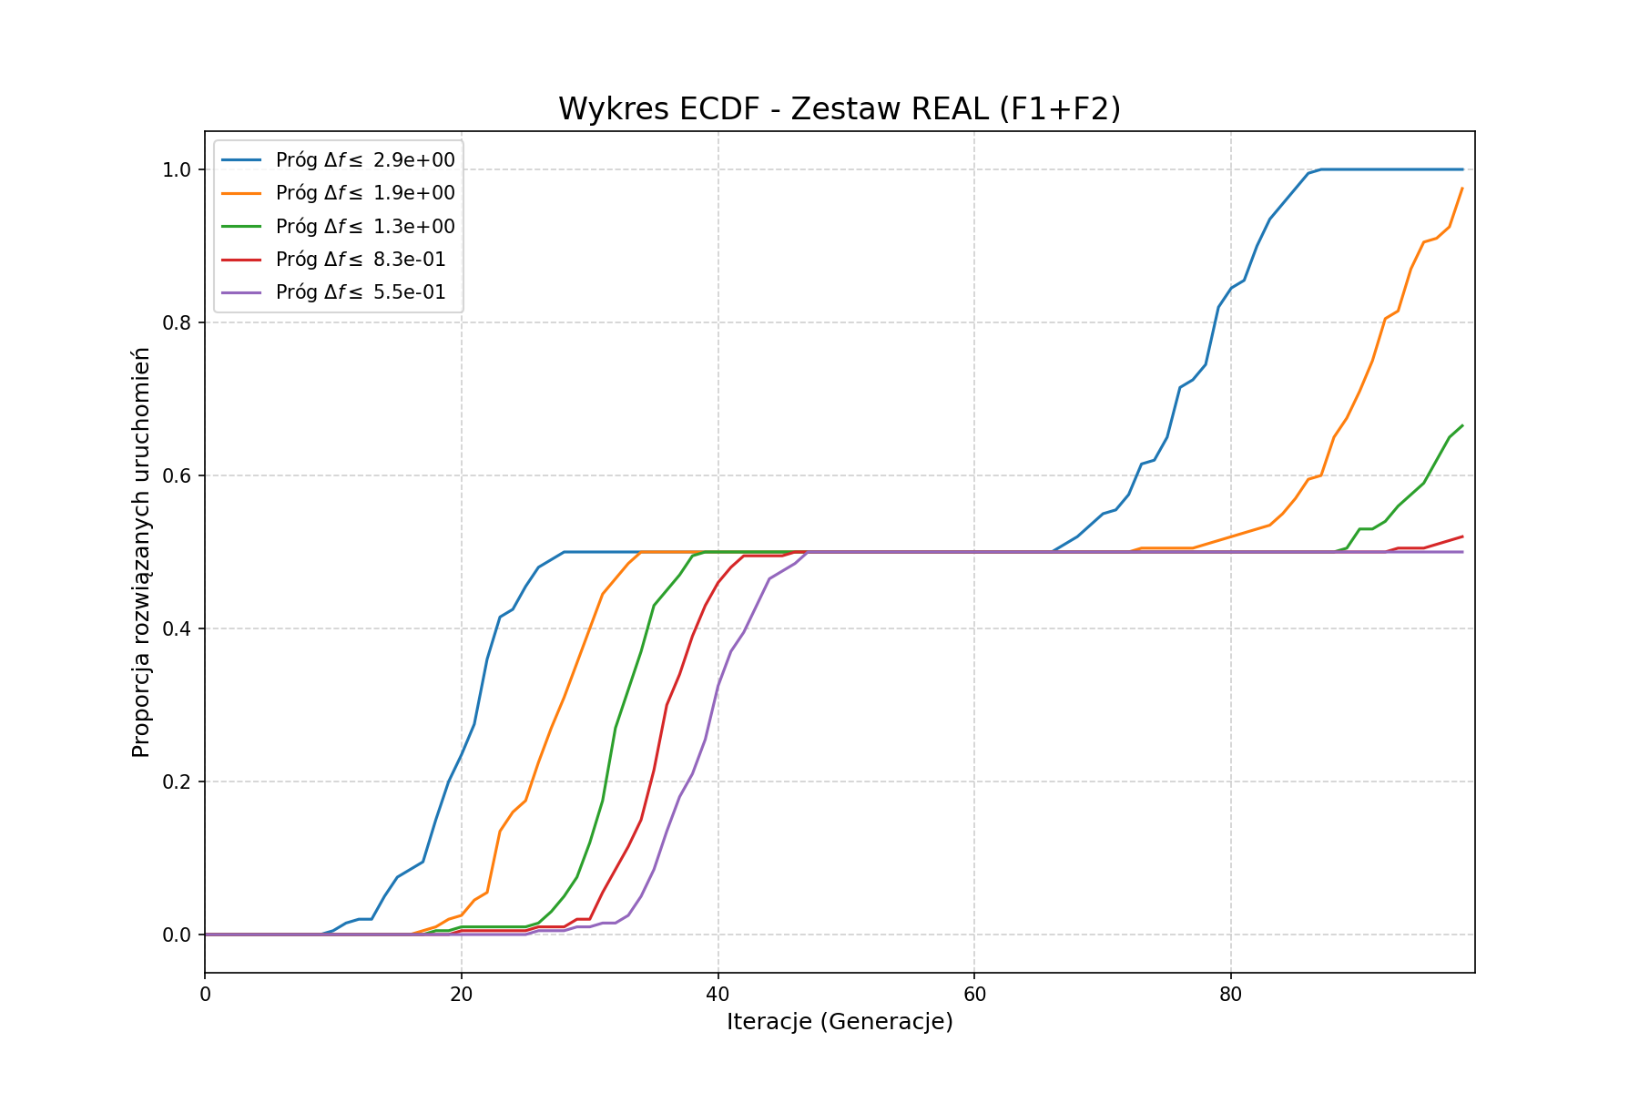
Iteracja | 10 | 6.6069344801 | 4.3651583224 | 2.8840315031 | 1.905460718 | 1.2589254118 | 0.8317637711 | 0.54954087386 | 0.36307805477 | 0.2398832919 | 0.15848931925 | 0.10471285481 | 0.069183097092 | 0.045708818961 | 0.030199517204 | 0.01995262315 | 0.013182567386 | 0.0087096358996 | 0.0057543993734 | 0.0038018939632 | 0.0025118864315
0 | 0.5 | 0.5 | 0.01 | 0 | 0 | 0 | 0 | 0 | 0 | 0 | 0 | 0 | 0 | 0 | 0 | 0 | 0 | 0 | 0 | 0 | 0
1 | 0.5 | 0.5 | 0.04 | 0 | 0 | 0 | 0 | 0 | 0 | 0 | 0 | 0 | 0 | 0 | 0 | 0 | 0 | 0 | 0 | 0 | 0
2 | 0.5 | 0.5 | 0.07 | 0 | 0 | 0 | 0 | 0 | 0 | 0 | 0 | 0 | 0 | 0 | 0 | 0 | 0 | 0 | 0 | 0 | 0
3 | 0.5 | 0.5 | 0.105 | 0 | 0 | 0 | 0 | 0 | 0 | 0 | 0 | 0 | 0 | 0 | 0 | 0 | 0 | 0 | 0 | 0 | 0
4 | 0.5 | 0.5 | 0.115 | 0 | 0 | 0 | 0 | 0 | 0 | 0 | 0 | 0 | 0 | 0 | 0 | 0 | 0 | 0 | 0 | 0 | 0
5 | 0.5 | 0.5 | 0.13 | 0 | 0 | 0 | 0 | 0 | 0 | 0 | 0 | 0 | 0 | 0 | 0 | 0 | 0 | 0 | 0 | 0 | 0
6 | 0.5 | 0.5 | 0.2 | 0 | 0 | 0 | 0 | 0 | 0 | 0 | 0 | 0 | 0 | 0 | 0 | 0 | 0 | 0 | 0 | 0 | 0
7 | 0.5 | 0.5 | 0.285 | 0 | 0 | 0 | 0 | 0 | 0 | 0 | 0 | 0 | 0 | 0 | 0 | 0 | 0 | 0 | 0 | 0 | 0
8 | 0.505 | 0.5 | 0.33 | 0 | 0 | 0 | 0 | 0 | 0 | 0 | 0 | 0 | 0 | 0 | 0 | 0 | 0 | 0 | 0 | 0 | 0
9 | 0.505 | 0.5 | 0.36 | 0 | 0 | 0 | 0 | 0 | 0 | 0 | 0 | 0 | 0 | 0 | 0 | 0 | 0 | 0 | 0 | 0 | 0
10 | 0.505 | 0.5 | 0.43 | 0.005 | 0 | 0 | 0 | 0 | 0 | 0 | 0 | 0 | 0 | 0 | 0 | 0 | 0 | 0 | 0 | 0 | 0
11 | 0.505 | 0.5 | 0.475 | 0.015 | 0 | 0 | 0 | 0 | 0 | 0 | 0 | 0 | 0 | 0 | 0 | 0 | 0 | 0 | 0 | 0 | 0
12 | 0.505 | 0.5 | 0.475 | 0.02 | 0 | 0 | 0 | 0 | 0 | 0 | 0 | 0 | 0 | 0 | 0 | 0 | 0 | 0 | 0 | 0 | 0
13 | 0.505 | 0.5 | 0.49 | 0.02 | 0 | 0 | 0 | 0 | 0 | 0 | 0 | 0 | 0 | 0 | 0 | 0 | 0 | 0 | 0 | 0 | 0
14 | 0.505 | 0.5 | 0.5 | 0.05 | 0 | 0 | 0 | 0 | 0 | 0 | 0 | 0 | 0 | 0 | 0 | 0 | 0 | 0 | 0 | 0 | 0
15 | 0.505 | 0.5 | 0.5 | 0.075 | 0 | 0 | 0 | 0 | 0 | 0 | 0 | 0 | 0 | 0 | 0 | 0 | 0 | 0 | 0 | 0 | 0
16 | 0.51 | 0.5 | 0.5 | 0.085 | 0 | 0 | 0 | 0 | 0 | 0 | 0 | 0 | 0 | 0 | 0 | 0 | 0 | 0 | 0 | 0 | 0
17 | 0.51 | 0.5 | 0.5 | 0.095 | 0.005 | 0 | 0 | 0 | 0 | 0 | 0 | 0 | 0 | 0 | 0 | 0 | 0 | 0 | 0 | 0 | 0
18 | 0.515 | 0.5 | 0.5 | 0.15 | 0.01 | 0.005 | 0 | 0 | 0 | 0 | 0 | 0 | 0 | 0 | 0 | 0 | 0 | 0 | 0 | 0 | 0
19 | 0.53 | 0.5 | 0.5 | 0.2 | 0.02 | 0.005 | 0 | 0 | 0 | 0 | 0 | 0 | 0 | 0 | 0 | 0 | 0 | 0 | 0 | 0 | 0
20 | 0.54 | 0.5 | 0.5 | 0.235 | 0.025 | 0.01 | 0.005 | 0 | 0 | 0 | 0 | 0 | 0 | 0 | 0 | 0 | 0 | 0 | 0 | 0 | 0
21 | 0.545 | 0.5 | 0.5 | 0.275 | 0.045 | 0.01 | 0.005 | 0 | 0 | 0 | 0 | 0 | 0 | 0 | 0 | 0 | 0 | 0 | 0 | 0 | 0
22 | 0.55 | 0.5 | 0.5 | 0.36 | 0.055 | 0.01 | 0.005 | 0 | 0 | 0 | 0 | 0 | 0 | 0 | 0 | 0 | 0 | 0 | 0 | 0 | 0
23 | 0.595 | 0.5 | 0.5 | 0.415 | 0.135 | 0.01 | 0.005 | 0 | 0 | 0 | 0 | 0 | 0 | 0 | 0 | 0 | 0 | 0 | 0 | 0 | 0
24 | 0.62 | 0.5 | 0.5 | 0.425 | 0.16 | 0.01 | 0.005 | 0 | 0 | 0 | 0 | 0 | 0 | 0 | 0 | 0 | 0 | 0 | 0 | 0 | 0
25 | 0.64 | 0.5 | 0.5 | 0.455 | 0.175 | 0.01 | 0.005 | 0 | 0 | 0 | 0 | 0 | 0 | 0 | 0 | 0 | 0 | 0 | 0 | 0 | 0
26 | 0.695 | 0.5 | 0.5 | 0.48 | 0.225 | 0.015 | 0.01 | 0.005 | 0 | 0 | 0 | 0 | 0 | 0 | 0 | 0 | 0 | 0 | 0 | 0 | 0
27 | 0.735 | 0.5 | 0.5 | 0.49 | 0.27 | 0.03 | 0.01 | 0.005 | 0 | 0 | 0 | 0 | 0 | 0 | 0 | 0 | 0 | 0 | 0 | 0 | 0
28 | 0.755 | 0.5 | 0.5 | 0.5 | 0.31 | 0.05 | 0.01 | 0.005 | 0 | 0 | 0 | 0 | 0 | 0 | 0 | 0 | 0 | 0 | 0 | 0 | 0
29 | 0.805 | 0.5 | 0.5 | 0.5 | 0.355 | 0.075 | 0.02 | 0.01 | 0 | 0 | 0 | 0 | 0 | 0 | 0 | 0 | 0 | 0 | 0 | 0 | 0
30 | 0.855 | 0.5 | 0.5 | 0.5 | 0.4 | 0.12 | 0.02 | 0.01 | 0 | 0 | 0 | 0 | 0 | 0 | 0 | 0 | 0 | 0 | 0 | 0 | 0
31 | 0.88 | 0.5 | 0.5 | 0.5 | 0.445 | 0.175 | 0.055 | 0.015 | 0 | 0 | 0 | 0 | 0 | 0 | 0 | 0 | 0 | 0 | 0 | 0 | 0
32 | 0.92 | 0.505 | 0.5 | 0.5 | 0.465 | 0.27 | 0.085 | 0.015 | 0 | 0 | 0 | 0 | 0 | 0 | 0 | 0 | 0 | 0 | 0 | 0 | 0
33 | 0.965 | 0.505 | 0.5 | 0.5 | 0.485 | 0.32 | 0.115 | 0.025 | 0 | 0 | 0 | 0 | 0 | 0 | 0 | 0 | 0 | 0 | 0 | 0 | 0
34 | 0.99 | 0.535 | 0.5 | 0.5 | 0.5 | 0.37 | 0.15 | 0.05 | 0.01 | 0.01 | 0.005 | 0.005 | 0.005 | 0.005 | 0.005 | 0.005 | 0.005 | 0.005 | 0.005 | 0.005 | 0.005
35 | 0.99 | 0.55 | 0.5 | 0.5 | 0.5 | 0.43 | 0.215 | 0.085 | 0.025 | 0.025 | 0.01 | 0.01 | 0.005 | 0.005 | 0.005 | 0.005 | 0.005 | 0.005 | 0.005 | 0.005 | 0.005
36 | 1 | 0.57 | 0.5 | 0.5 | 0.5 | 0.45 | 0.3 | 0.135 | 0.035 | 0.035 | 0.015 | 0.01 | 0.005 | 0.005 | 0.005 | 0.005 | 0.005 | 0.005 | 0.005 | 0.005 | 0.005
37 | 1 | 0.57 | 0.5 | 0.5 | 0.5 | 0.47 | 0.34 | 0.18 | 0.05 | 0.035 | 0.015 | 0.01 | 0.005 | 0.005 | 0.005 | 0.005 | 0.005 | 0.005 | 0.005 | 0.005 | 0.005
38 | 1 | 0.585 | 0.5 | 0.5 | 0.5 | 0.495 | 0.39 | 0.21 | 0.09 | 0.055 | 0.025 | 0.015 | 0.01 | 0.01 | 0.005 | 0.005 | 0.005 | 0.005 | 0.005 | 0.005 | 0.005
39 | 1 | 0.6 | 0.5 | 0.5 | 0.5 | 0.5 | 0.43 | 0.255 | 0.125 | 0.065 | 0.035 | 0.025 | 0.02 | 0.02 | 0.01 | 0.005 | 0.005 | 0.005 | 0.005 | 0.005 | 0.005
40 | 1 | 0.615 | 0.505 | 0.5 | 0.5 | 0.5 | 0.46 | 0.325 | 0.175 | 0.09 | 0.06 | 0.04 | 0.04 | 0.035 | 0.025 | 0.015 | 0.015 | 0.015 | 0.015 | 0.015 | 0.015
...

