Biomes
Biome Maps
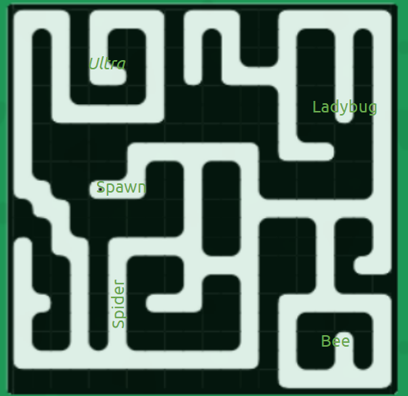 | 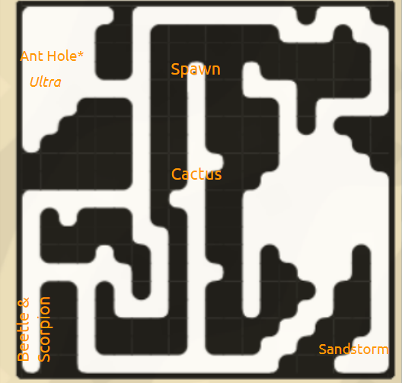 | 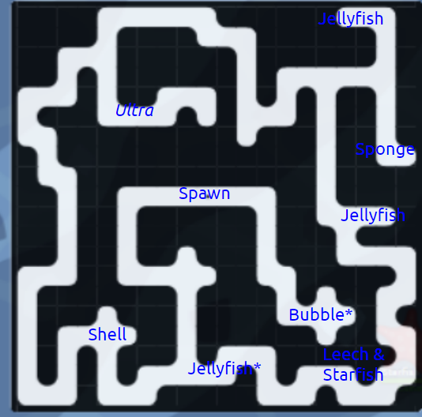
Garden Info
Mobs - Rock - Baby Ant - Worker Ant - Centipede - Ladybug - Bee - Soldier Ant - Ant Hole - Queen Ant - Digger - Ladybug (Dark) - Evil Centipede - Spider - Hornet | Petals - Rock - Heavy - Light - Leaf - Rice - Corn - Peas - Stinger - Honey - Pollen - Clover - Wing - Soil - Faster - Uranium - Cutter - Dahlia - Iris - Grapes - Web - Antennae - Missile - Dandelion
Desert Info
Mobs - Cactus - Sandstorm - Desert Centipede - Fire Ant Burrow - Fire Ant - Beetle - Scorpion - Ladybug (Yellow) | Petals - Cactus - Sand - Stick - Salt - Powder - Magnet - Yucca - Wing - Egg - Iris - Pincer - Rose - Dahlia - Yggdrasil
Ocean Info
Mobs - Bubble - Sponge - Shell - Leech - Crab - Starfish - Jellyfish | Petals - Air - Bubble - Sponge - Shell - Sand - Magnet - Fangs - Faster - Claw - Salt - Starfish - Jelly - Lightning
PvP Info
Mobs - Rock - Baby Ant - Worker Ant - Ladybug - Bee - Soldier Ant - Ant Hole - Spider - Hornet - Beetle | Petals - Rock - Heavy - Light - Leaf - Rice - Corn - Peas - Stinger - Honey - Pollen - Clover - Wing - Web - Faster - Antennae - Missile - Dandelion - Egg - Basic

