Sheet1
 | LM3407 Component Calculator
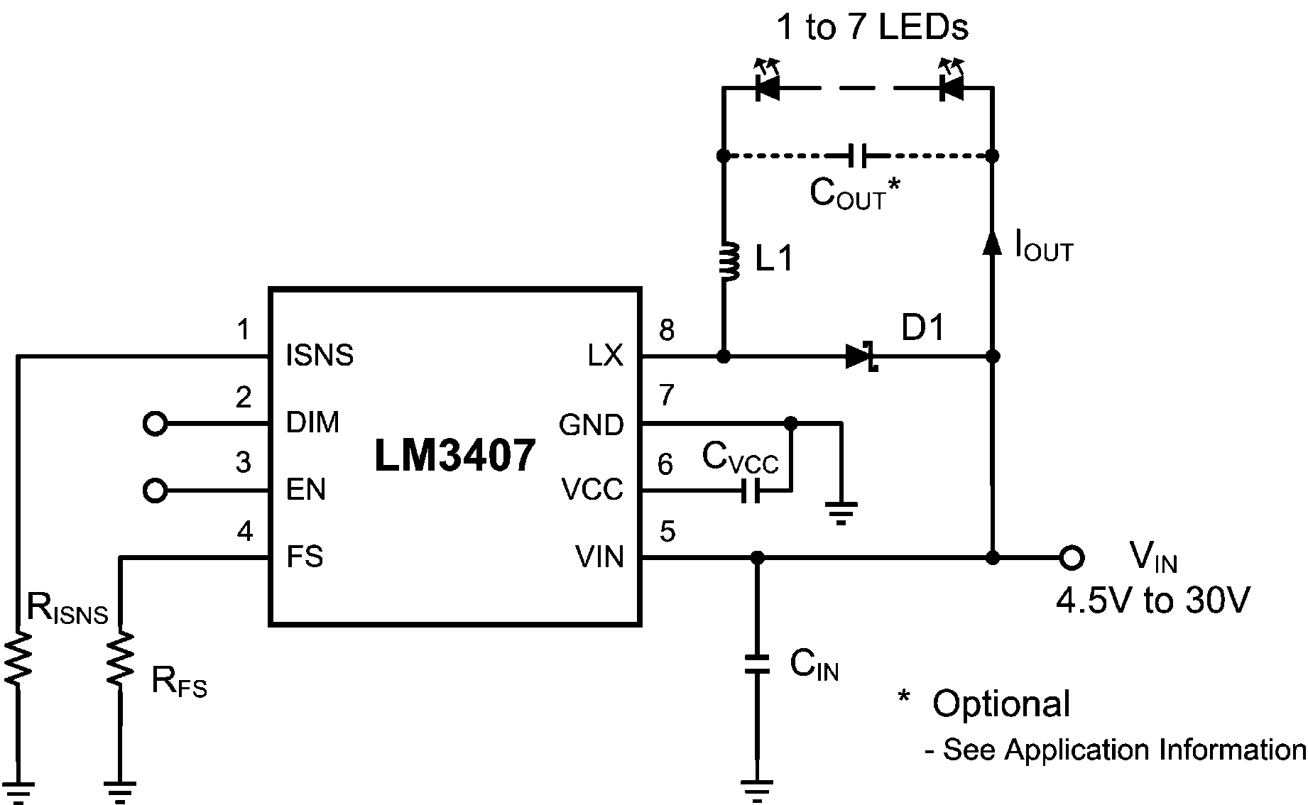

 | Operation Conditions |  |  | Component Values

 | Input Voltage | 29.00 | V | L1 | 137 | uH *

 | LED Forward Voltage | 2.68 | V | RISNS | 3.09 | ohm
 | No. of LED | 3
 |  |  |  | RFS | 41.67 | kohm
 | Output Current | 0.06 | A
 |  |  |  | CIN | 4.7 | uF
 | Switching Frequency | 1000 | kHz
 |  |  |  | COUT | 4.7 | uF
 | Peak Inductor Current | 0.09 | A

 | Dimming Frequency | 16000 | Hz | Component Values
 | Dimming Duty Cycle | 10 | %
 |  |  |  | Output Voltage | 8.04 | V
Directions:
1. Enter your system parameters into the light blue cells under "Operation Conditions"
2. Suggested component values will be automatically calculated and appear in the yellow cells under "Component Values"
 |  |  |  | Inductor Ripple Current | 0.04 | A

 |  |  |  | Inductor Ripple Current to Output Current Ratio | 66 | %

 |  |  |  | Average Output Current | 0.01 | A

* The peak inductor current may need to be adjusted if L1 is not in the range of 22uH to 47uH.

Table 1 provides the suggested inductance of the inductor for 500 kHz and 1 MHz switching frequency operation with COUT = 4.7 μF and IL(ripple) = 0.8 x IOUT.
For more details, please click here to see LM3407 Datasheet.
TABLE 1: Suggested Inductance Values

