Flywheel model
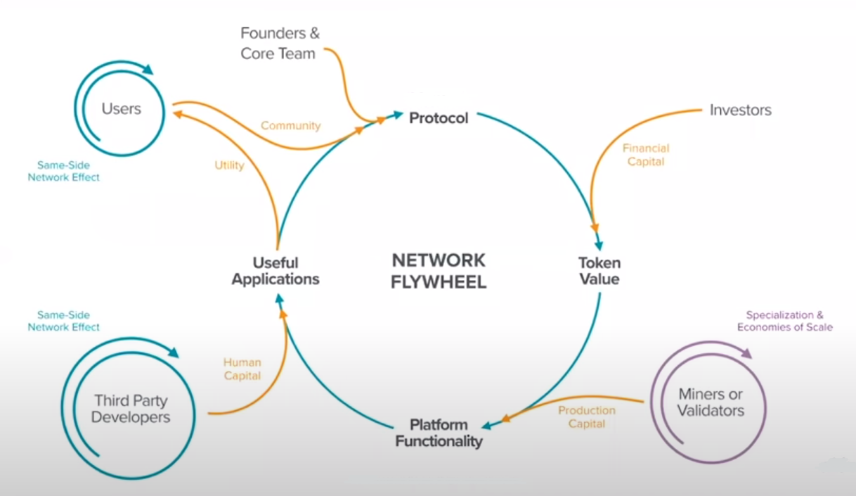
Flywheel model

Blockchain as ecosystem:
1. Layer zero - Hardware & Networking
The blockchain protocol layer, is the foundation of the entire system.
This protocol defines the rules of the network, including how blocks are created, verified and linked. This layer is responsible for the security of the network, as well as maintaining data integrity and protecting against attacks.
As part of the flywheel model, this layer provides stability and security for higher layers, which is crucial for the long-term development of blockchain applications.
2. Layer One - Consensus
Layer one is responsible for establishing consensus among network nodes on the validity of transactions and data verification. Within the flywheel model, layer one focuses on increasing value for users, developing applications for applications and increasing the number of users by ensuring the stability and security of the blockchain network.
3. Layer One Point Five - Compute
This is the scalability layer. In this layer, solutions are developed to increase the speed of transaction processing and improve network performance. This layer ensures the smoothness and stability of the network, which enables application development. Under the flywheel model, layer one point five focuses on increasing demand for tokens by increasing transaction processing speed and improving network performance.
4. Layer Two - Smart Contracts
This is where smart contracts and domain-specific solutions are created. The smart contract layer is important for the scalability and performance of the blockchain network. With most of the complex tasks being performed on the smart contract layer, the load on the network is distributed evenly, allowing faster transaction processing and increasing network performance. The smart contract layer in layer two can also provide users with greater privacy and anonymity. Users can conduct transactions without revealing their personal or financial information.
5. Layer Three – Client & User Interface
This is the user interaction layer. In this layer, applications and tools are created that enable users to use blockchain applications in an easy and intuitive way. This layer provides convenience and enjoyment for users, which contributes to increasing the number of users and value.

Tokenomy
