notes
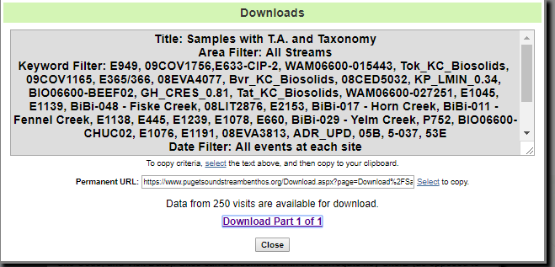

https://www.pugetsoundstreambenthos.org/Download.aspx?page=Download%2FSamplesWithBioticAttributesAndRanks.ashx&k=E949%2C%2009COV1756%2CE633-CIP-2%2C%20WAM06600-015443%2C%20Tok_KC_Biosolids%2C%2009COV1165%2C%20E365%2F366%2C%2008EVA4077%2C%20Bvr_KC_Biosolids%2C%2008CED5032%2C%20KP_LMIN_0.34%2C%20BIO06600-BEEF02%2C%20GH_CRES_0.81%2C%20Tat_KC_Biosolids%2C%20WAM06600-027251%2C%20E1045%2C%20E1139%2C%20BiBi-048%20-%20Fiske%20Creek%2C%2008LIT2876%2C%20E2153%2C%20BiBi-017%20-%20Horn%20Creek%2C%20BiBi-011%20-%20Fennel%20Creek%2C%20E1138%2C%20E445%2C%20E1239%2C%20E1078%2C%20E660%2C%20BiBi-029%20-%20Yelm%20Creek%2C%20P752%2C%20BIO06600-CHUC02%2C%20E1076%2C%20E1191%2C%2008EVA3813%2C%20ADR_UPD%2C%2005B%2C%205-037%2C%2053E&d=4

These are all the "excellent sites" that were not in the BCG database

