BloomBook
[row type] | [image thumbnail] | [en] | [fr-x-ai] | [fr-x-ai-acts2] | [fr-x-ai-google] | [page type] | [audio etr] | [*]
Row type | Image | English | français ai | français ai acts2 | français ai google | Page Type | Edolo audio | *
[bookTitle] |  | The Moon and the Cap with audio in English
[coverImage] |  |  |  |  |  |  |  | The Moon and The Cap_Cover.jpg
[page content] | 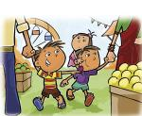 | All of us went to the fun fair. |  |  |  | Basic Text & Picture | ./audio/i0c33e2df-1aba-4057-8a4d-05fac64811f7.mp3
[comment]
[page content] | 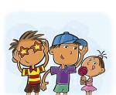 | Father bought brother fancy glasses. Mother bought me a bright blue cap. The baby got sugar candy. |  |  |  | Picture on Left | ./audio/d73799dc-d0c9-473b-8d95-2175ff78193a.mp3, ./audio/i361573c6-f7d7-450e-801b-18f7fd75c7a7.mp3
[topic] |  | Story Book | Livre d'histoires | Livre d'histoires | Livre d'histoires
[versionAcknowledgments]

