3NF
ClientAllergyID | ClientID | AllergyID | ClientMealID | ClientID | MealID |  | SubscriptionID | SubscriptionPlan | SubscriptionLength | SubscriptionCost | ClientExerciseID | ClientID | ExerciseID
1 | 1 | 1 | 1 | 1 | 1 |  | 1 | Basic | 15 | 5 | 1 | 1 | 1
2 | 2 | 2 | 2 | 1 | 2 |  | 2 | Standard | 20 | 10 | 2 | 1 | 2
3 | 3 | 3 | 3 | 2 | 3 |  | 3 | Premium | 30 | 15 | 3 | 1 | 3
4 | 4 | 2 | 4 | 2 | 4 |  |  |  |  |  | 4 | 2 | 4
5 | 5 | 4 | 5 | 3 | 5 |  | ClientSubscriptionID | ClientID | SubscriptionID | SubscripedDate | 5 | 2 | 2
6 | 6 | 5 | 6 | 3 | 4 |  | 1 | 1 | 3 | 2026-03-06 | 6 | 2 | 1
7 | 7 | 2 | 7 | 4 | 6 |  | 2 | 2 | 1 | 2026-03-05 | 7 | 3 | 3
8 | 8 | 6 | 8 | 4 | 7 |  | 3 | 3 | 3 | 2026-03-01 | 8 | 3 | 2
 |  |  | 9 | 5 | 5 |  | 4 | 4 | 2 | 2026-03-04 | 9 | 3 | 1
AlleryID | Allergys |  | 10 | 5 | 7 |  | 5 | 5 | 1 | 2026-03-02 | 10 | 4 | 4
1 | Pineapple |  | 11 | 6 | 7 |  | 6 | 6 | 3 | 2026-02-28 | 11 | 4 | 5
2 | None |  | 12 | 6 | 8 |  | 7 | 7 | 2 | 2026-03-03 | 12 | 4 | 2
3 | Gluten |  | 13 | 7 | 2 |  | 8 | 8 | 1 | 2026-03-06 | 13 | 5 | 3
4 | Peanuts |  | 14 | 7 | 9 |  |  |  |  |  | 14 | 5 | 2
5 | Shellfish |  | 15 | 8 | 3 |  |  |  |  |  | 15 | 5 | 1
6 | Strawberries |  | 16 | 8 | 6 |  |  |  |  |  | 16 | 6 | 5
 |  |  |  |  |  |  |  |  |  |  | 17 | 6 | 4
 |  |  |  |  |  |  |  |  |  |  | 18 | 6 | 1
ClientDietID | ClientID | DietID | MealID | Meal |  |  |  |  |  |  | 19 | 7 | 3
1 | 1 | 1 | 1 | Carbonara |  | ClientID | ClientName | ClientSurname | WellnessSupport |  | 20 | 7 | 2
2 | 1 | 2 | 2 | Meatballs |  | 1 | Ryan | Hoskins | No |  | 21 | 7 | 1
3 | 2 | 3 | 3 | Salad |  | 2 | Sophia | Turner | Yes |  | 22 | 8 | 4
4 | 2 | 4 | 4 | Grilled Chicken |  | 3 | Ethan | Walker | No |  | 23 | 8 | 3
5 | 3 | 1 | 5 | Pasta |  | 4 | Amelia | Morris | Yes |  | 24 | 8 | 1
6 | 3 | 5 | 6 | Smoothies |  | 5 | Liam | Hughes | No
7 | 4 | 6 | 7 | Stir Fry |  | 6 | Isabella | Shaw | Yes |  | ExerciseID | Exercise
8 | 5 | 1 | 8 | Soup |  | 7 | Noah | Foster | No |  | 1 | Pullups
9 | 5 | 3 | 9 | Salmon |  | 8 | Mia | Carter | Yes |  | 2 | Pushups
10 | 6 | 7 |  |  |  |  |  |  |  |  | 3 | Situps
11 | 6 | 8 |  |  |  |  |  |  |  |  | 4 | Jogging
12 | 7 | 1 |  |  |  |  |  |  |  |  | 5 | Plank
13 | 8 | 9

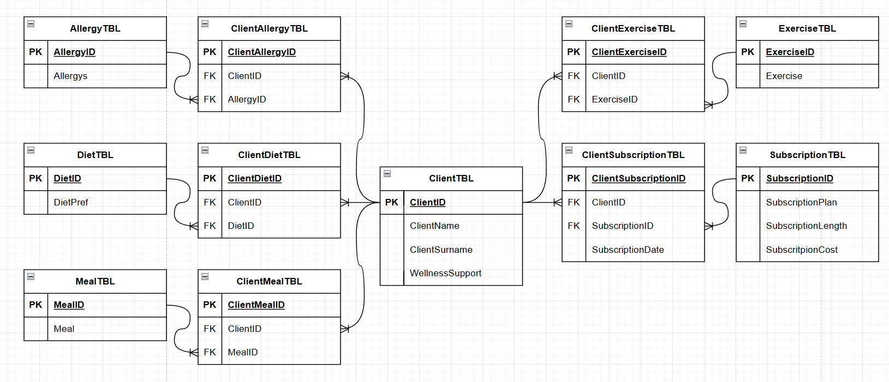
DietID | DietPref
1 | Meat
2 | Pasta
3 | Vegetables
4 | Chicken
5 | Rice
6 | Vegetarian
7 | Seafood
8 | Low-carb
9 | Vegan

