hinge linearity
...
FEA - 64D
 | spring constant
1 | 0.041339552199
2.5 | 0.088150837623
5 | 0.14943995962
7.5 | 0.2173146566
10 | 0.30606801131
Spring Constant vs. Joint Width - 64D TPU
 | Real
Hinge width mm | g @ 12.5mm | angle deg | spring constant
1 | 50 | 45 | 0.00019024088847
3 | 130 | 45 | 0.00049462631002
5 | 400 | 45 | 0.0015219271077
8 | 600 | 45 | 0.0022828906616
10 | 850 | 45 | 0.0032340951039
...
 | Real
Hinge width mm | g @ 12.5mm | angle deg | spring constant
1 | 17 | 22.5 | 0.00012936380416
3 | 60 | 22.5 | 0.00045657813232
5 | 80 | 22.5 | 0.0006087708431
8 | 125 | 22.5 | 0.00095120444234
10 | 230 | 22.5 | 0.0017502161739
Spring Constant vs. Joint Width - 95A TPU

Spring Constant vs. Joint Width - 64D TPU

pressure map
...
0 | 0 | 0 | 0 | 0 | 0
0 | 0 | 0 | 0 | 0 | 0
0 | 0 | 0 | 0 | 0 | 0
0 | 0 | 0 | 0 | 0 | 0
0 | 0 | 0 | 0 | 0 | 0
0 | 0 | 0 | 0 | 0 | 0
0 | 0 | 0 | 0 | 0 | 0
0 | 0 | 0 | 0 | 0 | 0
0 | 0 | 0 | 0 | 0 | 0
0 | 0 | 0 | 0 | 0 | 0
0 | 0 | 0 | 0 | 0 | 0
toe 1 | 428
toe 2 | 402
toe 3 | 597
toe 4 | 595
0 | 0 | 0 | 0 | 0 | 0
0 | 0 | 0 | 0 | 0 | 0
0 | 0 | 0 | 0 | 0 | 0
0 | 0 | 0 | 0 | 0 | 0
0 | 0 | 0 | 0 | 0 | 0
0 | 0 | 0 | 0 | 0 | 0
0 | 0 | 0 | 0 | 0 | 0
0 | 0 | 0 | 0 | 0 | 0
0 | 0 | 0 | 0 | 0 | 0
0 | 0 | 0 | 0 | 0 | 0
0 | 0 | 0 | 0 | 0 | 0
0 | 0 | 0 | 0 | 0 | 0
0 | 0 | 0 | 0 | 0 | 0
0 | 0 | 0 | 0 | 0 | 0
0 | 0 | 0 | 0 | 0 | 0
0 | 0 | 0 | 0 | 0 | 0
0 | 0 | 0 | 0 | 0 | 0
0 | 0 | 0 | 0 | 0 | 0
0 | 0 | 0 | 0 | 0 | 0
0 | 0 | 0 | 0 | 0 | 0
0 | 0 | 0 | 0 | 0 | 0
0 | 0 | 0 | 0 | 0 | 0
0 | 0 | 0 | 0 | 0 | 0
0 | 0 | 0 | 0 | 0 | 0
...
0 | 0 | 0 | 0 | 0 | 0
0 | 0 | 0 | 0 | 0 | 0
0 | 0 | 0 | 0 | 0 | 0
0 | 0 | 0 | 0 | 0 | 0
0 | 0 | 0 | 0 | 0 | 0
0 | 0 | 0 | 0 | 0 | 0
0 | 0 | 0 | 0 | 0 | 0
0 | 0 | 0 | 0 | 0 | 0
0 | 0 | 0 | 0 | 0 | 0
0 | 0 | 0 | 0 | 0 | 0
0 | 0 | 0 | 0 | 0 | 0
toe 1 | 481
toe 2 | 760
toe 3 | 549
toe 4 | 771
0 | 0 | 0 | 0 | 0 | 0
0 | 0 | 0 | 0 | 0 | 0
0 | 0 | 0 | 0 | 0 | 0
0 | 0 | 0 | 0 | 0 | 0
0 | 0 | 0 | 0 | 0 | 0
0 | 0 | 0 | 0 | 0 | 0
0 | 0 | 0 | 0 | 0 | 0
0 | 0 | 0 | 0 | 0 | 0
0 | 0 | 0 | 0 | 0 | 0
0 | 0 | 0 | 0 | 0 | 0
0 | 0 | 0 | 0 | 0 | 0
0 | 0 | 0 | 0 | 0 | 0
0 | 0 | 0 | 0 | 0 | 0
0 | 0 | 0 | 0 | 0 | 0
0 | 0 | 0 | 0 | 0 | 0
0 | 0 | 0 | 0 | 0 | 0
0 | 0 | 0 | 0 | 0 | 0
0 | 0 | 0 | 0 | 0 | 0
0 | 0 | 0 | 0 | 0 | 0
0 | 0 | 0 | 0 | 0 | 0
0 | 0 | 0 | 0 | 0 | 0
0 | 0 | 0 | 0 | 0 | 0
0 | 0 | 0 | 0 | 0 | 0
0 | 0 | 0 | 0 | 0 | 0
...

ac angles
linkage:
AC | 28.5
AB | 40
BD | 29.428
DC | 45

Python Sim
 | Angle_BD_AC
 | 0.0
 | 0.0
 | 0.0
 | 0.0
 | 0.0
 | 0.0
 | 0.0
 | 0.0
 | 0.0
-45 | 7.4
-45 | 7.0
-44 | 6.6
-43 | 6.2
-42 | 5.9
-41 | 5.6
-41 | 5.3
-40 | 5.0
-39 | 4.7
-38 | 4.5
-37 | 4.2
-37 | 4.0
-36 | 3.8
-35 | 3.6
-34 | 3.4
-33 | 3.3
-33 | 3.1
-32 | 2.9
-31 | 2.8
-30 | 2.6
-29 | 2.5
-29 | 2.3
-28 | 2.2
-27 | 2.1
-26 | 2.0
-25 | 1.9
-25 | 1.8
-24 | 1.7
-23 | 1.6
-22 | 1.5
-21 | 1.4
-21 | 1.3
-20 | 1.2
-19 | 1.1
-18 | 1.0
-17 | 1.0
-17 | 0.9
-16 | 0.8
-15 | 0.8
-14 | 0.7
-13 | 0.6
...
From Fusion:
rocker angle | ac angle (vs. vertical)
-45 | 3.924
-40 | 1.893
-35 | 1.188
-30 | 0.725
-25 | 0.383
-20 | 0.144
-15 | 0.03
-10 | 0.04
-5 | 0.05
0 | 0
5 | 0.12
10 | 0.38
15 | 0.674
20 | 1.074
25 | 1.65
30 | 2.42
35 | 3.43
40 | 4.97
45 | 6.855

window: | -45.5 | to | 45.5
From python sims: | cd zero |  | ac zero
rot = 80.2 | 99.8 |  | 9.7
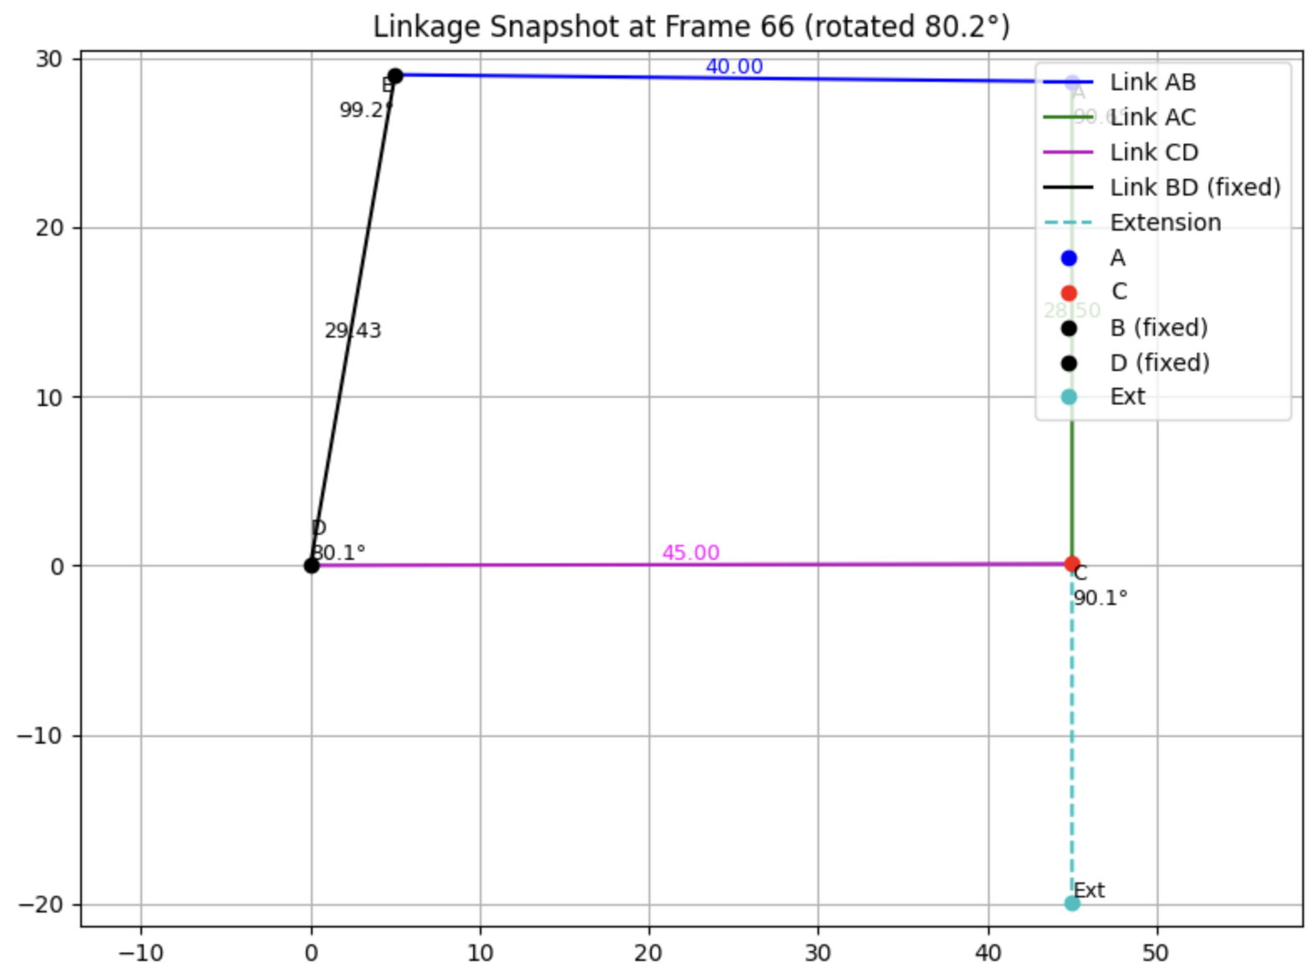
Angle_CD_BD | corrected cd | Angle_BD_AC | corrected_ AC
47 |  | 26.7
48 |  | 23.8
49 |  | 22.2
50 |  | 21.1
50 |  | 20.2
51 |  | 19.4
52 |  | 18.7
53 |  | 18.1
54 |  | 17.6
54 | -45 | 17.1 | 7.4
55 | -45 | 16.7 | 7.0
56 | -44 | 16.3 | 6.6
57 | -43 | 16.0 | 6.2
58 | -42 | 15.6 | 5.9
58 | -41 | 15.3 | 5.6
59 | -41 | 15.0 | 5.3
60 | -40 | 14.7 | 5.0
61 | -39 | 14.5 | 4.7
62 | -38 | 14.2 | 4.5
62 | -37 | 14.0 | 4.2
63 | -37 | 13.8 | 4.0
64 | -36 | 13.6 | 3.8
65 | -35 | 13.4 | 3.6
66 | -34 | 13.2 | 3.4
66 | -33 | 13.0 | 3.3
67 | -33 | 12.8 | 3.1
68 | -32 | 12.7 | 2.9
69 | -31 | 12.5 | 2.8
70 | -30 | 12.4 | 2.6
...

force vs. distance
length | mm | g
132 | 0 | 0
130.46 | 1.54 | 512
129.68 | 2.32 | 1029
128.85 | 3.15 | 1440
127.3 | 4.7 | 1920
125.3 | 6.7 | 2450
120 | 12 | 2980
100.5 | 31.5 | 3489

1 | 4.82
2 | 5.6
3 | 6.38
4 | 7.2075
5 | 8.026
6 | 8.7216666667
7 | 9.42
8 | 10.04125
9 | 10.614444444
10 | 11.1
11 | 11.525454545
12 | 11.8725
13 | 12.176153846
14 | 12.434285714
15 | 12.616666667
16 | 12.73125
17 | 12.765882353
18 | 12.750555556
19 | 12.747894737
20 | 12.7815
21 | 12.865714286
22 | 12.981363636
23 | 13.110434783
24 | 13.264583333
25 | 13.4448
26 | 13.652692308
27 | 13.90037037
28 | 14.163928571
29 | 14.441034483
30 | 14.697
31 | 14.900645161
32 | 15.0425
33 | 15.150606061
34 | 15.257058824
35 | 15.380857143
36 | 15.556388889
37 | 15.778108108
38 | 16.061578947
39 | 16.395384615
40 | 16.80425
41 | 17.280243902
42 | 17.850952381
43 | 18.496511628
44 | 19.221136364
45 | 20.019111111
46 | 20.889130435
47 | 21.864042553
48 | 22.904166667
49 | 24.043673469
50 | 25.251
...

1 | 4.82
2 | 6.38
3 | 7.94
4 | 9.69
5 | 11.3
6 | 12.2
7 | 13.61
8 | 14.39
9 | 15.2
10 | 15.47
11 | 15.78
12 | 15.69
13 | 15.82
14 | 15.79
15 | 15.17
16 | 14.45
17 | 13.32
18 | 12.49
19 | 12.7
20 | 13.42
21 | 14.55
22 | 15.41
23 | 15.95
24 | 16.81
25 | 17.77
26 | 18.85
27 | 20.34
28 | 21.28
29 | 22.2
30 | 22.12
31 | 21.01
32 | 19.44
33 | 18.61
34 | 18.77
35 | 19.59
36 | 21.7
37 | 23.76
38 | 26.55
39 | 29.08
40 | 32.75
41 | 36.32
42 | 41.25
43 | 45.61
44 | 50.38
45 | 55.13
46 | 60.04
47 | 66.71
48 | 71.79
49 | 78.74
50 | 84.41
...

 |  |  |  | 5 Kg limit | to 9kg | 5 Kg limit
 |  |  | fully TPU hoof (no joints) |  |  | TPU 64D hoof with steel bolts
 |  |  | 1 | 0.36 | 0.32 | 1 | 1.25
 |  |  | 2 | 0.68 | 0.65 | 2 | 1.28
 |  |  | 3 | 0.93 | 0.99 | 3 | 1.3
 |  |  | 4 | 1.29 | 1.36 | 4 | 1.2
 |  |  | 5 | 1.38 | 1.38 | 5 | 1.33
 |  |  | 6 | 1.15 | 1.57 | 6 | 1.47
 |  |  | 7 | 1.19 | 1.59 | 7 | 1.6
 |  |  | 8 | 1.23 | 1.63 | 8 | 2
thin hinges
1 | 0.05
2 | 0.16
3 | 0.4
4 | 1.01
5 | 1.58
6 | 1.93
7 | 1.97
8 | 1.81
9 | 1.77
10 | 1.71
11 | 1.85
12 | 1.95
13 | 2.03
14 | 1.97
15 | 1.78
16 | 1.53
17 | 1.35
18 | 1.44
19 | 1.52
20 | 1.62
21 | 1.68
22 | 1.53
23 | 1.25
24 | 1.2
25 | 1.24
26 | 1.29
27 | 1.49
28 | 1.61
29 | 1.47
30 | 1.34
31 | 1.21
32 | 1.17
33 | 1.4
34 | 1.47
35 | 1.43
36 | 1.28
37 | 1.14
38 | 1.08
39 | 1.12
40 | 1.07
41 | 0.98
42 | 1.05
43 | 1.15
44 | 1.33
45 | 1.53
46 | 1.59
47 | 1.5
48 | 1.36
49 | 1.22
50 | 1.13
...
 |  |  | 9 | 1.36 | 2.07 | 9 | 2.14
 |  |  | 10 | 1.41 | 1.93 | 10 | 1.93
 |  |  | 11 | 1.37 | 1.86 | 11 | 2.14
 |  |  | 12 | 1.26 | 1.7 | 12 | 1.91
 |  |  | 13 | 1.24 | 1.51 | 13 | 1.89
 |  |  | 14 | 1.45 | 1.38 | 14 | 2.32
 |  |  | 15 | 1.46 | 1.47 | 15 | 2.18
 |  |  | 16 | 1.55 | 1.47 | 16 | 2.05
 |  |  | 17 | 1.46 | 1.58 | 17 | 1.87
 |  |  | 18 | 1.25 | 1.72 | 18 | 1.7
 |  |  | 19 | 1.18 | 1.79 | 19 | 1.69
 |  |  | 20 | 1.1 | 1.91 | 20 | 1.83
 |  |  | 21 | 1.19 | 1.9 | 21 | 1.71
 |  |  | 22 | 1.23 | 1.91 | 22 | 1.47
Fully TPU Hoof
1 | 0.36
2 | 0.68
3 | 0.93
4 | 1.29
5 | 1.38
6 | 1.15
7 | 1.19
8 | 1.23
9 | 1.36
10 | 1.41
11 | 1.37
12 | 1.26
13 | 1.24
14 | 1.45
15 | 1.46
16 | 1.55
17 | 1.46
18 | 1.25
19 | 1.18
20 | 1.1
21 | 1.19
22 | 1.23
23 | 1.19
24 | 1.13
25 | 1.01
26 | 0.97
27 | 1.15
28 | 1.28
29 | 1.54
30 | 1.58
31 | 1.45
32 | 1.34
33 | 1.26
34 | 1.34
35 | 1.38
36 | 1.45
37 | 1.27
38 | 1.06
39 | 0.99
40 | 1.1
41 | 1.28
42 | 1.46
43 | 1.55
44 | 1.46
45 | 1.34
46 | 1.27
47 | 1.23
48 | 1.18
49 | 1.14
50 | 1.07
...
1 | 0.32
2 | 0.65
3 | 0.99
4 | 1.36
5 | 1.38
6 | 1.57
7 | 1.59
8 | 1.63
9 | 2.07
10 | 1.93
11 | 1.86
12 | 1.7
13 | 1.51
14 | 1.38
15 | 1.47
16 | 1.47
17 | 1.58
18 | 1.72
19 | 1.79
20 | 1.91
21 | 1.9
22 | 1.91
23 | 1.76
24 | 1.68
25 | 1.6
26 | 1.6
27 | 1.84
28 | 2
29 | 2.24
30 | 2.37
31 | 2.18
32 | 2.17
33 | 2.14
34 | 2.17
35 | 2.26
36 | 2.23
37 | 2.1
38 | 1.91
39 | 1.95
40 | 2.08
41 | 2.3
42 | 2.28
43 | 2.13
44 | 2.06
45 | 1.84
46 | 1.98
47 | 2.13
48 | 2.13
49 | 2.11
50 | 1.9
...
 |  |  | 23 | 1.19 | 1.76 | 23 | 1.32
 |  |  | 24 | 1.13 | 1.68 | 24 | 1.2
 |  |  | 25 | 1.01 | 1.6 | 25 | 1.29
 |  |  | 26 | 0.97 | 1.6 | 26 | 1.38
 |  |  | 27 | 1.15 | 1.84 | 27 | 1.43
 |  |  | 28 | 1.28 | 2 | 28 | 1.43
 |  |  | 29 | 1.54 | 2.24 | 29 | 1.47
 |  |  | 30 | 1.58 | 2.37 | 30 | 1.31
 |  |  | 31 | 1.45 | 2.18 | 31 | 1.42
 |  |  | 32 | 1.34 | 2.17 | 32 | 1.48
 |  |  | 33 | 1.26 | 2.14 | 33 | 1.44
 |  |  | 34 | 1.34 | 2.17 | 34 | 1.55
 |  |  | 35 | 1.38 | 2.26 | 35 | 1.3
 |  |  | 36 | 1.45 | 2.23 | 36 | 1.21
TPU 64D Hoof with bolt inserts
1 | 1.25
2 | 1.28
3 | 1.3
4 | 1.2
5 | 1.33
6 | 1.47
7 | 1.6
8 | 2
9 | 2.14
10 | 1.93
11 | 2.14
12 | 1.91
13 | 1.89
14 | 2.32
15 | 2.18
16 | 2.05
17 | 1.87
18 | 1.7
19 | 1.69
20 | 1.83
21 | 1.71
22 | 1.47
23 | 1.32
24 | 1.2
25 | 1.29
26 | 1.38
27 | 1.43
28 | 1.43
29 | 1.47
30 | 1.31
31 | 1.42
32 | 1.48
33 | 1.44
34 | 1.55
35 | 1.3
36 | 1.21
37 | 1.18
38 | 1.14
39 | 1.34
40 | 1.29
41 | 1.23
42 | 1.08
43 | 0.9
44 | 0.9
45 | 0.82
46 | 0.89
47 | 0.98
48 | 0.95
49 | 0.9
50 | 0.81
...
 |  |  | 37 | 1.27 | 2.1 | 37 | 1.18
 |  |  | 38 | 1.06 | 1.91 | 38 | 1.14
 |  |  | 39 | 0.99 | 1.95 | 39 | 1.34
 |  |  | 40 | 1.1 | 2.08 | 40 | 1.29
 |  |  | 41 | 1.28 | 2.3 | 41 | 1.23
 |  |  | 42 | 1.46 | 2.28 | 42 | 1.08
 |  |  | 43 | 1.55 | 2.13 | 43 | 0.9
 |  |  | 44 | 1.46 | 2.06 | 44 | 0.9
 |  |  | 45 | 1.34 | 1.84 | 45 | 0.82
 |  |  | 46 | 1.27 | 1.98 | 46 | 0.89
 |  |  | 47 | 1.23 | 2.13 | 47 | 0.98
 |  |  | 48 | 1.18 | 2.13 | 48 | 0.95
 |  |  | 49 | 1.14 | 2.11 | 49 | 0.9
 |  |  | 50 | 1.07 | 1.9 | 50 | 0.81
 |  |  | 51 | 0.98 | 1.83 | 51 | 0.68
 |  |  | 52 | 1.03 | 1.86 | 52 | 0.75
 |  |  | 53 | 1.13 | 2.04 | 53 | 0.87
 |  |  | 54 | 1.23 | 2.11 | 54 | 1.1
 |  |  | 55 | 1.44 | 2.19 | 55 | 1.23
 |  |  | 56 | 1.38 | 2.15 | 56 | 1.19
 |  |  | 57 | 1.37 | 1.98 | 57 | 1.17
 |  |  | 58 | 1.22 | 1.88 | 58 | 1.07
 |  |  | 59 | 1.09 | 2.04 | 59 | 1.12
 |  |  | 60 | 1.29 | 2.13 | 60 | 1.17
 |  |  | 61 | 1.44 | 2.44 | 61 | 1.17
...

