Analysis Report 1
Hotel Blend (lbs.) | Profit
10000 | $55,200.00
10500 | $55,200.00
11000 | $55,200.00
11500 | $55,200.00
12000 | $55,200.00
12500 | $55,200.00
13000 | $55,200.00
13500 | $55,200.00
14000 | $55,200.00
14500 | $55,200.00
15000 | $55,200.00

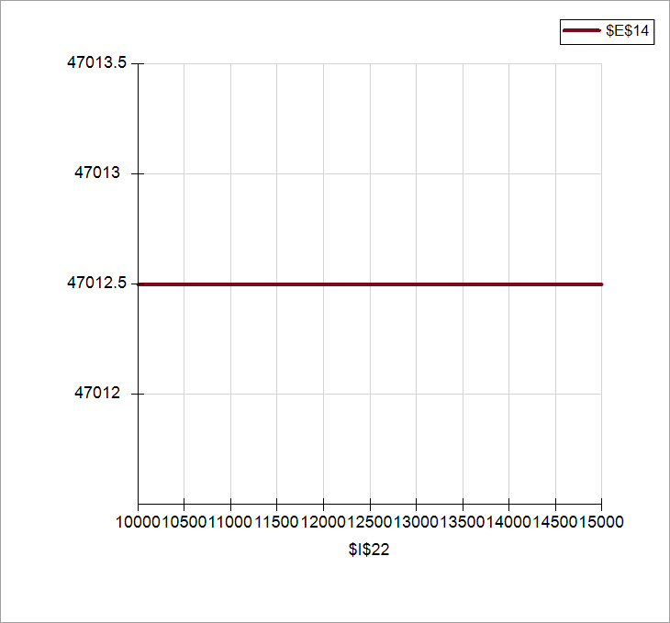

Profit vs. Hotel Blend Production

Sensitivity Analysis Report 1
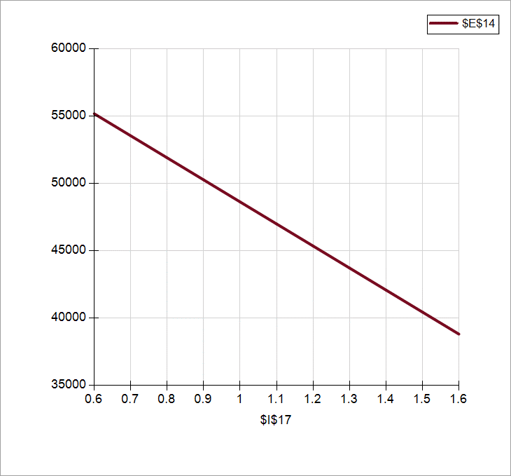
Profit vs. Robusta Beans Unit Cost
Robusta Beans Unit Cost | Profit
0.6 | $55,200.00
0.7 | $52,907.50
0.9 | $50,615.00
1.0 | $48,322.50
1.2 | $46,030.00
1.3 | $43,737.50
1.4 | $41,445.00
1.6 | $39,152.50
1.7 | $36,860.00
1.9 | $34,567.50
2.0 | $32,275.00

Answers
 | Problem: | Details:
 | Hill-O-Beans Coffee Company blends four component beans into three final blends of coffee: one is sold to luxury hotels, another to restaurants, and the third to supermarkets for store label brands. The company has four reliable bean supplies: Robusta, Javan Arabica, Liberica, and Brazilian Arabica. The following table summarizes the very precise recipes for the final coffee blends, the cost and availability information for the four components, and the wholesale price per pound of the final blends. The percentages indicate the fraction of each component to be used in each blend. | The processor's plant can handle no more than 100,000 pounds per week, but there is virtually unlimited demand for the final blends. However, the marketing department requires minimum production levels of 10,000, 25,000, and 30,000 pounds, respectively, for the hotel, restaurant, and market blends.

 | Question: | Answer:

#1 | In order to maximize weekly profit, how many pounds of each component should be purchased? | In order to maximize weekly profit for Hill-O-Beans Coffee Company they should purchase 16,375 pounds of the Robusta bean supply, 19,375 pounds of the Javan Arabica bean supply, 20,000 pounds of the Liberica bean supply, and 16,750 pounds of the Brazilian Arabica bean supply.

#2 | What is the economic value of an additonal pounds worth of plant capacity? | There is no economic value in increasing the processor's plant capacity as the maximal solution does not even use up to the original capacity of 100,000 pounds. Increasing the processor's plant capacity would end up costing the company more money on buying the resources needed to expand the capacity.

#3 | How much (per pound) should Hill-O-Beans be willing to pay for additional pounds of Liberica in order to raise total profit? | The sensitivity report gives us a shadow price of 4.25 for Liberica meaning Hill-O-Beans should be willing to pay an additional $4.25 per pound of Liberica in order to raise total profit.

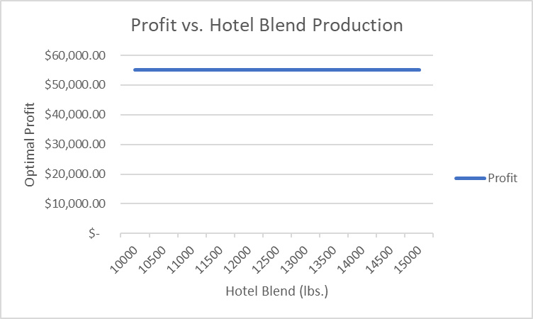
#4 | Construct a graph to show how the optimal profit varies with the minimum weekly production level of the hotel blend.

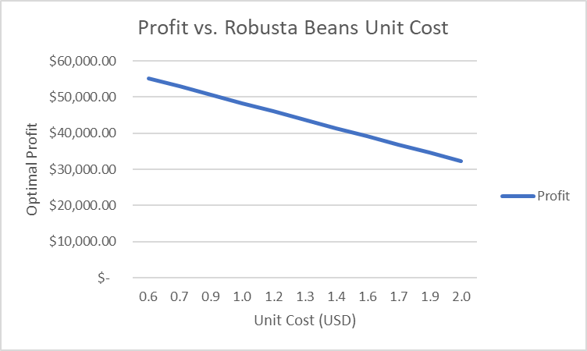
#5 | Construct a graph to show how the optimal profit varies with the unit cost of Robusta beans.

