Answers
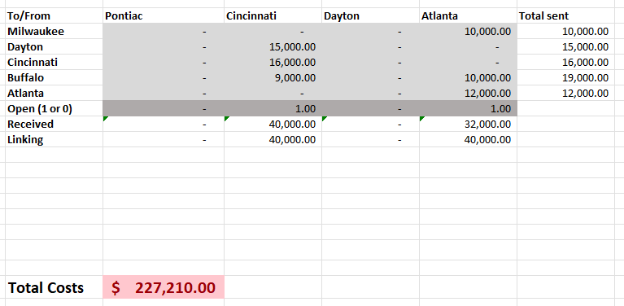
Questions | Answers
Assume that the Pontiac plant has no resale value and must remain open. What are the plant locations that will minimize total costs, including production, distribution, and fixed costs. What is the optimal total cost? | The plant locations that will minimize total costs including production, distribution, and fixed costs are Cincinnati and Atlanta (Pontiac is already assumed to be included). The optimal total cost is $234,210.00.
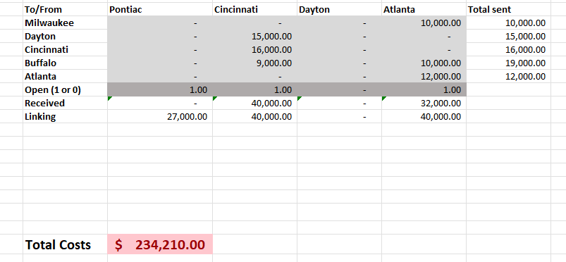

Assume that the Pontiac plant could be closed at zero net cost. What are the optimal locations? What is the optimal total cost? | If the Pontiac plant could be closed at zero net cost, the optimal locations are just Cincinnati and Atlanta. The optimal total cost would be $227,210.00

