Answers
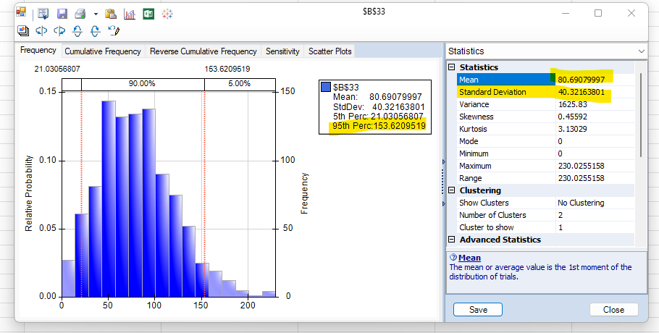
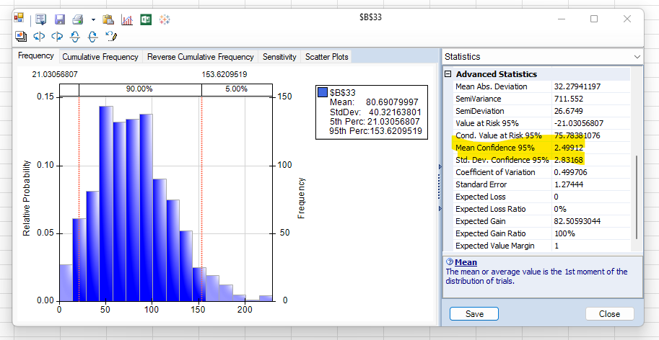
Questions
1 | What is the total amount they can expect to generate in revenues from these 16 visits? | The average amount of revenue they can expect to generate is $80.69, where as the last simulation run they generated $105.18 (see below screenshots for references).
2 | What is the standard deviation of total revenues over 16 visits? | The standard deviation of total revenues is $40.32.
3 | What is the probability they will make more than $100? | The probability they will make more than $100 in the last run simlution is 55%.

