Sheet1
3 (i) | Binary | Image | Overlap | Test

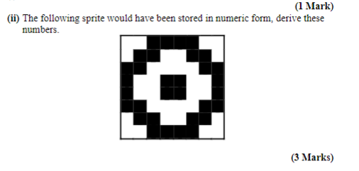
 |  |  |  |  |  |  |  |  | 128 | 64 | 32 | 16 | 8 | 4 | 2 | 1
 |  |  |  |  |  |  |  | 60
 |  |  |  |  |  |  |  | 102
 |  |  |  |  |  |  |  | 195
 |  |  |  |  |  |  |  | 153
 |  |  |  |  |  |  |  | 153
 |  |  |  |  |  |  |  | 195
 |  |  |  |  |  |  |  | 102
 |  |  |  |  |  |  |  | 60

 |  |  |  |  |  |  |  |  | 128 | 64 | 32 | 16 | 8 | 4 | 2 | 1
 |  |  |  |  |  |  |  | 36
 |  |  |  |  |  |  |  | 24
 |  |  |  |  |  |  |  | 24
 |  |  |  |  |  |  |  | 24
 |  |  |  |  |  |  |  | 24
 |  |  |  |  |  |  |  | 60
 |  |  |  |  |  |  |  | 102
 |  |  |  |  |  |  |  | 66

 | Eg. A rotating arrow would have a large AABB but a very small OBB
 | AABB are used in the broad phase of collision detection
 | AABBs are used in the AABB Intersection Test (Sort and Sweep) : Which produces collision islands to be passed on to the Narrow phase. This reduces the overall number of testes required which can grow very large (Handshake problem)

 | Sort and Sweep Algorithm

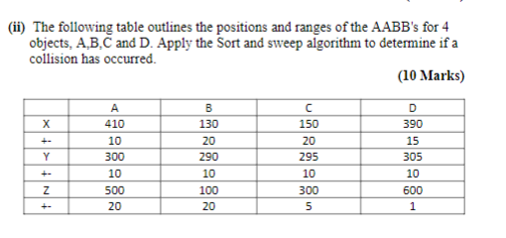

X Axis
1 | Bs | Cs | Be | Ce | Ds | As | De | Ae
 | 110 | 130 | 150 | 170 | 375 | 400 | 405 | 420

2 | B | B,C | C | NULL | D | D,A | A | Null

3
 |  | (C,B) |  |  |  | (A,D)
Y Axis
1 | Bs | Cs | As | Ds | Be | Ce | Ae | De
 | 280 | 285 | 290 | 295 | 300 | 305 | 310 | 315

2 | B | B,C | B,C,A | B,C,A,D | C,A,D | A,D | D | NULL

3 |  | (C,B) | (C,B) (B,A) | (C,B)(B,A)(B,D)

Z Axis
1 | Bs | Be | Cs | Ce | As | Ae | Ds | De
 | 80 | 120 | 295 | 305 | 480 | 520 | 599 | 601

2 | B | NULL | C | NULL | A | NULL | D | NULL

3

