Step 1
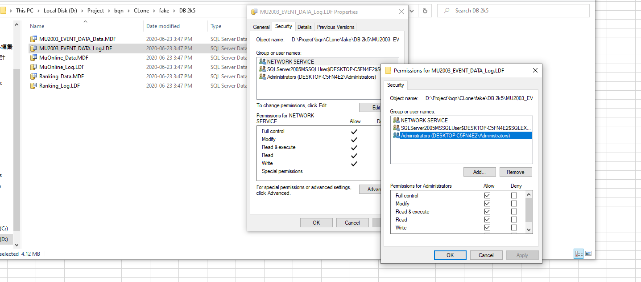
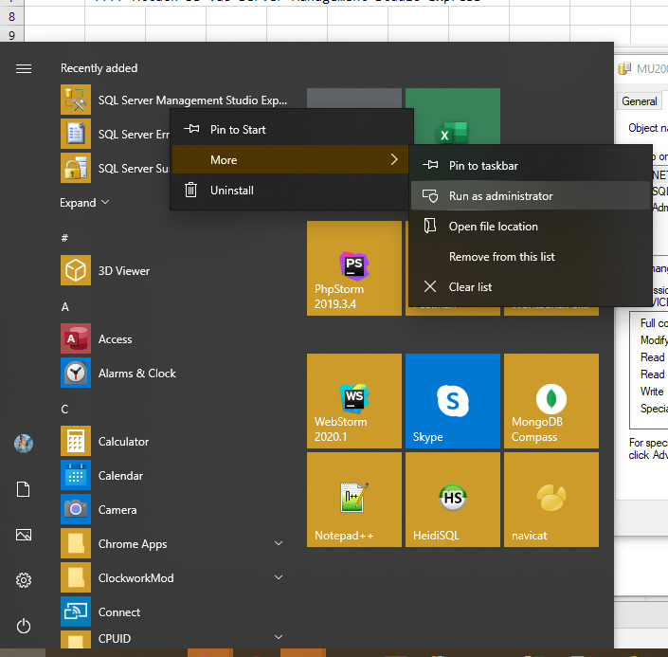
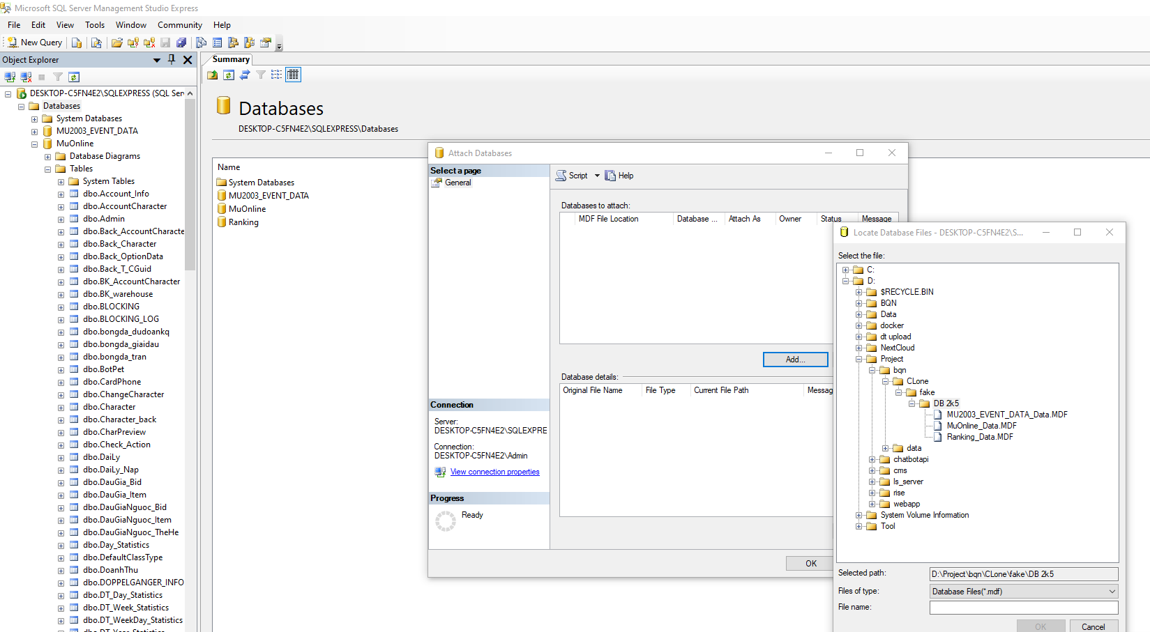
Dowload SQL 2k5

> Download Microsoft SQL 2k5 Server Management Studio Express
->>>> Phan quyen DB
->>>> Run Server Management Studio Express AD
->>>> Attach DB vao Server Management Studio Express

Step 2
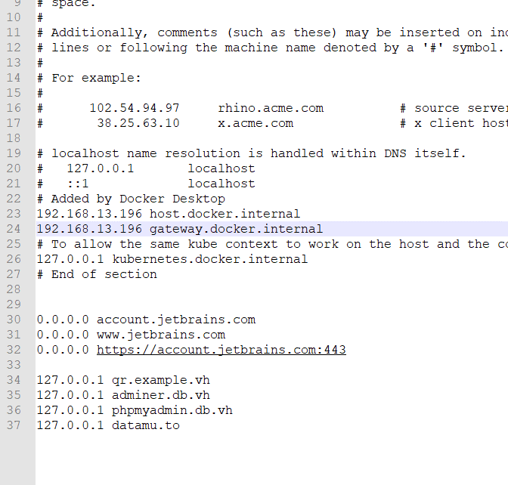
2. IIS
Programs and Features Click Turn Windows features on or off
> Internet Information Service > Web Management Tools & World Wide Web Services

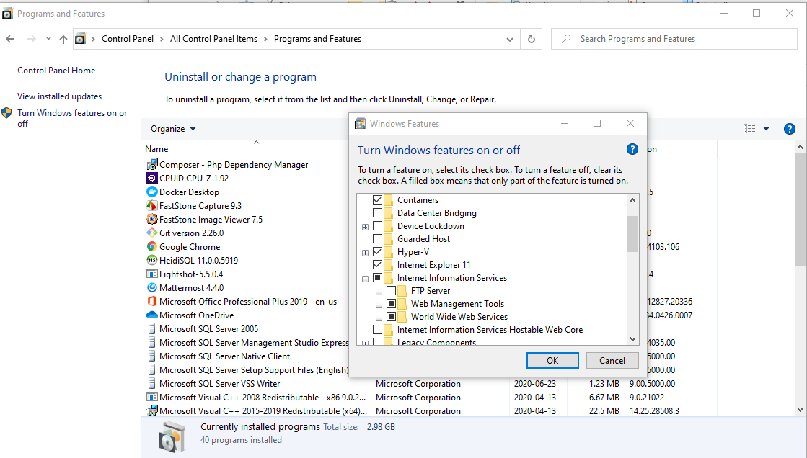

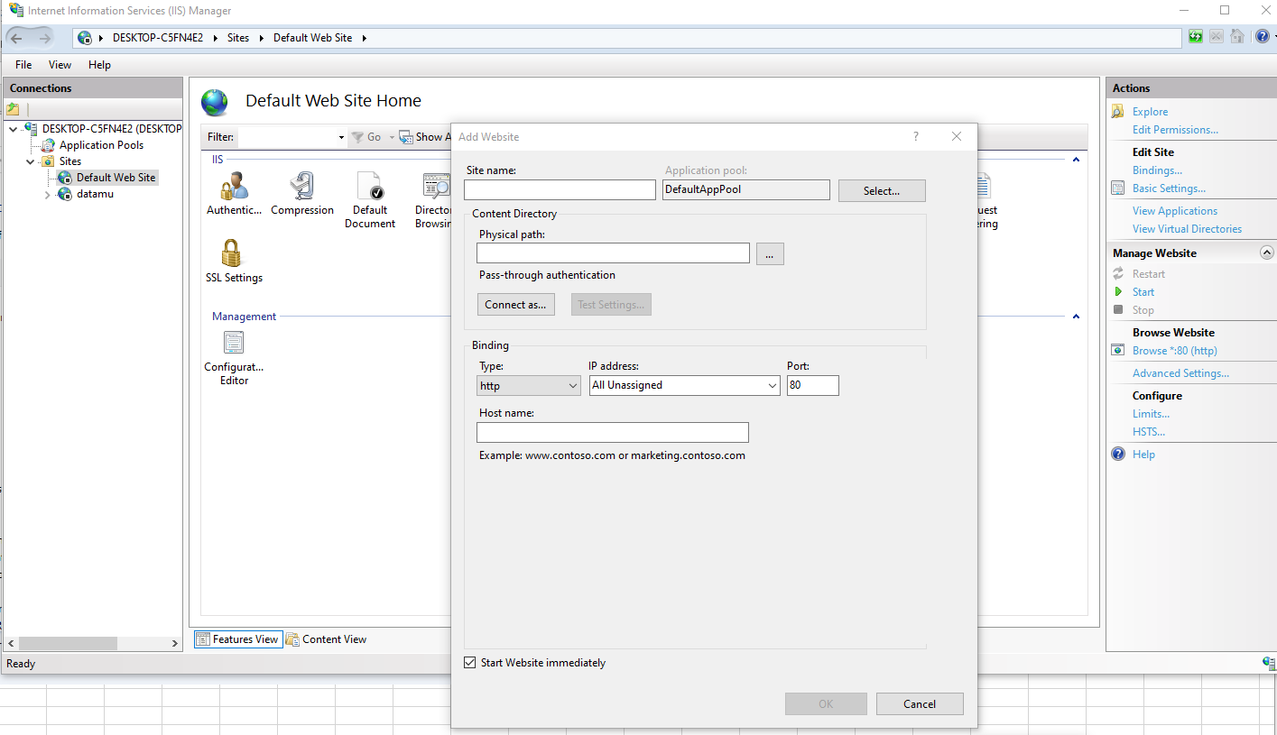

Tạo domain ảo trên virtual host

