Overview
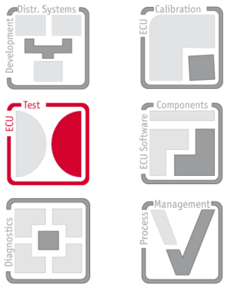
 | Template
 | VT System External Calibration Template
 | General template for the calculation of calibration parameters

 | Version 1.0

Note: | This template helps by the calculation of the new correction values. To calculate the new values make following steps: 1. First enter the actual values for scale and offset into the cell actual scaling and actual offset. 2. Now make measurements at some points in the measurement or output range and enter the values into measurement values table. 3. The new corrections values for scale and offset now are present in cell new scaling and new offset.

Failure
 | Absolute Failure
-9.000 | -0.218
-5.000 | -0.185
-1.000 | -0.140
1.000 | -0.104
5.000 | -0.046
9.000 | 0.032
 | 0.000
 | 0.000
 | 0.000
 | 0.000
 | 0.000
 | 0.000
 | 0.000
 | 0.000
 | 0.000
 | 0.000
 | 0.000

