Overview
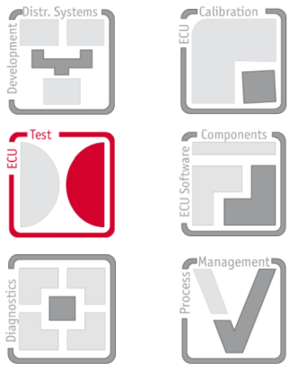
 | Template
 | VT1004A External Calibration Template
 | Template for the calculation of calibration parameters

 | Version 1.0

Note: | This template helps by the calculation of the new correction values for the VT1004A module. Each measurement and output range has an own sheet. To calculate the new values make following steps for each range: 1. First enter or import the actual values for scale and offset into the cells actual scaling and actual offset for each channel. 2. Now make measurements at some points in the measurement range and enter the values into measurement values table. 3. The new corrections values for scale and offset now are present in cells new scaling and new offset for each channel. For a description how to import the actual parameter values form file and how to export the new parameter values to a file have a lock at sheet ImportExport.

