Position File
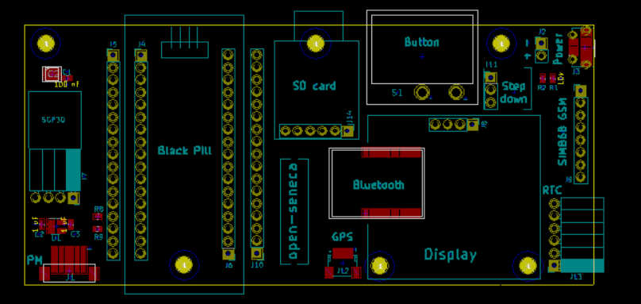
Position File, fill your information in blue column
Designator | Footprint | Center-X(mm) | Center-Y(mm) | Rotation | Layer
C1 | C_0402 | 112.0775 | -85.5980 | 0.0000 | top
C2 | C_0402 | 107.1245 | -115.5700 | 270.0000 | top
C3 | C_0402 | 113.0300 | -115.6335 | 270.0000 | top
IC1 | HM-11-MODULE | 172.9423 | -113.4427 | 90.0000 | top
IC2 | SON50P250X250X90-9N-D | 108.6485 | -84.8360 | 0.0000 | top
J1 | B5B-ZR-SM4-TF | 112.1727 | -125.1902 | 180.0000 | top
J3 | USB_Micro-B_Molex-105017-0001 | 217.8050 | -79.3750 | 90.0000 | top
J12 | JST_SH_SM04B-SRSS-TB_04x1.00mm_Angled | 166.4335 | -123.6980 | 0.0000 | top
R1 | R_0402 | 211.2645 | -85.7250 | 270.0000 | top
R2 | R_0402 | 209.1690 | -85.7250 | 90.0000 | top
R8 | R_0402 | 118.0465 | -114.4905 | 270.0000 | top
R9 | R_0402 | 118.0465 | -116.1415 | 90.0000 | top
U1 | SOT-23-5 | 110.0455 | -116.0145 | 0.0000 | top

