Sheet1
1 | Markdown cell Title
 | With some text

2 | Test

3 |  | A | B | C | D
 | 2013-01-01 | -0.180021 | 0.353262 | 0.092732 | 1.307977
 | 2013-01-02 | 1.685297 | 1.224822 | -0.633752 | 0.469845
 | 2013-01-03 | -0.758091 | -2.011591 | 0.007983 | -0.232754
 | 2013-01-04 | 1.210486 | 0.727872 | -0.178372 | -1.008124
 | 2013-01-05 | -0.345644 | -0.483128 | 0.109403 | 0.362049
 | 2013-01-06 | 0.697037 | 0.033166 | -0.021461 | 1.473813

4
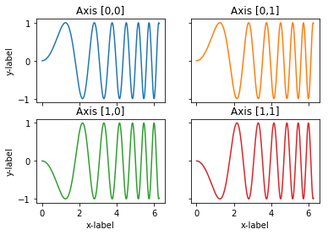

5

