Sheet1
1 | Markdown cell Title
 | With some text

2 | Test

3 |  | A | B | C | D
 | 2013-01-01 | 1.764052 | 0.400157 | 0.978738 | 2.240893
 | 2013-01-02 | 1.867558 | -0.977278 | 0.950088 | -0.151357
 | 2013-01-03 | -0.103219 | 0.410599 | 0.144044 | 1.454274
 | 2013-01-04 | 0.761038 | 0.121675 | 0.443863 | 0.333674
 | 2013-01-05 | 1.494079 | -0.205158 | 0.313068 | -0.854096
 | 2013-01-06 | -2.55299 | 0.653619 | 0.864436 | -0.742165

4
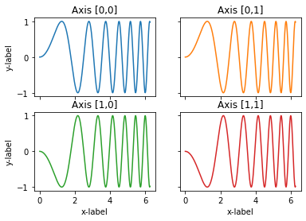

5

