QUADRO
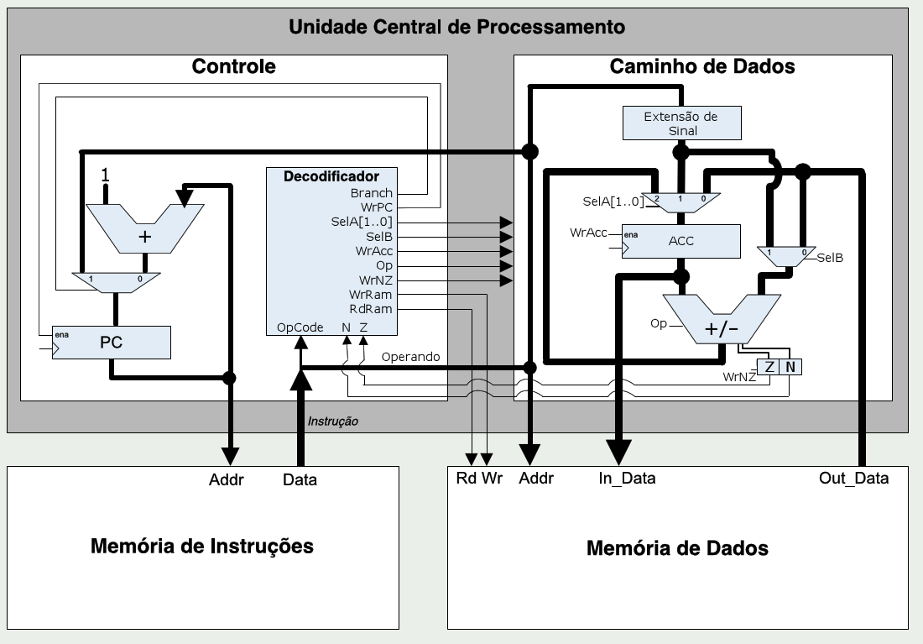
Mnemônico | Opcode [4..0] |  |  |  |  | N | Z | WrPC | SelA1 | SelA0 | SelB | WrAcc | OpSel | RdRam | WrRam | Branch | WrNZ
HLT |  | 0 | 0 | 0 | 0 | X | X | 0 | X | X | X | 0 | X | 1 | 0 | 0 | 0
STO |  | 0 | 0 | 0 | 1 | X | X | 1 | X | X | X | 0 | X | 0 | 1 | 0 | 0
LD |  | 0 | 0 | 1 | 0 | X | X | 1 | 0 | 0 | X | 1 | X | 1 | 0 | 0 | 0
LDI |  | 0 | 0 | 1 | 1 | X | X | 1 | 0 | 1 | X | 1 | X | 1 | 0 | 0 | 0
ADD |  | 0 | 1 | 0 | 0 | X | X | 1 | 1 | 0 | 0 | 1 | 0 | 1 | 0 | 0 | 1
ADDI |  | 0 | 1 | 0 | 1 | X | X | 1 | 1 | 0 | 1 | 1 | 0 | 1 | 0 | 0 | 1
SUB |  | 0 | 1 | 1 | 0 | X | X | 1 | 1 | 0 | 0 | 1 | 1 | 1 | 0 | 0 | 1
SUBI |  | 0 | 1 | 1 | 1 | X | X | 1 | 1 | 0 | 1 | 1 | 1 | 1 | 0 | 0 | 1
BEQ |  | 1 | 0 | 0 | 0 | X | 0 | 1 | X | X | X | 0 | X | 1 | 0 | 0 | 0
 |  | 1 | 0 | 0 | 0 | X | 1 | 1 | X | X | X | 0 | X | 1 | 0 | 1 | 0
BNE |  | 1 | 0 | 0 | 1 | X | 0 | 1 | X | X | X | 0 | X | 1 | 0 | 1 | 0
 |  | 1 | 0 | 0 | 1 | X | 1 | 1 | X | X | X | 0 | X | 1 | 0 | 0 | 0
BGT |  | 1 | 0 | 1 | 0 | 0 | 0 | 1 | X | X | X | 0 | X | 1 | 0 | 1 | 0
 |  | 1 | 0 | 1 | 0 | 0 | 1 | 1 | X | X | X | 0 | X | 1 | 0 | 0 | 0
 |  | 1 | 0 | 1 | 0 | 1 | 0 | 1 | X | X | X | 0 | X | 1 | 0 | 0 | 0
 |  | 1 | 0 | 1 | 0 | 1 | 1 | 1 | X | X | X | 0 | X | 1 | 0 | 0 | 0
BGE |  | 1 | 0 | 1 | 1 | 0 | X | 1 | X | X | X | 0 | X | 1 | 0 | 1 | 0
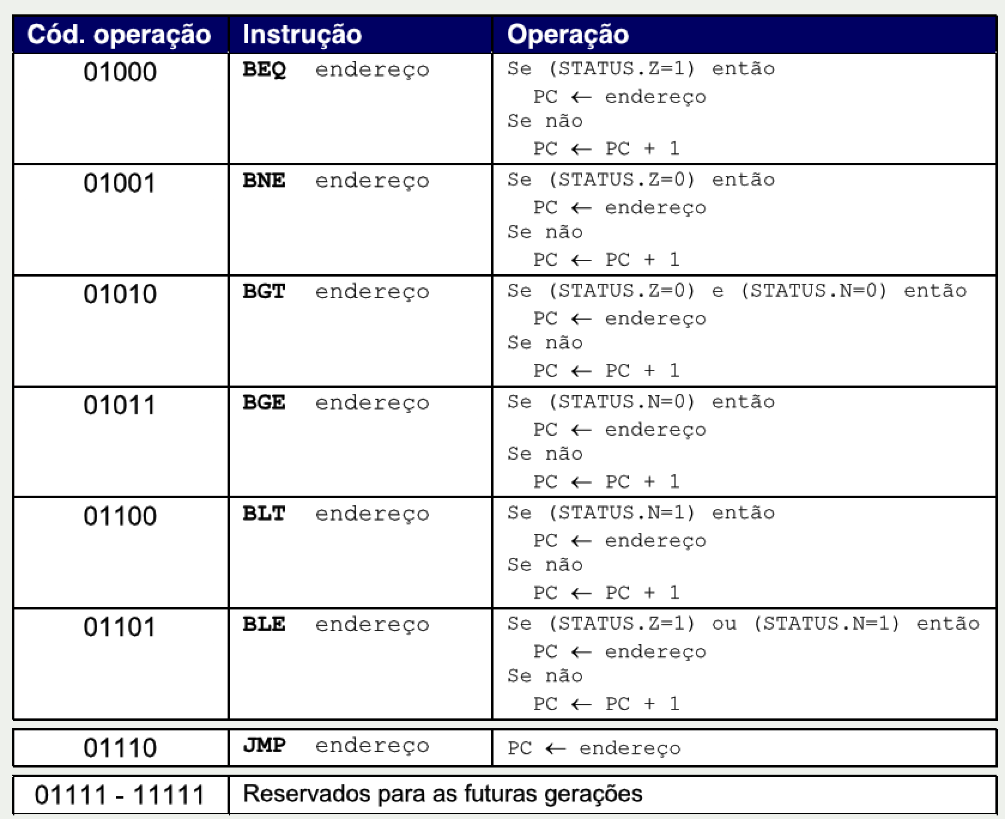
 |  | 1 | 0 | 1 | 1 | 1 | X | 1 | X | X | X | 0 | X | 1 | 0 | 0 | 0
BLT |  | 1 | 1 | 0 | 0 | 0 | X | 1 | X | X | X | 0 | X | 1 | 0 | 0 | 0
 |  | 1 | 1 | 0 | 0 | 1 | X | 1 | X | X | X | 0 | X | 1 | 0 | 1 | 0
BLE |  | 1 | 1 | 0 | 1 | 0 | 0 | 1 | X | X | X | 0 | X | 1 | 0 | 0 | 0
 |  | 1 | 1 | 0 | 1 | 0 | 1 | 1 | X | X | X | 0 | X | 1 | 0 | 0 | 0
 |  | 1 | 1 | 0 | 1 | 1 | 0 | 1 | X | X | X | 0 | X | 1 | 0 | 0 | 0
 |  | 1 | 1 | 0 | 1 | 1 | 1 | 1 | X | X | X | 0 | X | 1 | 0 | 1 | 0
JMP |  | 1 | 1 | 1 | 0 | X | X | 1 | X | X | X | 0 | X | 1 | 0 | 1 | 0

